Tabelle1
A |  |  |  |  |  | year | book value | capex | npv of capex | revenues | npv of revenues | npv of opex
0.23 |  |  | 1.00 | lamda (infinitesimal demand increase) |  | 2,030 | 337 | 17 | 15 | 761 | 672 | 44.19
0.20 |  |  | 0.87 |  |  | 2,031 | 330 | 16 | 14 | 761 | 656 | 43.11
0.07 |  |  | 0.30 |  |  | 2,032 | 323 | 16 | 14 | - | - | 42.06
0.02 |  |  | 0.09 |  |  | 2,033 | 316 | 16 | 13 | - | - | 41.04
0.00 |  |  | - |  |  | 2,034 | 310 | 15 | 12 | - | - | 40.04
0.00 |  |  | - |  |  | 2,035 | 303 | 15 | 12 | - | - | 39.06
0.00 |  |  | - |  |  | 2,036 | 296 | 15 | 11 | - | - | 38.11
0.00 |  |  | - |  |  | 2,037 | 289 | 14 | 11 | - | - | 37.18
0.03 |  |  | 0.13 |  |  | 2,038 | 283 | 14 | 10 | - | - | 36.27
0.07 |  |  | 0.30 |  |  | 2,039 | 276 | 14 | 10 | - | - | 35.39
0.16 |  |  | 0.70 |  |  | 2,040 | 269 | 13 | 9 | - | - | 34.52
0.22 |  |  | 0.96 |  |  | 2,041 | 262 | 13 | 9 | - | - | 33.68
 |  |  | 4.35 | total gas demand increase |  | 2,042 | 256 | 13 | 8 | - | - | 32.86
 |  |  | x 175 EUR/MWh |  |  | 2,043 | 249 | 12 | 8 | - | - | 32.06
 |  |  | 760.87 | total revenues obtained by gas demand increase |  | 2,044 | 242 | 12 | 8 | - | - | 31.28
 |  |  |  |  |  | 2,045 | 236 | 12 | 7 | - | - | 30.51
 |  |  |  |  |  | 2,046 | 229 | 11 | 7 | - | - | 29.77
 |  |  |  |  |  | 2,047 | 222 | 11 | 6 | - | - | 29.04
 |  |  |  |  |  | 2,048 | 215 | 11 | 6 | - | - | 28.33
 |  | length | investment costs |  |  | 2,049 | 209 | 10 | 6 | - | - | 27.64
 | transmission | 5.29 | 29,618 |  |  | 2,050 | 202 | 202 | 109 | - | - | 26.97
 | high-pressure | 48.57 | 194,298 |  |  |  |  |  | 305 |  | 1,329 | 733
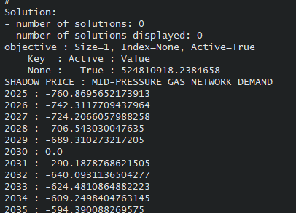
 | mid-pressure | 3.06 | 18,384
 |  |  | 336.53 | total investment cost to supply lambda |  |  |  |  |  |  |  | -290.1879

 |  |  |  |  | 1
 | 0.23
 | 0.20
 | 0.07
 | 0.02
 | 0.00
 | 0.00
 | 0.00
 | 0.00
 | 0.03
 | 0.07
 | 0.16
 | 0.22

