SUPER
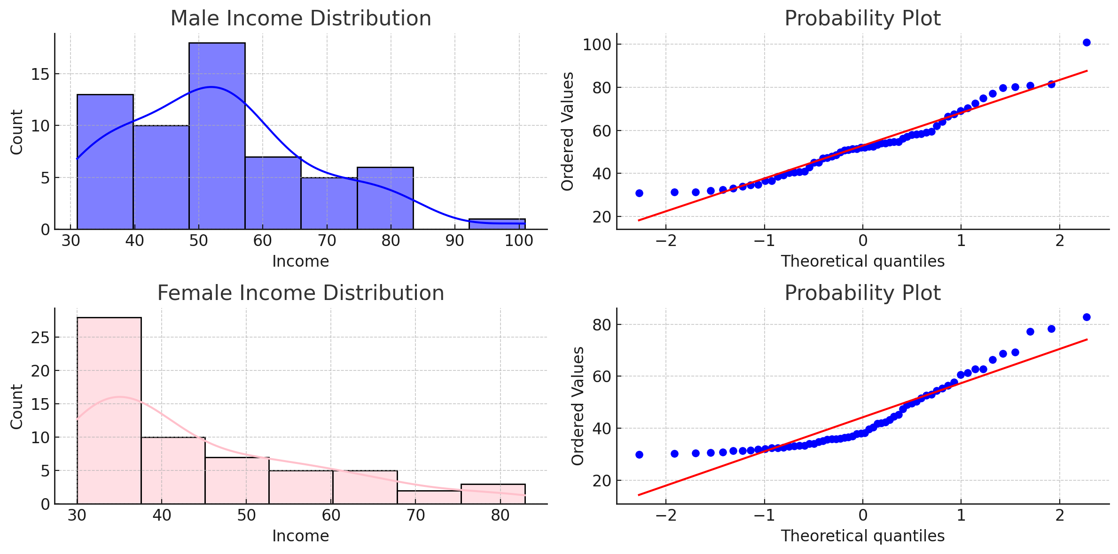
Sex | Income
M | 40.6
M | 54.6 | F-Test Two-Sample for Variances
M | 38.6
M | 58.2 |  | 40.6 | 33.1
M | 34.6 | Mean | 53.122033898 | 44.422033898
M | 42.9 | Variance | 234.49002338 | 191.28140269
M | 67.5 | Observations | 59 | 59
M | 79.8 | df | 58 | 58
M | 54.4 | F | 1.2258903379
M | 47.3 | P(F<=f) one-tail | 0.22019229694
M | 66.4 | F Critical one-tail | 1.5457682695
M | 69.0
M | 62.0 | p2 | 0.44038459388
M | 52.5
M | 72.6
M | 52.4 | t-Test: Two-Sample Assuming Equal Variances
M | 59.5
M | 59.1 |  | 40.6 | 33.1
M | 36.7 | Mean | 53.122033898 | 44.422033898
M | 54.6 | Variance | 234.49002338 | 191.28140269
M | 52.1 | Observations | 59 | 59
M | 49.9 | Pooled Variance | 212.88571303
M | 52.0 | Hypothesized Mean Difference | 0
M | 47.1 | df | 116
M | 40.8 | t Stat | 3.2385976944
M | 36.5 | P(T<=t) one-tail | 0.00078345011886
M | 57.1 | t Critical one-tail | 1.6580957443
M | 54.1 | P(T<=t) two-tail | 0.0015669002377
M | 32.4 | t Critical two-tail | 1.9806260025 |  | Females | Interpretation
M | 34.9
M | 64.1 | Difference in Means | 8.7 |  | Mean Income: $44.23 | This result supports the hypothesis that male incomes are generally higher than female incomes within this dataset.
M | 54.0 |  |  |  | Standard Deviation: $13.79 | This conclusion is robust despite the data not meeting the normality assumption.
M | 51.5 |  |  |  | Minimum Income: $30.00
M | 50.8 |  |  |  | Maximum Income: $82.90
M | 45.1
M | 81.5 |  |  |  | Males
M | 70.4
M | 39.2 |  |  |  | Mean Income: $52.91
M | 45.2 |  |  |  | Standard Deviation: $15.27
M | 80.9 |  |  |  | Minimum Income: $31.00
M | 48.6 |  |  |  | Maximum Income: $100.90
M | 31.0
M | 32.1
M | 33.9
M | 31.3
M | 51.0
M | 53.4
M | 58.3
M | 31.4
M | 56.3
M | 41.0
M | 47.9
M | 51.4
M | 33.1
M | 74.9
M | 77.2
M | 57.9
M | 80.1
M | 40.2
M | 100.9
F | 33.1
F | 35.8
F | 68.8
F | 31.6
F | 38.2
F | 42.0
F | 33.4
F | 50.3
F | 39.6
F | 30.7
F | 31.3
F | 61.3
F | 30.0
F | 38.1
F | 56.4
F | 35.7
F | 31.3
F | 40.4
F | 32.1
F | 66.4
F | 36.9
F | 35.9
F | 49.6
F | 62.8
F | 44.6
F | 32.5
F | 33.4
F | 55.3
F | 62.7
F | 54.4
F | 30.8
F | 49.1
F | 41.9
F | 32.5
F | 35.2
F | 47.4
F | 60.7
F | 33.0
F | 43.3
F | 34.8
F | 36.0
F | 51.6
F | 31.9
F | 34.1
F | 78.4
F | 30.4
F | 45.3
F | 52.6
F | 30.3
F | 36.6
F | 53.1
F | 36.5
F | 37.8
F | 34.0
F | 69.3
F | 77.2
F | 32.6
F | 82.9
F | 42.3
F | 57.8

