Acanthamoeba_castellanii
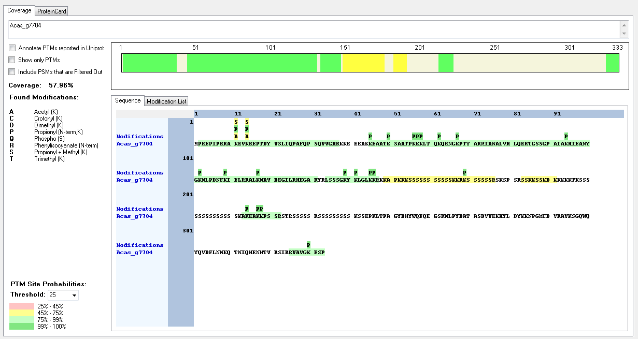
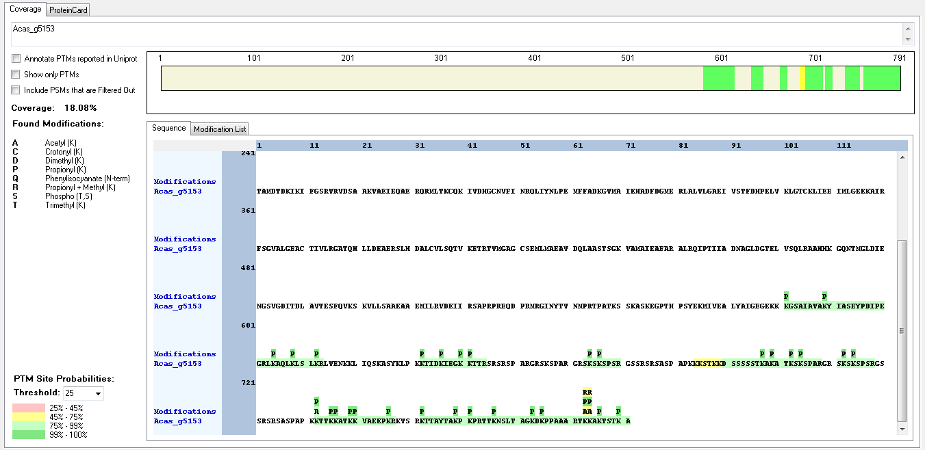
Protein ID | Peptide Sequence | Peptide position | Residue | Position in peptide | Positions in Protein | Modification | ptmRS: Best Site Probabilities
Acas_g5153 | [K].KTTKKATK.[K] | [732-739] | K | 1 | 732 | Acetyl | 82.26
Acas_g5153 | [K].KTTKKATK.[K] | [732-739] | T | 7 | 738 | Phospho | 99.2
Acas_g5153 | [K].KTTKKATK.[K] | [732-739] | K | 8 | 739 | Trimethyl | 76.69
Acas_g7704 | [R].RAKEVKREPTDYVSLIQPAFQPSQVVGHR.[K] | [9-37] | K | 3 | 11 | Acetyl | 50
Acas_g7704 | [R].RAKEVKREPTDYVSLIQPAFQPSQVVGHR.[K] | [9-37] | K | 3 | 11 | Methyl | 50
Acas_g7704 | [R].RAKEVKREPTDYVSLIQPAFQPSQVVGHR.[K] | [9-37] | K | 6 | 14 | Acetyl | 50
Acas_g7704 | [R].RAKEVKREPTDYVSLIQPAFQPSQVVGHR.[K] | [9-37] | K | 6 | 14 | Methyl | 50
Acas_g7704 | [K].SAATPKKKLTQKQR.[N] | [51-64] | K | 6 | 56 | Acetyl | 64.72
Acas_g7704 | [K].SAATPKKKLTQKQR.[N] | [51-64] | K | 8 | 58 | Methyl | 64.72
Acas_g7704 | [R].SSKKSSKDK.[K] | [183-191] | K | 4 | 186 | Trimethyl | 99
Acas_g7704 | [R].SSKKSSKDK.[K] | [183-191] | S | 6 | 188 | Phospho | 50.04
Acas_g7704 | [R].SSKKSSKDK.[K] | [183-191] | K | 9 | 191 | Trimethyl | 99.31

Capsaspora_owczarzaki
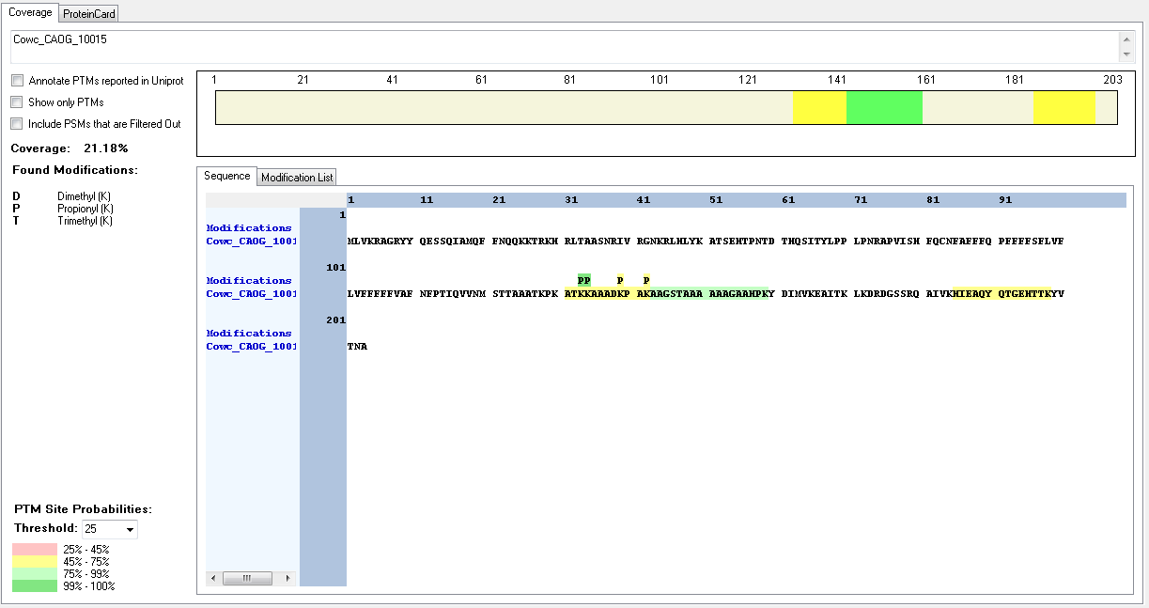
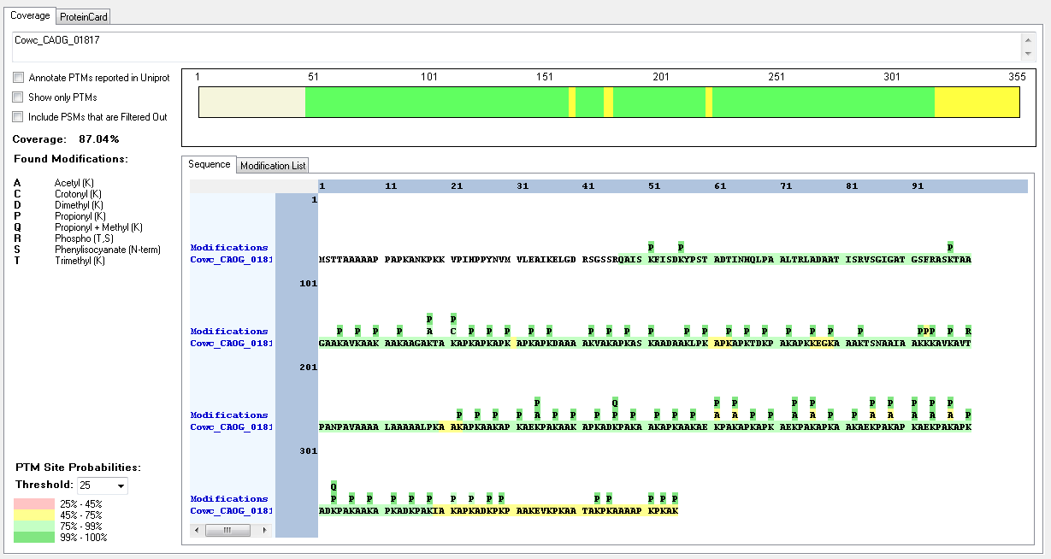
Protein ID | Peptide Sequence | Peptide position | Residue | Position in peptide | Positions in Protein | Modification | ptmRS: Best Site Probabilities
Cowc_CAOG_01817 | [K].AAGAKTAKAPKAPK.[A] | [114-127] | K | 5 | 118 | Acetyl | 92.7
Cowc_CAOG_01817 | [K].AAGAKTAKAPKAPK.[A] | [114-127] | K | 8 | 121 | Crotonyl | 92.7
Cowc_CAOG_01817 | [K].KAVKAVTPANPAVAAAALAAAAALPK.[A] | [194-219] | K | 1 | 194 | Methyl | 93.35
Cowc_CAOG_01817 | [K].KAVKAVTPANPAVAAAALAAAAALPK.[A] | [194-219] | K | 4 | 197 | Acetyl | 93.35
Cowc_CAOG_01817 | [K].KKAVKAVTPANPAVAAAALAAAAALPK.[A] | [193-219] | K | 5 | 197 | Trimethyl | 88.22
Cowc_CAOG_01817 | [K].KKAVKAVTPANPAVAAAALAAAAALPK.[A] | [193-219] | T | 8 | 200 | Phospho | 100
Cowc_CAOG_01817 | [K].KKAVKAVTPANPAVAAAALAAAAALPK.[A] | [193-219] | K | 27 | 219 | Methyl | 99.92
Cowc_CAOG_01817 | [K].AEKPAKAAKAPK.[A] | [232-243] | K | 3 | 234 | Acetyl | 100
Cowc_CAOG_01817 | [K].AEKPAKAPKAEKPAK.[A] | [283-297] | K | 9 | 291 | Acetyl | 99.96
Cowc_CAOG_01817 | [K].AEKPAKAPKAEKPAK.[A] | [283-297] | K | 12 | 294 | Acetyl | 100
Cowc_CAOG_01817 | [K].APKAEKPAK.[A] | [229-237]; [268-276]; [289-297] | K | 6 | 234; 501; 789 | Acetyl | 99.9
Cowc_CAOG_01817 | [K].ADKPAKAAKAPK.[A] | [244-255]; [301-312] | K | 3 | 246; 303 | Methyl | 100
Cowc_CAOG_01817 | [K].APKADKPAK.[AI] | [241-249]; [298-306]; [310-318] | K | 6 | 246; 303; 315 | Methyl | 99.95
Cowc_CAOG_01817 | [K].APKAEKPAKAPK.[A] | [268-279]; [289-300] | K | 6 | 273; 294 | Acetyl | 100
Cowc_CAOG_01817 | [K].APKAEKPAKAPK.[A] | [268-279]; [289-300] | K | 9 | 276; 297 | Acetyl | 50
Cowc_CAOG_10015 | [K].KAAADKPAK.[A] | [134-142] | K | 6 | 139 | Dimethyl | 100
Cowc_CAOG_10015 | [K].KAAADKPAK.[A] | [134-142] | K | 6 | 139 | Trimethyl | 50
Cowc_CAOG_10015 | [K].KAAADKPAK.[A] | [134-142] | K | 9 | 143 | Dimethyl | 100
Cowc_CAOG_10015 | [K].KAAADKPAK.[A] | [134-142] | K | 9 | 143 | Trimethyl | 50

