homo
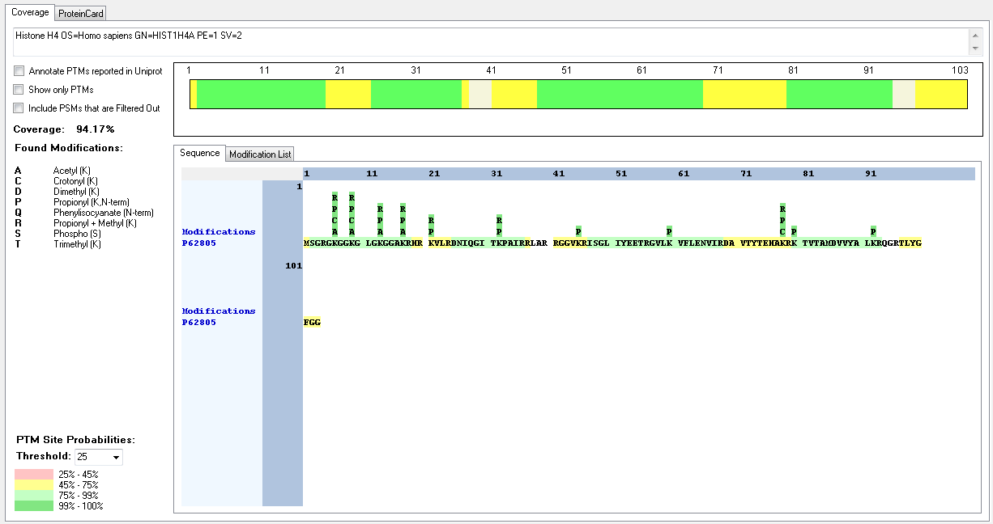
Protein ID | Peptide Sequence | Peptide position | Residue | Position in peptide | Positions in Protein | Modification | ptmRS: Best Site Probabilities
P62805 | [M].SGRGKGGKGLGKGGAKR.[H] | [2-18] | S | 1 | 2 | Phospho | 100
P62805 | [M].SGRGKGGKGLGKGGAKR.[H] | [2-18] | K | 5 | 6 | Acetyl | 100
P62805 | [M].SGRGKGGKGLGKGGAKR.[H] | [2-18] | K | 5 | 6 | Crotonyl | 100
P62805 | [M].SGRGKGGKGLGKGGAKR.[H] | [2-18] | K | 5 | 6 | Methyl | 100
P62805 | [M].SGRGKGGKGLGKGGAKR.[H] | [2-18] | K | 8 | 9 | Acetyl | 100
P62805 | [-].MSGRGKGGKGLGKGGAKR.[H] | [1-18] | K | 9 | 9 | Crotonyl | 100
P62805 | [M].SGRGKGGKGLGKGGAKR.[H] | [2-18] | K | 8 | 9 | Methyl | 99.52
P62805 | [K].GGKGLGKGGAKR.[H] | [7-18] | K | 7 | 13 | Acetyl | 100
P62805 | [M].SGRGKGGKGLGKGGAKR.[H] | [2-18] | K | 16 | 17 | Acetyl | 100
P62805 | [R].GKGGKGLGKGGAKR.[H] | [5-18] | K | 13 | 17 | Methyl | 100
P62805 | [R].DNIQGITKPAIR.[R] | [25-36] | K | 8 | 32 | Methyl | 100

