Sheet1
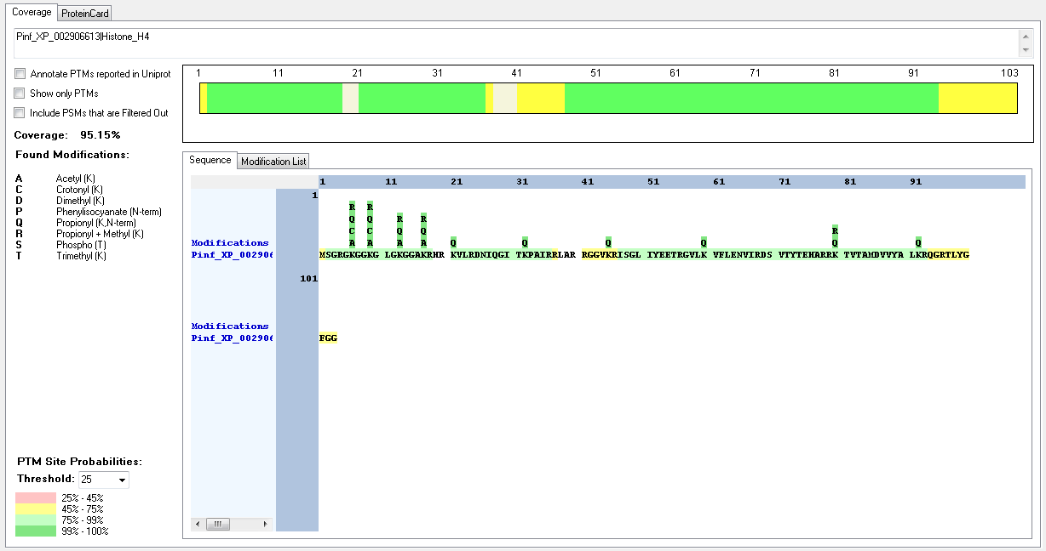
Protein ID | Peptide Sequence | Peptide position | Residue | Position in peptide | Positions in Protein | Modification | ptmRS: Best Site Probabilities
Pinf_XP_002906613|Histone_H4 | [M].SGRGKGGKGLGKGGAKR.[H] | [2-18] | K | 5 | 6 | Acetyl | 100
Pinf_XP_002906613|Histone_H4 | [R].GKGGKGLGKGGAKR.[H] | [5-18] | K | 2 | 6 | Crotonyl | 100
Pinf_XP_002906613|Histone_H4 | [M].SGRGKGGKGLGKGGAKR.[H] | [2-18] | K | 5 | 6 | Methyl | 100
Pinf_XP_002906613|Histone_H4 | [M].SGRGKGGKGLGKGGAKR.[H] | [2-18] | K | 8 | 9 | Acetyl | 100
Pinf_XP_002906613|Histone_H4 | [-].MSGRGKGGKGLGKGGAKR.[H] | [1-18] | K | 9 | 9 | Crotonyl | 100
Pinf_XP_002906613|Histone_H4 | [R].GKGGKGLGKGGAKR.[H] | [5-18] | K | 5 | 9 | Methyl | 100
Pinf_XP_002906613|Histone_H4 | [M].SGRGKGGKGLGKGGAKR.[H] | [2-18] | K | 12 | 13 | Acetyl | 100
Pinf_XP_002906613|Histone_H4 | [R].GKGGKGLGKGGAKR.[H] | [5-18] | K | 9 | 13 | Methyl | 94.54
Pinf_XP_002906613|Histone_H4 | [M].SGRGKGGKGLGKGGAKR.[H] | [2-18] | K | 16 | 17 | Acetyl | 100
Pinf_XP_002906613|Histone_H4 | [R].GKGGKGLGKGGAKR.[H] | [5-18] | K | 13 | 17 | Methyl | 99.99
Pinf_XP_002906613|Histone_H4 | [R].KTVTAMDVVYALKR.[Q] | [80-93] | K | 1 | 80 | Dimethyl | 100
Pinf_XP_002906613|Histone_H4 | [R].RKTVTAMDVVYALKR.[Q] | [79-93] | K | 2 | 80 | Methyl | 100
Pinf_XP_002906613|Histone_H4 | [R].KTVTAMDVVYALKR.[Q] | [80-93] | T | 2 | 81 | Phospho | 99.77

