Acanthamoeba_castellanii
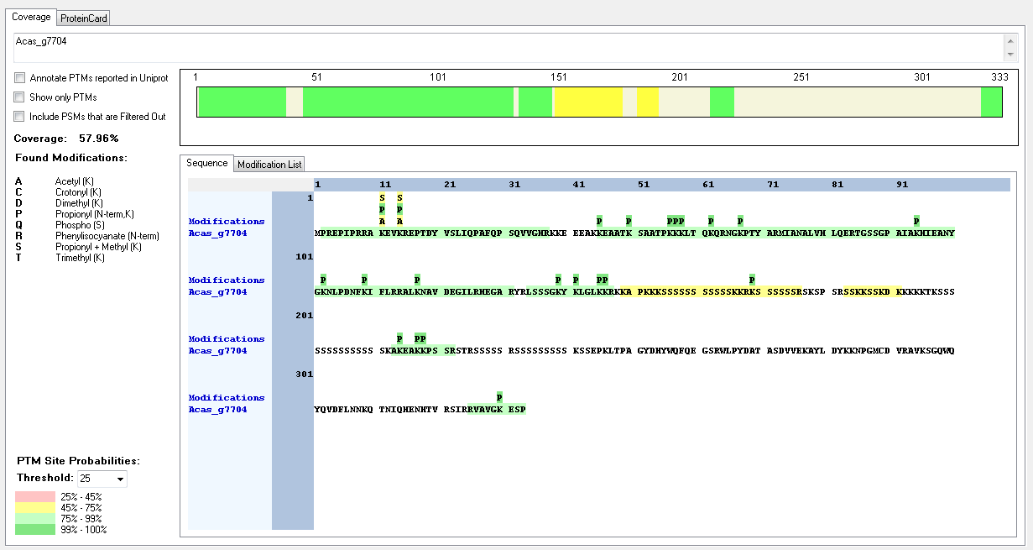
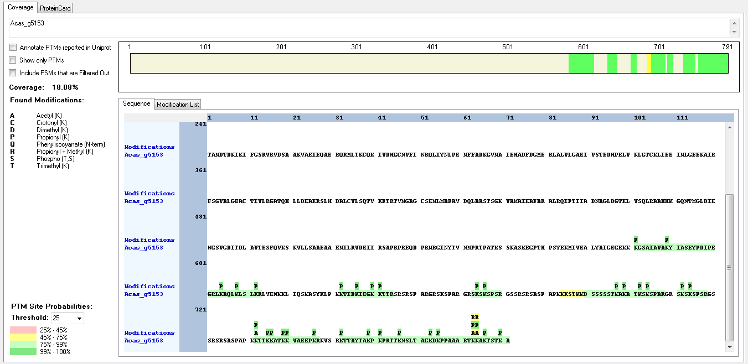
Protein ID | Peptide Sequence | Peptide position | Residue | Position in peptide | Positions in Protein | Modification | ptmRS: Best Site Probabilities
Acas_g5153 | [K].KTTKKATK.[K] | [732-739] | K | 1 | 732 | Acetyl | 82.26
Acas_g5153 | [K].KTTKKATK.[K] | [732-739] | T | 7 | 738 | Phospho | 99.2
Acas_g5153 | [K].KTTKKATK.[K] | [732-739] | K | 8 | 739 | Trimethyl | 76.69
Acas_g7704 | [R].RAKEVKREPTDYVSLIQPAFQPSQVVGHR.[K] | [9-37] | K | 3 | 11 | Acetyl | 50
Acas_g7704 | [R].RAKEVKREPTDYVSLIQPAFQPSQVVGHR.[K] | [9-37] | K | 3 | 11 | Methyl | 50
Acas_g7704 | [R].RAKEVKREPTDYVSLIQPAFQPSQVVGHR.[K] | [9-37] | K | 6 | 14 | Acetyl | 50
Acas_g7704 | [R].RAKEVKREPTDYVSLIQPAFQPSQVVGHR.[K] | [9-37] | K | 6 | 14 | Methyl | 50
Acas_g7704 | [K].SAATPKKKLTQKQR.[N] | [51-64] | K | 6 | 56 | Acetyl | 64.72
Acas_g7704 | [K].SAATPKKKLTQKQR.[N] | [51-64] | K | 8 | 58 | Methyl | 64.72
Acas_g7704 | [R].SSKKSSKDK.[K] | [183-191] | K | 4 | 186 | Trimethyl | 99
Acas_g7704 | [R].SSKKSSKDK.[K] | [183-191] | S | 6 | 188 | Phospho | 50.04
Acas_g7704 | [R].SSKKSSKDK.[K] | [183-191] | K | 9 | 191 | Trimethyl | 99.31

Bigelowiella_natans
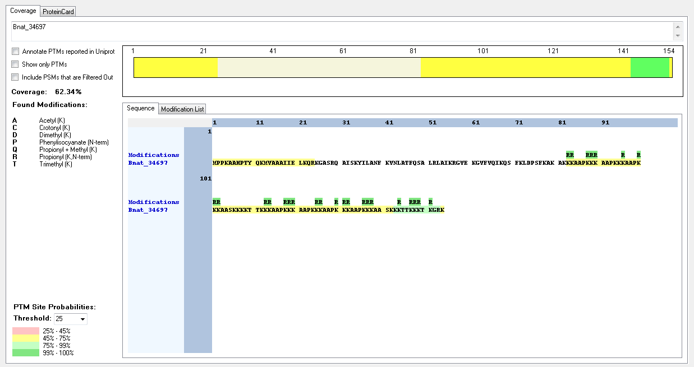
Protein ID | Peptide Sequence | Peptide position | Residue | Position in peptide | Positions in Protein | Modification | ptmRS: Best Site Probabilities
Bnat_34697 | IDENTIFIED BUT NO MODIFICATIONS FOUND

Capsaspora_owczarzaki
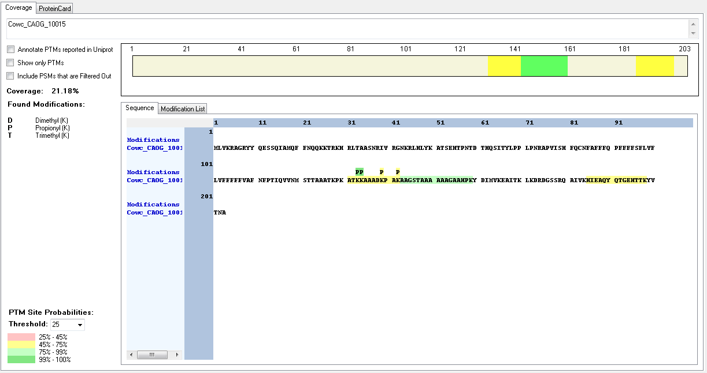
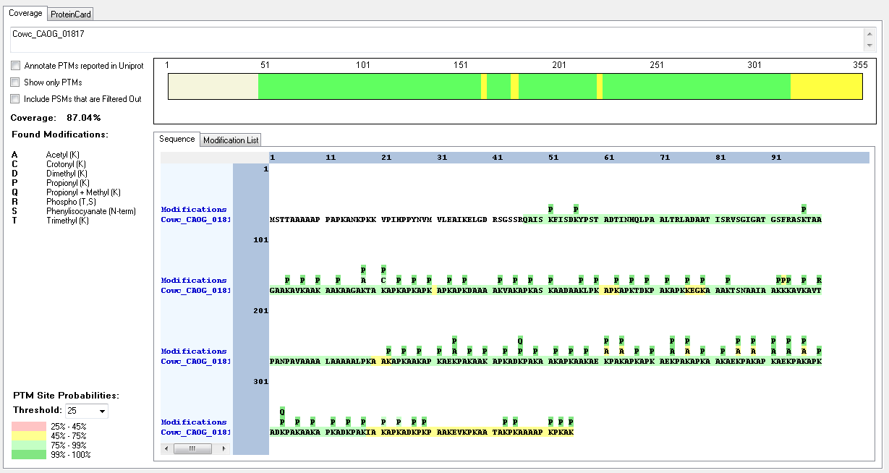
Protein ID | Peptide Sequence | Peptide position | Residue | Position in peptide | Positions in Protein | Modification | ptmRS: Best Site Probabilities
Cowc_CAOG_01817 | [K].AAGAKTAKAPKAPK.[A] | [114-127] | K | 5 | 118 | Acetyl | 92.7
Cowc_CAOG_01817 | [K].AAGAKTAKAPKAPK.[A] | [114-127] | K | 8 | 121 | Crotonyl | 92.7
Cowc_CAOG_01817 | [K].KAVKAVTPANPAVAAAALAAAAALPK.[A] | [194-219] | K | 1 | 194 | Methyl | 93.35
Cowc_CAOG_01817 | [K].KAVKAVTPANPAVAAAALAAAAALPK.[A] | [194-219] | K | 4 | 197 | Acetyl | 93.35
Cowc_CAOG_01817 | [K].KKAVKAVTPANPAVAAAALAAAAALPK.[A] | [193-219] | K | 5 | 197 | Trimethyl | 88.22
Cowc_CAOG_01817 | [K].KKAVKAVTPANPAVAAAALAAAAALPK.[A] | [193-219] | T | 8 | 200 | Phospho | 100
Cowc_CAOG_01817 | [K].KKAVKAVTPANPAVAAAALAAAAALPK.[A] | [193-219] | K | 27 | 219 | Methyl | 99.92
Cowc_CAOG_01817 | [K].AEKPAKAAKAPK.[A] | [232-243] | K | 3 | 234 | Acetyl | 100
Cowc_CAOG_01817 | [K].AEKPAKAPKAEKPAK.[A] | [283-297] | K | 9 | 291 | Acetyl | 99.96
Cowc_CAOG_01817 | [K].AEKPAKAPKAEKPAK.[A] | [283-297] | K | 12 | 294 | Acetyl | 100
Cowc_CAOG_01817 | [K].APKAEKPAK.[A] | [229-237]; [268-276]; [289-297] | K | 6 | 234; 501; 789 | Acetyl | 99.9
Cowc_CAOG_01817 | [K].ADKPAKAAKAPK.[A] | [244-255]; [301-312] | K | 3 | 246; 303 | Methyl | 100
Cowc_CAOG_01817 | [K].APKADKPAK.[AI] | [241-249]; [298-306]; [310-318] | K | 6 | 246; 303; 315 | Methyl | 99.95
Cowc_CAOG_01817 | [K].APKAEKPAKAPK.[A] | [268-279]; [289-300] | K | 6 | 273; 294 | Acetyl | 100
Cowc_CAOG_01817 | [K].APKAEKPAKAPK.[A] | [268-279]; [289-300] | K | 9 | 276; 297 | Acetyl | 50
Cowc_CAOG_10015 | [K].KAAADKPAK.[A] | [134-142] | K | 6 | 139 | Dimethyl | 100
Cowc_CAOG_10015 | [K].KAAADKPAK.[A] | [134-142] | K | 6 | 139 | Trimethyl | 50
Cowc_CAOG_10015 | [K].KAAADKPAK.[A] | [134-142] | K | 9 | 143 | Dimethyl | 100
Cowc_CAOG_10015 | [K].KAAADKPAK.[A] | [134-142] | K | 9 | 143 | Trimethyl | 50

Creolimax_fragrantissima
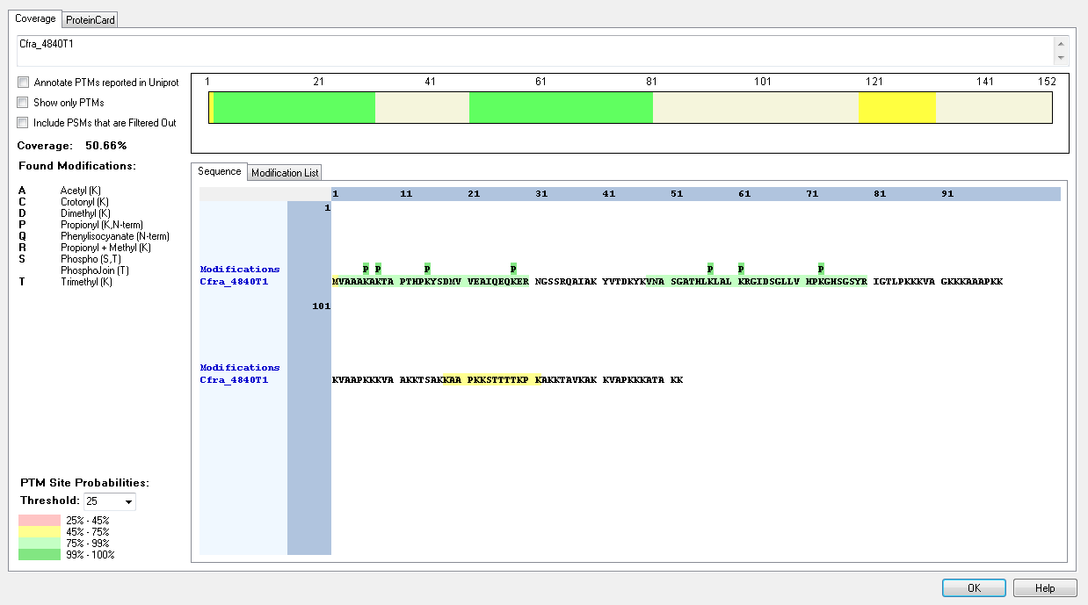
Protein ID | Peptide Sequence | Peptide position | Residue | Position in peptide | Positions in Protein | Modification | ptmRS: Best Site Probabilities
Cfra_4840T1 | [-].MVAAAKAKTAPTHPKYSDMVVEAIQEQKER.[N] | [1-30] | K | 6 | 6 | Trimethyl | 99.25
Cfra_4840T1 | [-].MVAAAKAKTAPTHPKYSDMVVEAIQEQKER.[N] | [1-30] | K | 8 | 8 | Trimethyl | 97.32
Cfra_4840T1 | [M].VAAAKAKTAPTHPKYSDMVVEAIQEQKER.[N] | [2-30] | T | 8 | 9 | Phospho | 97.94
Cfra_4840T1 | [M].VAAAKAKTAPTHPKYSDMVVEAIQEQKER.[N] | [2-30] | T | 11 | 12 | Phospho | 81.74
Cfra_4840T1 | [M].VAAAKAKTAPTHPKYSDMVVEAIQEQKER.[N] | [2-30] | K | 14 | 15 | Crotonyl | 98.54
Cfra_4840T1 | [M].VAAAKAKTAPTHPKYSDMVVEAIQEQKER.[N] | [2-30] | S | 16 | 17 | Phospho | 95.59
Cfra_4840T1 | [K].KAAPKKSTTTTKPK.[A] | [118-131] | K | 1 | 118 | Trimethyl | 99.27
Cfra_4840T1 | [K].KAAPKKSTTTTKPK.[A] | [118-131] | K | 5 | 122 | Trimethyl | 88.93
Cfra_4840T1 | [K].KAAPKKSTTTTKPK.[A] | [118-131] | S | 7 | 124 | Phospho | 63.41
Cfra_4840T2 | [K].KAAPKKSTTTTKPK.[A] | [118-131] | K | 14 | 131 | Trimethyl | 91.51

Homo_sapiens
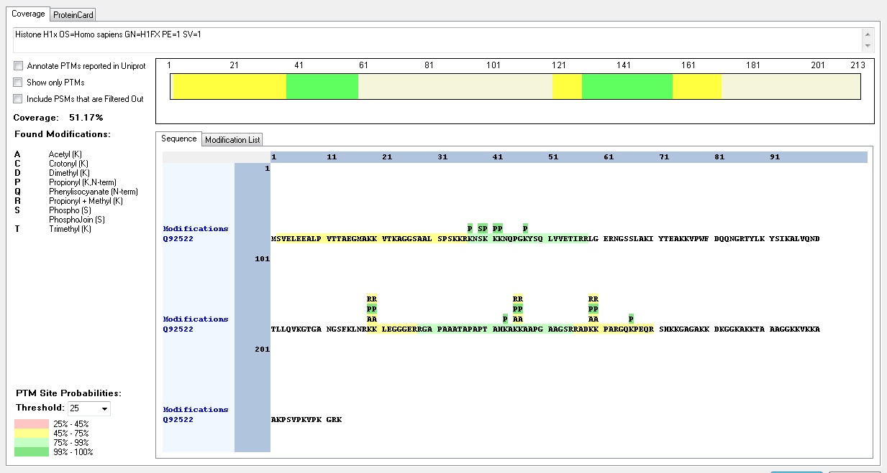
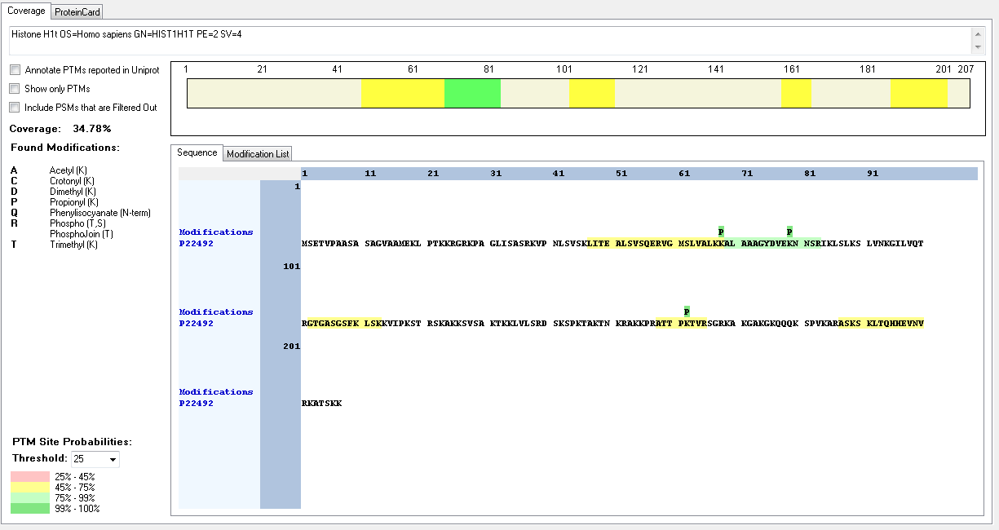
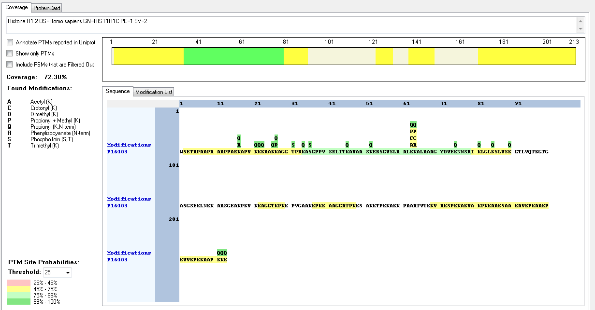
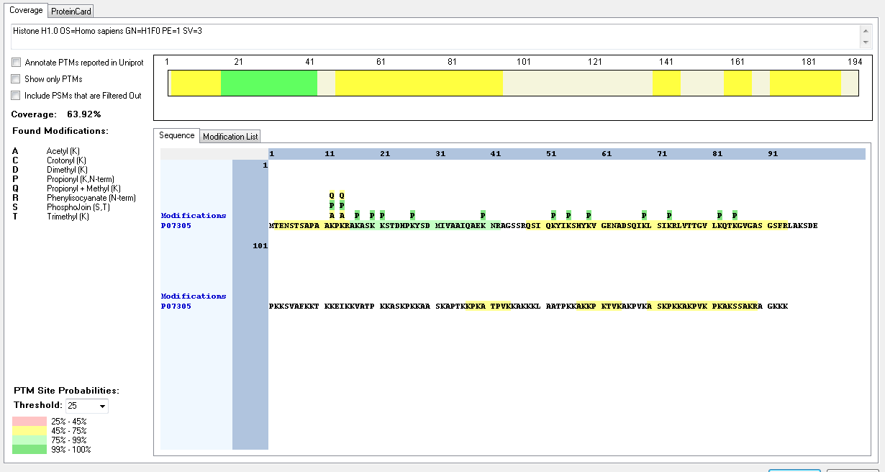
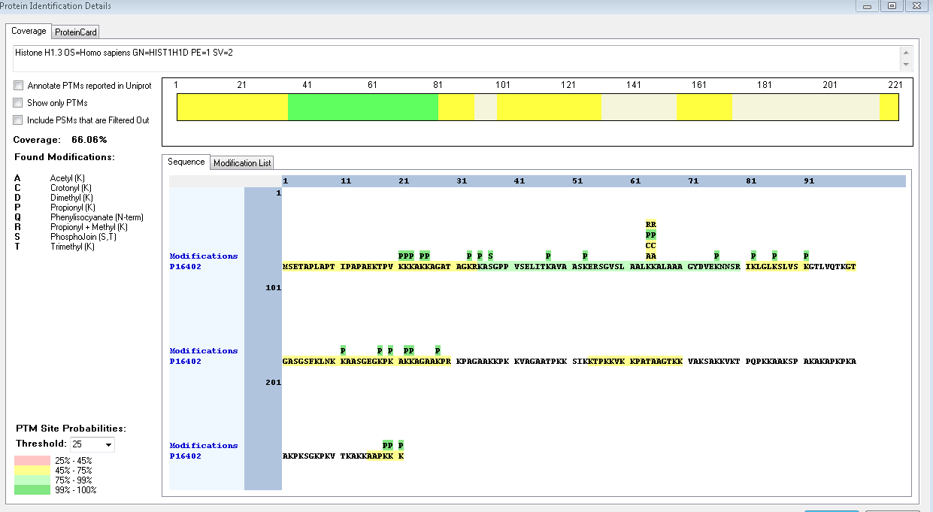
Protein ID | Peptide Sequence | Peptide position | Residue | Position in peptide | Positions in Protein | Modification | ptmRS: Best Site Probabilities
P16402 | [K].KAGATAGKRKASGPPVSELITKAVAASKER.[S] | [26-55] | K | 1 | 26 | Acetyl | 98.79
P16402 | [K].KAGATAGKRKASGPPVSELITKAVAASKER.[S] | [26-55] | K | 8 | 33 | Methyl | 50.42
P16402 | [K].AGATAGKRKASGPPVSELITKAVAASKER.[S] | [27-55] | K | 9 | 35 | Trimethyl | 73.21
P16402 | [R].KASGPPVSELITKAVAASKER.[S] | [35-55] | S | 3 | 37 | Phospho | 100
P16402 | [R].SGVSLAALKKALAAAGYDVEKNNSR.[I] | [56-80] | K | 9 | 64 | Methyl | 99.41
P16402 | [R].SGVSLAALKKALAAAGYDVEKNNSR.[I] | [56-80] | K | 10 | 65 | Acetyl | 99.41
P16402 | [R].SGVSLAALKKALAAAGYDVEKNNSR.[I] | [56-80] | K | 10 | 65 | Trimethyl | 99.38
P16402 | [R].SGVSLAALKKALAAAGYDVEKNNSR.[I] | [56-80] | K | 21 | 76 | Methyl | 99.99
Q02539 | [R].GGVSLAALKKALAAAGYDVEKNNSR.[I] | [58-82] | S | 4 | 61 | Phospho | 99.99
Q02539 | [R].GGVSLAALKKALAAAGYDVEKNNSR.[I] | [58-82] | K | 9 | 66 | Dimethyl | 92.04
Q02539 | [R].GGVSLAALKKALAAAGYDVEKNNSR.[I] | [58-82] | K | 9 | 66 | Trimethyl | 99.57
Q02539 | [R].GGVSLAALKKALAAAGYDVEKNNSR.[I] | [58-82] | K | 10 | 67 | Trimethyl | 99.57
Q02539 | [K].KATGASKKSVK.[T] | [141-151] | K | 8 | 148 | Trimethyl | 69.52
Q02539 | [K].KATGASKKSVK.[T] | [141-151] | S | 9 | 149 | Phospho | 79.59
Q02539 | [K].KATGASKKSVK.[T] | [141-151] | K | 11 | 151 | Dimethyl | 98.28
P10412 | [M].SETAPAAPAAPAPAEKTPVKKKAR.[K] | [2-25] | K | 20 | 21 | Acetyl | 99.99
P10412 | [M].SETAPAAPAAPAPAEKTPVKKKAR.[K] | [2-25] | K | 21 | 22 | Methyl | 95.38
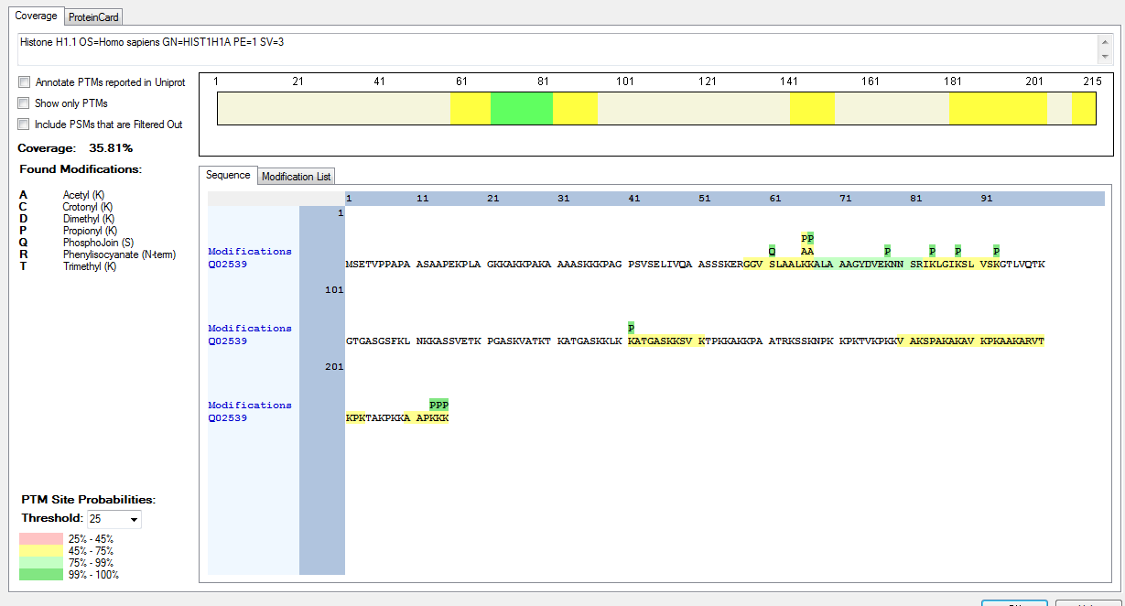
P10412 | [M].SETAPAAPAAPAPAEKTPVKKKAR.[K] | [2-25] | K | 22 | 23 | Methyl | 88.41
P10412 | [R].KSAGAAKRKASGPPVSELITKAVAASKER.[S] | [26-54] | K | 1 | 26 | Acetyl | 99.99
P10412 | [R].KSAGAAKR.[K] | [26-33] | K | 1 | 26 | Methyl | 100
P10412 | [R].KSAGAAKR.[K] | [26-33] | S | 2 | 27 | Phospho | 100
P10412 | [R].KSAGAAKRKASGPPVSELITKAVAASKER.[S] | [26-54] | K | 7 | 32 | Methyl | 100
P10412 | [R].KSAGAAKRKASGPPVSELITKAVAASKER.[S] | [26-54] | K | 9 | 34 | Methyl | 100
P10412 | [R].SGVSLAALKKALAAAGYDVEKNNSR.[I] | [55-79] | K | 9 | 63 | Methyl | 99.41
P10412 | [R].SGVSLAALKKALAAAGYDVEKNNSR.[I] | [55-79] | K | 10 | 64 | Acetyl | 99.41
P10412 | [R].SGVSLAALKKALAAAGYDVEKNNSR.[I] | [55-79] | K | 10 | 64 | Trimethyl | 99.38
P10412 | [R].SGVSLAALKKALAAAGYDVEKNNSR.[I] | [55-79] | K | 21 | 75 | Methyl | 99.99
P10412 | [K].ATGAATPKKSAK.[K] | [141-152] | K | 8 | 148 | Crotonyl | 99.72
P10412 | [K].ATGAATPKKSAK.[K] | [141-152] | S | 10 | 150 | Phospho | 99.7
P10412 | [K].ATGAATPKKSAK.[K] | [141-152] | K | 12 | 152 | Crotonyl | 99
P16401 | [K].KAAGAGAAK.[R] | [27-35] | K | 9 | 35 | Dimethyl | 100
P16401 | [K].RKATGPPVSELITKAVAASKER.[N] | [36-57] | K | 2 | 37 | Acetyl | 100
P16401 | [R].KATGPPVSELITKAVAASKER.[N] | [37-57] | K | 1 | 37 | Crotonyl | 100
P16401 | [R].KATGPPVSELITKAVAASKER.[N] | [37-57] | K | 1 | 37 | Trimethyl | 100
P16401 | [R].KATGPPVSELITKAVAASKER.[N] | [37-57] | T | 3 | 39 | Phospho | 100
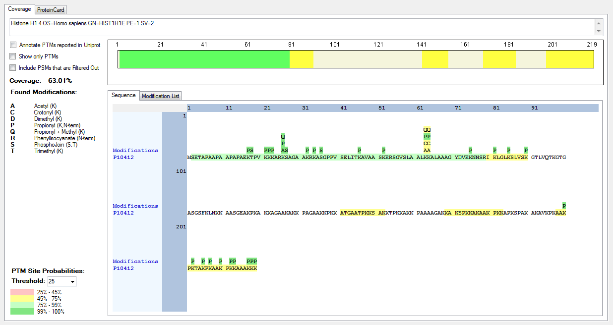
P16401 | [R].KATGPPVSELITKAVAASKER.[N] | [37-57] | T | 12 | 48 | Phospho | 100
Q92522 | [M].SVELEEALPVTTAEGMAKKVTKAGGSAALSPSKKR.[K] | [2-36] | K | 18 | 19 | Acetyl | 98.06
Q92522 | [M].SVELEEALPVTTAEGMAKKVTKAGGSAALSPSKKR.[K] | [2-36] | S | 30 | 31 | Phospho | 99.66
Q92522 | [R].KNSKKKNQPGKYSQLVVETIR.[R] | [37-57] | K | 1 | 37 | Methyl | 99.98
Q92522 | [R].KNSKKKNQPGKYSQLVVETIR.[R] | [37-57] | S | 3 | 39 | Phospho | 99.97
Q92522 | [R].KNSKKKNQPGKYSQLVVETIR.[R] | [37-57] | K | 4 | 40 | Methyl | 99.98
Q92522 | [R].KNSKKKNQPGKYSQLVVETIR.[R] | [37-57] | K | 5 | 41 | Methyl | 99.98
Q92522 | [R].KNSKKKNQPGKYSQLVVETIR.[R] | [37-57] | K | 6 | 42 | Acetyl | 97.82
Q92522 | [R].KNSKKKNQPGKYSQLVVETIR.[R] | [37-57] | K | 6 | 42 | Methyl | 99.98
Q92522 | [R].RADKKPAR.[G] | [156-163] | K | 4 | 159 | Acetyl | 50
Q92522 | [R].RADKKPAR.[G] | [156-163] | K | 4 | 159 | Methyl | 50
Q92522 | [R].RADKKPAR.[G] | [156-163] | K | 5 | 160 | Acetyl | 50
Q92522 | [R].RADKKPAR.[G] | [156-163] | K | 5 | 160 | Methyl | 50
P22492 | [R].GTGASGSFKLSK.[K] | [102-113] | T | 2 | 103 | Phospho | 99.84
P22492 | [R].GTGASGSFKLSK.[K] | [102-113] | K | 9 | 110 | Dimethyl | 99.84
P22492 | [R].GTGASGSFKLSK.[K] | [102-113] | K | 12 | 113 | Dimethyl | 99.84
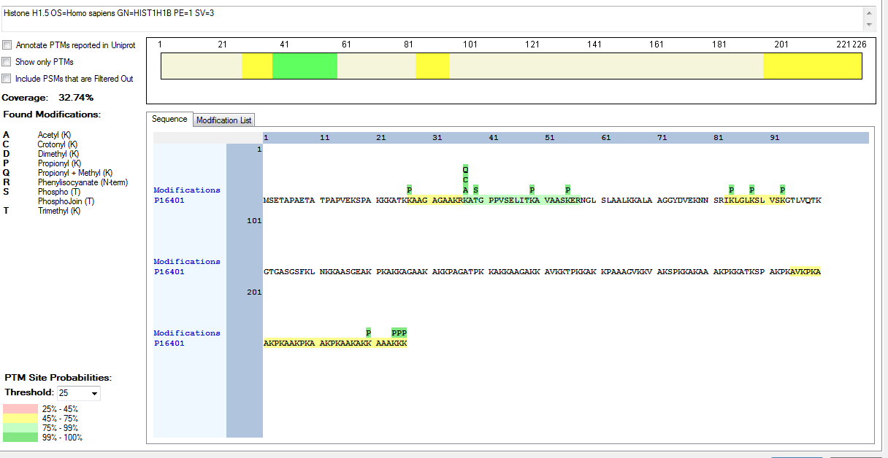
P16403 | [M].SETAPAAPAAAPPAEKAPVKKKAAKKAGGTPR.[K] | [2-33] | K | 16 | 17 | Acetyl | 100
P16403 | [M].SETAPAAPAAAPPAEKAPVKKKAAKKAGGTPR.[K] | [2-33] | K | 20 | 21 | Acetyl | 99.75
P16403 | [K].APVKKKAAKKAGGTPR.[K] | [18-33] | K | 5 | 22 | Acetyl | 86.57
P16403 | [K].APVKKKAAKKAGGTPR.[K] | [18-33] | K | 6 | 22 | Methyl | 83.39
P16403 | [K].KAGGTPR.[K] | [27-33] | K | 1 | 27 | Methyl | 27
P16403 | [M].SETAPAAPAAAPPAEKAPVKKKAAKKAGGTPR.[K] | [2-33] | T | 30 | 31 | Phospho | 100
P16403 | [R].KASGPPVSELITKAVAASKER.[S] | [34-54] | S | 3 | 36 | Phospho | 100
P16403 | [R].SGVSLAALKKALAAAGYDVEKNNSR.[I] | [55-79] | K | 9 | 63 | Methyl | 99.41
P16403 | [R].SGVSLAALKKALAAAGYDVEKNNSR.[I] | [55-79] | K | 10 | 64 | Acetyl | 99.41
P16403 | [R].SGVSLAALKKALAAAGYDVEKNNSR.[I] | [55-79] | K | 10 | 64 | Trimethyl | 99.38
P16403 | [K].KAGGTKPK.[K] | [122-129] | K | 1 | 122 | Dimethyl | 100
P16403 | [K].KAGGTKPK.[K] | [122-129] | K | 6 | 127 | Acetyl | 98.77
P16403 | [K].KAGGTKPK.[K] | [122-129] | K | 8 | 129 | Dimethyl | 98.77
P07305 | [K].RAKASKKSTDHPKYSDMIVAAIQAEKNR.[A] | [15-42] | S | 5 | 19 | Phospho | 77.51
P07305 | [R].AKASKKSTDHPKYSDMIVAAIQAEKNR.[A] | [16-42] | K | 6 | 21 | Methyl | 91.55
P07305 | [R].AKASKKSTDHPKYSDMIVAAIQAEKNR.[A] | [16-42] | K | 12 | 27 | Acetyl | 91.55
P07305 | [K].RAKASKKSTDHPKYSDMIVAAIQAEKNR.[A] | [15-42] | K | 13 | 27 | Crotonyl | 99.88
P07305 | [K].ASKPKKAKPVKPKAKSSAKR.[A] | [170-189] | K | 5 | 174 | Acetyl | 90.95

Phytophthora infestans
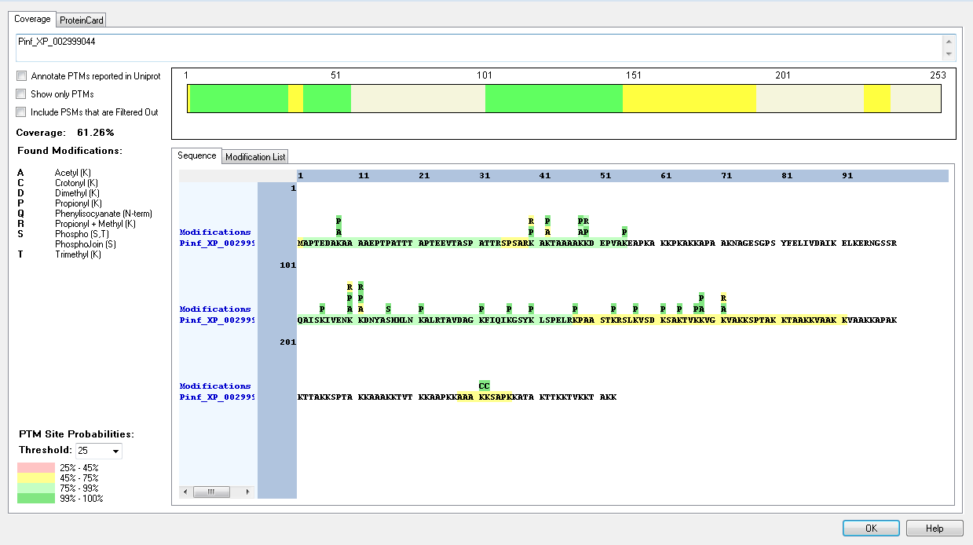
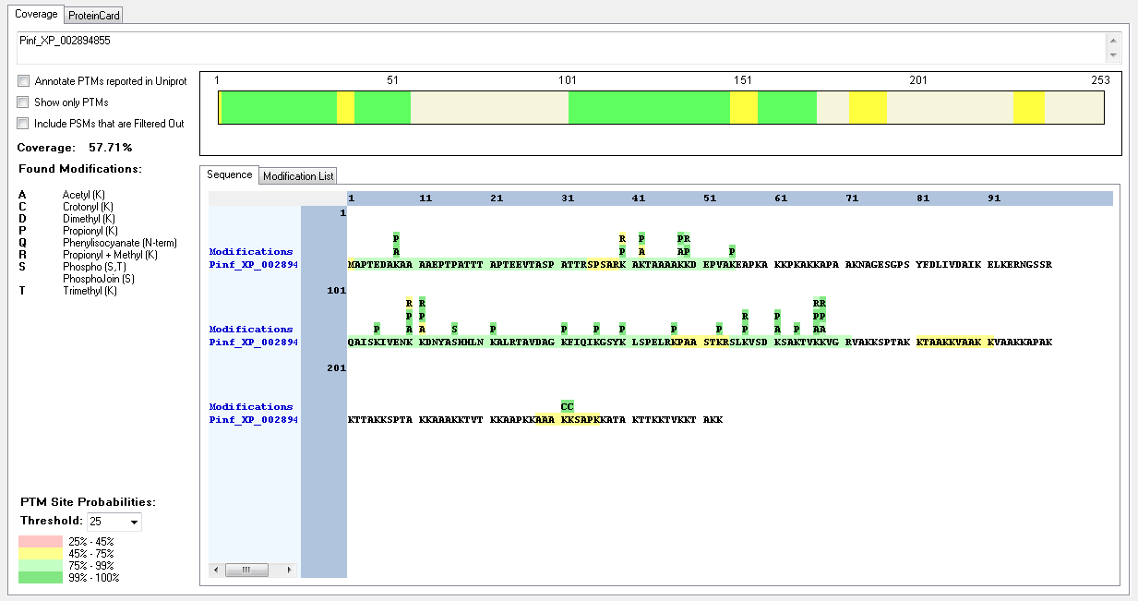
Protein ID | Peptide Sequence | Peptide position | Residue | Position in peptide | Positions in Protein | Modification | ptmRS: Best Site Probabilities
Pinf_XP_002894855 | [M].APTEDAKAAAAEPTPATTTAPTEEVTASPATTR.[S] | [2-34] | K | 7 | 8 | Acetyl | 100
Pinf_XP_002894855 | [M].APTEDAKAAAAEPTPATTTAPTEEVTASPATTR.[S] | [2-34] | S | 28 | 29 | Phospho | 97.21
Pinf_XP_002894855 | [R].QAISKIVENKKDNYASHHLNKALR.[T] | [101-124] | K | 21 | 121 | Trimethyl | 99.99
Pinf_XP_002894855 | [R].SLKVSDKSAKTVKKVGR.[V] | [155-171] | K | 13 | 167 | Acetyl | 99.82
Pinf_XP_002894855 | [R].SLKVSDKSAKTVKKVGR.[V] | [155-171] | K | 14 | 168 | Methyl | 99.82
Pinf_XP_002894855 | [K].KTAAKKVAAKK.[V] | [181-191] | T | 2 | 182 | Phospho | 100
Pinf_XP_002894855 | [K].KTAAKKVAAKK.[V] | [181-191] | K | 5 | 185 | Trimethyl | 51.37
Pinf_XP_002894855 | [K].KTAAKKVAAKK.[V] | [181-191] | K | 11 | 191 | Dimethyl | 61.73
Pinf_XP_002894855 | [K].AAAKKSAPK.[K] | [228-236] | K | 4 | 231 | Crotonyl | 100
Pinf_XP_002894855 | [K].AAAKKSAPK.[K] | [228-236] | K | 5 | 232 | Crotonyl | 100
Pinf_XP_002894855 | [K].AAAKKSAPK.[K] | [228-236] | S | 6 | 233 | Phospho | 100
Pinf_XP_002894855 | [K].AAAKKSAPK.[K] | [228-236] | K | 9 | 236 | Dimethyl | 100
Pinf_XP_002907205 | [M].PSAPSTKKANAGPGYYDLIKEAVFTLKER.[S] | [2-30] | K | 7 | 8 | Acetyl | 89.56
Pinf_XP_002907205 | [M].PSAPSTKK.[A] | [2-9] | K | 8 | 9 | Dimethyl | 99.27
Pinf_XP_002907205 | [K].KPAAKPVAKK.[A] | [88-97] | K | 1 | 88 | Crotonyl | 100
Pinf_XP_002907205 | [K].KPAAKPVAKK.[A] | [88-97] | K | 5 | 92 | Crotonyl | 100
Pinf_XP_002999044 | [M].APTEDAKAAAAEPTPATTTAPTEEVTASPATTR.[S] | [2-34] | K | 7 | 8 | Acetyl | 100
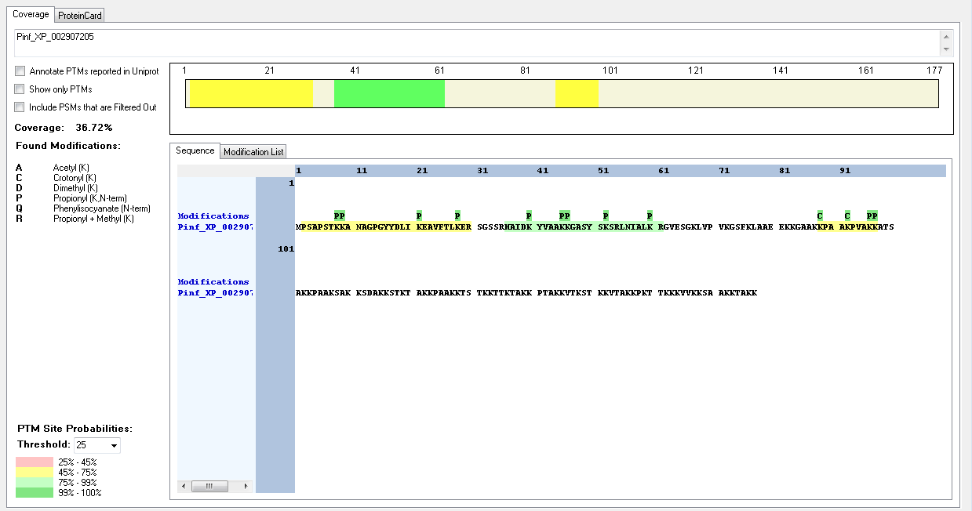
Pinf_XP_002999044 | [M].APTEDAKAAAAEPTPATTTAPTEEVTASPATTR.[S] | [2-34] | S | 28 | 29 | Phospho | 97.21
Pinf_XP_002999044 | [R].QAISKIVENKKDNYASHHLNKALR.[T] | [101-124] | S | 16 | 116 | Phospho | 100
Pinf_XP_002999044 | [R].QAISKIVENKKDNYASHHLNKALR.[T] | [101-124] | K | 21 | 121 | Trimethyl | 99.99
Pinf_XP_002999044 | [R].SLKVSDKSAKTVKKVGK.[V] | [155-171] | K | 10 | 164 | Trimethyl | 98.19
Pinf_XP_002999044 | [R].SLKVSDKSAKTVKKVGK.[V] | [155-171] | K | 13 | 167 | Trimethyl | 83.21
Pinf_XP_002999044 | [R].SLKVSDKSAKTVKKVGK.[V] | [155-171] | K | 14 | 168 | Acetyl | 99.31
Pinf_XP_002999044 | [R].SLKVSDKSAKTVKKVGK.[V] | [155-171] | K | 14 | 168 | Trimethyl | 83.68
Pinf_XP_002999044 | [R].SLKVSDKSAKTVKKVGK.[V] | [155-171] | K | 17 | 171 | Acetyl | 99.31
Pinf_XP_002999044 | [R].SLKVSDKSAKTVKKVGK.[V] | [155-171] | K | 17 | 171 | Dimethyl | 99.97
Pinf_XP_002999044 | [R].SLKVSDKSAKTVKKVGK.[V] | [155-171] | K | 17 | 171 | Methyl | 65.85
Pinf_XP_002999044 | [K].KTAAKKVAAKK.[V] | [181-191] | T | 2 | 182 | Phospho | 100
Pinf_XP_002999044 | [K].KTAAKKVAAKK.[V] | [181-191] | K | 5 | 185 | Trimethyl | 51.37
Pinf_XP_002999044 | [K].KTAAKKVAAKK.[V] | [181-191] | K | 11 | 191 | Dimethyl | 61.73
Pinf_XP_002999044 | [K].AAAKKSAPK.[K] | [228-236] | K | 4 | 231 | Crotonyl | 100
Pinf_XP_002999044 | [K].AAAKKSAPK.[K] | [228-236] | K | 5 | 232 | Crotonyl | 100
Pinf_XP_002999044 | [K].AAAKKSAPK.[K] | [228-236] | S | 6 | 233 | Phospho | 100
Pinf_XP_002999044 | [K].AAAKKSAPK.[K] | [228-236] | K | 9 | 236 | Dimethyl | 100

Physcomitrella_patens
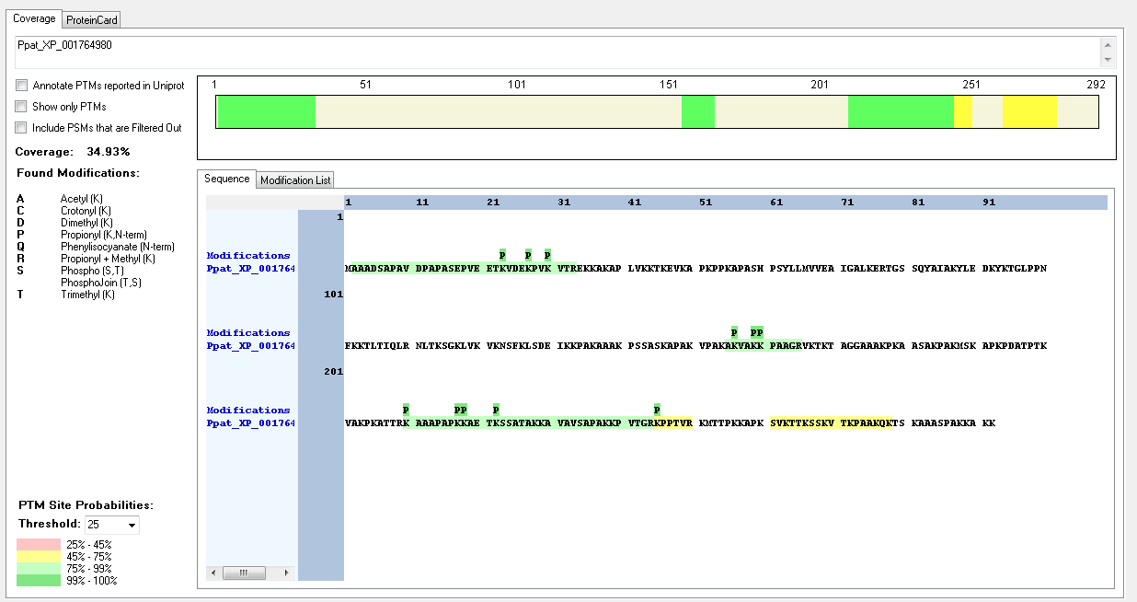
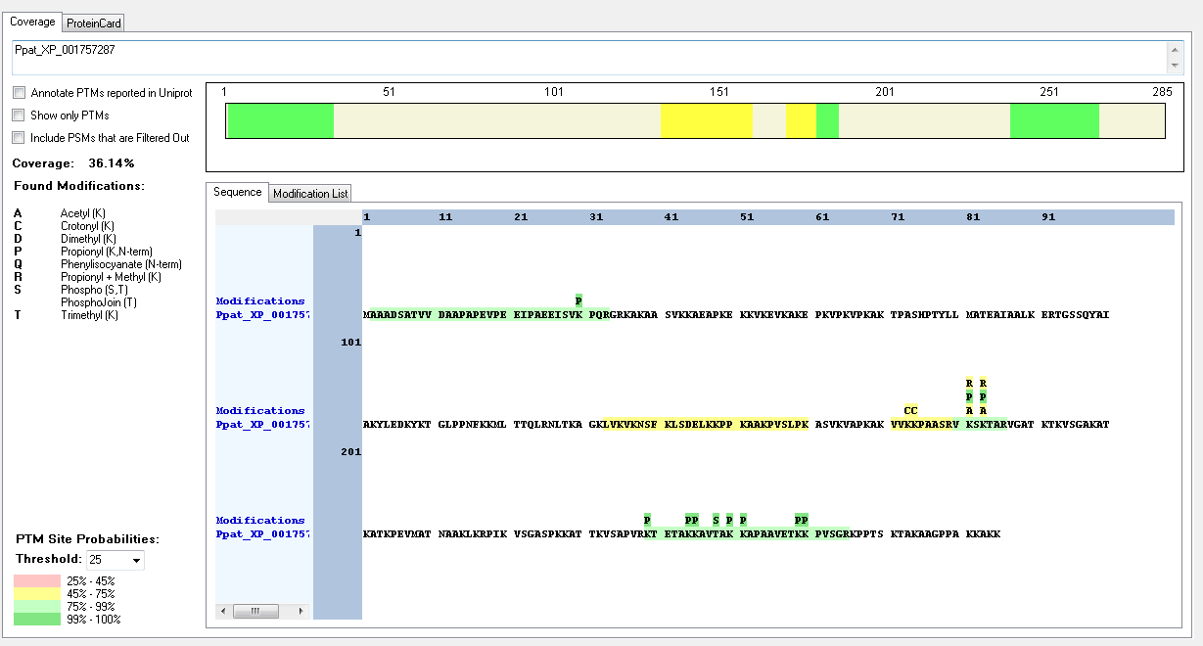
Protein ID | Peptide Sequence | Peptide position | Residue | Position in peptide | Positions in Protein | Modification | ptmRS: Best Site Probabilities
Ppat_XP_001757287 | [K].VVKKPAASRVKSKTAR.[V] | [171-186] | S | 8 | 178 | Phospho | 99.99
Ppat_XP_001757287 | [K].VVKKPAASRVKSKTAR.[V] | [171-186] | S | 12 | 182 | Phospho | 98.1
Ppat_XP_001757287 | [K].VVKKPAASRVKSKTAR.[V] | [171-186] | K | 13 | 183 | Methyl | 45.36
Ppat_XP_001757287 | [K].KAVTAK.[K] | [245-250] | T | 4 | 248 | Phospho | 100
Ppat_XP_001764980 | IDENTIFIED BUT NO MODIFICATIONS FOUND

Annotated Sequence | Modifications | ptmRS: Best Site Probabilities | Positions in Protein | Peptide Group Modifications in Protein
[K].KAVTAK.[K] | 1×PhosphoJoin [T4(100)]; 2×Propionyl [K1(100); K6(100)] | K1(Propionyl): 100; T4(Phosp): 100; K6(Propionyl): 100 | [245-250]

Spizellomyces_punctatus
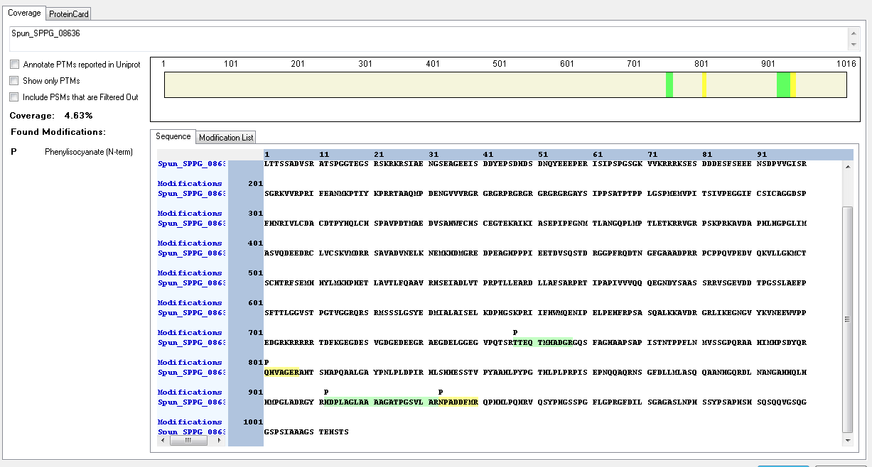
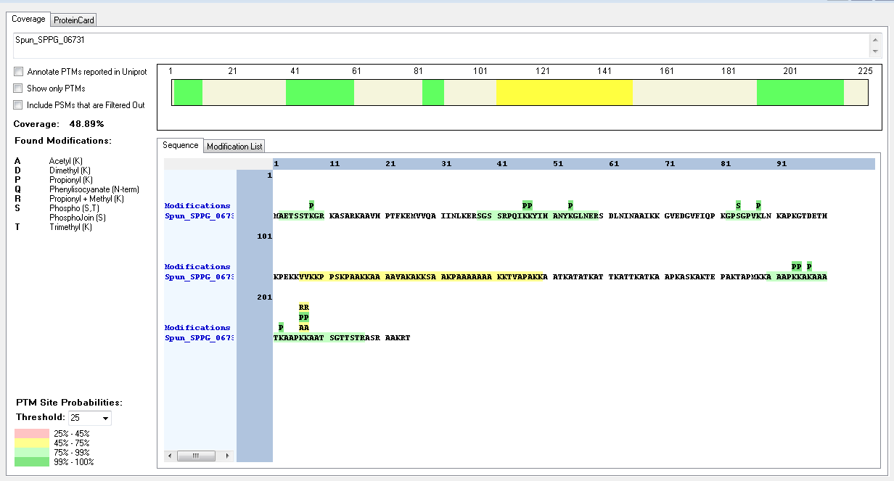
Protein ID | Peptide Sequence | Peptide position | Residue | Position in peptide | Positions in Protein | Modification | ptmRS: Best Site Probabilities
Spun_SPPG_06731 | [K].GPSGPVK.[L] | [82-88] | S | 3 | 84 | Phospho | 100
Spun_SPPG_06731 | [K].KSAAKPAAAAAAAKKTVAPAKK.[A] | [128-149] | K | 1 | 128 | Trimethyl | 99.88
Spun_SPPG_06731 | [K].KSAAKPAAAAAAAKKTVAPAKK.[A] | [128-149] | S | 2 | 129 | Phospho | 100
Spun_SPPG_06731 | [K].KSAAKPAAAAAAAKKTVAPAKK.[A] | [128-149] | K | 5 | 132 | Methyl | 99.81
Spun_SPPG_06731 | [K].KSAAKPAAAAAAAKKTVAPAKK.[A] | [128-149] | K | 15 | 142 | Trimethyl | 73.92
Spun_SPPG_06731 | [K].KSAAKPAAAAAAAKKTVAPAKK.[A] | [128-149] | T | 16 | 143 | Phospho | 100
Spun_SPPG_06731 | [K].KSAAKPAAAAAAAKKTVAPAKK.[A] | [128-149] | K | 21 | 148 | Trimethyl | 94.22
Spun_SPPG_06731 | [K].KSAAKPAAAAAAAKKTVAPAKK.[A] | [128-149] | K | 22 | 149 | Dimethyl | 93.24
Spun_SPPG_08636 | IDENTIFIED BUT NO MODIFICATIONS FOUND

Thalassiossira_pseudonana
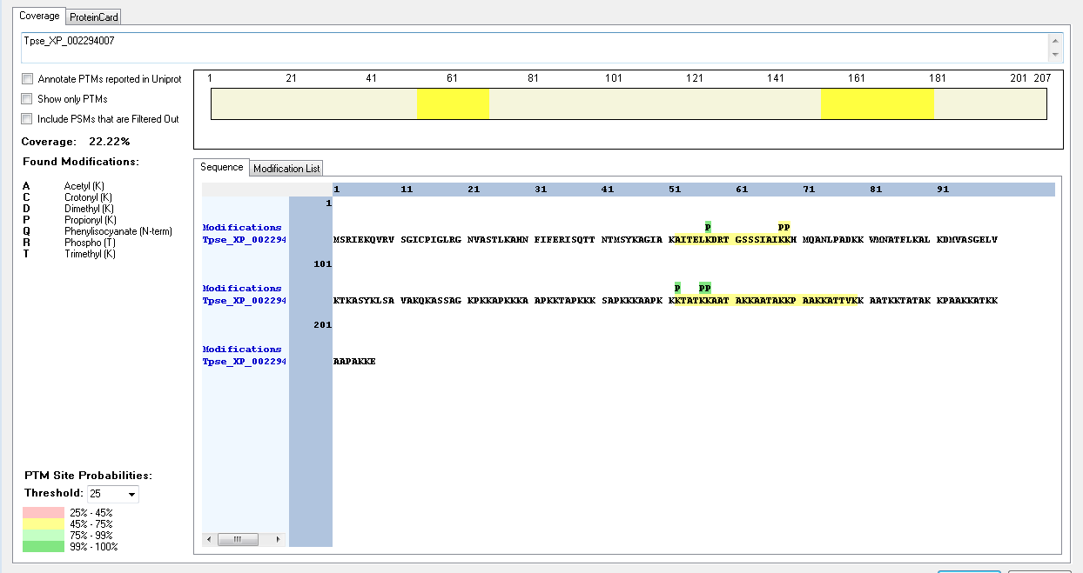
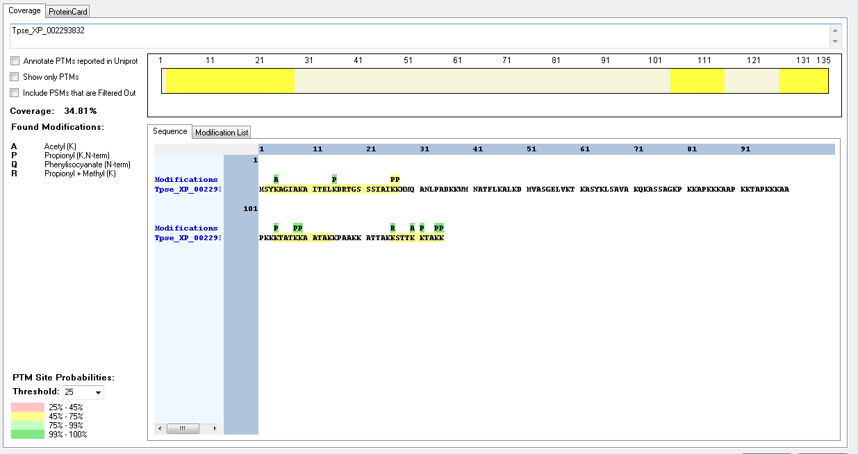
Protein ID | Peptide Sequence | Peptide position | Residue | Position in peptide | Positions in Protein | Modification | ptmRS: Best Site Probabilities
Tpse_XP_002293832 | [M].SYKAGIAK.[A] | [2-9] | K | 3 | 4 | Acetyl | 100
Tpse_XP_002293832 | [K].KSTTKKTAKK.[-] | [126-135] | K | 1 | 126 | Methyl | 99.69
Tpse_XP_002293832 | [K].KSTTKKTAKK.[-] | [126-135] | K | 5 | 130 | Acetyl | 99.45
Tpse_XP_002294007 | IDENTIFIED BUT NO MODIFICATIONS FOUND

Thecamonas_trahens
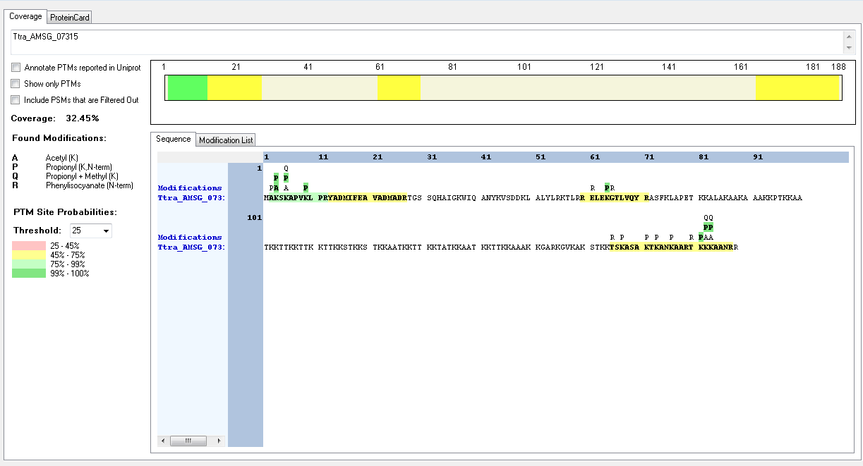
Protein ID | Peptide Sequence | Peptide position | Residue | Position in peptide | Positions in Protein | Modification | ptmRS: Best Site Probabilities
Ttra_AMSG_07315 | [M].AKSKAPVKLPR.[Y] | [2-12] | K | 2 | 3 | Acetyl | 100
Ttra_AMSG_07315 | [M].AKSKAPVKLPR.[Y] | [2-12] | K | 4 | 5 | Methyl | 99.98
Ttra_AMSG_07315 | [M].AKSKAPVKLPR.[Y] | [2-12] | K | 4 | 5 | Acetyl | 99.98

