Acanthamoeba_castellanii
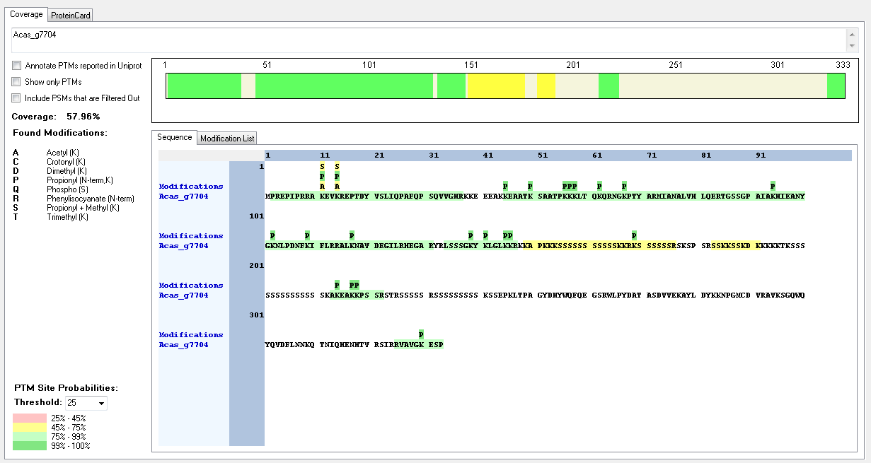
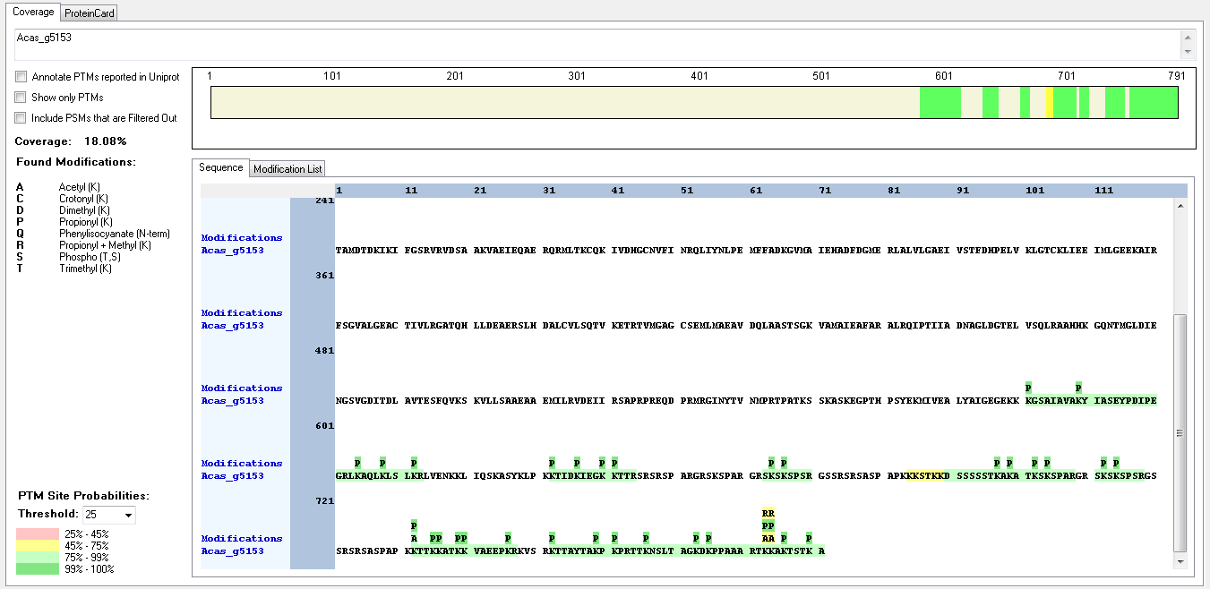
Protein ID | Peptide Sequence | Peptide position | Residue | Position in peptide | Positions in Protein | Modification | ptmRS: Best Site Probabilities
Acas_g5153 | [K].KTTKKATK.[K] | [732-739] | K | 1 | 732 | Acetyl | 82.26
Acas_g5153 | [K].KTTKKATK.[K] | [732-739] | T | 7 | 738 | Phospho | 99.2
Acas_g5153 | [K].KTTKKATK.[K] | [732-739] | K | 8 | 739 | Trimethyl | 76.69
Acas_g7704 | [R].RAKEVKREPTDYVSLIQPAFQPSQVVGHR.[K] | [9-37] | K | 3 | 11 | Acetyl | 50
Acas_g7704 | [R].RAKEVKREPTDYVSLIQPAFQPSQVVGHR.[K] | [9-37] | K | 3 | 11 | Methyl | 50
Acas_g7704 | [R].RAKEVKREPTDYVSLIQPAFQPSQVVGHR.[K] | [9-37] | K | 6 | 14 | Acetyl | 50
Acas_g7704 | [R].RAKEVKREPTDYVSLIQPAFQPSQVVGHR.[K] | [9-37] | K | 6 | 14 | Methyl | 50
Acas_g7704 | [K].SAATPKKKLTQKQR.[N] | [51-64] | K | 6 | 56 | Acetyl | 64.72
Acas_g7704 | [K].SAATPKKKLTQKQR.[N] | [51-64] | K | 8 | 58 | Methyl | 64.72
Acas_g7704 | [R].SSKKSSKDK.[K] | [183-191] | K | 4 | 186 | Trimethyl | 99
Acas_g7704 | [R].SSKKSSKDK.[K] | [183-191] | S | 6 | 188 | Phospho | 50.04
Acas_g7704 | [R].SSKKSSKDK.[K] | [183-191] | K | 9 | 191 | Trimethyl | 99.31

Bigelowiella_natans
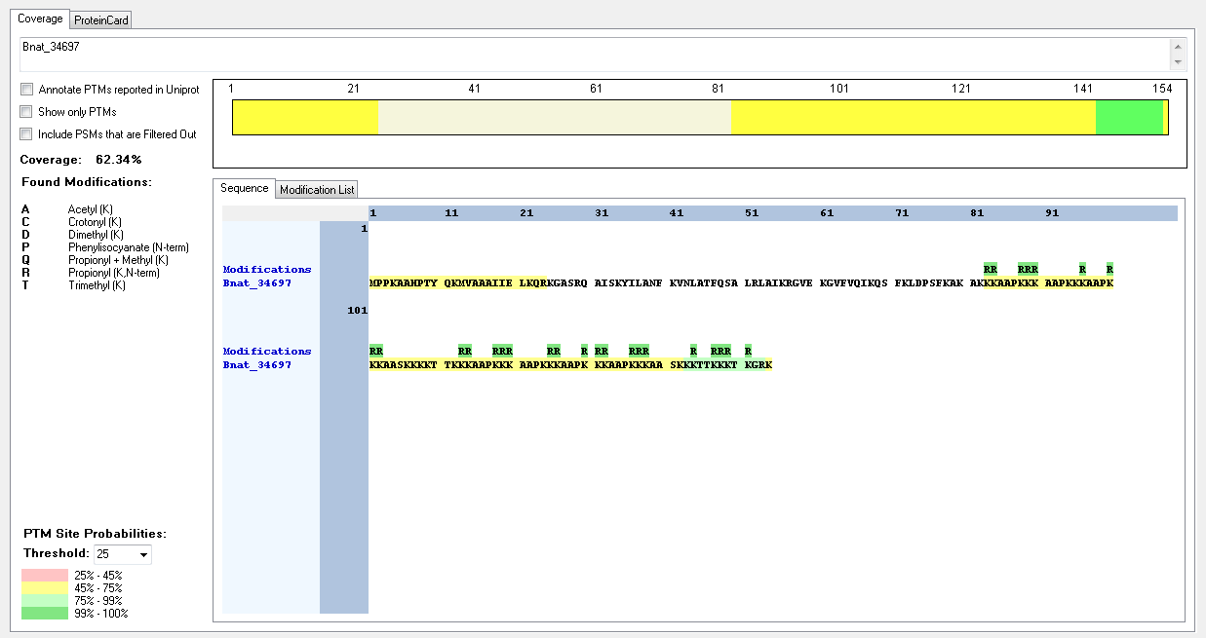
Protein ID | Peptide Sequence | Peptide position | Residue | Position in peptide | Positions in Protein | Modification | ptmRS: Best Site Probabilities
Bnat_34697 | IDENTIFIED BUT NO MODIFICATIONS FOUND

Capsaspora_owczarzaki
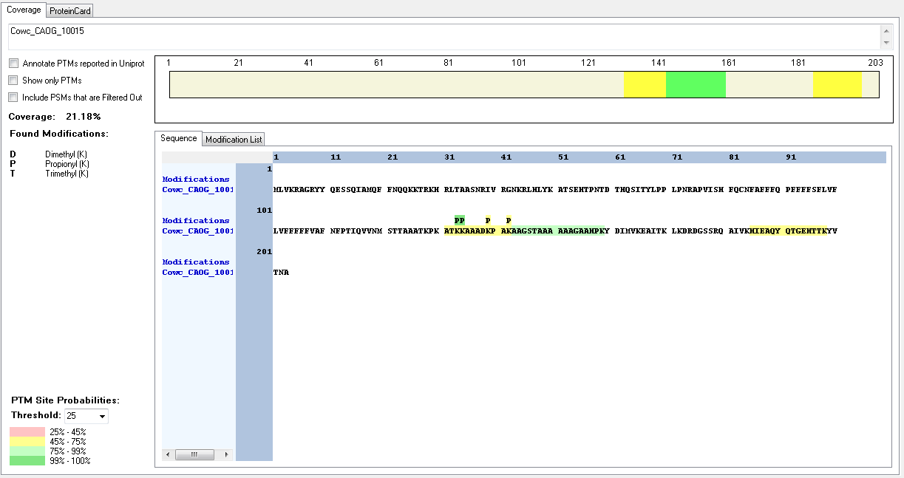
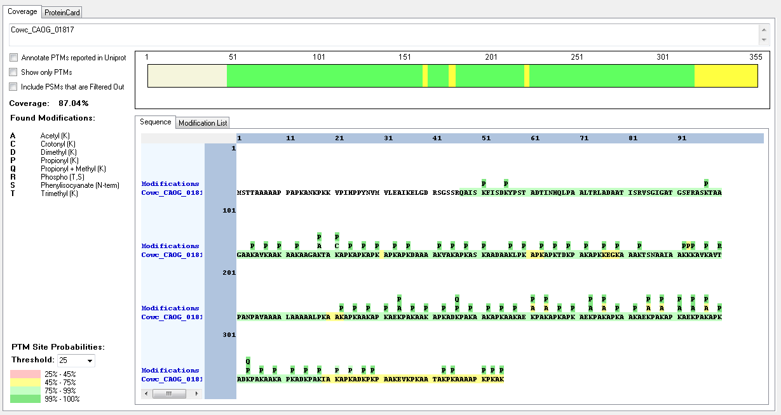
Protein ID | Peptide Sequence | Peptide position | Residue | Position in peptide | Positions in Protein | Modification | ptmRS: Best Site Probabilities
Cowc_CAOG_01817 | [K].AAGAKTAKAPKAPK.[A] | [114-127] | K | 5 | 118 | Acetyl | 92.7
Cowc_CAOG_01817 | [K].AAGAKTAKAPKAPK.[A] | [114-127] | K | 8 | 121 | Crotonyl | 92.7
Cowc_CAOG_01817 | [K].KAVKAVTPANPAVAAAALAAAAALPK.[A] | [194-219] | K | 1 | 194 | Methyl | 93.35
Cowc_CAOG_01817 | [K].KAVKAVTPANPAVAAAALAAAAALPK.[A] | [194-219] | K | 4 | 197 | Acetyl | 93.35
Cowc_CAOG_01817 | [K].KKAVKAVTPANPAVAAAALAAAAALPK.[A] | [193-219] | K | 5 | 197 | Trimethyl | 88.22
Cowc_CAOG_01817 | [K].KKAVKAVTPANPAVAAAALAAAAALPK.[A] | [193-219] | T | 8 | 200 | Phospho | 100
Cowc_CAOG_01817 | [K].KKAVKAVTPANPAVAAAALAAAAALPK.[A] | [193-219] | K | 27 | 219 | Methyl | 99.92
Cowc_CAOG_01817 | [K].AEKPAKAAKAPK.[A] | [232-243] | K | 3 | 234 | Acetyl | 100
Cowc_CAOG_01817 | [K].AEKPAKAPKAEKPAK.[A] | [283-297] | K | 9 | 291 | Acetyl | 99.96
Cowc_CAOG_01817 | [K].AEKPAKAPKAEKPAK.[A] | [283-297] | K | 12 | 294 | Acetyl | 100
Cowc_CAOG_01817 | [K].APKAEKPAK.[A] | [229-237]; [268-276]; [289-297] | K | 6 | 234; 501; 789 | Acetyl | 99.9
Cowc_CAOG_01817 | [K].ADKPAKAAKAPK.[A] | [244-255]; [301-312] | K | 3 | 246; 303 | Methyl | 100
Cowc_CAOG_01817 | [K].APKADKPAK.[AI] | [241-249]; [298-306]; [310-318] | K | 6 | 246; 303; 315 | Methyl | 99.95
Cowc_CAOG_01817 | [K].APKAEKPAKAPK.[A] | [268-279]; [289-300] | K | 6 | 273; 294 | Acetyl | 100
Cowc_CAOG_01817 | [K].APKAEKPAKAPK.[A] | [268-279]; [289-300] | K | 9 | 276; 297 | Acetyl | 50
Cowc_CAOG_10015 | [K].KAAADKPAK.[A] | [134-142] | K | 6 | 139 | Dimethyl | 100
Cowc_CAOG_10015 | [K].KAAADKPAK.[A] | [134-142] | K | 6 | 139 | Trimethyl | 50
Cowc_CAOG_10015 | [K].KAAADKPAK.[A] | [134-142] | K | 9 | 143 | Dimethyl | 100
Cowc_CAOG_10015 | [K].KAAADKPAK.[A] | [134-142] | K | 9 | 143 | Trimethyl | 50

Creolimax_fragrantissima
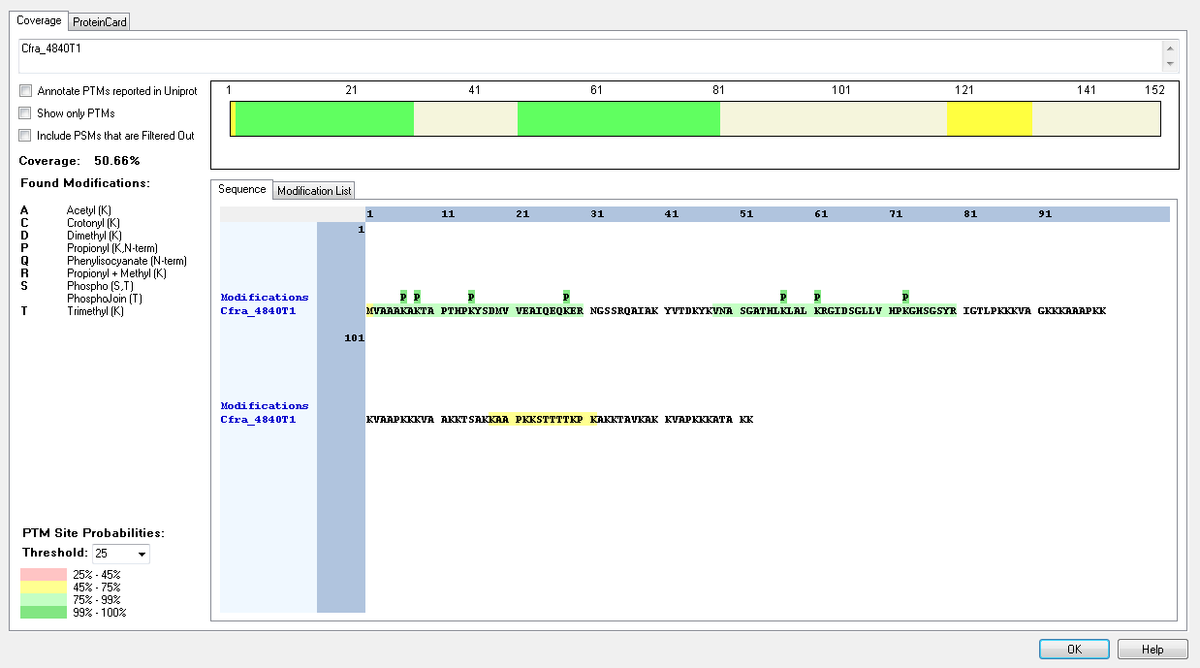
Protein ID | Peptide Sequence | Peptide position | Residue | Position in peptide | Positions in Protein | Modification | ptmRS: Best Site Probabilities
Cfra_4840T1 | [-].MVAAAKAKTAPTHPKYSDMVVEAIQEQKER.[N] | [1-30] | K | 6 | 6 | Trimethyl | 99.25
Cfra_4840T1 | [-].MVAAAKAKTAPTHPKYSDMVVEAIQEQKER.[N] | [1-30] | K | 8 | 8 | Trimethyl | 97.32
Cfra_4840T1 | [M].VAAAKAKTAPTHPKYSDMVVEAIQEQKER.[N] | [2-30] | T | 8 | 9 | Phospho | 97.94
Cfra_4840T1 | [M].VAAAKAKTAPTHPKYSDMVVEAIQEQKER.[N] | [2-30] | T | 11 | 12 | Phospho | 81.74
Cfra_4840T1 | [M].VAAAKAKTAPTHPKYSDMVVEAIQEQKER.[N] | [2-30] | K | 14 | 15 | Crotonyl | 98.54
Cfra_4840T1 | [M].VAAAKAKTAPTHPKYSDMVVEAIQEQKER.[N] | [2-30] | S | 16 | 17 | Phospho | 95.59
Cfra_4840T1 | [K].KAAPKKSTTTTKPK.[A] | [118-131] | K | 1 | 118 | Trimethyl | 99.27
Cfra_4840T1 | [K].KAAPKKSTTTTKPK.[A] | [118-131] | K | 5 | 122 | Trimethyl | 88.93
Cfra_4840T1 | [K].KAAPKKSTTTTKPK.[A] | [118-131] | S | 7 | 124 | Phospho | 63.41
Cfra_4840T2 | [K].KAAPKKSTTTTKPK.[A] | [118-131] | K | 14 | 131 | Trimethyl | 91.51

Phytophthora infestans
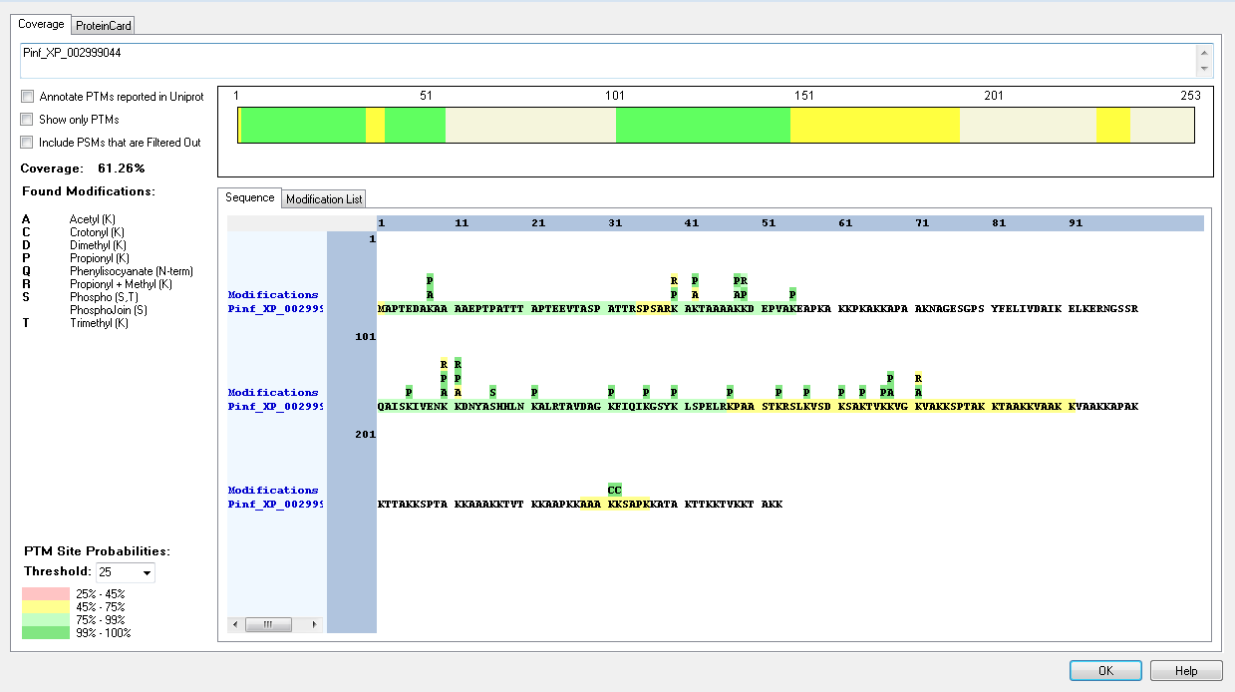
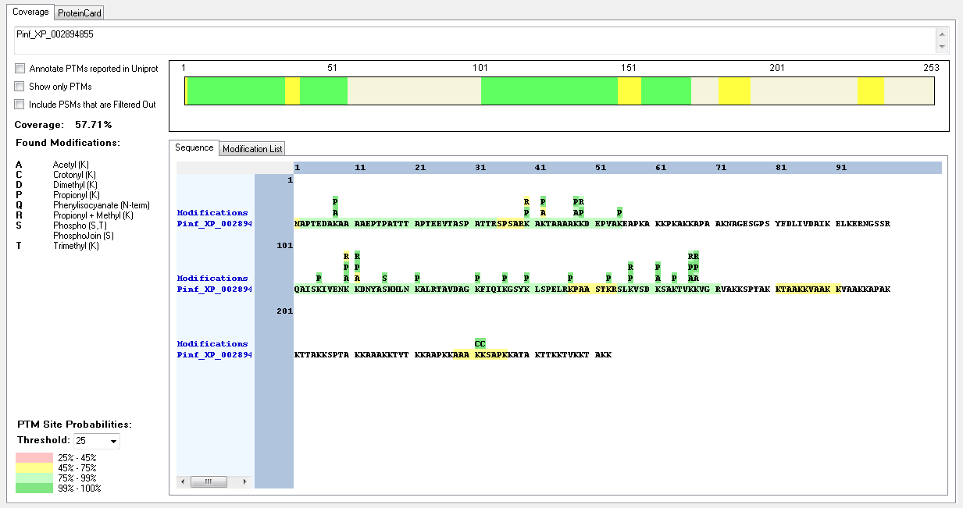
Protein ID | Peptide Sequence | Peptide position | Residue | Position in peptide | Positions in Protein | Modification | ptmRS: Best Site Probabilities
Pinf_XP_002894855 | [M].APTEDAKAAAAEPTPATTTAPTEEVTASPATTR.[S] | [2-34] | K | 7 | 8 | Acetyl | 100
Pinf_XP_002894855 | [M].APTEDAKAAAAEPTPATTTAPTEEVTASPATTR.[S] | [2-34] | S | 28 | 29 | Phospho | 97.21
Pinf_XP_002894855 | [R].QAISKIVENKKDNYASHHLNKALR.[T] | [101-124] | K | 21 | 121 | Trimethyl | 99.99
Pinf_XP_002894855 | [R].SLKVSDKSAKTVKKVGR.[V] | [155-171] | K | 13 | 167 | Acetyl | 99.82
Pinf_XP_002894855 | [R].SLKVSDKSAKTVKKVGR.[V] | [155-171] | K | 14 | 168 | Methyl | 99.82
Pinf_XP_002894855 | [K].KTAAKKVAAKK.[V] | [181-191] | T | 2 | 182 | Phospho | 100
Pinf_XP_002894855 | [K].KTAAKKVAAKK.[V] | [181-191] | K | 5 | 185 | Trimethyl | 51.37
Pinf_XP_002894855 | [K].KTAAKKVAAKK.[V] | [181-191] | K | 11 | 191 | Dimethyl | 61.73
Pinf_XP_002894855 | [K].AAAKKSAPK.[K] | [228-236] | K | 4 | 231 | Crotonyl | 100
Pinf_XP_002894855 | [K].AAAKKSAPK.[K] | [228-236] | K | 5 | 232 | Crotonyl | 100
Pinf_XP_002894855 | [K].AAAKKSAPK.[K] | [228-236] | S | 6 | 233 | Phospho | 100
Pinf_XP_002894855 | [K].AAAKKSAPK.[K] | [228-236] | K | 9 | 236 | Dimethyl | 100
Pinf_XP_002907205 | [M].PSAPSTKKANAGPGYYDLIKEAVFTLKER.[S] | [2-30] | K | 7 | 8 | Acetyl | 89.56
Pinf_XP_002907205 | [M].PSAPSTKK.[A] | [2-9] | K | 8 | 9 | Dimethyl | 99.27
Pinf_XP_002907205 | [K].KPAAKPVAKK.[A] | [88-97] | K | 1 | 88 | Crotonyl | 100
Pinf_XP_002907205 | [K].KPAAKPVAKK.[A] | [88-97] | K | 5 | 92 | Crotonyl | 100
Pinf_XP_002999044 | [M].APTEDAKAAAAEPTPATTTAPTEEVTASPATTR.[S] | [2-34] | K | 7 | 8 | Acetyl | 100
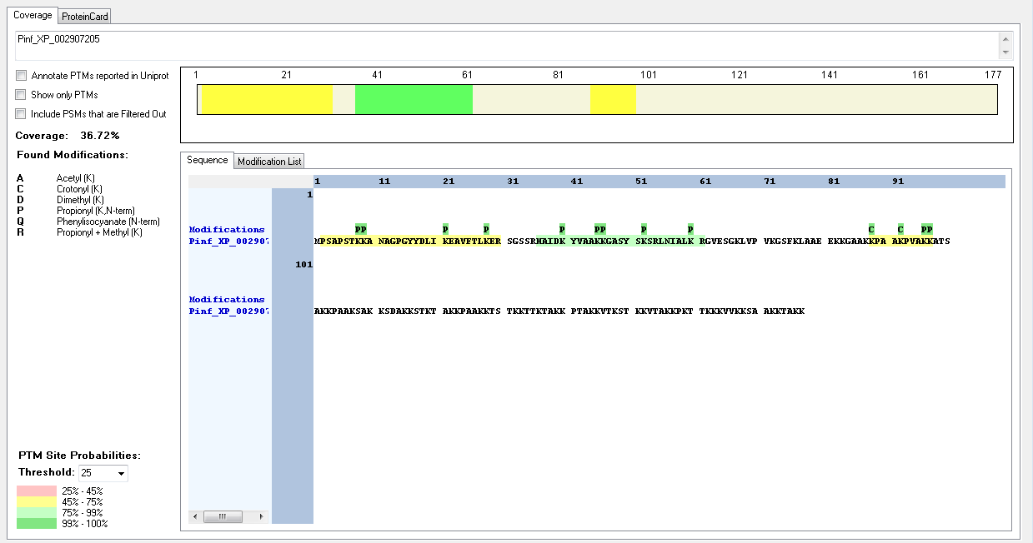
Pinf_XP_002999044 | [M].APTEDAKAAAAEPTPATTTAPTEEVTASPATTR.[S] | [2-34] | S | 28 | 29 | Phospho | 97.21
Pinf_XP_002999044 | [R].QAISKIVENKKDNYASHHLNKALR.[T] | [101-124] | S | 16 | 116 | Phospho | 100
Pinf_XP_002999044 | [R].QAISKIVENKKDNYASHHLNKALR.[T] | [101-124] | K | 21 | 121 | Trimethyl | 99.99
Pinf_XP_002999044 | [R].SLKVSDKSAKTVKKVGK.[V] | [155-171] | K | 10 | 164 | Trimethyl | 98.19
Pinf_XP_002999044 | [R].SLKVSDKSAKTVKKVGK.[V] | [155-171] | K | 13 | 167 | Trimethyl | 83.21
Pinf_XP_002999044 | [R].SLKVSDKSAKTVKKVGK.[V] | [155-171] | K | 14 | 168 | Acetyl | 99.31
Pinf_XP_002999044 | [R].SLKVSDKSAKTVKKVGK.[V] | [155-171] | K | 14 | 168 | Trimethyl | 83.68
Pinf_XP_002999044 | [R].SLKVSDKSAKTVKKVGK.[V] | [155-171] | K | 17 | 171 | Acetyl | 99.31
Pinf_XP_002999044 | [R].SLKVSDKSAKTVKKVGK.[V] | [155-171] | K | 17 | 171 | Dimethyl | 99.97
Pinf_XP_002999044 | [R].SLKVSDKSAKTVKKVGK.[V] | [155-171] | K | 17 | 171 | Methyl | 65.85
Pinf_XP_002999044 | [K].KTAAKKVAAKK.[V] | [181-191] | T | 2 | 182 | Phospho | 100
Pinf_XP_002999044 | [K].KTAAKKVAAKK.[V] | [181-191] | K | 5 | 185 | Trimethyl | 51.37
Pinf_XP_002999044 | [K].KTAAKKVAAKK.[V] | [181-191] | K | 11 | 191 | Dimethyl | 61.73
Pinf_XP_002999044 | [K].AAAKKSAPK.[K] | [228-236] | K | 4 | 231 | Crotonyl | 100
Pinf_XP_002999044 | [K].AAAKKSAPK.[K] | [228-236] | K | 5 | 232 | Crotonyl | 100
Pinf_XP_002999044 | [K].AAAKKSAPK.[K] | [228-236] | S | 6 | 233 | Phospho | 100
Pinf_XP_002999044 | [K].AAAKKSAPK.[K] | [228-236] | K | 9 | 236 | Dimethyl | 100

Physcomitrella_patens
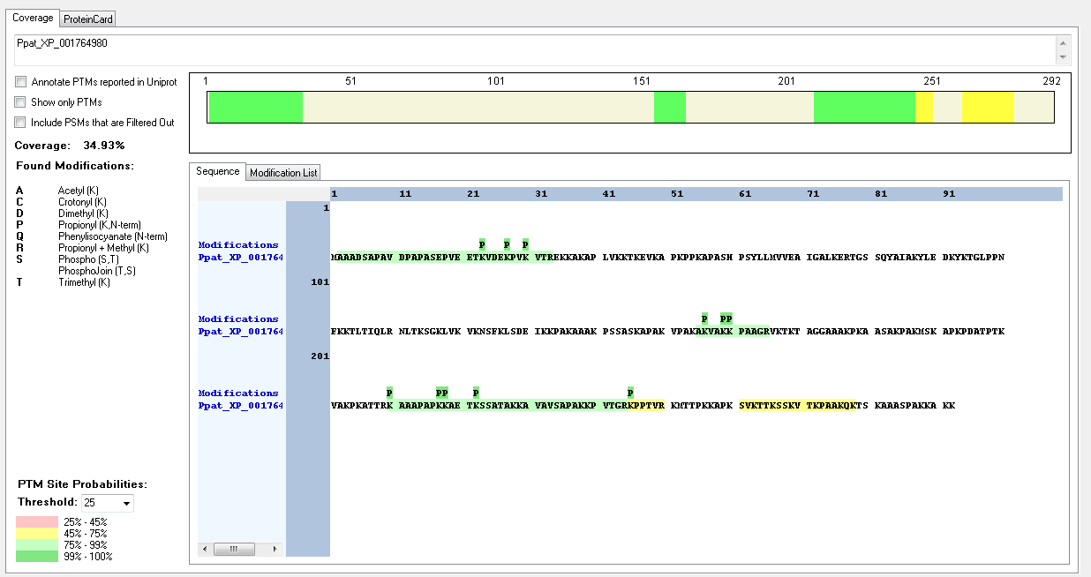
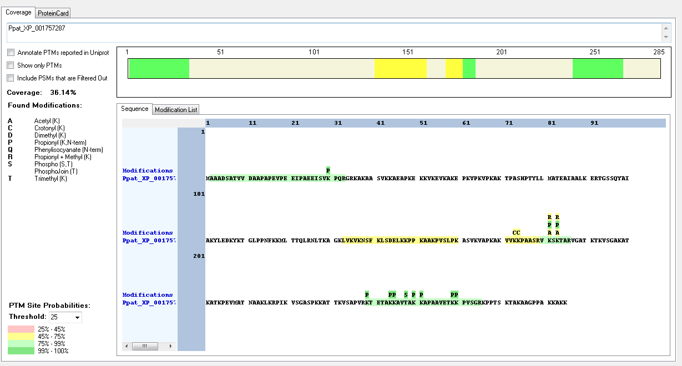
Protein ID | Peptide Sequence | Peptide position | Residue | Position in peptide | Positions in Protein | Modification | ptmRS: Best Site Probabilities
Ppat_XP_001757287 | [K].VVKKPAASRVKSKTAR.[V] | [171-186] | S | 8 | 178 | Phospho | 99.99
Ppat_XP_001757287 | [K].VVKKPAASRVKSKTAR.[V] | [171-186] | S | 12 | 182 | Phospho | 98.1
Ppat_XP_001757287 | [K].VVKKPAASRVKSKTAR.[V] | [171-186] | K | 13 | 183 | Methyl | 45.36
Ppat_XP_001757287 | [K].KAVTAK.[K] | [245-250] | T | 4 | 248 | Phospho | 100
Ppat_XP_001764980 | IDENTIFIED BUT NO MODIFICATIONS FOUND

Annotated Sequence | Modifications | ptmRS: Best Site Probabilities | Positions in Protein | Peptide Group Modifications in Protein
[K].KAVTAK.[K] | 1×PhosphoJoin [T4(100)]; 2×Propionyl [K1(100); K6(100)] | K1(Propionyl): 100; T4(Phosp): 100; K6(Propionyl): 100 | [245-250]

Spizellomyces_punctatus
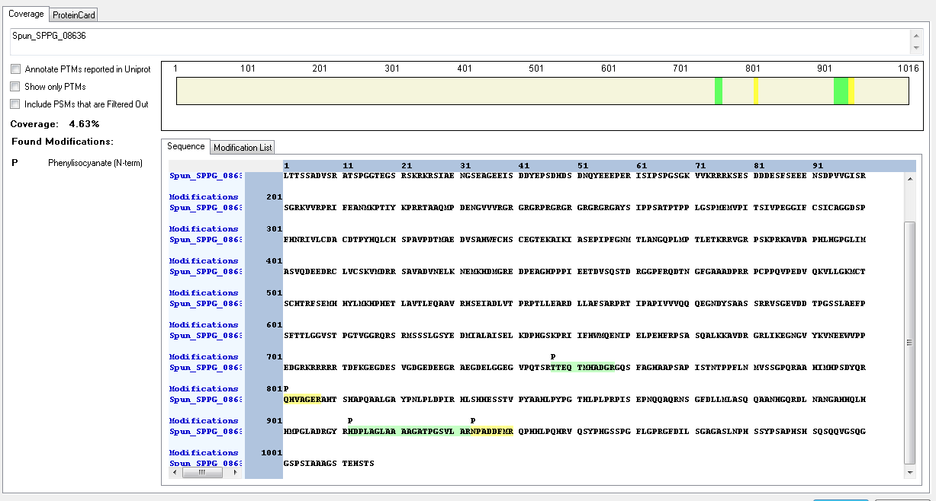
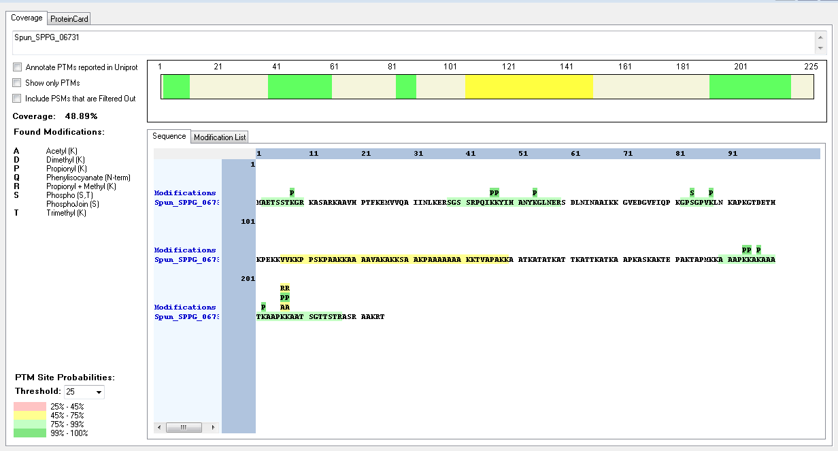
Protein ID | Peptide Sequence | Peptide position | Residue | Position in peptide | Positions in Protein | Modification | ptmRS: Best Site Probabilities
Spun_SPPG_06731 | [K].GPSGPVK.[L] | [82-88] | S | 3 | 84 | Phospho | 100
Spun_SPPG_06731 | [K].KSAAKPAAAAAAAKKTVAPAKK.[A] | [128-149] | K | 1 | 128 | Trimethyl | 99.88
Spun_SPPG_06731 | [K].KSAAKPAAAAAAAKKTVAPAKK.[A] | [128-149] | S | 2 | 129 | Phospho | 100
Spun_SPPG_06731 | [K].KSAAKPAAAAAAAKKTVAPAKK.[A] | [128-149] | K | 5 | 132 | Methyl | 99.81
Spun_SPPG_06731 | [K].KSAAKPAAAAAAAKKTVAPAKK.[A] | [128-149] | K | 15 | 142 | Trimethyl | 73.92
Spun_SPPG_06731 | [K].KSAAKPAAAAAAAKKTVAPAKK.[A] | [128-149] | T | 16 | 143 | Phospho | 100
Spun_SPPG_06731 | [K].KSAAKPAAAAAAAKKTVAPAKK.[A] | [128-149] | K | 21 | 148 | Trimethyl | 94.22
Spun_SPPG_06731 | [K].KSAAKPAAAAAAAKKTVAPAKK.[A] | [128-149] | K | 22 | 149 | Dimethyl | 93.24
Spun_SPPG_08636 | IDENTIFIED BUT NO MODIFICATIONS FOUND

Thalassiossira_pseudonana
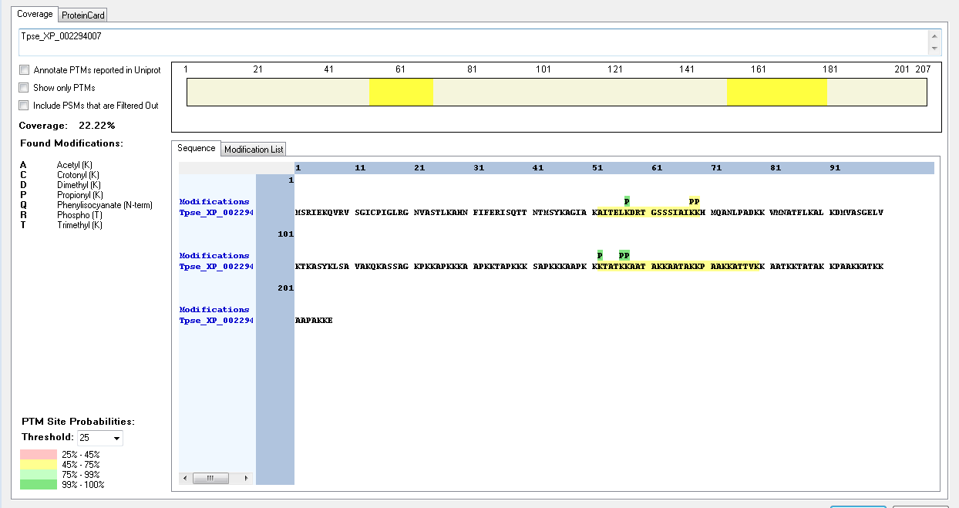
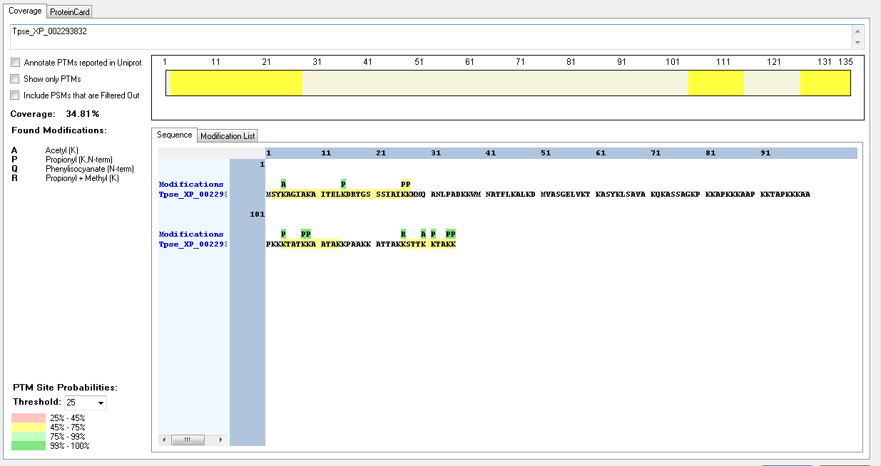
Protein ID | Peptide Sequence | Peptide position | Residue | Position in peptide | Positions in Protein | Modification | ptmRS: Best Site Probabilities
Tpse_XP_002293832 | [M].SYKAGIAK.[A] | [2-9] | K | 3 | 4 | Acetyl | 100
Tpse_XP_002293832 | [K].KSTTKKTAKK.[-] | [126-135] | K | 1 | 126 | Methyl | 99.69
Tpse_XP_002293832 | [K].KSTTKKTAKK.[-] | [126-135] | K | 5 | 130 | Acetyl | 99.45
Tpse_XP_002294007 | IDENTIFIED BUT NO MODIFICATIONS FOUND

Thecamonas_trahens
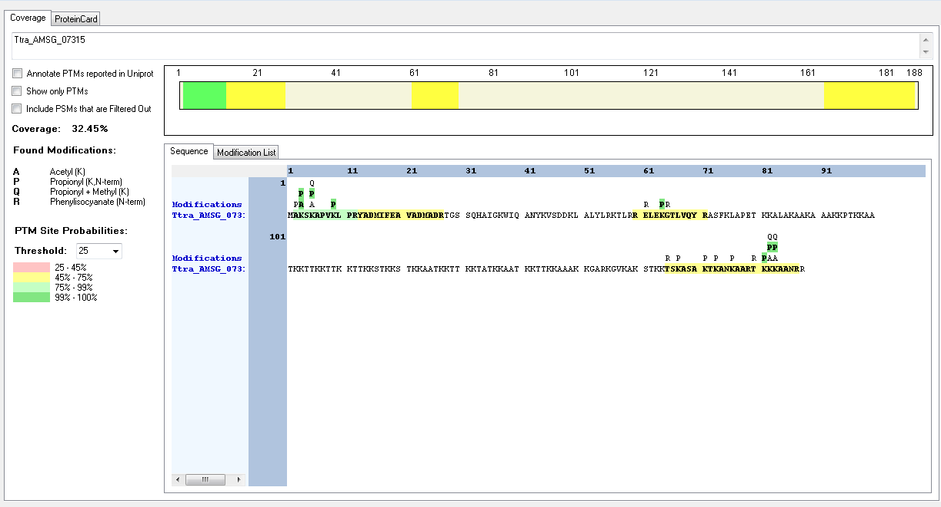
Protein ID | Peptide Sequence | Peptide position | Residue | Position in peptide | Positions in Protein | Modification | ptmRS: Best Site Probabilities
Ttra_AMSG_07315 | [M].AKSKAPVKLPR.[Y] | [2-12] | K | 2 | 3 | Acetyl | 100
Ttra_AMSG_07315 | [M].AKSKAPVKLPR.[Y] | [2-12] | K | 4 | 5 | Methyl | 99.98
Ttra_AMSG_07315 | [M].AKSKAPVKLPR.[Y] | [2-12] | K | 4 | 5 | Acetyl | 99.98

