Acanthamoeba_castellanii
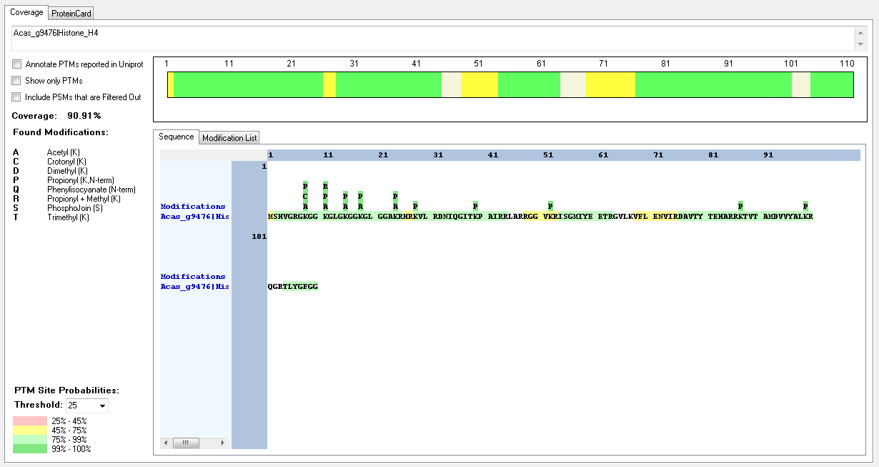
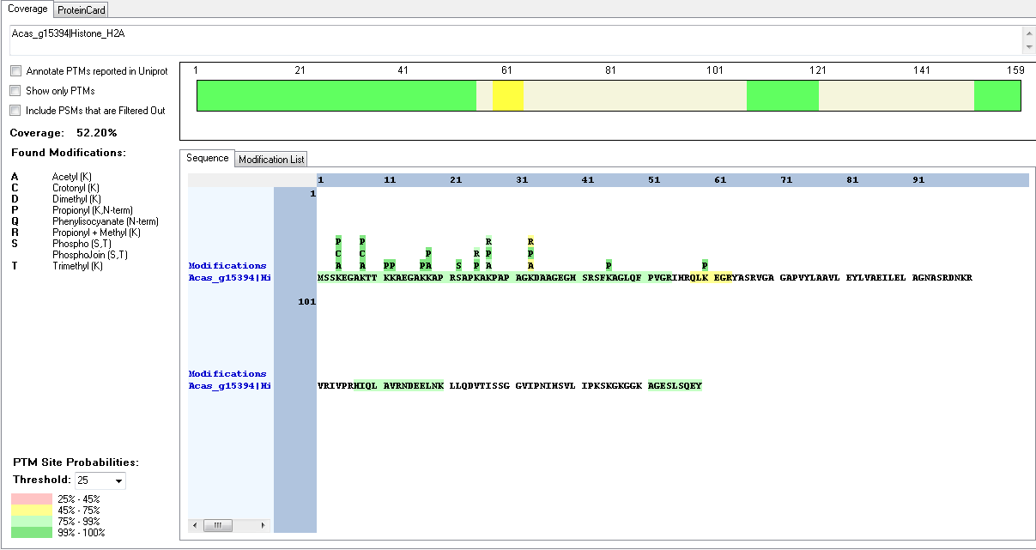
Protein ID | Peptide Sequence | Peptide position | Residue | Position in peptide | Positions in Protein | Modification | ptmRS: Best Site Probabilities
Acas_g15394|Histone_H2A | [M].SSKEGAKTTKKAEGAKKAPR.[S] | [2-21] | S | 1 | 2 | Phospho | 50
Acas_g15394|Histone_H2A | [M].SSKEGAKTTKKAEGAKKAPR.[S] | [2-21] | S | 2 | 3 | Phospho | 50
Acas_g15394|Histone_H2A | [M].SSKEGAKTTKKAEGAKKAPR.[S] | [2-21] | K | 3 | 4 | Acetyl | 100
Acas_g15394|Histone_H2A | [M].SSKEGAKTTKKAEGAKKAPR.[S] | [2-21] | K | 3 | 4 | Methyl | 100
Acas_g15394|Histone_H2A | [M].SSKEGAKTTKKAEGAKKAPR.[S] | [2-21] | K | 3 | 4 | Crotonyl | 100
Acas_g15394|Histone_H2A | [M].SSKEGAKTTKKAEGAKKAPR.[S] | [2-21] | K | 3 | 4 | Methyl | 50
Acas_g15394|Histone_H2A | [M].SSKEGAKTTKKAEGAKKAPR.[S] | [2-21] | K | 7 | 8 | Acetyl | 100
Acas_g15394|Histone_H2A | [M].SSKEGAKTTKKAEGAKKAPR.[S] | [2-21] | K | 7 | 8 | Crotonyl | 100
Acas_g15394|Histone_H2A | [M].SSKEGAKTTKKAEGAKKAPR.[S] | [2-21] | K | 7 | 8 | Methyl | 50
Acas_g15394|Histone_H2A | [K].EGAKTTKKAEGAKKAPR.[S] | [5-21] | K | 8 | 12 | Acetyl | 100
Acas_g15394|Histone_H2A | [M].SSKEGAKTTKKAEGAKKAPR.[S] | [2-21] | K | 17 | 18 | Acetyl | 99.84
Acas_g15394|Histone_H2A | [R].SAPKAKPAPAGKDAAGEGHSR.[S] | [22-42] | S | 1 | 22 | Phospho | 100
Acas_g15394|Histone_H2A | [R].SAPKAKPAPAGKDAAGEGHSR.[S] | [22-42] | K | 4 | 25 | Acetyl | 99.97
Acas_g15394|Histone_H2A | [R].SAPKAKPAPAGKDAAGEGHSR.[S] | [22-42] | K | 4 | 25 | Methyl | 99.74
Acas_g15394|Histone_H2A | [R].SAPKAKPAPAGKDAAGEGHSR.[S] | [22-42] | K | 4 | 25 | Crotonyl | 93.78
Acas_g15394|Histone_H2A | [R].SAPKAKPAPAGKDAAGEGHSR.[S] | [22-42] | K | 6 | 27 | Methyl | 93.78
Acas_g15394|Histone_H2A | [R].SAPKAKPAPAGKDAAGEGHSR.[S] | [22-42] | K | 6 | 27 | Trimethyl | 81.74
Acas_g10971|Histone_H2A | [M].ADKSGDAGVDKTSKMTPISR.[S] | [2-21] | K | 3 | 4 | Acetyl | 100
Acas_g9476|Histone_H4 | [R].GKGGKGLGKGGKGLGGAKR.[H] | [7-25] | K | 2 | 8 | Acetyl | 100
Acas_g9476|Histone_H4 | [-].MSHVGRGKGGKGLGKGGKGLGGAKR.[H] | [1-25] | K | 8 | 8 | Crotonyl | 99.96
Acas_g9476|Histone_H4 | [R].GKGGKGLGKGGKGLGGAKR.[H] | [7-25] | K | 5 | 11 | Acetyl | 100
Acas_g9476|Histone_H4 | [R].GKGGKGLGKGGKGLGGAKR.[H] | [7-25] | K | 9 | 15 | Acetyl | 100
Acas_g9476|Histone_H4 | [R].GKGGKGLGKGGKGLGGAKR.[H] | [7-25] | K | 12 | 18 | Acetyl | 100
Acas_g9476|Histone_H4 | [R].GKGGKGLGKGGKGLGGAKR.[H] | [7-25] | K | 18 | 24 | Acetyl | 100

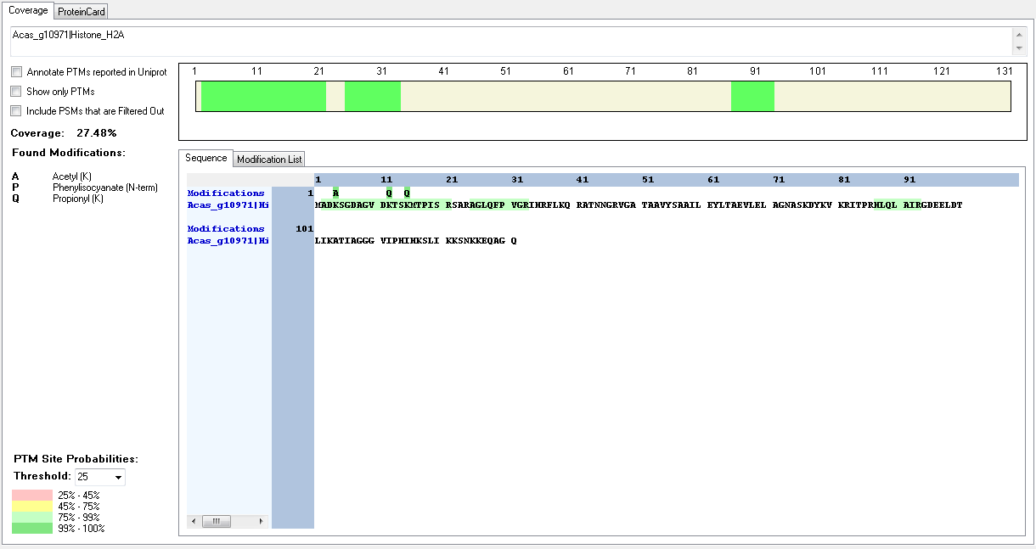

 |  |  |  |  |  |  |  | # Protein Groups | # AAs | MW [kDa] | calc. pI | Found in Files | Found in Fractions | Found in Samples | Modifications | Areas | emPAI | Score Mascot | # Peptides Mascot
 |  |  |  |  |  |  |  | 1 | 110 | 12.1 | 11.47 | High; High; High; High | High; High; High; High; High; High; High; High | High; High; High; High | Trimethyl [K8; K11]; Acetyl [K8(99.8)] | 5336443917.33333; 13961200412.9167; 197510388.294271; | 749894208.33 | 7860 | 19

Bigelowiella_natans_v2
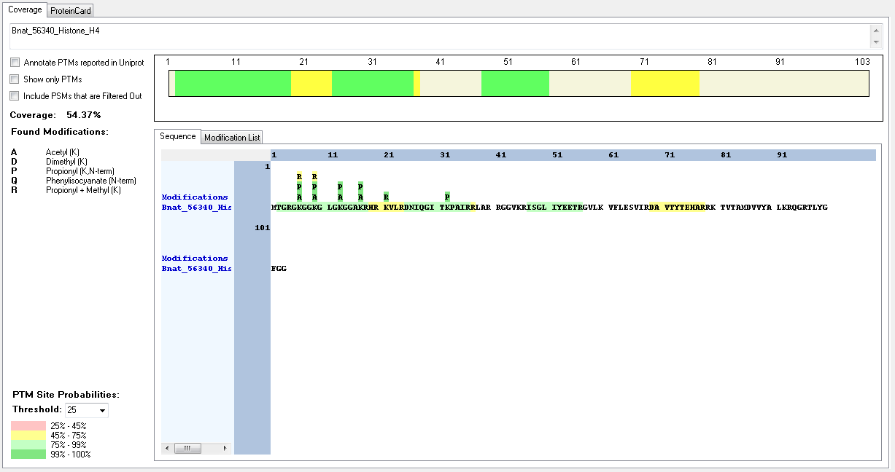
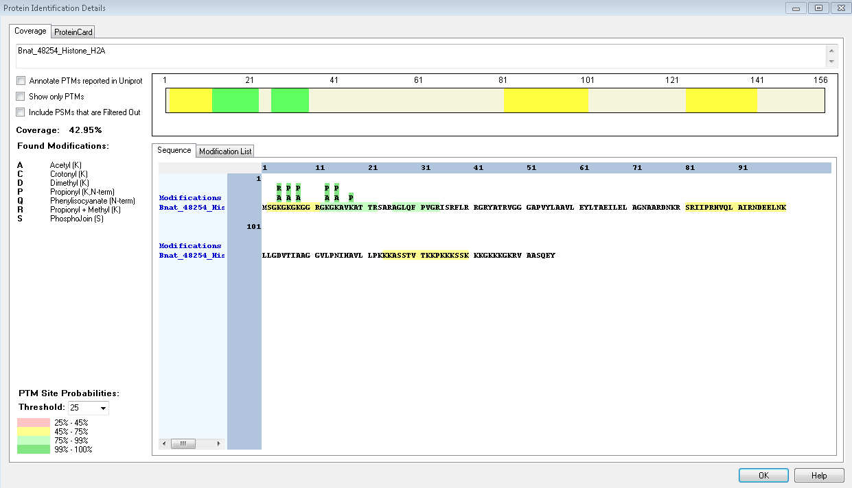
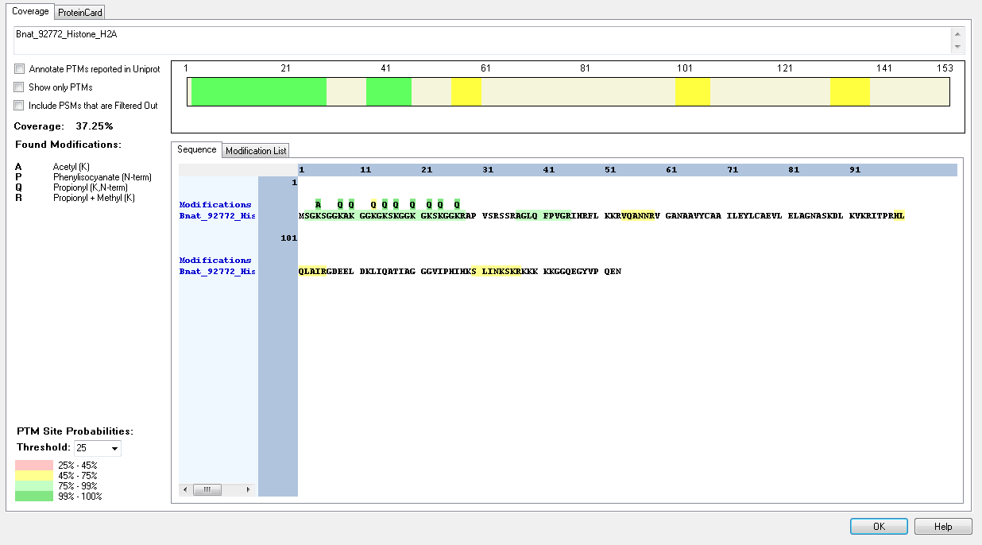
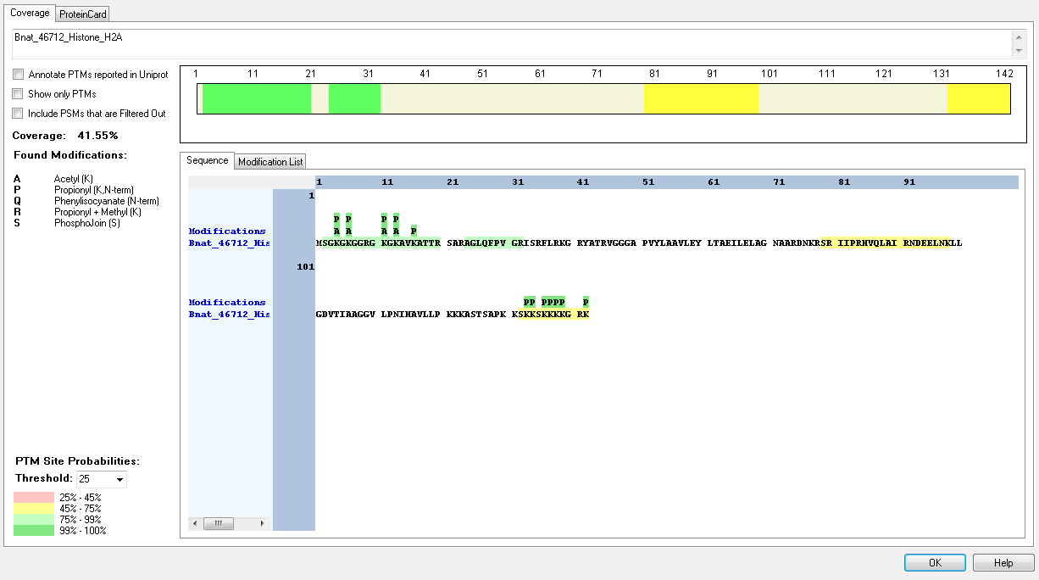
Protein ID | Peptide Sequence | Peptide position | Residue | Position in peptide | Positions in Protein | Modification | ptmRS: Best Site Probabilities
Bnat_46712_Histone_H2A | [M].SGKGKGGRGKGKAVKATTR.[S] | [2-20] | K | 3 | 4 | Acetyl | 100
Bnat_46712_Histone_H2A | [M].SGKGKGGRGKGKAVKATTR.[S] | [2-20] | K | 5 | 6 | Acetyl | 100
Bnat_46712_Histone_H2A | [R].GKGKAVKATTR.[S] | [10-20] | K | 2 | 11 | Acetyl | 100
Bnat_46712_Histone_H2A | [R].GKGKAVKATTR.[S] | [10-20] | K | 4 | 13 | Acetyl | 100
Bnat_48254_Histone_H2A | [M].SGKGKGKGGR.[G] | [2-11] | K | 3 | 4 | Methyl | 100
Bnat_48254_Histone_H2A | [M].SGKGKGKGGR.[G] | [2-11] | K | 3 | 4 | Acetyl | 100
Bnat_48254_Histone_H2A | [M].SGKGKGKGGR.[G] | [2-11] | K | 5 | 6 | Acetyl | 100
Bnat_48254_Histone_H2A | [M].SGKGKGKGGR.[G] | [2-11] | K | 7 | 8 | Acetyl | 100
Bnat_48254_Histone_H2A | [R].GKGKAVKATTR.[S] | [12-22] | K | 2 | 13 | Acetyl | 100
Bnat_48254_Histone_H2A | [R].GKGKAVKATTR.[S] | [12-22] | K | 4 | 15 | Acetyl | 100
Bnat_92772_Histone_H2A | [M].SGKSGGKAKGGKGK.[S] | [2-15] | K | 3 | 4 | Acetyl | 100
Bnat_56340_Histone_H4 | [M].TGRGKGGKGLGKGGAKR.[H] | [2-18] | K | 5 | 6 | Acetyl | 100
Bnat_56340_Histone_H4 | [M].TGRGKGGK.[G] | [2-9] | K | 8 | 9 | Dimethyl | 100
Bnat_56340_Histone_H4 | [R].GKGGKGLGKGGAKR.[H] | [5-18] | K | 5 | 9 | Acetyl | 100
Bnat_56340_Histone_H4 | [M].TGRGKGGKGLGKGGAKR.[H] | [2-18] | K | 12 | 13 | Acetyl | 100
Bnat_56340_Histone_H4 | [R].GKGGKGLGKGGAKR.[H] | [5-18] | K | 13 | 17 | Acetyl | 100
Bnat_56340_Histone_H4 | [R].HRKVLRDNIQGITKPAIRR.[L] | [19-37] | K | 3 | 21 | Methyl | 100

Capsaspora_owczarzaki
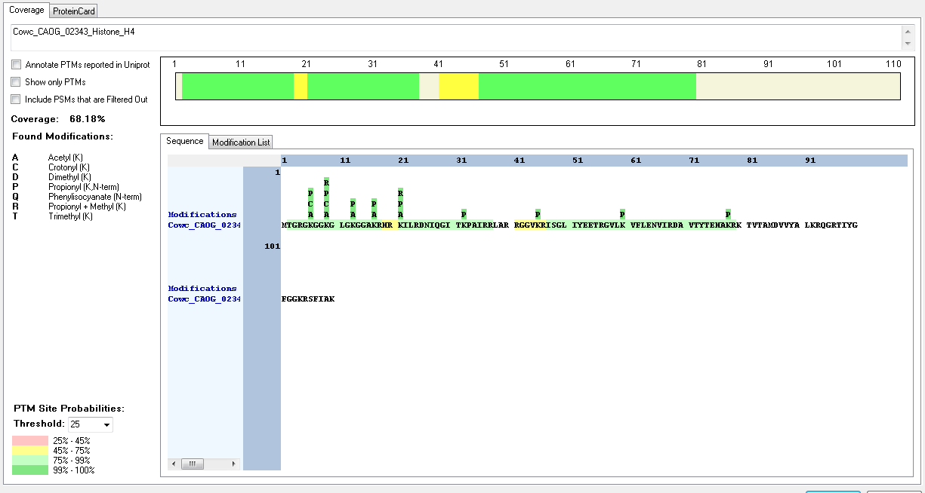
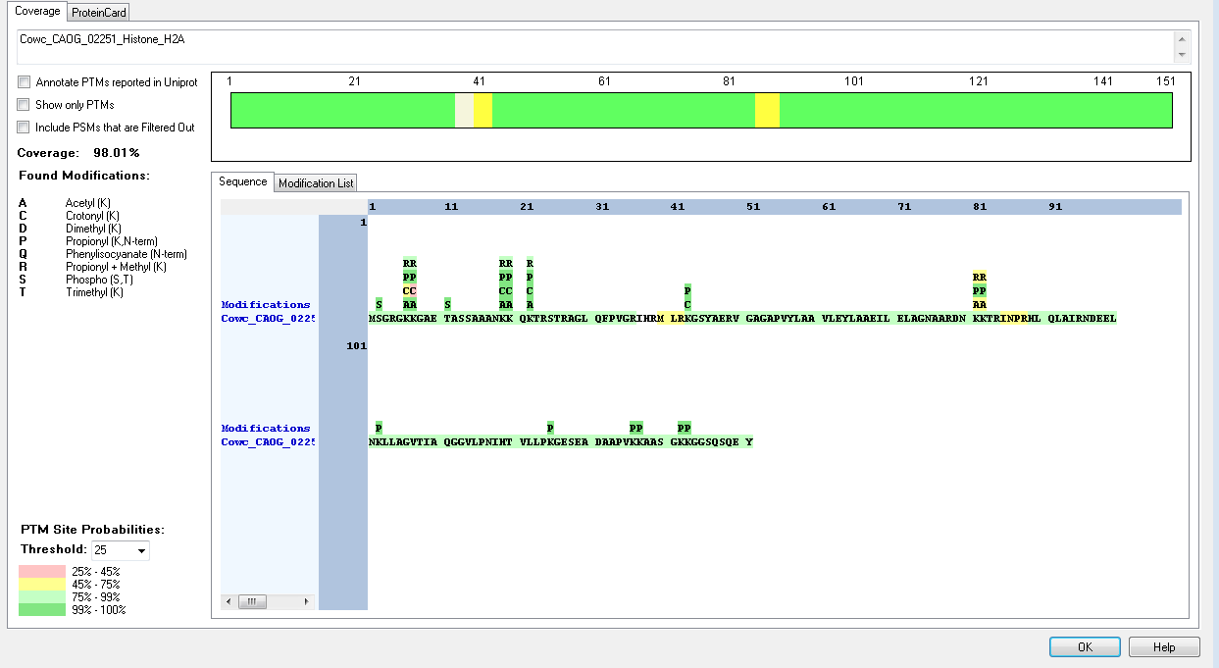
Protein ID | Peptide Sequence | Peptide position | Residue | Position in peptide | Positions in Protein | Modification | ptmRS: Best Site Probabilities
Cowc_CAOG_02251_Histone_H2A | [M].SGRGKKGAETASSAAANKKQKTR.[S] | [2-24] | S | 1 | 2 | Phospho | 100
Cowc_CAOG_02251_Histone_H2A | [R].GKKGAETASSAAANKKQKTR.[S] | [5-24] | K | 2 | 6 | Acetyl | 100
Cowc_CAOG_02251_Histone_H2A | [M].SGRGKKGAETASSAAANKKQKTR.[S] | [2-24] | K | 5 | 6 | Crotonyl | 88.28
Cowc_CAOG_02251_Histone_H2A | [M].SGRGKKGAETASSAAANKKQKTR.[S] | [2-24] | K | 5 | 6 | Methyl | 98.84
Cowc_CAOG_02251_Histone_H2A | [M].SGRGKKGAETASSAAANKK.[Q] | [2-20] | K | 5 | 6 | Trimethyl | 83.87
Cowc_CAOG_02251_Histone_H2A | [R].GKKGAETASSAAANKKQKTR.[S] | [5-24] | K | 3 | 7 | Acetyl | 100
Cowc_CAOG_02251_Histone_H2A | [M].SGRGKKGAETASSAAANKK.[Q] | [2-20] | K | 6 | 7 | Crotonyl | 83.87
Cowc_CAOG_02251_Histone_H2A | [R].GKKGAETASSAAANKKQKTR.[S] | [5-24] | K | 3 | 7 | Methyl | 99.78
Cowc_CAOG_02251_Histone_H2A | [R].GKKGAETASSAAANKKQKTR.[S] | [5-24] | K | 3 | 7 | Trimethyl | 50
Cowc_CAOG_02251_Histone_H2A | [M].SGRGKKGAETASSAAANKKQKTR.[S] | [2-24] | T | 10 | 11 | Phospho | 99.99
Cowc_CAOG_02251_Histone_H2A | [R].GKKGAETASSAAANKKQKTR.[S] | [5-24] | S | 9 | 13 | Phospho | 94.94
Cowc_CAOG_02251_Histone_H2A | [R].GKKGAETASSAAANKK.[Q] | [5-20] | K | 15 | 19 | Acetyl | 100
Cowc_CAOG_02251_Histone_H2A | [R].GKKGAETASSAAANKKQKTRSTR.[A] | [5-27] | K | 15 | 19 | Crotonyl | 100
Cowc_CAOG_02251_Histone_H2A | [K].GAETASSAAANKKQKTR.[S] | [8-24] | K | 12 | 19 | Methyl | 96.14
Cowc_CAOG_02251_Histone_H2A | [M].SGRGKKGAETASSAAANKK.[Q] | [2-20] | K | 18 | 19 | Trimethyl | 83.34
Cowc_CAOG_02251_Histone_H2A | [R].GKKGAETASSAAANKKQK.[T] | [5-22] | K | 16 | 20 | Acetyl | 99.82
Cowc_CAOG_02251_Histone_H2A | [R].GKKGAETASSAAANKKQKTRSTR.[A] | [5-27] | K | 16 | 20 | Crotonyl | 100
Cowc_CAOG_02251_Histone_H2A | [M].SGRGKKGAETASSAAANKK.[Q] | [2-20] | K | 19 | 20 | Methyl | 83.84
Cowc_CAOG_02251_Histone_H2A | [K].GAETASSAAANKKQKTR.[S] | [8-24] | K | 13 | 20 | Trimethyl | 99.98
Cowc_CAOG_02251_Histone_H2A | [R].GKKGAETASSAAANKKQK.[T] | [5-22] | K | 18 | 22 | Acetyl | 99.82
Cowc_CAOG_02251_Histone_H2A | [R].GKKGAETASSAAANKKQKTRSTR.[A] | [5-27] | K | 18 | 22 | Crotonyl | 100
Cowc_CAOG_02251_Histone_H2A | [R].KGSYAER.[V] | [43-49] | K | 1 | 43 | Crotonyl | 100
Cowc_CAOG_02251_Histone_H2A | [R].KGSYAER.[V] | [43-49] | K | 1 | 43 | Dimethyl | 100
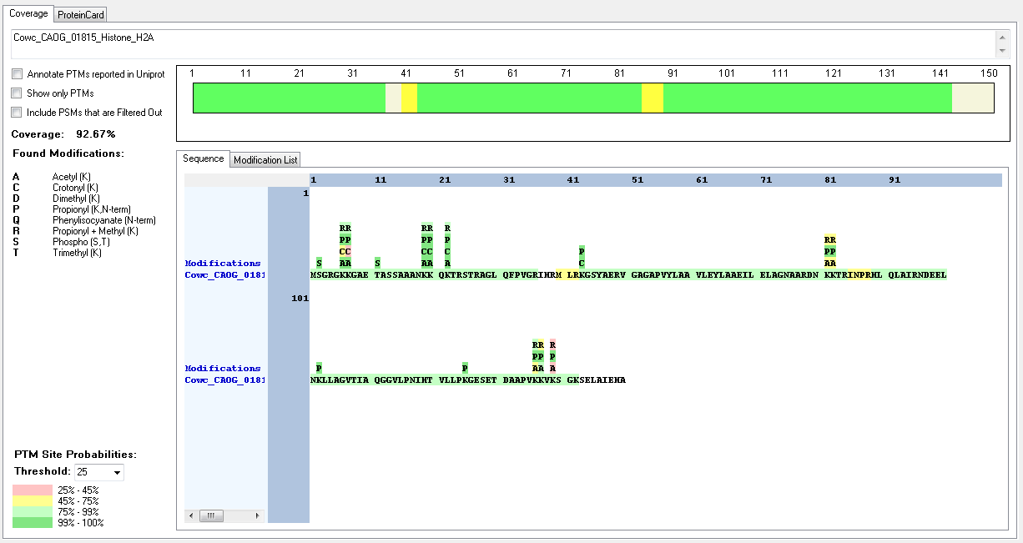
Cowc_CAOG_02251_Histone_H2A | [R].VGAGAPVYLAAVLEYLAAEILELAGNAARDNKKTR.[I] | [50-84] | K | 32 | 81 | Acetyl | 90.35
Cowc_CAOG_02251_Histone_H2A | [R].VGAGAPVYLAAVLEYLAAEILELAGNAARDNKKTR.[I] | [50-84] | K | 32 | 81 | Trimethyl | 85.12
Cowc_CAOG_02251_Histone_H2A | [R].VGAGAPVYLAAVLEYLAAEILELAGNAARDNKKTR.[I] | [50-84] | K | 33 | 82 | Methyl | 90.35
Cowc_CAOG_02251_Histone_H2A | [K].GESEADAAPVKKAASGKK.[G] | [126-143] | K | 11 | 136 | Methyl | 99.08
Cowc_CAOG_02251_Histone_H2A | [K].GESEADAAPVKKAASGKK.[G] | [126-143] | K | 12 | 137 | Acetyl | 84.77
Cowc_CAOG_01815_Histone_H2A | [-].MSGRGKKGAETASSAAANKKQKTR.[S] | [1-24] | S | 2 | 2 | Phospho | 100
Cowc_CAOG_01815_Histone_H2A | [M].SGRGKKGAETASSAAANK.[K] | [2-19] | K | 5 | 6 | Acetyl | 100
Cowc_CAOG_01815_Histone_H2A | [M].SGRGKKGAETASSAAANKKQKTR.[S] | [2-24] | K | 5 | 6 | Crotonyl | 88.28
Cowc_CAOG_01815_Histone_H2A | [M].SGRGKKGAETASSAAANKKQKTR.[S] | [2-24] | K | 5 | 6 | Methyl | 98.84
Cowc_CAOG_01815_Histone_H2A | [M].SGRGKKGAETASSAAANKK.[Q] | [2-20] | K | 5 | 6 | Trimethyl | 83.87
Cowc_CAOG_01815_Histone_H2A | [M].SGRGKKGAETASSAAANKKQK.[T] | [2-22] | K | 6 | 7 | Acetyl | 100
Cowc_CAOG_01815_Histone_H2A | [M].SGRGKKGAETASSAAANKK.[Q] | [2-20] | K | 6 | 7 | Crotonyl | 83.87
Cowc_CAOG_01815_Histone_H2A | [R].GKKGAETASSAAANKKQKTR.[S] | [5-24] | K | 3 | 7 | Methyl | 99.78
Cowc_CAOG_01815_Histone_H2A | [R].GKKGAETASSAAANKKQKTR.[S] | [5-24] | K | 3 | 7 | Trimethyl | 50
Cowc_CAOG_01815_Histone_H2A | [M].SGRGKKGAETASSAAANKKQKTR.[S] | [2-24] | K | 10 | 11 | Phospho | 86.09
Cowc_CAOG_01815_Histone_H2A | [R].GKKGAETASSAAANKKQKTR.[S] | [5-24] | S | 9 | 13 | Phospho | 94.94
Cowc_CAOG_01815_Histone_H2A | [M].SGRGKKGAETASSAAANKKQKTR.[S] | [2-24] | K | 18 | 19 | Acetyl | 100
Cowc_CAOG_01815_Histone_H2A | [K].GAETASSAAANKKQKTRSTR.[A] | [8-27] | K | 12 | 19 | Crotonyl | 100
Cowc_CAOG_01815_Histone_H2A | [K].GAETASSAAANKKQKTR.[S] | [8-24] | K | 12 | 19 | Methyl | 96.14
Cowc_CAOG_01815_Histone_H2A | [M].SGRGKKGAETASSAAANKK.[Q] | [2-20] | K | 18 | 19 | Trimethyl | 83.84
Cowc_CAOG_01815_Histone_H2A | [M].SGRGKKGAETASSAAANKKQK.[T] | [2-22] | K | 19 | 20 | Acetyl | 100
Cowc_CAOG_01815_Histone_H2A | [K].GAETASSAAANKKQKTRSTR.[A] | [8-27] | K | 13 | 20 | Crotonyl | 100
Cowc_CAOG_01815_Histone_H2A | [M].SGRGKKGAETASSAAANKK.[Q] | [2-20] | K | 19 | 20 | Methyl | 83.84
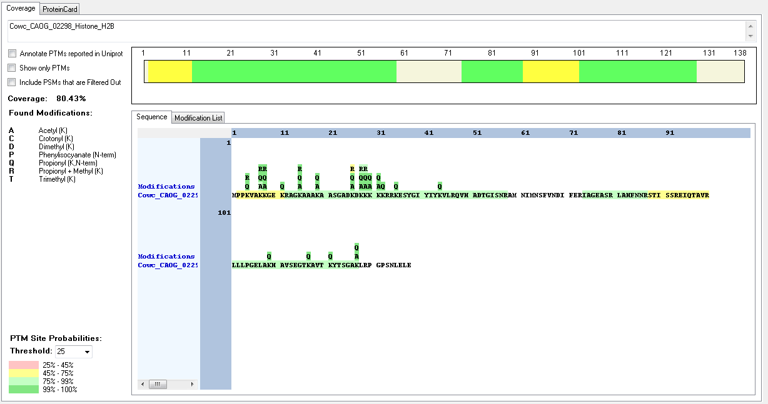
Cowc_CAOG_01815_Histone_H2A | [K].GAETASSAAANKKQKTR.[S] | [8-24] | K | 13 | 20 | Trimethyl | 96.15
Cowc_CAOG_01815_Histone_H2A | [M].SGRGKKGAETASSAAANKKQK.[T] | [2-22] | K | 21 | 22 | Acetyl | 99.93
Cowc_CAOG_01815_Histone_H2A | [K].GAETASSAAANKKQKTRSTR.[A] | [8-27] | K | 15 | 22 | Crotonyl | 100
Cowc_CAOG_01815_Histone_H2A | [R].KGSYAER.[V] | [43-49] | K | 1 | 43 | Crotonyl | 100
Cowc_CAOG_01815_Histone_H2A | [R].KGSYAER.[V] | [43-49] | K | 1 | 43 | Dimethyl | 100
Cowc_CAOG_01815_Histone_H2A | [R].VGAGAPVYLAAVLEYLAAEILELAGNAARDNKKTR.[I] | [50-84] | K | 32 | 81 | Acetyl | 90.35
Cowc_CAOG_01815_Histone_H2A | [R].VGAGAPVYLAAVLEYLAAEILELAGNAARDNKKTR.[I] | [50-84] | K | 32 | 81 | Trimethyl | 85.12
Cowc_CAOG_01815_Histone_H2A | [R].VGAGAPVYLAAVLEYLAAEILELAGNAARDNKKTR.[I] | [50-84] | K | 33 | 82 | Methyl | 90.35
Cowc_CAOG_01815_Histone_H2A | [R].NDEELNKLLAGVTIAQGGVLPNIHTVLLPKGESETDAAPVK.[K] | [96-136] | K | 30 | 125 | Dimethyl | 99.97
Cowc_CAOG_01815_Histone_H2A | [R].NDEELNKLLAGVTIAQGGVLPNIHTVLLPKGESETDAAPVK.[K] | [96-136] | K | 30 | 125 | Methyl | 99.9
Cowc_CAOG_01815_Histone_H2A | [R].NDEELNKLLAGVTIAQGGVLPNIHTVLLPKGESETDAAPVK.[K] | [96-136] | K | 41 | 136 | Dimethyl | 99.9
Cowc_CAOG_01815_Histone_H2A | [R].NDEELNKLLAGVTIAQGGVLPNIHTVLLPKGESETDAAPVK.[K] | [96-136] | K | 41 | 136 | Methyl | 75.16
Cowc_CAOG_01815_Histone_H2A | [R].NDEELNKLLAGVTIAQGGVLPNIHTVLLPKGESETDAAPVK.[K] | [96-136] | K | 41 | 136 | Trimethyl | 82.81
Cowc_CAOG_01815_Histone_H2A | [K].GESETDAAPVKKVKSGK.[S] | [126-142] | K | 12 | 137 | Methyl | 95.19
Cowc_CAOG_01815_Histone_H2A | [K].GESETDAAPVKKVKSGK.[S] | [126-142] | K | 12 | 138 | Acetyl | 95.19
Cowc_CAOG_02298_Histone_H2B | [M].PPKVAKKGEKR.[A] | [2-12] | K | 3 | 4 | Dimethyl | 99.31
Cowc_CAOG_02298_Histone_H2B | [M].PPKVAKKGEKR.[A] | [2-12] | K | 6 | 7 | Dimethyl | 99.31
Cowc_CAOG_02298_Histone_H2B | [M].PPKVAKKGEK.[R] | [2-11] | K | 7 | 8 | Trimethyl | 100
Cowc_CAOG_02298_Histone_H2B | [M].PPKVAKKGEK.[R] | [2-11] | K | 10 | 11 | Dimethyl | 99.68
Cowc_CAOG_02298_Histone_H2B | [R].AGKAAAKAASGADK.[D] | [13-26] | K | 3 | 15 | Acetyl | 100
Cowc_CAOG_02298_Histone_H2B | [R].AGKAAAKAASGADKDKKK.[K] | [13-30] | K | 3 | 15 | Dimethyl | 100
Cowc_CAOG_02298_Histone_H2B | [R].AGKAAAKAASGADK.[D] | [13-26] | K | 7 | 19 | Acetyl | 100
Cowc_CAOG_02298_Histone_H2B | [R].AGKAAAKAASGADKDKKK.[K] | [13-30] | K | 14 | 26 | Acetyl | 100
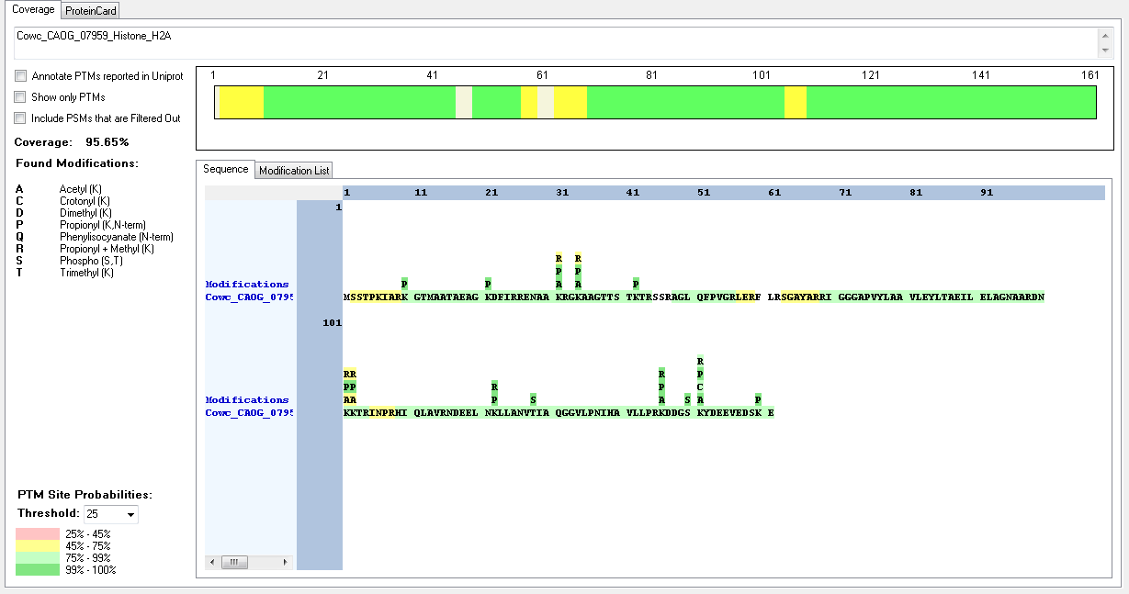
Cowc_CAOG_02298_Histone_H2B | [R].AGKAAAKAASGADKDKKK.[K] | [13-30] | K | 16 | 28 | Acetyl | 100
Cowc_CAOG_02298_Histone_H2B | [K].AAAKAASGADKDKKK.[K] | [16-30] | K | 13 | 28 | Dimethyl | 84.7
Cowc_CAOG_02298_Histone_H2B | [K].AASGADKDKKKK.[K] | [20-31] | K | 9 | 28 | Methyl | 95.45
Cowc_CAOG_02298_Histone_H2B | [R].AGKAAAKAASGADKDKKK.[K] | [13-30] | K | 17 | 29 | Acetyl | 100
Cowc_CAOG_02298_Histone_H2B | [K].AAAKAASGADKDKKKK.[K] | [16-31] | K | 14 | 29 | Methyl | 81.99
Cowc_CAOG_02298_Histone_H2B | [R].AGKAAAKAASGADKDKKK.[K] | [13-30] | K | 18 | 30 | Acetyl | 100
Cowc_CAOG_02298_Histone_H2B | [K].AAAKAASGADKDKKKK.[K] | [16-31] | K | 15 | 30 | Methyl | 86.94
Cowc_CAOG_02298_Histone_H2B | [R].AGKAAAKAASGADKDKKKK.[K] | [13-31] | K | 19 | 31 | Acetyl | 100
Cowc_CAOG_02298_Histone_H2B | [M].PPKVAKKGEKR.[A] | [2-12] | K | 3 | 4 | Trimethyl | 98.78
Cowc_CAOG_02298_Histone_H2B | [M].PPKVAKKGEKR.[A] | [2-12] | K | 6 | 7 | Methyl | 99.39
Cowc_CAOG_02298_Histone_H2B | [M].PPKVAKKGEKR.[A] | [2-12] | K | 7 | 8 | Methyl | 99.39
Cowc_CAOG_02298_Histone_H2B | [M].PPKVAKKGEKR.[A] | [2-12] | K | 3 | 4 | Methyl | 99.23
Cowc_CAOG_02298_Histone_H2B | [M].PPKVAKKGEKR.[A] | [2-12] | K | 6 | 7 | Acetyl | 98.61
Cowc_CAOG_02298_Histone_H2B | [M].PPKVAKKGEKR.[A] | [2-12] | K | 7 | 8 | Acetyl | 99.23
Cowc_CAOG_07959_Histone_H2A | [R].ENAAKRGKAAGTTSTKTR.[S] | [27-44] | K | 5 | 31 | Acetyl | 100
Cowc_CAOG_07959_Histone_H2A | [R].ENAAKRGKAAGTTSTKTR.[S] | [27-44] | K | 5 | 31 | Methyl | 50
Cowc_CAOG_07959_Histone_H2A | [R].ENAAKRGKAAGTTSTKTR.[S] | [27-44] | K | 8 | 34 | Acetyl | 100
Cowc_CAOG_07959_Histone_H2A | [R].ENAAKRGKAAGTTSTKTR.[S] | [27-44] | K | 8 | 34 | Methyl | 50
Cowc_CAOG_07959_Histone_H2A | [R].IGGGAPVYLAAVLEYLTAEILELAGNAARDNKKTR.[I] | [70-104] | K | 32 | 101 | Acetyl | 60.63
Cowc_CAOG_07959_Histone_H2A | [R].IGGGAPVYLAAVLEYLTAEILELAGNAARDNKKTR.[I] | [70-104] | K | 32 | 101 | Methyl | 50
Cowc_CAOG_07959_Histone_H2A | [R].IGGGAPVYLAAVLEYLTAEILELAGNAARDNKKTR.[I] | [70-104] | K | 33 | 102 | Acetyl | 50
Cowc_CAOG_07959_Histone_H2A | [R].IGGGAPVYLAAVLEYLTAEILELAGNAARDNKKTR.[I] | [70-104] | K | 33 | 102 | Methyl | 50
Cowc_CAOG_07959_Histone_H2A | [R].HIQLAVRNDEELNKLLANVTIAQGGVLPNIHAVLLPR.[K] | [109-145] | K | 14 | 122 | Dimethyl | 85.51
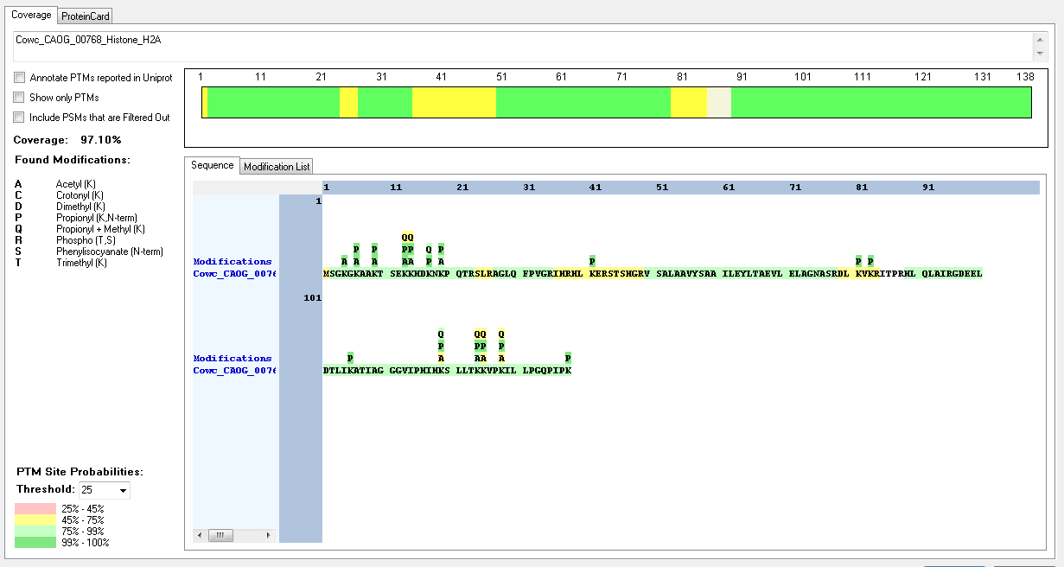
Cowc_CAOG_07959_Histone_H2A | [R].HIQLAVRNDEELNKLLANVTIAQGGVLPNIHAVLLPR.[K] | [109-145] | K | 14 | 122 | Methyl | 100
Cowc_CAOG_07959_Histone_H2A | [R].HIQLAVRNDEELNKLLANVTIAQGGVLPNIHAVLLPR.[K] | [109-145] | T | 20 | 128 | Phospho | 100
Cowc_CAOG_07959_Histone_H2A | [R].KDDGSKYDEEVEDSKE.[-] | [146-161] | K | 1 | 146 | Acetyl | 100
Cowc_CAOG_07959_Histone_H2A | [R].KDDGSKYDEEVEDSKE.[-] | [146-161] | K | 1 | 146 | Dimethyl | 100
Cowc_CAOG_07959_Histone_H2A | [R].KDDGSKYDEEVEDSKE.[-] | [146-161] | K | 1 | 146 | Methyl | 99.43
Cowc_CAOG_07959_Histone_H2A | [R].KDDGSKYDEEVEDSKE.[-] | [146-161] | K | 1 | 146 | Trimethyl | 94.56
Cowc_CAOG_07959_Histone_H2A | [R].KDDGSKYDEEVEDSKE.[-] | [146-161] | S | 5 | 150 | Phospho | 100
Cowc_CAOG_07959_Histone_H2A | [R].KDDGSKYDEEVEDSKE.[-] | [146-161] | K | 6 | 151 | Acetyl | 100
Cowc_CAOG_07959_Histone_H2A | [R].KDDGSKYDEEVEDSKE.[-] | [146-161] | K | 6 | 151 | Crotonyl | 94.56
Cowc_CAOG_07959_Histone_H2A | [R].KDDGSKYDEEVEDSKE.[-] | [146-161] | K | 6 | 151 | Trimethyl | 94.43
Cowc_CAOG_00768_Histone_H2A | [M].SGKGKAAKTSEK.[K] | [2-13] | K | 3 | 4 | Acetyl | 100
Cowc_CAOG_00768_Histone_H2A | [M].SGKGKAAKTSEK.[K] | [2-13] | K | 5 | 6 | Acetyl | 100
Cowc_CAOG_00768_Histone_H2A | [K].GKAAKTSEKK.[H] | [5-14] | K | 5 | 9 | Acetyl | 100
Cowc_CAOG_00768_Histone_H2A | [K].TSEKKHDKNKPQTR.[S] | [10-23] | K | 4 | 13 | Acetyl | 99.82
Cowc_CAOG_00768_Histone_H2A | [K].GKAAKTSEKK.[H] | [5-14] | K | 9 | 13 | Acetyl | 99.64
Cowc_CAOG_00768_Histone_H2A | [K].TSEKKHDKNKPQTR.[S] | [10-23] | K | 5 | 14 | Acetyl | 50
Cowc_CAOG_00768_Histone_H2A | [R].HLQLAIRGDEELDTLIKATIAGGGVIPHIHKSLLTKK.[V] | [89-125] | K | 31 | 119 | Methyl | 96.47
Cowc_CAOG_00768_Histone_H2A | [K].SLLTKKVPKILLPGQPIPK.[-] | [120-138] | K | 5 | 124 | Methyl | 85.39
Cowc_CAOG_00768_Histone_H2A | [K].SLLTKKVPKILLPGQPIPK.[-] | [120-138] | K | 6 | 125 | Acetyl | 79.1
Cowc_CAOG_00768_Histone_H2A | [K].KVPKILLPGQPIPK.[-] | [125-138] | K | 1 | 125 | Methyl | 93.5
Cowc_CAOG_00768_Histone_H2A | [K].KVPKILLPGQPIPK.[-] | [125-138] | K | 4 | 128 | Acetyl | 93.5
Cowc_CAOG_00768_Histone_H2A | [K].ATIAGGGVIPHIHKSLLTK.[K] | [106-124] | K | 14 | 129 | Acetyl | 50
Cowc_CAOG_00768_Histone_H2A | [K].ATIAGGGVIPHIHKSLLTK.[K] | [106-124] | K | 14 | 129 | Methyl | 50
Cowc_CAOG_00768_Histone_H2A | [K].ATIAGGGVIPHIHKSLLTK.[K] | [106-124] | K | 19 | 134 | Acetyl | 50
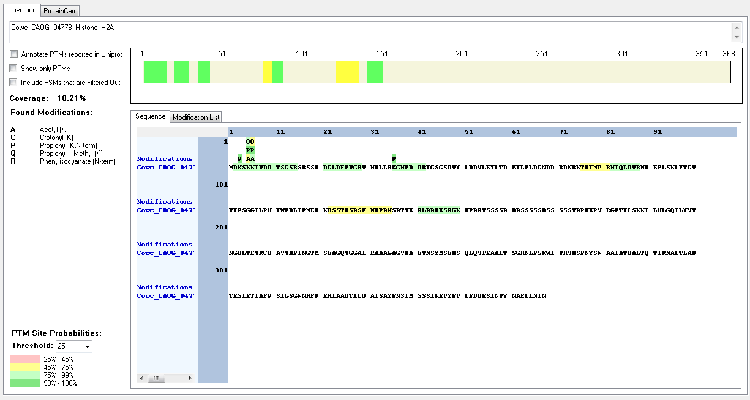
Cowc_CAOG_00768_Histone_H2A | [K].ATIAGGGVIPHIHKSLLTK.[K] | [106-124] | K | 19 | 134 | Methyl | 50
Cowc_CAOG_04778_Histone_H2A | [K].ALAAAKSAGK.[K] | [141-150] | K | 6 | 146 | Methyl | 99.32
Cowc_CAOG_04778_Histone_H2A | [K].ALAAAKSAGK.[K] | [141-150] | K | 10 | 150 | Crotonyl | 99.32
Cowc_CAOG_04778_Histone_H2A | [M].AKSKKIVAATSGSR.[S] | [2-15] | K | 4 | 5 | Acetyl | 93.85
Cowc_CAOG_02343_Histone_H4 | [M].TGRGKGGKGLGK.[G] | [2-13] | K | 5 | 6 | Acetyl | 100
Cowc_CAOG_02343_Histone_H4 | [R].GKGGKGLGKGGAKR.[H] | [5-18] | K | 2 | 6 | Crotonyl | 100
Cowc_CAOG_02343_Histone_H4 | [M].TGRGKGGKGLGKGGAKR.[H] | [2-18] | K | 8 | 9 | Acetyl | 100
Cowc_CAOG_02343_Histone_H4 | [R].GKGGKGLGKGGAKR.[H] | [5-18] | K | 5 | 9 | Crotonyl | 100
Cowc_CAOG_02343_Histone_H4 | [K].GLGKGGAKR.[H] | [10-18] | K | 4 | 13 | Acetyl | 100
Cowc_CAOG_02343_Histone_H4 | [K].GLGKGGAKR.[H] | [10-18] | K | 8 | 17 | Acetyl | 100
Cowc_CAOG_02343_Histone_H4 | [R].HRKILR.[D] | [19-24] | K | 3 | 21 | Acetyl | 100
Cowc_CAOG_02343_Histone_H4 | [R].KILRDNIQGITKPAIR.[R] | [21-36] | K | 3 | 21 | Dimethyl | 100
Cowc_CAOG_02343_Histone_H4 | [R].HRKILRDNIQGITKPAIR.[R] | [19-36] | K | 3 | 21 | Methyl | 100
Cowc_CAOG_02343_Histone_H4 | [R].KILRDNIQGITKPAIR.[R] | [21-36] | K | 12 | 32 | Acetyl | 89.49

Chlamydomonas_reindhardti
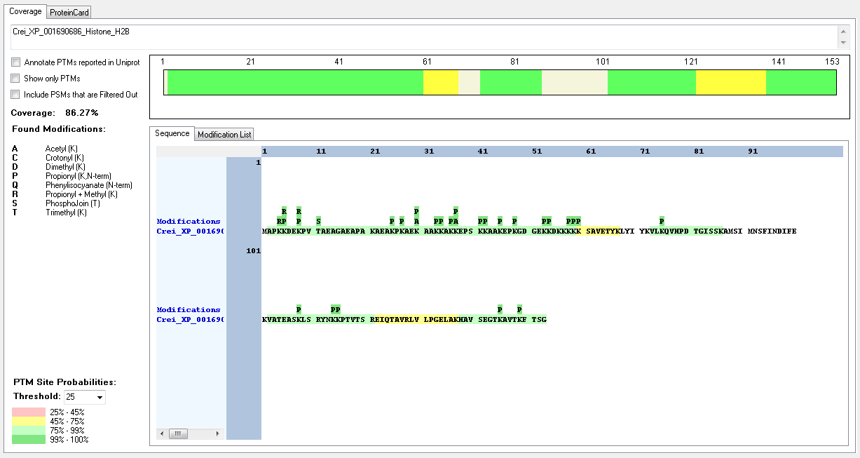
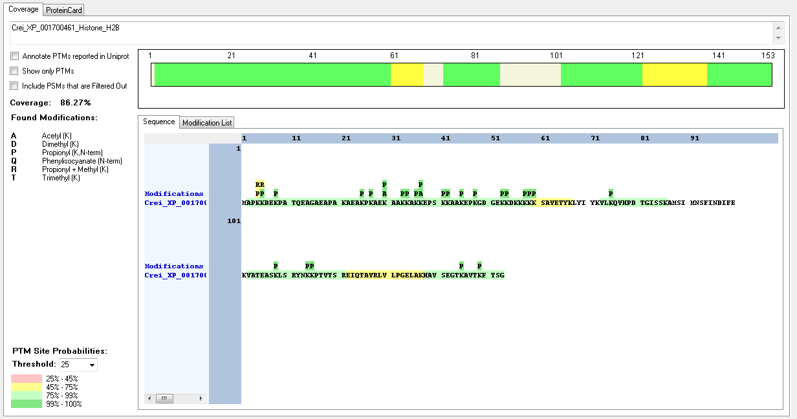
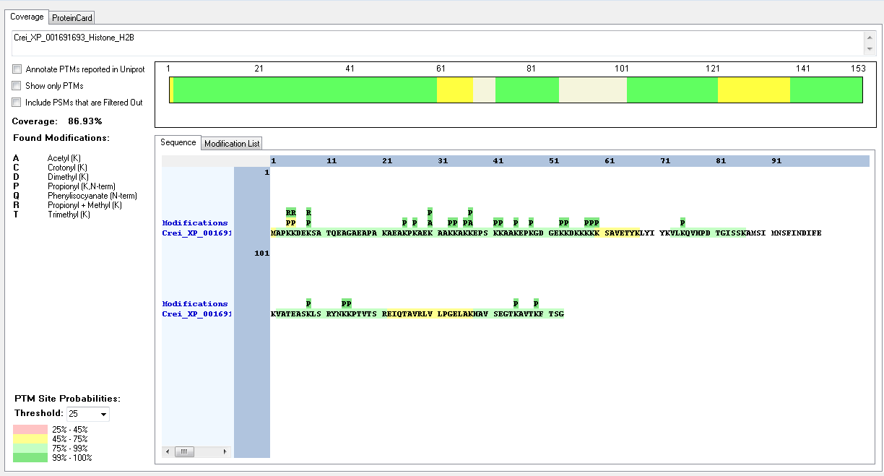
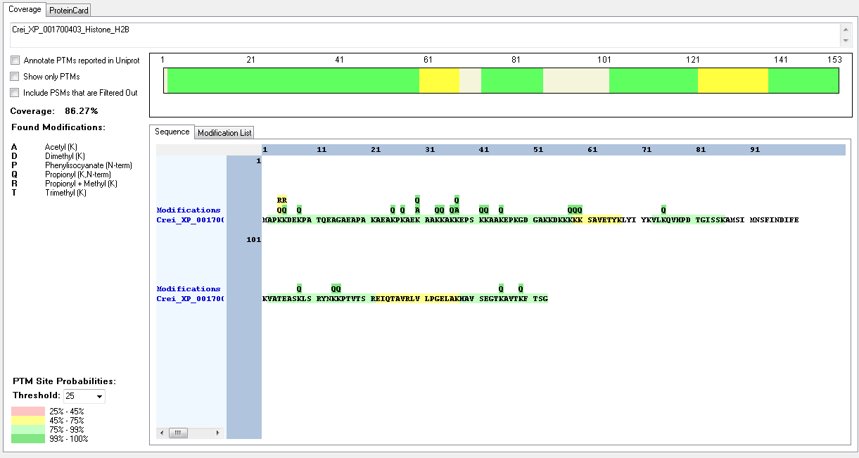
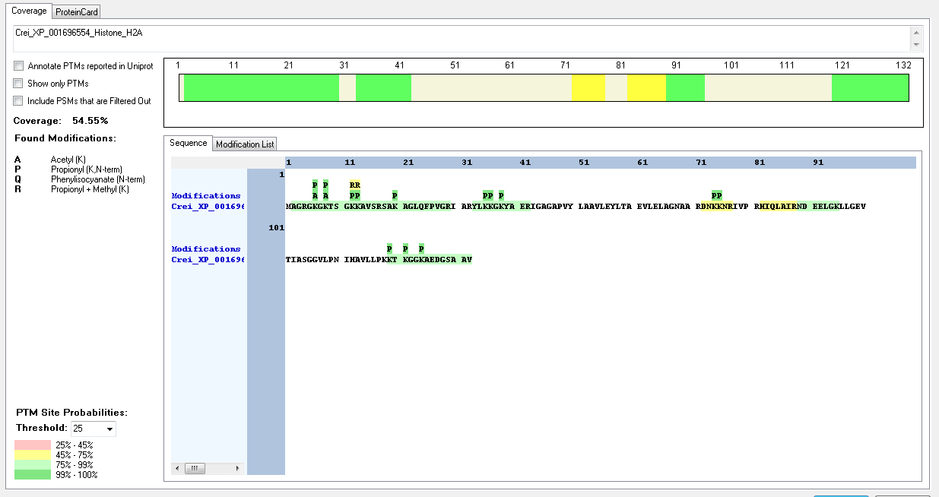
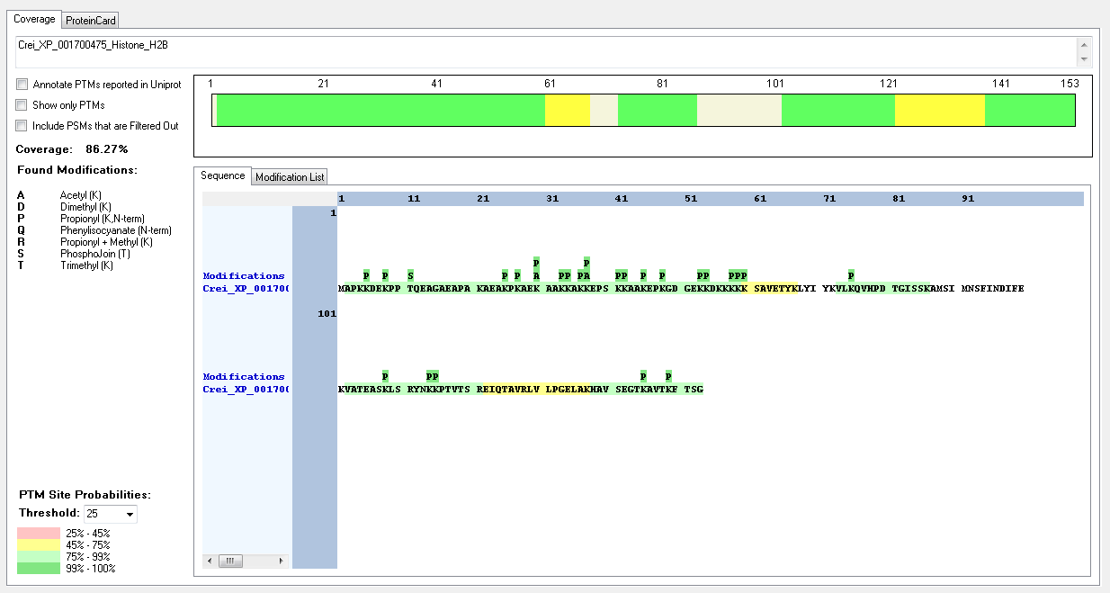
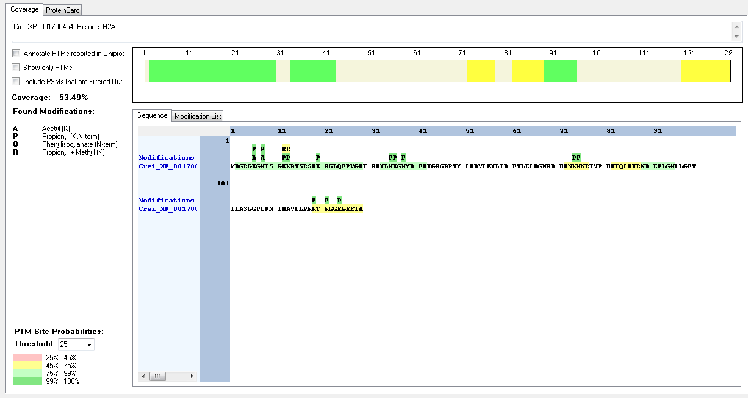
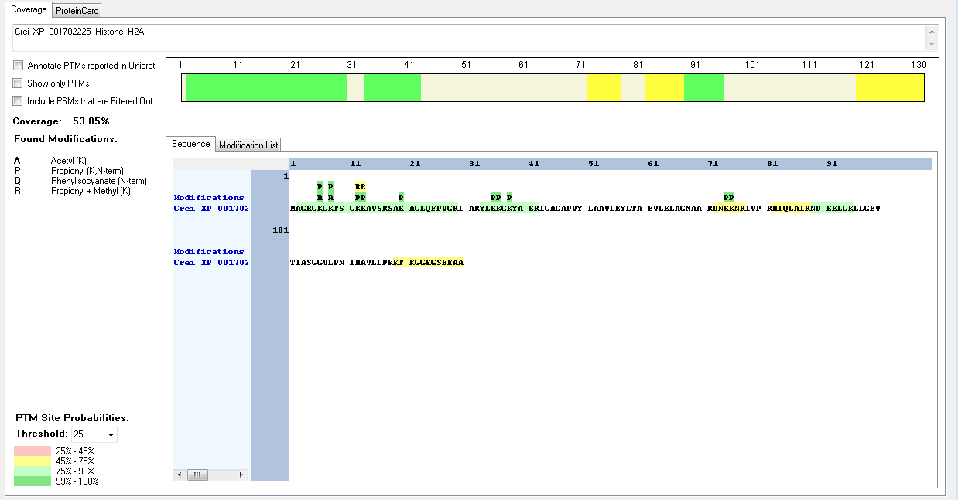
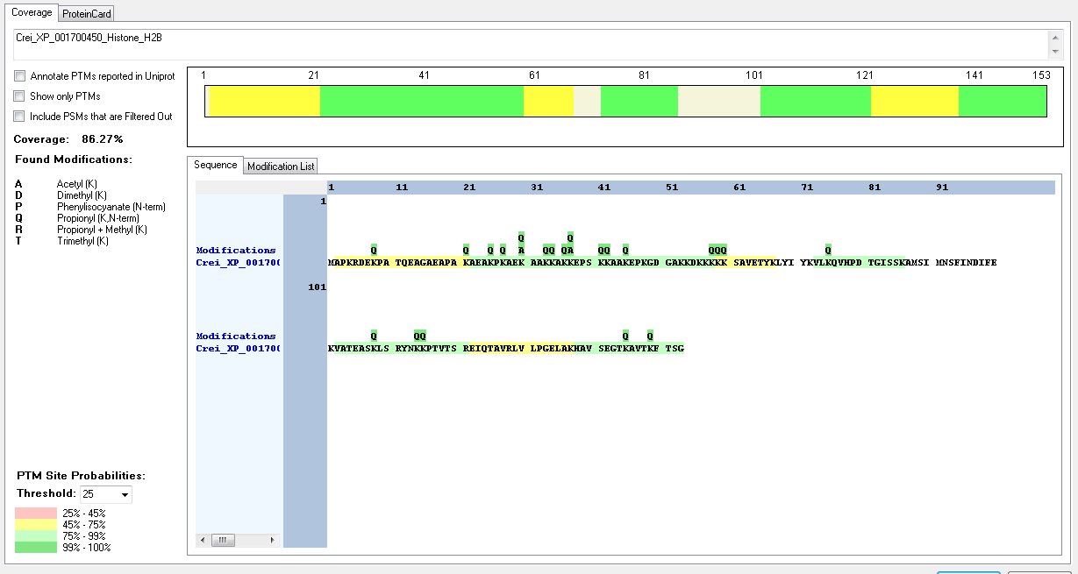
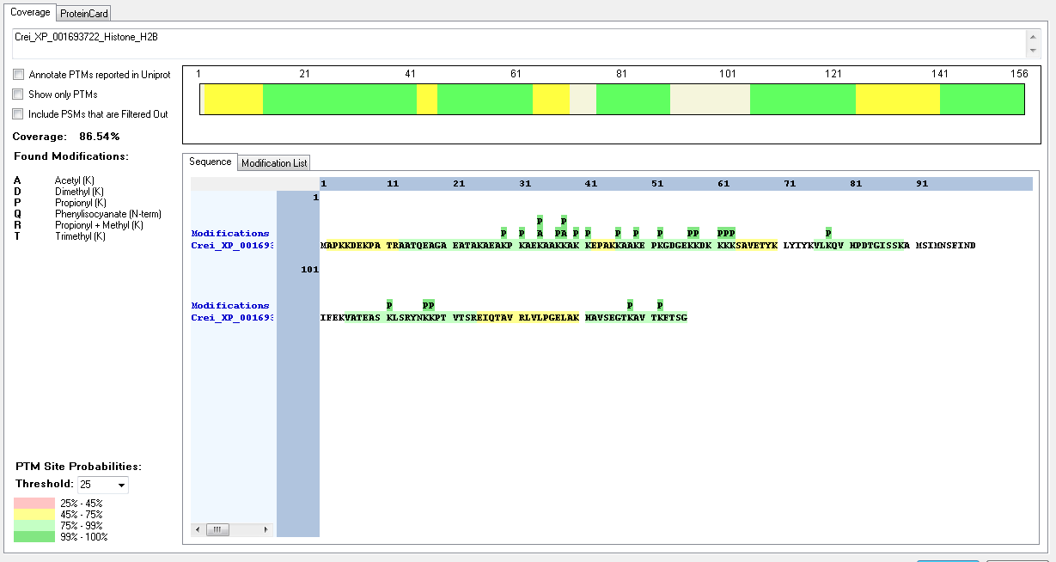
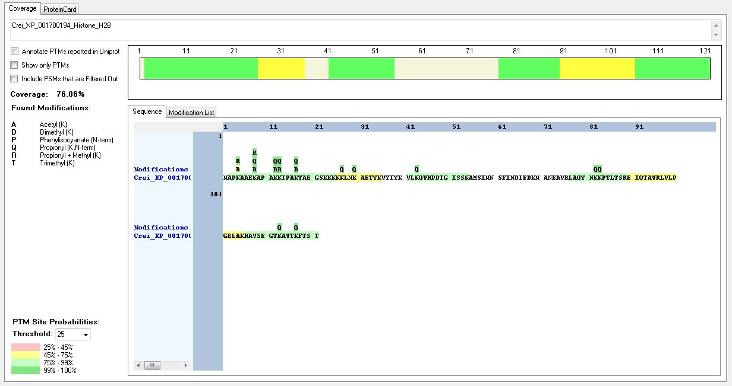
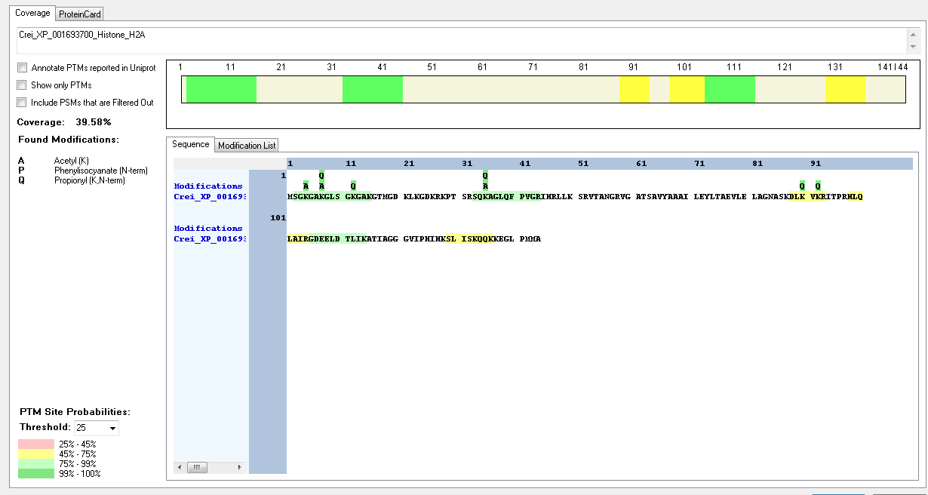
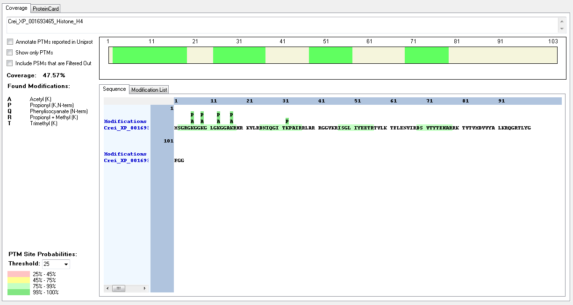
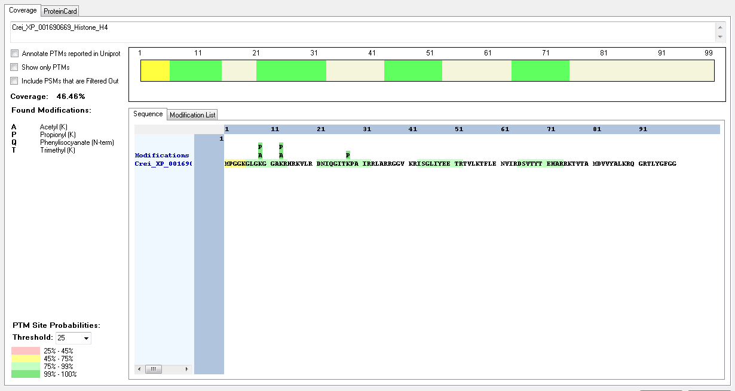
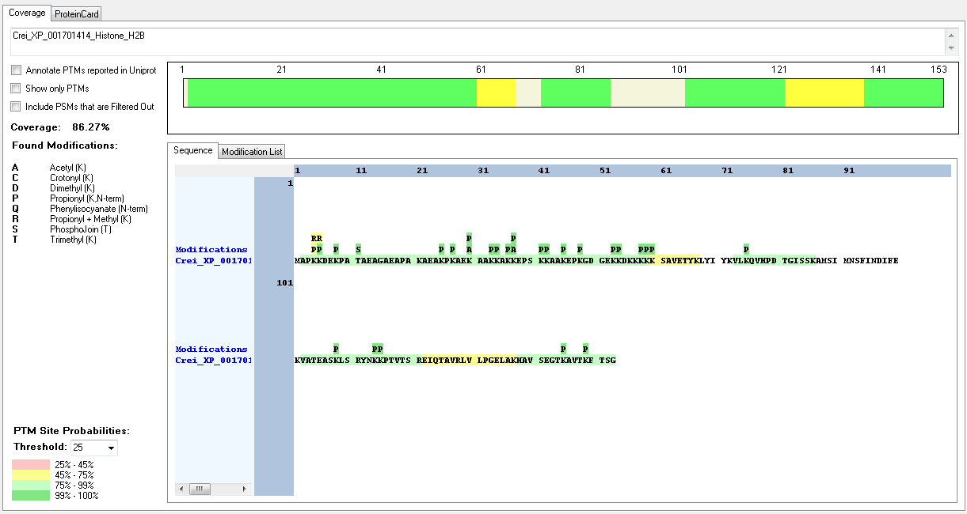
Protein ID | Peptide Sequence | Peptide position | Residue | Position in peptide | Positions in Protein | Modification | ptmRS: Best Site Probabilities
Crei_XP_001701414_Histone_H2B | [M].APKKDEKPATAEAGAEAPAKAEAKPK.[A] | [2-27] | K | 3 | 4 | Methyl | 60.97
Crei_XP_001701414_Histone_H2B | [M].APKKDEKPATAEAGAEAPAKAEAKPK.[A] | [2-27] | K | 4 | 5 | Trimethyl | 90.82
Crei_XP_001701414_Histone_H2B | [K].KDEKPATAEAGAEAPAKAEAKPK.[A] | [5-27] | K | 5 | 5 | Dimethyl | 94.66
Crei_XP_001701414_Histone_H2B | [M].APKKDEKPATAEAGAEAPAK.[A] | [2-21] | K | 7 | 8 | Methyl | 91.42
Crei_XP_001701414_Histone_H2B | [M].APKKDEKPATAEAGAEAPAK.[A] | [2-21] | K | 7 | 8 | Dimethyl | 69.85
Crei_XP_001701414_Histone_H2B | [K].KDEKPATAEAGAEAPAKAEAKPK.[A] | [5-27] | K | 4 | 8 | Crotonyl | 94.66
Crei_XP_001701414_Histone_H2B | [K].AEKAAKKAKK.[E] | [28-37] | K | 3 | 30 | Acetyl | 100
Crei_XP_001701414_Histone_H2B | [M].APKKDEKPATAEAGAEAPAK.[A] | [2-21] | K | 3 | 30 | Trimethyl | 99.31
Crei_XP_001701414_Histone_H2B | [K].KEPSKKAAKEPK.[G] | [37-48] | K | 1 | 37 | Acetyl | 100
Crei_XP_001693071_Histone_H2B | [K].KDAAAPEAAEPKAEKESKPK.[A] | [9-28] | K | 15 | 23 | Methyl | 91.9
Crei_XP_001693071_Histone_H2B | [K].KDAAAPEAAEPKAEKESKPK.[A] | [9-28] | K | 18 | 26 | Acetyl | 91.37
Crei_XP_001693071_Histone_H2B | [K].KGKKKSSVETYK.[L] | [58-69] | K | 3 | 60 | Acetyl | 100
Crei_XP_001693071_Histone_H2B | [K].KGKKKSSVETYK.[L] | [58-69] | K | 4 | 61 | Methyl | 99.44
Crei_XP_001696245_Histone_H2B | [M].APKKDEKPATAEAGAEAPAKAEAKPK.[A] | [2-27] | K | 3 | 4 | Methyl | 60.97
Crei_XP_001696245_Histone_H2B | [M].APKKDEKPATAEAGAEAPAK.[A] | [2-21] | K | 3 | 4 | Trimethyl | 99.31
Crei_XP_001696245_Histone_H2B | [K].KDEKPATAEAGAEAPAKAEAKPK.[A] | [5-27] | K | 5 | 5 | Dimethyl | 94.66
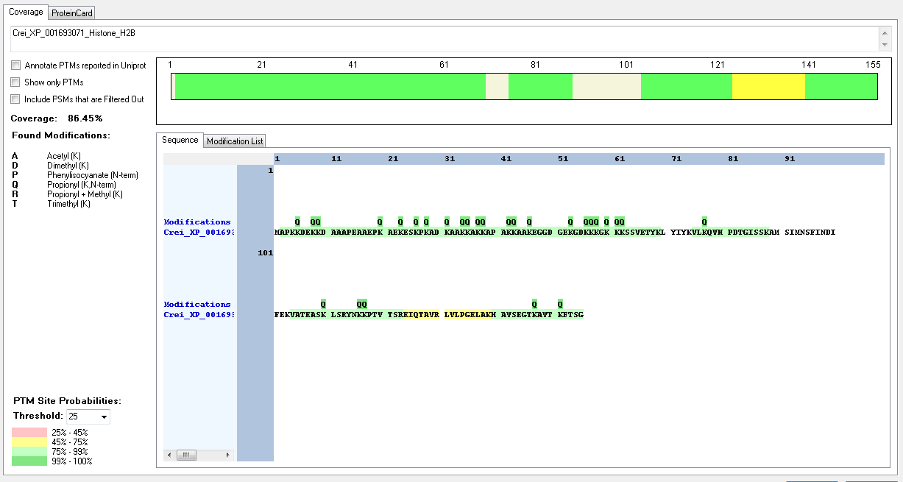
Crei_XP_001696245_Histone_H2B | [M].APKKDEKPATAEAGAEAPAKAEAKPK.[A] | [2-27] | K | 4 | 5 | Trimethyl | 90.82
Crei_XP_001696245_Histone_H2B | [K].KDEKPATAEAGAEAPAKAEAKPK.[A] | [5-27] | K | 4 | 8 | Crotonyl | 94.66
Crei_XP_001696245_Histone_H2B | [M].APKKDEKPATAEAGAEAPAK.[A] | [2-21] | K | 7 | 8 | Dimethyl | 69.85
Crei_XP_001696245_Histone_H2B | [M].APKKDEKPATAEAGAEAPAK.[A] | [2-21] | K | 7 | 8 | Methyl | 91.42
Crei_XP_001696245_Histone_H2B | [K].KDEKPATAEAGAEAPAKAEAKPK.[A] | [5-27] | T | 7 | 11 | Phospho | 100
Crei_XP_001696245_Histone_H2B | [K].KDEKPATAEAGAEAPAKAEAKPK.[A] | [5-27] | K | 21 | 25 | Dimethyl | 88.98
Crei_XP_001696245_Histone_H2B | [K].KDEKPATAEAGAEAPAKAEAKPK.[A] | [5-27] | K | 23 | 27 | Methyl | 89.48
Crei_XP_001696245_Histone_H2B | [K].AEKAAKKAKK.[E] | [28-37] | K | 3 | 30 | Acetyl | 100
Crei_XP_001692948_Histone_H2B | [M].APKKDEKKDAAAPEAAEPKAEK.[E] | [2-23] | K | 3 | 4 | Methyl | 64.42
Crei_XP_001692948_Histone_H2B | [M].APKKDEKKDAAAPEAAEPKAEK.[E] | [2-23] | K | 3 | 4 | Trimethyl | 93.84
Crei_XP_001692948_Histone_H2B | [M].APKKDEKKDAAAPEAAEPKAEK.[E] | [2-23] | K | 4 | 5 | Methyl | 64.42
Crei_XP_001692948_Histone_H2B | [M].APKKDEKKDAAAPEAAEPK.[A] | [2-20] | K | 7 | 8 | Methyl | 80.01
Crei_XP_001692948_Histone_H2B | [K].KDAAAPEAAEPKAEKESKPK.[A] | [9-28] | K | 15 | 23 | Methyl | 91.9
Crei_XP_001692948_Histone_H2B | [K].KDAAAPEAAEPKAEKESKPK.[A] | [9-28] | K | 18 | 24 | Acetyl | 91.37
Crei_XP_001692948_Histone_H2B | [K].KGKKKSSVETYK.[L] | [58-69] | K | 3 | 60 | Acetyl | 99.69
Crei_XP_001692948_Histone_H2B | [K].KGKKKSSVETYK.[L] | [58-69] | K | 4 | 61 | Methyl | 99.44
Crei_XP_001696556_Histone_H2B | [M].APKKDEKPATAEAGAEAPAKAEAKPK.[A] | [2-27] | K | 4 | 4 | Dimethyl | 55.79
Crei_XP_001696556_Histone_H2B | [M].APKKDEKPATAEAGAEAPAKAEAKPK.[A] | [2-27] | K | 3 | 4 | Methyl | 60.97
Crei_XP_001696556_Histone_H2B | [M].APKKDEKPATAEAGAEAPAK.[A] | [2-21] | K | 3 | 4 | Trimethyl | 99.31
Crei_XP_001696556_Histone_H2B | [K].KDEKPATAEAGAEAPAKAEAKPK.[A] | [5-27] | K | 1 | 5 | Dimethyl | 94.66
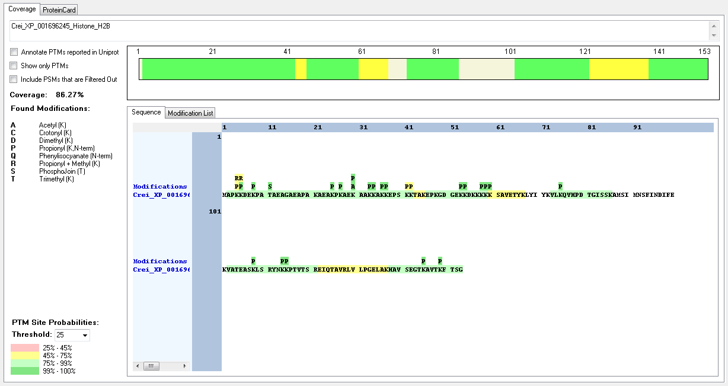
Crei_XP_001696556_Histone_H2B | [K].KDEKPATAEAGAEAPAKAEAKPK.[A] | [5-27] | K | 4 | 8 | Crotonyl | 94.66
Crei_XP_001696556_Histone_H2B | [M].APKKDEKPATAEAGAEAPAK.[A] | [2-21] | K | 7 | 8 | Dimethyl | 69.85
Crei_XP_001696556_Histone_H2B | [M].APKKDEKPATAEAGAEAPAK.[A] | [2-21] | K | 7 | 8 | Methyl | 91.42
Crei_XP_001696556_Histone_H2B | [K].KDEKPATAEAGAEAPAKAEAKPK.[A] | [5-27] | T | 7 | 11 | Phospho | 100
Crei_XP_001696556_Histone_H2B | [K].KDEKPATAEAGAEAPAKAEAKPK.[A] | [5-27] | K | 21 | 24 | Dimethyl | 88.98
Crei_XP_001696556_Histone_H2B | [K].KDEKPATAEAGAEAPAKAEAKPK.[A] | [5-27] | K | 23 | 27 | Methyl | 89.48
Crei_XP_001696556_Histone_H2B | [K].AEKAAKKAKK.[E] | [28-37] | K | 3 | 30 | Acetyl | 100
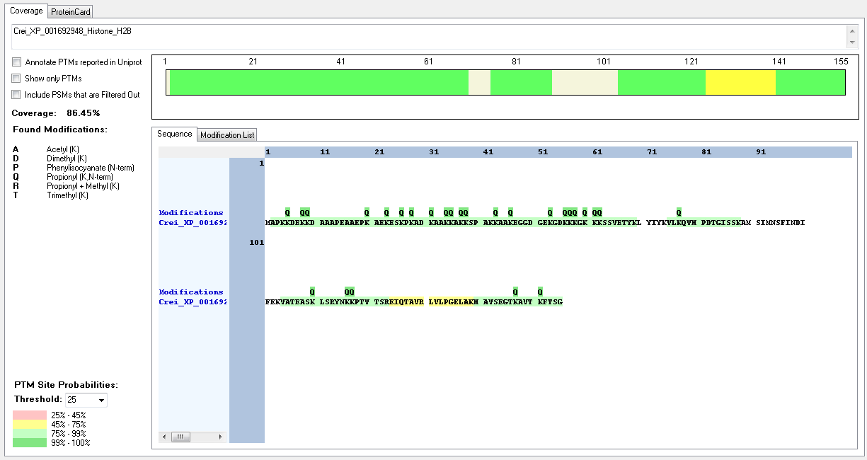
Crei_XP_001696556_Histone_H2B | [K].KEPSKKAAKEPK.[G] | [37-48] | K | 1 | 37 | Acetyl | 100
Crei_XP_001691541_Histone_H2B | [M].APKKDEKPATAEAGAEAPAKAEAKPK.[A] | [2-27] | K | 3 | 4 | Methyl | 60.97
Crei_XP_001691541_Histone_H2B | [M].APKKDEKPATAEAGAEAPAKAEAKPK.[A] | [2-27] | K | 3 | 4 | Trimethyl | 99.31
Crei_XP_001691541_Histone_H2B | [K].KDEKPATAEAGAEAPAKAEAKPK.[A] | [5-27] | K | 1 | 5 | Dimethyl | 94.66
Crei_XP_001691541_Histone_H2B | [M].APKKDEKPATAEAGAEAPAKAEAKPK.[A] | [2-27] | K | 4 | 5 | Trimethyl | 90.82
Crei_XP_001691541_Histone_H2B | [K].KDEKPATAEAGAEAPAKAEAKPK.[A] | [5-27] | K | 4 | 8 | Crotonyl | 94.66
Crei_XP_001691541_Histone_H2B | [M].APKKDEKPATAEAGAEAPAK.[A] | [2-21] | K | 7 | 8 | Methyl | 91.42
Crei_XP_001691541_Histone_H2B | [K].KDEKPATAEAGAEAPAKAEAKPK.[A] | [5-27] | T | 7 | 11 | Phospho | 100
Crei_XP_001691541_Histone_H2B | [K].KDEKPATAEAGAEAPAKAEAKPK.[A] | [5-27] | K | 23 | 27 | Methyl | 89.48
Crei_XP_001691541_Histone_H2B | [K].KAKKEPAK.[K] | [34-41] | K | 1 | 34 | Acetyl | 100
Crei_XP_001691541_Histone_H2B | [K].KAKKEPAKK.[A] | [34-42] | K | 4 | 37 | Dimethyl | 98.85
Crei_XP_001702226_Histone_H2B | [M].APKKDEKPATQEAAAEAPAK.[A] | [2-21] | K | 3 | 4 | Dimethyl | 93.66
Crei_XP_001702226_Histone_H2B | [M].APKKDEKPATQEAAAEAPAK.[A] | [2-21] | K | 3 | 4 | Trimethyl | 89.22
Crei_XP_001702226_Histone_H2B | [M].APKKDEKPATQEAAAEAPAKAEAKPK.[A] | [2-27] | K | 4 | 5 | Dimethyl | 59.86
Crei_XP_001702226_Histone_H2B | [M].APKKDEKPATQEAAAEAPAK.[A] | [2-21] | K | 4 | 5 | Methyl | 93.67
Crei_XP_001702226_Histone_H2B | [M].APKKDEKPATQEAAAEAPAKAEAKPK.[A] | [2-27] | K | 7 | 8 | Crotonyl | 71.2
Crei_XP_001702226_Histone_H2B | [M].APKKDEKPATQEAAAEAPAKAEAKPK.[A] | [2-27] | T | 10 | 11 | Phospho | 100
Crei_XP_001702226_Histone_H2B | [M].APKKDEKPATQEAAAEAPAKAEAKPK.[A] | [2-27] | K | 20 | 21 | Trimethyl | 74.61
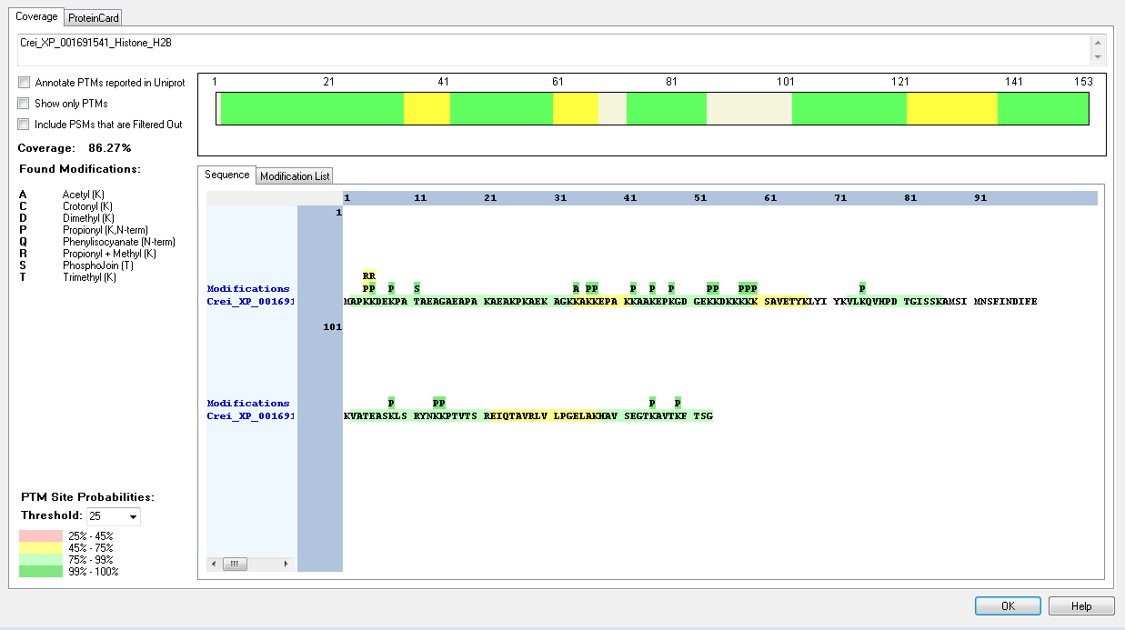
Crei_XP_001702226_Histone_H2B | [M].APKKDEKPATQEAAAEAPAKAEAKPK.[A] | [2-27] | K | 24 | 25 | Dimethyl | 86.73
Crei_XP_001702226_Histone_H2B | [M].APKKDEKPATQEAAAEAPAKAEAKPK.[A] | [2-27] | K | 26 | 27 | Acetyl | 67.56
Crei_XP_001702226_Histone_H2B | [K].AEKAAKKAKK.[E] | [28-37] | K | 3 | 30 | Acetyl | 100
Crei_XP_001702226_Histone_H2B | [K].KEPSKKAAKEPK.[G] | [37-48] | K | 1 | 37 | Acetyl | 100
Crei_XP_001696283_Histone_H2B | [M].APKKDEKPATAEAGAEAPAK.[A] | [2-21] | K | 3 | 4 | Trimethyl | 99.31
Crei_XP_001696283_Histone_H2B | [M].APKKDEKPATAEAGAEAPAK.[A] | [2-21] | K | 4 | 5 | Dimethyl | 51.46
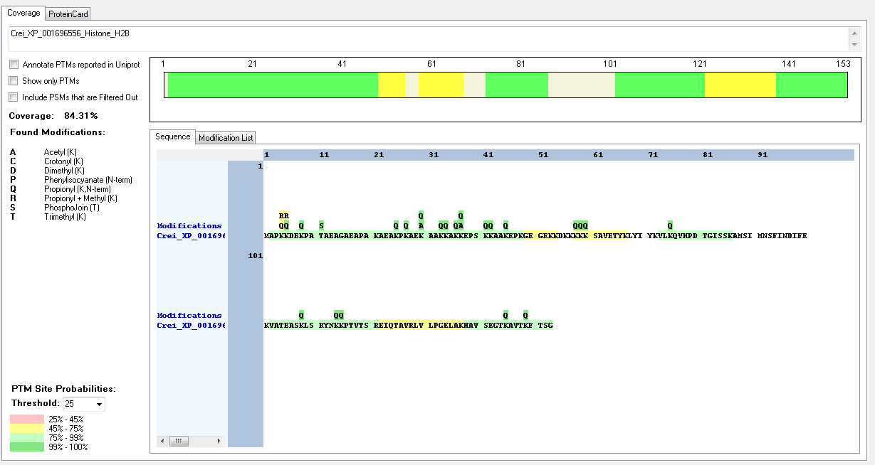
Crei_XP_001696283_Histone_H2B | [M].APKKDEKPATAEAGAEAPAK.[A] | [2-21] | K | 7 | 8 | Dimethyl | 69.85
Crei_XP_001696283_Histone_H2B | [M].APKKDEKPATAEAGAEAPAK.[A] | [2-21] | K | 7 | 8 | Methyl | 91.42
Crei_XP_001696283_Histone_H2B | [K].KDEKPATAEAGAEAPAKADAKPK.[A] | [5-27] | K | 21 | 25 | Methyl | 98.49
Crei_XP_001696283_Histone_H2B | [K].AEKAAKKAKK.[E] | [28-37] | K | 3 | 30 | Acetyl | 100
Crei_XP_001696283_Histone_H2B | [K].KEPSKKAAKEPK.[G] | [37-48] | K | 1 | 37 | Acetyl | 100
Crei_XP_001690807_Histone_H2B | [M].APKKDEKPATQEAAAEAPAK.[A] | [2-21] | K | 3 | 4 | Dimethyl | 93.66
Crei_XP_001690807_Histone_H2B | [M].APKKDEKPATQEAAAEAPAK.[A] | [2-21] | K | 3 | 4 | Trimethyl | 89.22
Crei_XP_001690807_Histone_H2B | [M].APKKDEKPATQEAAAEAPAKAEAKPK.[A] | [2-27] | K | 4 | 5 | Dimethyl | 59.56
Crei_XP_001690807_Histone_H2B | [M].APKKDEKPATQEAAAEAPAK.[A] | [2-21] | K | 4 | 5 | Methyl | 93.67
Crei_XP_001690807_Histone_H2B | [M].APKKDEKPATQEAAAEAPAKAEAKPK.[A] | [2-27] | K | 7 | 8 | Crotonyl | 71.2
Crei_XP_001690807_Histone_H2B | [M].APKKDEKPATQEAAAEAPAKAEAKPK.[A] | [2-27] | T | 10 | 11 | Phospho | 100
Crei_XP_001690807_Histone_H2B | [M].APKKDEKPATQEAAAEAPAKAEAKPK.[A] | [2-27] | K | 20 | 21 | Trimethyl | 74.61
Crei_XP_001690807_Histone_H2B | [M].APKKDEKPATQEAAAEAPAKAEAKPK.[A] | [2-27] | K | 24 | 25 | Dimethyl | 86.73
Crei_XP_001690807_Histone_H2B | [M].APKKDEKPATQEAAAEAPAKAEAKPK.[A] | [2-27] | K | 26 | 27 | Acetyl | 67.56
Crei_XP_001690686_Histone_H2B | [M].APKKDEKPVTAEAGAEAPAKAEAKPK.[A] | [2-27] | K | 3 | 4 | Methyl | 100
Crei_XP_001690686_Histone_H2B | [M].APKKDEKPVTAEAGAEAPAK.[A] | [2-21] | K | 3 | 4 | Trimethyl | 94.71

Crei_XP_001690686_Histone_H2B | [M].APKKDEKPVTAEAGAEAPAKAEAKPK.[A] | [2-27] | K | 4 | 5 | Methyl | 100
Crei_XP_001690686_Histone_H2B | [M].APKKDEKPVTAEAGAEAPAKAEAKPK.[A] | [2-27] | K | 7 | 8 | Methyl | 100
Crei_XP_001690686_Histone_H2B | [K].AEKAAKKAKK.[E] | [28-37] | K | 3 | 30 | Acetyl | 100
Crei_XP_001690686_Histone_H2B | [K].KEPSKKAAKEPK.[G] | [37-48] | K | 1 | 37 | Acetyl | 100
Crei_XP_001700461_Histone_H2B | [M].APKKDEKPATQEAGAEAPAK.[A] | [2-21] | K | 3 | 4 | Acetyl | 92.33
Crei_XP_001700461_Histone_H2B | [M].APKKDEKPATQEAGAEAPAK.[A] | [2-21] | K | 3 | 4 | Trimethyl | 63.21
Crei_XP_001700461_Histone_H2B | [M].APKKDEKPATQEAGAEAPAKAEAKPK.[A] | [2-27] | K | 3 | 4 | Trimethyl | 98.91
Crei_XP_001700461_Histone_H2B | [M].APKKDEKPATQEAGAEAPAK.[A] | [2-21] | K | 4 | 5 | Acetyl | 88.56
Crei_XP_001700461_Histone_H2B | [M].APKKDEKPATQEAGAEAPAK.[A] | [2-21] | K | 4 | 5 | Dimethyl | 92.33
Crei_XP_001700461_Histone_H2B | [M].APKKDEKPATQEAGAEAPAKAEAKPK.[A] | [2-27] | K | 4 | 5 | Methyl | 91.08
Crei_XP_001700461_Histone_H2B | [M].APKKDEKPATQEAGAEAPAK.[A] | [2-21] | K | 7 | 8 | Methyl | 92.58
Crei_XP_001700461_Histone_H2B | [K].AEKAAKKAKK.[E] | [28-37] | K | 3 | 30 | Acetyl | 100
Crei_XP_001700461_Histone_H2B | [K].KEPSKKAAKEPK.[G] | [37-48] | K | 1 | 37 | Acetyl | 100
Crei_XP_001691693_Histone_H2B | [M].APKKDEKSATQEAGAEAPAK.[A] | [2-21] | K | 3 | 4 | Acetyl | 60.56
Crei_XP_001691693_Histone_H2B | [M].APKKDEKSATQEAGAEAPAK.[A] | [2-21] | K | 3 | 4 | Dimethyl | 91.67
Crei_XP_001691693_Histone_H2B | [M].APKKDEKSATQEAGAEAPAK.[A] | [2-21] | K | 3 | 4 | Methyl | 100
Crei_XP_001691693_Histone_H2B | [M].APKKDEKSATQEAGAEAPAK.[A] | [2-21] | K | 4 | 5 | Methyl | 100
Crei_XP_001691693_Histone_H2B | [M].APKKDEKSATQEAGAEAPAK.[A] | [2-21] | K | 7 | 8 | Methyl | 100
Crei_XP_001691693_Histone_H2B | [K].AEKAAKKAKK.[E] | [28-37] | K | 3 | 30 | Acetyl | 100
Crei_XP_001691693_Histone_H2B | [K].KEPSKKAAKEPK.[G] | [37-48] | K | 37 | 37 | Acetyl | 100
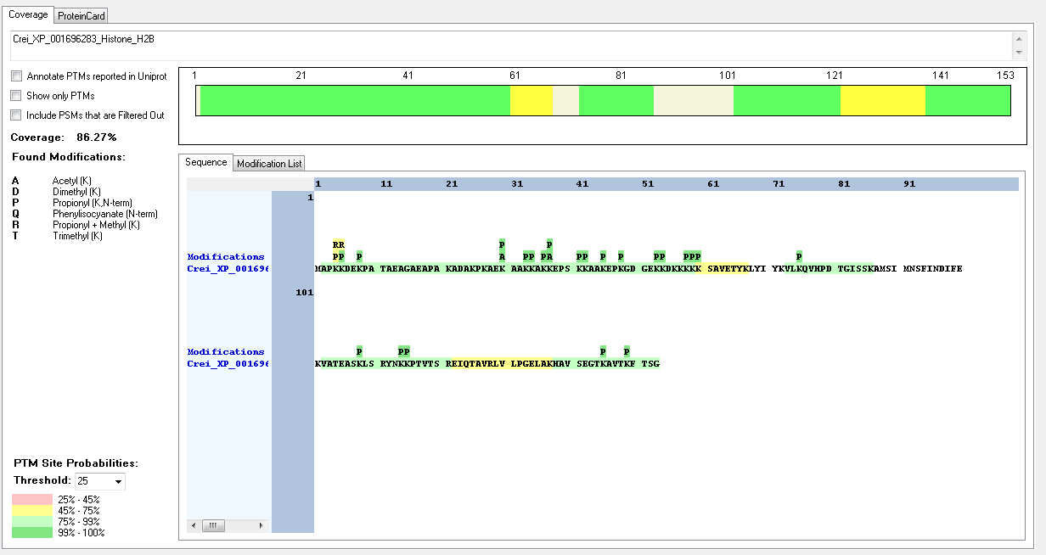
Crei_XP_001700403_Histone_H2B | [M].APKKDEKPATQEAGAEAPAK.[A] | [2-21] | K | 3 | 4 | Acetyl | 92.33
Crei_XP_001700403_Histone_H2B | [M].APKKDEKPATQEAGAEAPAKAEAKPK.[A] | [2-27] | K | 3 | 4 | Trimethyl | 98.91
Crei_XP_001700403_Histone_H2B | [M].APKKDEKPATQEAGAEAPAK.[A] | [2-21] | K | 4 | 5 | Acetyl | 88.56
Crei_XP_001700403_Histone_H2B | [M].APKKDEKPATQEAGAEAPAK.[A] | [2-21] | K | 4 | 5 | Dimethyl | 92.33
Crei_XP_001700403_Histone_H2B | [M].APKKDEKPATQEAGAEAPAKAEAKPK.[A] | [2-27] | K | 4 | 5 | Methyl | 91.08
Crei_XP_001700403_Histone_H2B | [M].APKKDEKPATQEAGAEAPAK.[A] | [2-21] | K | 7 | 8 | Methyl | 93.59
Crei_XP_001700403_Histone_H2B | [K].KEPSKKAAKEPK.[G] | [37-48] | K | 1 | 37 | Acetyl | 100
Crei_XP_001700403_Histone_H2B | [K].GDGAKKDKKK.[K] | [49-58] | K | 5 | 53 | Acetyl | 92.59
Crei_XP_001700403_Histone_H2B | [K].GDGAKKDKKK.[K] | [49-58] | K | 6 | 54 | Methyl | 92.59
Crei_XP_001696554_Histone_H2A | [R].GKGKTSGKKAVSR.[S] | [5-17] | K | 2 | 6 | Acetyl | 100
Crei_XP_001696554_Histone_H2A | [R].GKGKTSGKK.[A] | [5-13] | K | 4 | 8 | Acetyl | 100
Crei_XP_001700475_Histone_H2B | [K].KEPSKKAAKEPK.[G] | [37-48] | K | 1 | 37 | Acetyl | 100
Crei_XP_001700454_Histone_H2A | [R].GKGKTSGKKAVSR.[S] | [5-17] | K | 2 | 6 | Acetyl | 100
Crei_XP_001700454_Histone_H2A | [R].GKGKTSGKK.[A] | [5-13] | K | 4 | 8 | Acetyl | 100
Crei_XP_001702225_Histone_H2A | [M].AGRGKGKTSGKKAVSR.[S] | [2-17] | K | 5 | 6 | Acetyl | 99.99
Crei_XP_001702225_Histone_H2A | [R].GKGKTSGKKAVSR.[S] | [5-17] | K | 4 | 8 | Acetyl | 100
Crei_XP_001700450_Histone_H2B | [M].APKRDEKPATQEAGAEAPAKAEAKPK.[A] | [2-27] | K | 3 | 4 | Methyl | 99.08
Crei_XP_001700450_Histone_H2B | [M].APKRDEKPATQEAGAEAPAK.[A] | [2-21] | K | 3 | 4 | Trimethyl | 99.71
Crei_XP_001700450_Histone_H2B | [M].APKRDEKPATQEAGAEAPAKAEAKPK.[A] | [2-27] | K | 26 | 27 | Trimethyl | 98.46
Crei_XP_001700450_Histone_H2B | [K].AEKAAKKAKK.[E] | [28-37] | K | 3 | 30 | Acetyl | 100
Crei_XP_001700450_Histone_H2B | [K].KEPSKKAAKEPK.[G] | [37-48] | K | 1 | 37 | Acetyl | 100
Crei_XP_001693722_Histone_H2B | [K].AEKAAKKAKK.[E] | [32-41] | K | 3 | 34 | Acetyl | 100
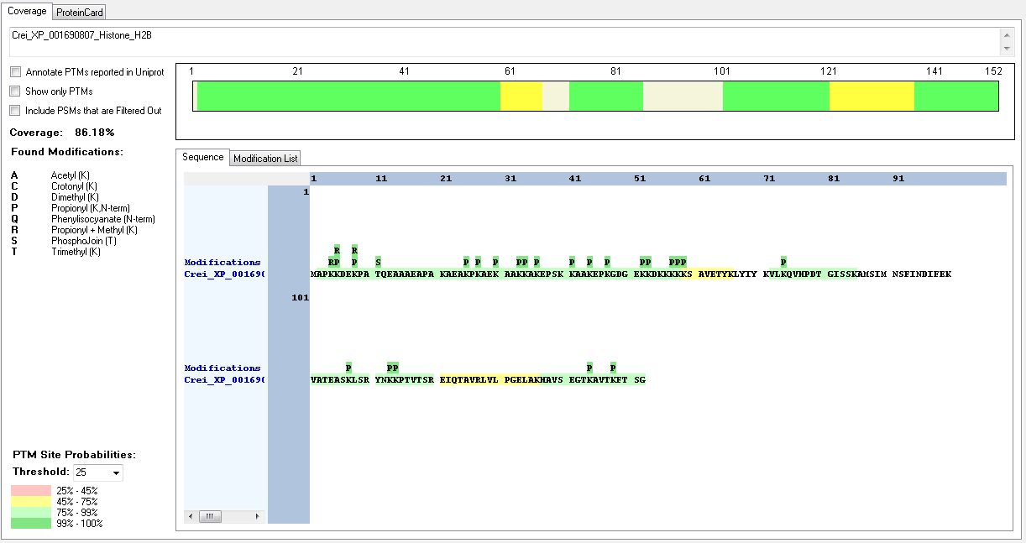
Crei_XP_001693722_Histone_H2B | [K].KAKKEPAK.[K] | [38-45] | K | 1 | 38 | Acetyl | 100
Crei_XP_001700194_Histone_H2B | [M].APKAAEKAPAK.[K] | [2-12] | K | 3 | 4 | Acetyl | 50
Crei_XP_001700194_Histone_H2B | [M].APKAAEKAPAKKTPAKTAEGSK.[K] | [2-23] | K | 3 | 4 | Methyl | 100
Crei_XP_001700194_Histone_H2B | [M].APKAAEK.[A] | [2-8] | K | 3 | 4 | Trimethyl | 100
Crei_XP_001700194_Histone_H2B | [K].AAEKAPAKK.[T] | [5-13] | K | 4 | 8 | Acetyl | 100
Crei_XP_001700194_Histone_H2B | [M].APKAAEKAPAKKTPAKTAEGSK.[K] | [2-23] | K | 7 | 8 | Methyl | 100
Crei_XP_001700194_Histone_H2B | [M].APKAAEKAPAK.[K] | [2-12] | K | 7 | 8 | Trimethyl | 50
Crei_XP_001700194_Histone_H2B | [M].APKAAEKAPAKKTPAKTAEGSK.[K] | [2-23] | K | 11 | 12 | Acetyl | 100
Crei_XP_001700194_Histone_H2B | [K].AAEKAPAKK.[T] | [5-13] | K | 8 | 12 | Acetyl | 99.8
Crei_XP_001700194_Histone_H2B | [M].APKAAEKAPAKKTPAKTAEGSK.[K] | [2-23] | K | 12 | 13 | Acetyl | 100
Crei_XP_001700194_Histone_H2B | [M].APKAAEKAPAKKTPAKTAEGSK.[K] | [2-23] | K | 16 | 17 | Acetyl | 100
Crei_XP_001693700_Histone_H2A | [M].SGKGAKGLSGKGAK.[G] | [2-15] | K | 3 | 4 | Acetyl | 100
Crei_XP_001693700_Histone_H2A | [M].SGKGAKGLSGKGAK.[G] | [2-15] | K | 6 | 7 | Acetyl | 100
Crei_XP_001693700_Histone_H2A | [R].SQKAGLQFPVGR.[I] | [33-44] | K | 3 | 35 | Acetyl | 100
Crei_XP_001693465_Histone_H4 | [RK].GKGGKGLGKGGAK.[R] | [5-17] | K | 2 | 6 | Acetyl | 100
Crei_XP_001693465_Histone_H4 | [RK].GKGGKGLGKGGAKR.[H] | [5-18] | K | 2 | 6 | Trimethyl | 99.99
Crei_XP_001693465_Histone_H4 | [RK].GKGGKGLGK.[G] | [5-13] | K | 5 | 9 | Acetyl | 100
Crei_XP_001693465_Histone_H5 | [RK].GKGGKGLGKGGAKR.[H] | [5-18] | K | 5 | 9 | Trimethyl | 99.99
Crei_XP_001693465_Histone_H4 | [K].GLGKGGAKR.[H] | [10-18] | K | 4 | 13 | Acetyl | 100
Crei_XP_001693465_Histone_H4 | [RK].GKGGKGLGKGGAKR.[H] | [5-18] | K | 13 | 17 | Acetyl | 100
Crei_XP_001690669_Histone_H4 | [-].MPGGKGLGKGGAKR.[H] | [1-14] | K | 13 | 13 | Trimethyl | 95.73
Crei_XP_001690669_Histone_H5 | [K].GLGKGGAKR.[H] | [6-14] | K | 8 | 13 | Acetyl | 100

Corallochytrium_limacisporum
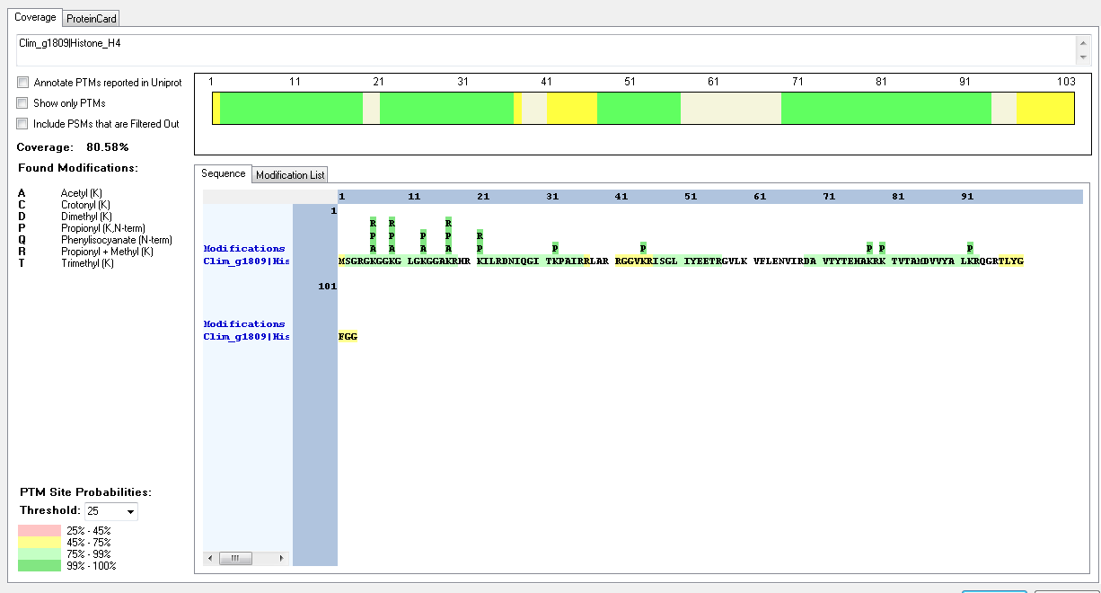
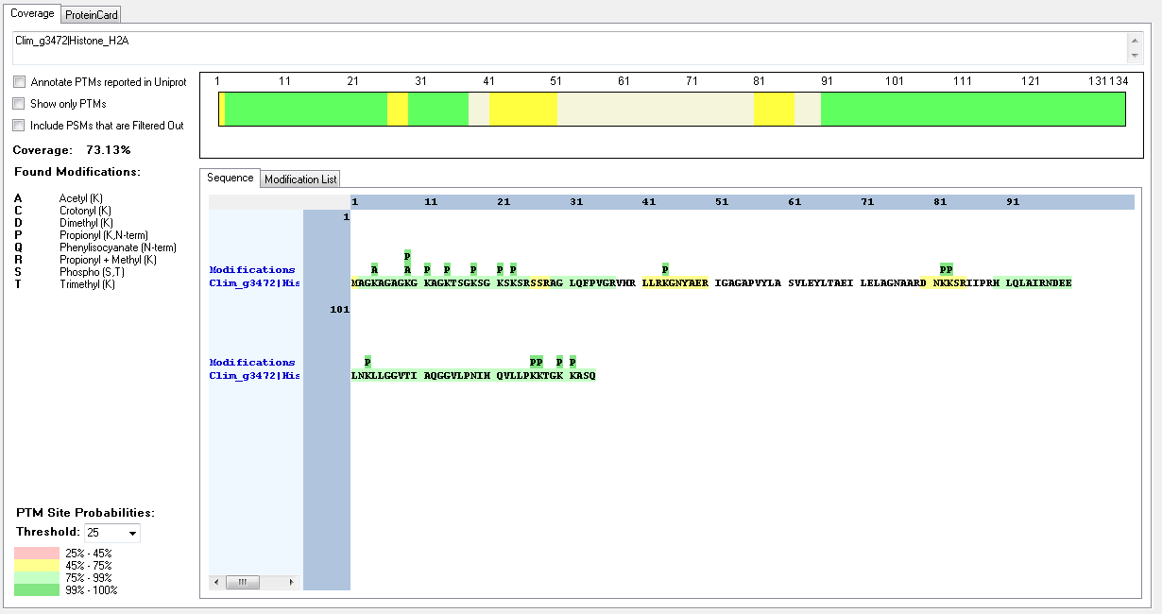
Protein ID | Peptide Sequence | Peptide position | Residue | Position in peptide | Positions in Protein | Modification | ptmRS: Best Site Probabilities
Clim_g3472|Histone_H2A | [M].AGKAGAGKGKAGKTSGKSGK.[S] | [2-21] | K | 3 | 4 | Acetyl | 100
Clim_g3472|Histone_H2A | [K].AGAGKGKAGKTSGKSGKSKSR.[S] | [5-25] | K | 5 | 9 | Acetyl | 100
Clim_g3472|Histone_H2A | [K].AGAGKGKAGKTSGKSGKSKSR.[S] | [5-25] | K | 7 | 11 | Acetyl | 99.97
Clim_g3472|Histone_H2A | [K].AGAGKGKAGKTSGKSGKSKSR.[S] | [5-25] | K | 10 | 14 | Acetyl | 99.99
Clim_g3472|Histone_H2A | [K].TSGKSGKSKSR.[S] | [15-25] | K | 4 | 18 | Dimethyl | 99.99
Clim_g3472|Histone_H2A | [R].DNKKSR.[I] | [80-85] | K | 3 | 82 | Crotonyl | 99.65
Clim_g3472|Histone_H2A | [R].DNKKSR.[I] | [80-85] | K | 4 | 83 | Methyl | 97.05
Clim_g3472|Histone_H2A | [R].NDEELNKLLGGVTIAQGGVLPNIHQVLLPKKTGKKASQ.[-] | [97-134] | K | 30 | 126 | Trimethyl | 86.73
Clim_g3472|Histone_H2A | [R].NDEELNKLLGGVTIAQGGVLPNIHQVLLPKKTGKKASQ.[-] | [97-134] | K | 31 | 127 | Methyl | 86.59
Clim_g3472|Histone_H2A | [R].NDEELNKLLGGVTIAQGGVLPNIHQVLLPKKTGKKASQ.[-] | [97-134] | K | 34 | 130 | Methyl | 75.79
Clim_g3472|Histone_H2A | [R].NDEELNKLLGGVTIAQGGVLPNIHQVLLPKKTGKKASQ.[-] | [97-134] | K | 35 | 131 | Acetyl | 75.83
Clim_g3472|Histone_H2A | [R].NDEELNKLLGGVTIAQGGVLPNIHQVLLPKKTGKKASQ.[-] | [97-134] | K | 35 | 131 | Methyl | 50.07
Clim_g1810|Histone_H2B | [M].PPVASKKGEK.[K] | [2-11] | K | 6 | 7 | Methyl | 94.33
Clim_g1810|Histone_H2B | [M].PPVASKKGEK.[K] | [2-11] | K | 10 | 11 | Acetyl | 100
Clim_g1810|Histone_H2B | [K].KGGDKGGK.[R] | [17-24] | K | 5 | 21 | Acetyl | 94.31
Clim_g1810|Histone_H2B | [K].KGGDKGGK.[R] | [17-24] | K | 8 | 24 | Dimethyl | 94.31
Clim_g1809|Histone_H4 | [R].GKGGKGLGKGGAKR.[H] | [5-18] | K | 2 | 6 | Acetyl | 100
Clim_g1809|Histone_H4 | [R].GKGGKGLGKGGAKR.[H] | [5-18] | K | 2 | 6 | Crotonyl | 99.69
Clim_g1809|Histone_H4 | [R].GKGGKGLGKGGAKR.[H] | [5-18] | K | 2 | 6 | Methyl | 100
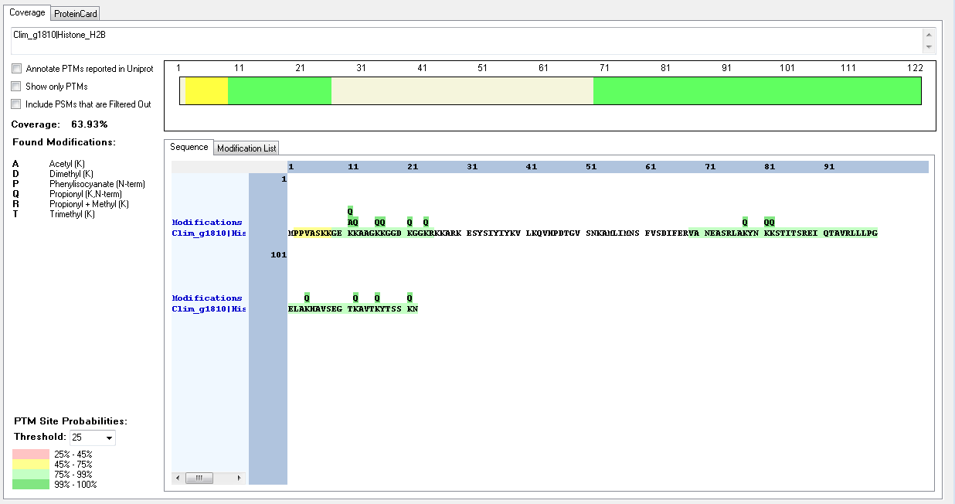
Clim_g1809|Histone_H4 | [R].GKGGKGLGKGGAKR.[H] | [5-18] | K | 5 | 9 | Acetyl | 100
Clim_g1809|Histone_H4 | [R].GKGGKGLGKGGAKR.[H] | [5-18] | K | 5 | 9 | Methyl | 100
Clim_g1809|Histone_H4 | [M].SGRGKGGKGLGKGGAKR.[H] | [2-18] | K | 12 | 13 | Acetyl | 100
Clim_g1809|Histone_H4 | [M].SGRGKGGKGLGKGGAKR.[H] | [2-18] | K | 16 | 17 | Acetyl | 100
Clim_g1809|Histone_H4 | [R].GKGGKGLGKGGAKR.[H] | [5-18] | K | 13 | 17 | Methyl | 100
Clim_g1809|Histone_H4 | [R].KILRDNIQGITKPAIR.[R] | [21-36] | K | 1 | 21 | Dimethyl | 99.59
Clim_g1809|Histone_H4 | [R].KILRDNIQGITKPAIR.[R] | [21-36] | K | 1 | 21 | Methyl | 100

Creolimax_fragrantissima
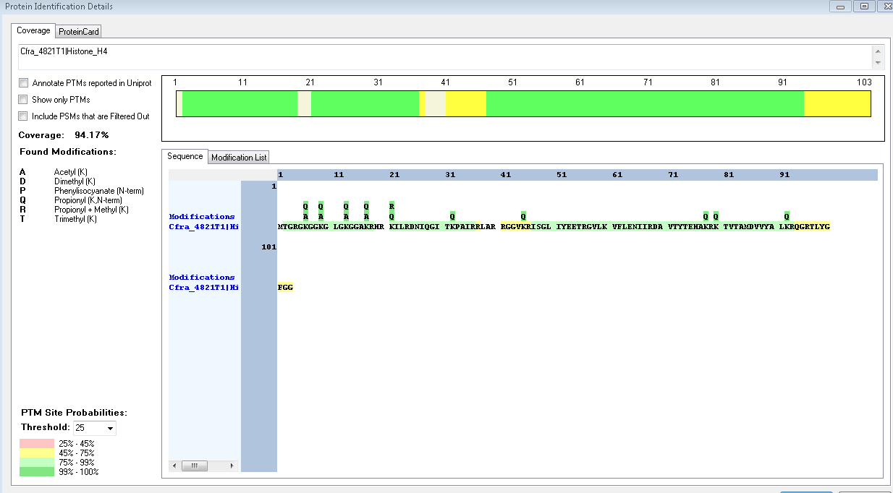
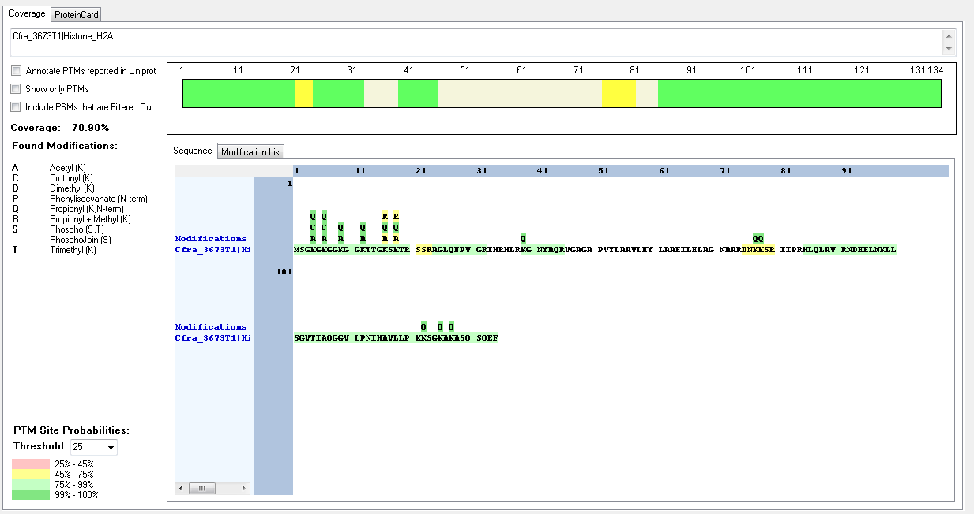
Protein ID | Peptide Sequence | Peptide position | Residue | Position in peptide | Positions in Protein | Modification | ptmRS: Best Site Probabilities
Cfra_3673T1|Histone_H2A | [M].SGKGKGGKGGKTTGKSKTR.[S] | [2-20] | K | 3 | 4 | Acetyl | 100
Cfra_3673T1|Histone_H2A | [-].MSGKGKGGKGGKTTGKSKTR.[S] | [2-20] | K | 3 | 4 | Crotonyl | 100
Cfra_3673T1|Histone_H2A | [M].SGKGKGGKGGKTTGKSKTR.[S] | [2-20] | K | 5 | 6 | Acetyl | 100
Cfra_3673T1|Histone_H2A | [M].SGKGKGGKGGKTTGKSKTR.[S] | [2-20] | K | 5 | 6 | Crotonyl | 100
Cfra_3673T1|Histone_H2A | [M].SGKGKGGKGGKTTGKSKTR.[S] | [2-20] | K | 8 | 9 | Acetyl | 100
Cfra_3673T1|Histone_H2A | [M].SGKGKGGKGGKTTGKSKTR.[S] | [2-20] | K | 11 | 12 | Acetyl | 100
Cfra_3584T1|Histone_H2B | [M].PPKPVSATGAAAPASKKSGKKSVGGKR.[K] | [2-28] | K | 3 | 4 | Dimethyl | 100
Cfra_3584T1|Histone_H2B | [M].PPKPVSATGAAAPASKKSGKKSVGGKR.[K] | [2-28] | K | 3 | 4 | Methyl | 100
Cfra_3584T1|Histone_H2B | [M].PPKPVSATGAAAPASKKSGKKSVGGKR.[K] | [2-28] | K | 16 | 17 | Acetyl | 100
Cfra_3584T1|Histone_H2B | [M].PPKPVSATGAAAPASKKSGKKSVGGKR.[K] | [2-28] | K | 16 | 17 | Methyl | 93.22
Cfra_3584T1|Histone_H2B | [M].PPKPVSATGAAAPASKKSGKKSVGGKR.[K] | [2-28] | K | 17 | 18 | Acetyl | 100
Cfra_3584T1|Histone_H2B | [M].PPKPVSATGAAAPASKKSGKKSVGGKR.[K] | [2-28] | K | 17 | 18 | Methyl | 53.34
Cfra_3584T1|Histone_H2B | [M].PPKPVSATGAAAPASKKSGKKSVGGKR.[K] | [2-28] | K | 20 | 21 | Acetyl | 100
Cfra_3584T1|Histone_H2B | [M].PPKPVSATGAAAPASKKSGKKSVGGKR.[K] | [2-28] | K | 21 | 22 | Acetyl | 100
Cfra_3671T1|Histone_H2B | [M].PPKPTATGAAAPASKKSGKKSVGGKR.[K] | [2-27] | K | 3 | 4 | Methyl | 100
Cfra_3671T1|Histone_H2B | [M].PPKPTATGAAAPASKKSGKKSVGGKR.[K] | [2-27] | K | 3 | 4 | Dimethyl | 100
Cfra_3671T1|Histone_H2B | [R].LLLPGELAKHAVSEGTKAVTKYTSNK.[-] | [98-123] | S | 24 | 121 | Phospho | 97.05
Cfra_4822T1|Histone_H2B | [M].PPKIASTGAAAPASKKSGKKSVAGKR.[K] | [2-27] | K | 3 | 4 | Acetyl | 100
Cfra_4822T1|Histone_H2B | [M].PPKIASTGAAAPASKKSGKKSVAGKR.[K] | [2-27] | K | 3 | 4 | Dimethyl | 100 | 34
Cfra_4822T1|Histone_H2B | [M].PPKIASTGAAAPASKKSGKKSVAGKR.[K] | [2-27] | K | 3 | 4 | Methyl | 99.77
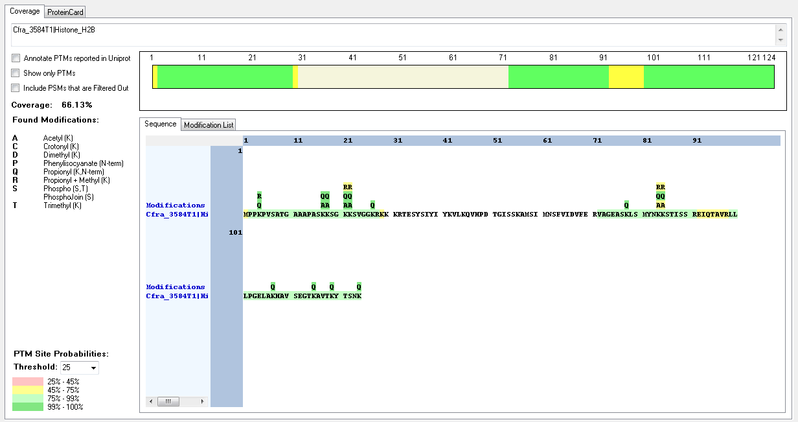
Cfra_4822T1|Histone_H2B | [M].PPKIASTGAAAPASKKSGKKSVAGKR.[K] | [2-27] | K | 15 | 16 | Methyl | 100.77 | 35
Cfra_4822T1|Histone_H2B | [M].PPKIASTGAAAPASKKSGKKSVAGKR.[K] | [2-27] | K | 20 | 21 | Acetyl | 86.9
Cfra_4822T1|Histone_H2B | [M].PPKIASTGAAAPASKKSGKKSVAGKR.[K] | [2-27] | K | 25 | 26 | Acetyl | 99.98
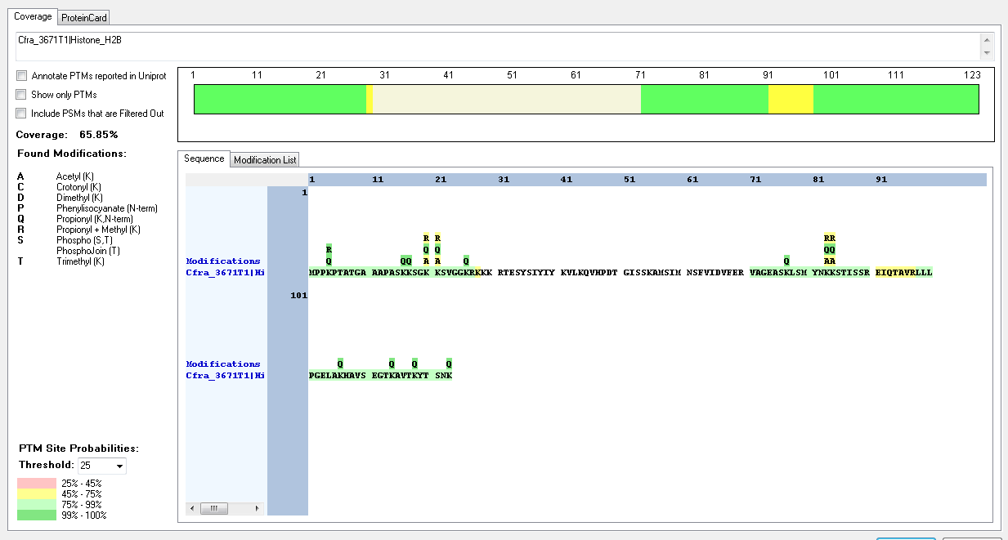
Cfra_4822T1|Histone_H2B | [R].LLLPGELAKHAVSEGTKAVTKYTSNK.[-] | [98-123] | S | 24 | 121 | Phospho | 97.05
Cfra_4821T1|Histone_H4 | [M].TGRGKGGKGLGKGGAKR.[H] | [2-18] | K | 5 | 6 | Acetyl | 100 | 38
Cfra_4821T1|Histone_H4 | [R].GKGGKGLGKGGAKR.[H] | [5-18] | K | 5 | 9 | Acetyl | 100 | 35
Cfra_4821T1|Histone_H4 | [R].GKGGKGLGKGGAKR.[H] | [5-18] | K | 9 | 13 | Acetyl | 100
Cfra_4821T1|Histone_H4 | [R].GKGGKGLGKGGAKR.[H] | [5-18] | K | 13 | 17 | Acetyl | 100
Cfra_4821T1|Histone_H4 | [R].KILRDNIQGITKPAIR.[R] | [21-36] | K | 1 | 21 | Dimethyl | 99.79
Cfra_4821T1|Histone_H4 | [R].KILRDNIQGITKPAIRR.[L] | [21-37] | K | 1 | 21 | Methyl | 100
Cfra_4821T1|Histone_H4 | [R].GVLKVFLENIIR.[D] | [57-68] | K | 4 | 60 | Trimethyl | 100

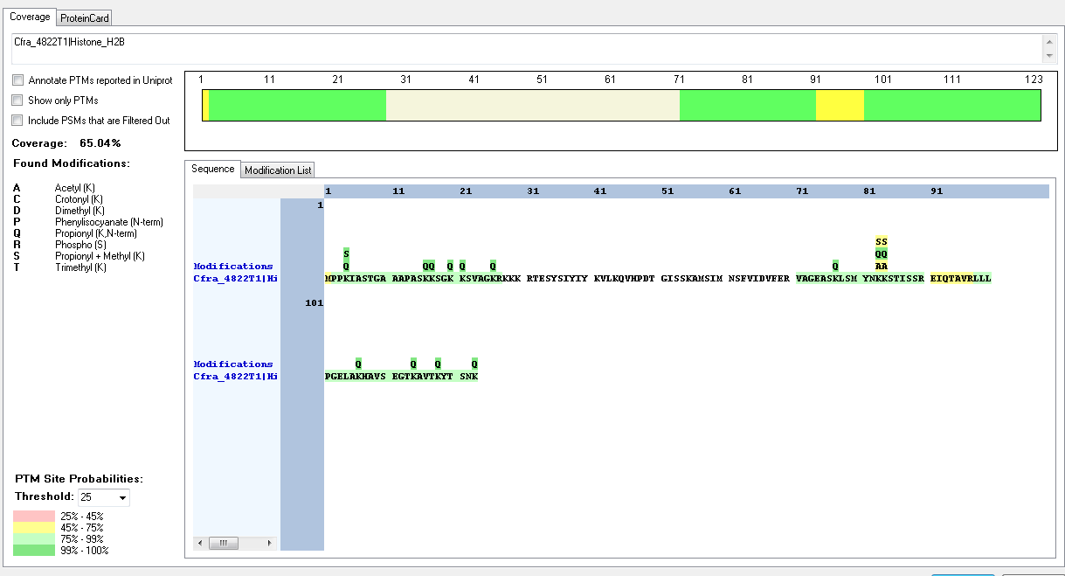
Confidence | Annotated Sequence | Modifications | Areas | Positions in Protein | ptmRS: Best Site Probabilities | Modifications (all possible sites) | Theo. MH+ [Da]
Medium | [R].KILRDNIQGITKPAIRR.[L] | 1×Phenylisocyanate [N-Term]; 1×Propionyl + Methyl [K1(100)]; 1×Propionyl [K12(100)] | 289366513.625; ; ; | [21-37] | K1(Propi): 100; K12(Propionyl): 100 | 1×Phenylisocyanate [N-Term]; 1×Propionyl + Methyl [K1(100); K12(0)]; 1×Propionyl [K1(0); K12(100)] | 2237.32408

Dictyostelium_discoideum
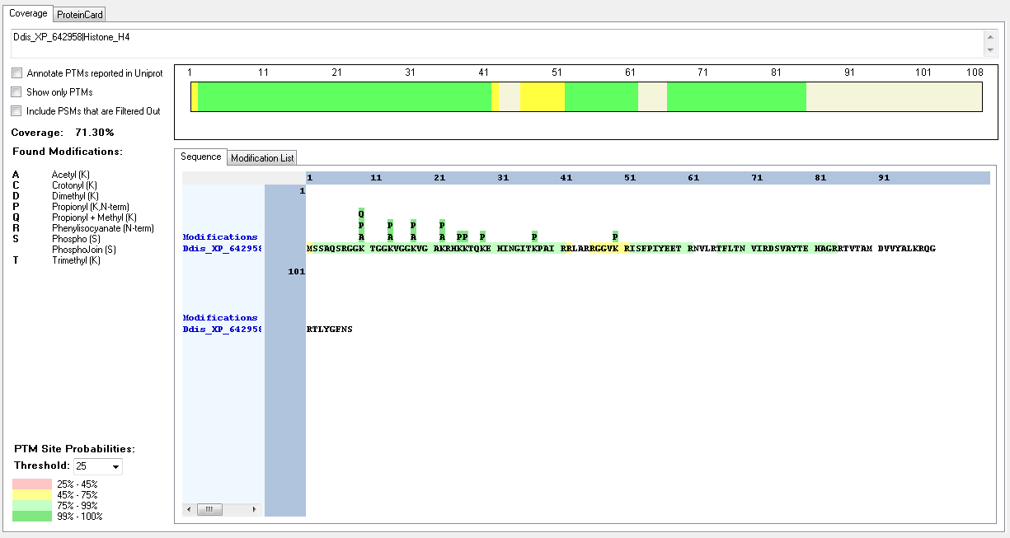
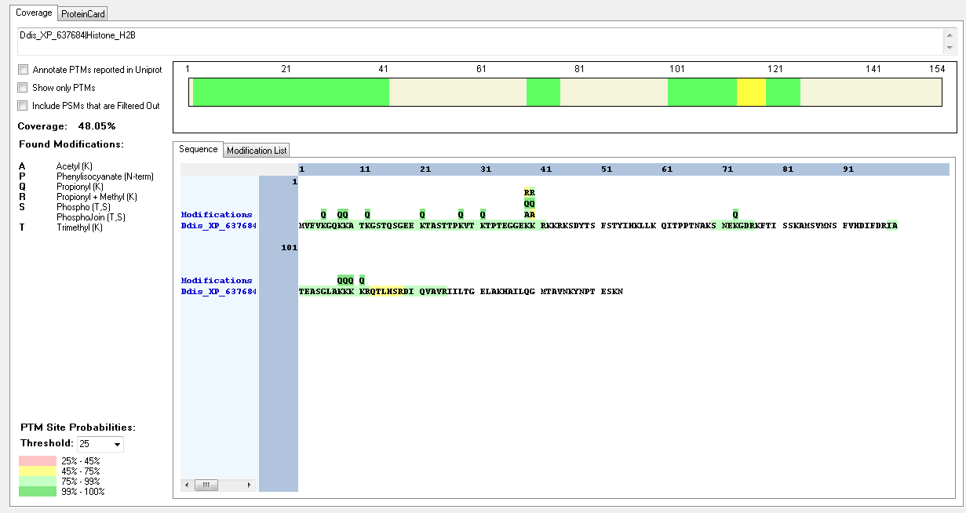
Protein ID | Peptide Sequence | Peptide position | Residue | Position in peptide | Positions in Protein | Modification | ptmRS: Best Site Probabilities
Ddis_XP_637684|Histone_H2B | [K].ATKGSTQSGEEKTASTTPKVTKTPTEGGEKKR.[K] | [10-41] | K | 3 | 12 | Acetyl | 99.95
Ddis_XP_637684|Histone_H2B | [K].GSTQSGEEKTASTTPKVTKTPTEGGEKKR.[K] | [13-41] | K | 27 | 39 | Acetyl | 89.78
Ddis_XP_637684|Histone_H2B | [K].TASTTPKVTKTPTEGGEKKR.[K] | [22-41] | K | 18 | 39 | Methyl | 93.44
Ddis_XP_637684|Histone_H2B | [K].TASTTPKVTKTPTEGGEKKR.[K] | [22-41] | K | 19 | 40 | Acetyl | 93.4
Ddis_XP_637684|Histone_H2B | [K].GSTQSGEEKTASTTPKVTKTPTEGGEKKR.[K] | [13-41] | K | 28 | 40 | Methyl | 89.78
Ddis_XP_641587|Histone_H2A | [M].SETKPASSKPAAAAKPKKVIPR.[V] | [2-23] | K | 4 | 5 | Acetyl | 100
Ddis_XP_641587|Histone_H2A | [M].SETKPASSKPAAAAKPKKVIPR.[V] | [2-23] | K | 9 | 10 | Methyl | 100
Ddis_XP_641587|Histone_H2A | [M].SETKPASSKPAAAAKPKKVIPR.[V] | [2-23] | K | 9 | 10 | Trimethyl | 100
Ddis_XP_637656|Histone_H2A | [M].TESETTSKKVNKR.[V] | [2-14] | K | 8 | 9 | Acetyl | 50
Ddis_XP_637656|Histone_H2A | [M].TESETTSKKVNKR.[V] | [2-14] | K | 8 | 9 | Methyl | 50
Ddis_XP_637656|Histone_H2A | [M].TESETTSKKVNKR.[V] | [2-14] | K | 9 | 10 | Acetyl | 50
Ddis_XP_637656|Histone_H2A | [M].TESETTSKKVNKR.[V] | [2-14] | K | 9 | 10 | Methyl | 50
Ddis_XP_642958|Histone_H4 | [M].SSAQSRGGKTGGKVGGKVGAKR.[H] | [2-23] | K | 9 | 10 | Acetyl | 100
Ddis_XP_642958|Histone_H4 | [R].GGKTGGKVGGK.[V] | [8-18] | K | 3 | 10 | Dimethyl | 99.54
Ddis_XP_642958|Histone_H4 | [M].SSAQSRGGKTGGKVGGKVGAKR.[H] | [2-23] | K | 13 | 14 | Acetyl | 100
Ddis_XP_642958|Histone_H4 | [R].GGKTGGKVGGK.[V] | [8-18] | K | 7 | 14 | Methyl | 99.54
Ddis_XP_642958|Histone_H4 | [M].SSAQSRGGKTGGKVGGKVGAKR.[H] | [2-23] | K | 17 | 18 | Acetyl | 100
Ddis_XP_642958|Histone_H4 | [R].GGKTGGKVGGK.[V] | [8-18] | K | 11 | 18 | Crotonyl | 99.36
Ddis_XP_642958|Histone_H4 | [R].GGKTGGKVGGKVGAKR.[H] | [8-23] | K | 11 | 18 | Trimethyl | 99.31
Ddis_XP_642958|Histone_H4 | [M].SSAQSRGGKTGGKVGGKVGAKR.[H] | [2-23] | K | 21 | 22 | Acetyl | 100
Ddis_XP_642958|Histone_H4 | [R].GGKTGGKVGGKVGAKR.[H] | [8-23] | K | 15 | 22 | Trimethyl | 98.71
Ddis_XP_642958|Histone_H4 | [R].HKKTQK.[E] | [24-29] | K | 2 | 25 | Acetyl | 97.62
Ddis_XP_642958|Histone_H4 | [R].HKKTQKEHINGITKPAIR.[R] | [24-41] | K | 2 | 25 | Methyl | 96.21
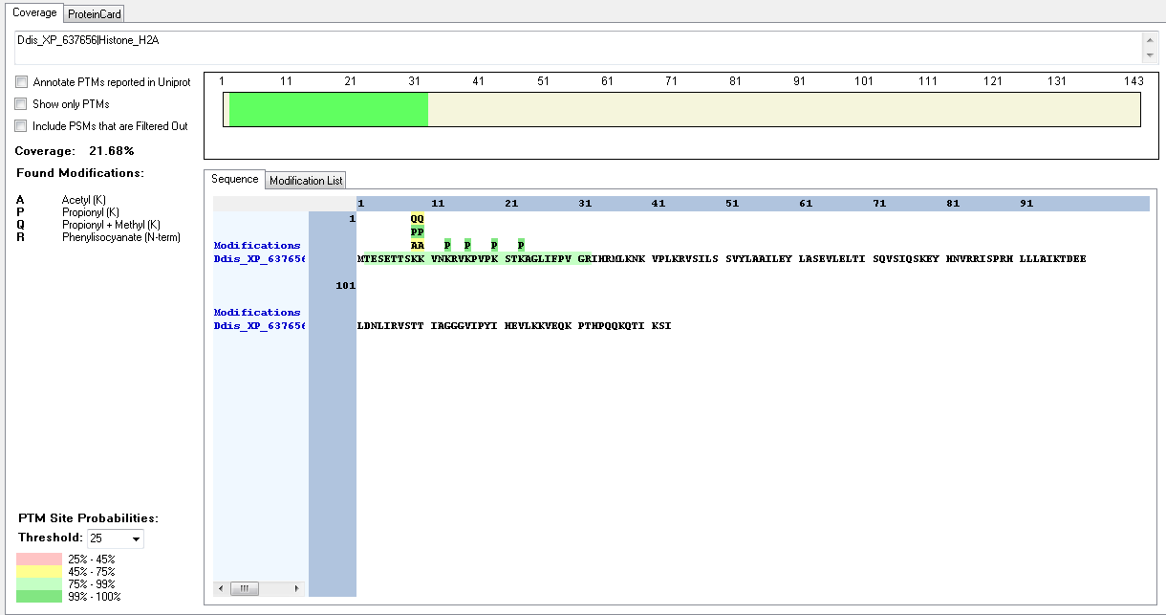
Ddis_XP_642958|Histone_H4 | [R].HKKTQKEHINGITKPAIR.[R] | [24-41] | K | 3 | 26 | Acetyl | 96.21
Ddis_XP_642958|Histone_H4 | [R].HKKTQK.[E] | [24-29] | K | 3 | 26 | Acetyl | 97.62

Emiliania_huxleyi
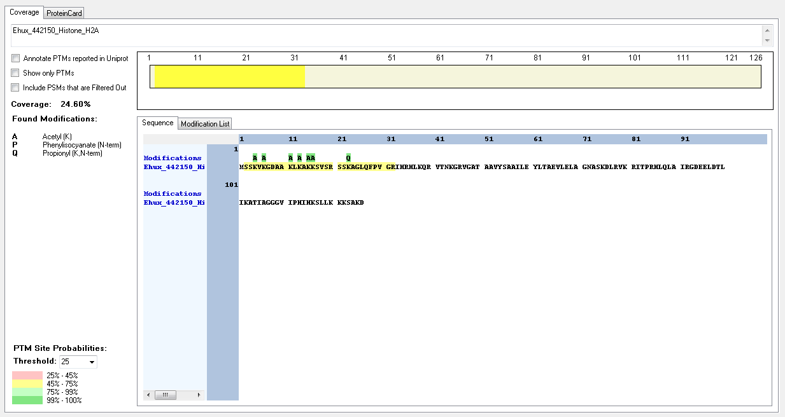
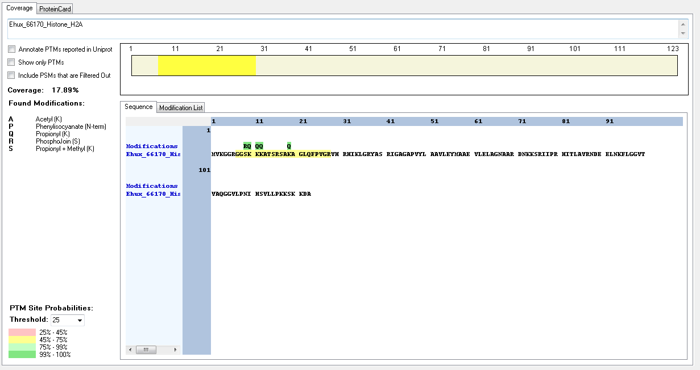
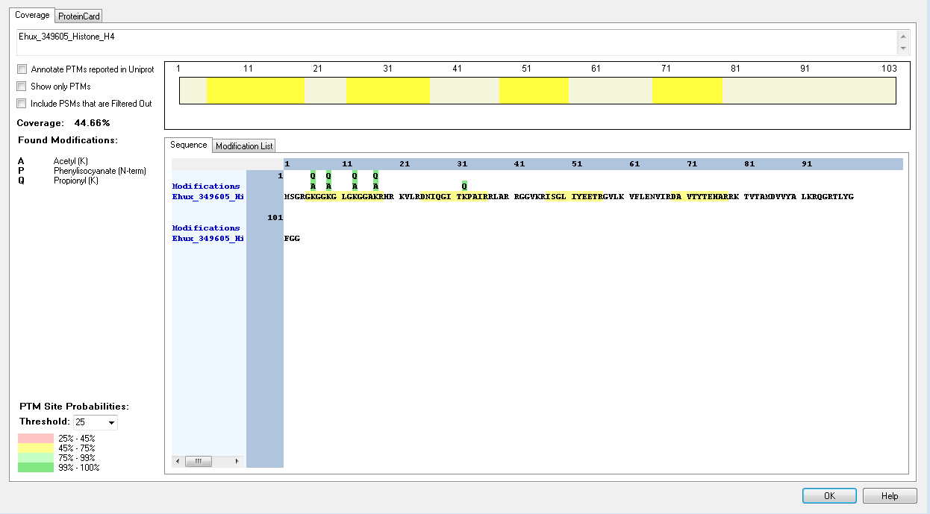

Protein ID | Peptide Sequence | Peptide position | Residue | Position in peptide | Positions in Protein | Modification | ptmRS: Best Site Probabilities
Ehux_196782_Histone_H2B | [K].KSAKKPSGGGEKKR.[K] | [11-24] | K | 12 | 22 | Methyl | 99.86
Ehux_gb1_Histone_H2A | [R].GGSKKKAQSKSAKAGLTFPVAR.[I] | [7-28] | K | 4 | 10 | Acetyl | 93.6
Ehux_gb1_Histone_H2A | [R].GGSKKKAQSKSAKAGLTFPVAR.[I] | [7-28] | K | 5 | 11 | Methyl | 93.6
Ehux_442150_Histone_H2A | [M].SSKVKGDAAKLKAKKSVSR.[S] | [2-20] | K | 3 | 4 | Acetyl | 100
Ehux_442150_Histone_H2A | [M].SSKVKGDAAKLKAKKSVSR.[S] | [2-20] | K | 5 | 6 | Acetyl | 100
Ehux_442150_Histone_H2A | [M].SSKVKGDAAKLKAKKSVSR.[S] | [2-20] | K | 10 | 11 | Acetyl | 100
Ehux_442150_Histone_H2A | [M].SSKVKGDAAKLKAKKSVSR.[S] | [2-20] | K | 12 | 13 | Acetyl | 100
Ehux_442150_Histone_H2A | [M].SSKVKGDAAKLKAKKSVSR.[S] | [2-20] | K | 14 | 15 | Acetyl | 100
Ehux_442150_Histone_H2A | [M].SSKVKGDAAKLKAKKSVSR.[S] | [2-20] | K | 15 | 16 | Acetyl | 100
Ehux_442150_Histone_H2A | [K].GDAAKLKAKKSVSR.[S] | [7-20] | K | 11 | 17 | Acetyl | 100
Ehux_442150_Histone_H2A | [K].GDAAKLKAKKSVSR.[S] | [7-20] | K | 13 | 19 | Acetyl | 100
Ehux_442150_Histone_H2A | [K].GDAAKLKAKKSVSR.[S] | [7-20] | K | 15 | 21 | Acetyl | 100

Ehux_442150_Histone_H2A | [K].GDAAKLKAKKSVSR.[S] | [7-20] | K | 16 | 22 | Acetyl | 100
Ehux_66170_Histone_H2A | [R].GGSKKKATSR.[S] | [7-16] | S | 3 | 9 | Phospho | 100
Ehux_66170_Histone_H2A | [R].GGSKKKATSR.[S] | [7-16] | K | 5 | 12 | Acetyl | 99.69
Ehux_66170_Histone_H2A | [R].GGSKKKATSR.[S] | [7-16] | K | 6 | 13 | Acetyl | 100
Ehux_349605_Histone_H4 | [R].GKGGKGLGKGGAKR.[H] | [5-18] | K | 2 | 6 | Acetyl | 100
Ehux_349605_Histone_H4 | [R].GKGGKGLGKGGAKR.[H] | [5-18] | K | 5 | 9 | Acetyl | 100
Ehux_349605_Histone_H4 | [R].GKGGKGLGKGGAKR.[H] | [5-18] | K | 9 | 13 | Acetyl | 100
Ehux_349605_Histone_H4 | [R].GKGGKGLGKGGAKR.[H] | [5-18] | K | 13 | 17 | Acetyl | 100

Guillardia_theta

Protein ID | Peptide Sequence | Peptide position | Residue | Position in peptide | Positions in Protein | Modification | ptmRS: Best Site Probabilities
Gthe_70855_Histone_H4 | [R].GKGGKGLGKGGAKR.[H] | [5-18] | K | 2 | 6 | Acetyl | 100
Gthe_70855_Histone_H4 | [R].GKGGKGLGKGGAKR.[H] | [5-18] | K | 5 | 9 | Acetyl | 100
Gthe_70855_Histone_H4 | [R].GKGGKGLGKGGAKR.[H] | [5-18] | K | 9 | 13 | Acetyl | 100
Gthe_70855_Histone_H4 | [K].GGKGLGKGGAKR.[H] | [7-18] | K | 11 | 17 | Acetyl | 100

In H2 no mofifications were found

Naegleria_gruberi



Protein ID | Peptide Sequence | Peptide position | Residue | Position in peptide | Positions in Protein | Modification | ptmRS: Best Site Probabilities
Ngru_XP_002677696|Histone_H2B | [M].PAKTKKSTESKDKTK.[E] | [2-16] | K | 3 | 4 | Methyl | 95.57
Ngru_XP_002677696|Histone_H2B | [K].YQTSSGKTAPKKR.[E] | [135-147] | K | 11 | 145 | Acetyl | 50
Ngru_XP_002677696|Histone_H2B | [K].YQTSSGKTAPKKR.[E] | [135-147] | K | 11 | 145 | Methyl | 50
Ngru_XP_002677696|Histone_H2B | [K].YQTSSGKTAPKKR.[E] | [135-147] | K | 12 | 146 | Acetyl | 50
Ngru_XP_002677696|Histone_H2B | [K].YQTSSGKTAPKKR.[E] | [135-147] | K | 12 | 146 | Methyl | 50
Ngru_XP_002677696|Histone_H2B | [K].REKKEK.[K] | [147-152] | K | 6 | 152 | Dimethyl | 99.98
Ngru_XP_002669958|Histone_H2B | [M].PAKTKKSTESKDKTK.[E] | [2-16] | K | 3 | 4 | Methyl | 95.57
Ngru_XP_002669958|Histone_H2B | [K].YQTSSGKTAPKKR.[E] | [135-147] | K | 11 | 145 | Acetyl | 50
Ngru_XP_002669958|Histone_H2B | [K].YQTSSGKTAPKKR.[E] | [135-147] | K | 11 | 145 | Methyl | 50
Ngru_XP_002669958|Histone_H2B | [K].YQTSSGKTAPKKR.[E] | [135-147] | K | 12 | 146 | Acetyl | 50
Ngru_XP_002669958|Histone_H2B | [K].YQTSSGKTAPKKR.[E] | [135-147] | K | 12 | 146 | Methyl | 50
Ngru_XP_002669958|Histone_H2B | [K].REKKEK.[K] | [147-152] | K | 6 | 152 | Dimethyl | 99.98
Ngru_XP_002680414|Histone_H2A | [R].SSKAGLQFPVGR.[I] | [31-42] | S | 1 | 31 | Phospho | 50

Ngru_XP_002680414|Histone_H2A | [R].SSKAGLQFPVGR.[I] | [31-42] | S | 2 | 32 | Phospho | 50
Ngru_XP_002680414|Histone_H2A | [R].SSKAGLQFPVGR.[I] | [31-42] | K | 3 | 33 | Methyl | 100
Ngru_XP_002672210|Histone_H4 | [R].GKGGKGLGKGGAKR.[H] | [5-18] | K | 2 | 6 | Acetyl | 100
Ngru_XP_002672210|Histone_H4 | [R].GKGGKGLGK.[G] | [5-13] | K | 2 | 6 | Crotonyl | 77.97
Ngru_XP_002672210|Histone_H4 | [R].GKGGKGLGKGGAKR.[H] | [5-18] | K | 5 | 9 | Acetyl | 100
Ngru_XP_002672210|Histone_H4 | [R].GKGGKGLGKGGAKR.[H] | [5-18] | K | 9 | 13 | Acetyl | 100
Ngru_XP_002672210|Histone_H4 | [R].GKGGKGLGKGGAKR.[H] | [5-18] | K | 13 | 17 | Acetyl | 100
Ngru_XP_002672210|Histone_H4 | [R].HKKVLRDNIAGITKPAIR.[R] | [19-36] | K | 2 | 20 | Methyl | 91.1
Ngru_XP_002672210|Histone_H4 | [R].HKKVLRDNIAGITKPAIR.[R] | [19-36] | K | 3 | 21 | Acetyl | 91.1

Physcomitrella_patens









Protein ID | Peptide Sequence | Peptide position | Residue | Position in peptide | Positions in Protein | Modification | ptmRS: Best Site Probabilities
Ppat_XP_001761191|Histone_H2A | [R].GKSSGKKTVSR.[S] | [5-15] | K | 2 | 6 | Acetyl | 100
Ppat_XP_001761191|Histone_H2A | [R].GKSSGKKTVSR.[S] | [5-15] | K | 6 | 10 | Acetyl | 50
Ppat_XP_001761191|Histone_H2A | [R].GKSSGKKTVSR.[S] | [5-15] | K | 6 | 10 | Methyl | 50
Ppat_XP_001761191|Histone_H2A | [R].GKSSGKKTVSR.[S] | [5-15] | K | 7 | 11 | Acetyl | 50
Ppat_XP_001761191|Histone_H2A | [R].GKSSGKKTVSR.[S] | [5-15] | K | 7 | 11 | Methyl | 50
Ppat_XP_001764943|Histone_H2A | [R].KKSVTKSAKAGLQFPVGR.[L] | [14-31] | K | 6 | 19 | Acetyl | 86.9
Ppat_XP_001764943|Histone_H2A | [R].KKSVTKSAKAGLQFPVGR.[L] | [14-31] | K | 9 | 22 | Methyl | 86.9
Ppat_XP_001764943|Histone_H2A | [K].KTAGGAGADK.[S] | [121-130] | K | 1 | 121 | Methyl | 100
Ppat_XP_001764943|Histone_H2A | [K].KTAGGAGADK.[S] | [121-130] | K | 10 | 130 | Dimethyl | 100
Ppat_XP_001762476|Histone_H2A | [R].GKSKASK.[S] | [12-18] | S | 3 | 14 | Phospho | 62.16
Ppat_XP_001762476|Histone_H2A | [K].KTGKGGK.[D] | [124-130] | K | 4 | 127 | Acetyl | 99.98
Ppat_XP_001762476|Histone_H2A | [K].KTGKGGK.[D] | [124-130] | K | 7 | 130 | Dimethyl | 99.98
Ppat_XP_001785216|Histone_H2A | [R].GKSKASK.[S] | [12-18] | S | 3 | 14 | Phsopho | 62.16
Ppat_XP_001762476|Histone_H2A | [K].KTGKGGK.[D] | [124-130] | K | 4 | 127 | Acetyl | 99.98
Ppat_XP_001762476|Histone_H2A | [K].KTGKGGK.[D] | [124-130] | K | 7 | 130 | Dimethyl | 99.98
Ppat_XP_001775243|Histone_H2A | [R].GKSKASK.[S] | [11-17] | S | 3 | 13 | Phospho | 62.16
Ppat_XP_001777344|Histone_H2A | [-].MGGNQSGKGAK.[G] | [1-11] | K | 8 | 8 | Crotonyl | 100
Ppat_XP_001777344|Histone_H2A | [-].MGGNQSGKGAK.[G] | [1-11] | K | 11 | 11 | Dimethyl | 100
Ppat_XP_001767944|Histone_H2B | [K].KPVVMKAEK.[K] | [20-28] | K | 9 | 28 | Dimethyl | 100
Ppat_XP_001776159|Histone_H2B | [K].KKKAKK.[S] | [38-43] | K | 1 | 38 | Methyl | 99.99

Ppat_XP_001779336|Histone_H2B | [K].KPMKKAEK.[K] | [18-25] | K | 8 | 25 | Dimethyl | 100
Ppat_XP_001783818|Histone_H4 | [R].GKGGKGLGKGGAKR.[H] | [5-18] | K | 2 | 6 | Acetyl | 100
Ppat_XP_001783818|Histone_H4 | [R].GKGGKGLGKGGAKR.[H] | [5-18] | K | 5 | 9 | Acetyl | 101
Ppat_XP_001783818|Histone_H4 | [R].GKGGKGLGKGGAKR.[H] | [5-18] | K | 9 | 13 | Acetyl | 102
Ppat_XP_001783818|Histone_H4 | [R].GKGGKGLGKGGAKR.[H] | [5-18] | K | 13 | 17 | Acetyl | 103

Spizellomyces_punctatus





Protein ID | Peptide Sequence | Peptide position | Residue | Position in peptide | Positions in Protein | Modification | ptmRS: Best Site Probabilities
Spun_SPPG_02344|Histone_H2A | [M].AGGKGKSGAEKVAAKTNSKSR.[S] | [2-22] | K | 4 | 5 | Acetyl | 100
Spun_SPPG_02344|Histone_H2A | [-].MAGGKGKSGAEKVAAKTNSKSR.[S] | [1-22] | K | 5 | 5 | Methyl | 100
Spun_SPPG_02344|Histone_H2A | [M].AGGKGKSGAEKVAAKTNSKSR.[S] | [2-22] | K | 6 | 7 | Acetyl | 100
Spun_SPPG_02344|Histone_H2A | [M].AGGKGKSGAEKVAAKTNSKSR.[S] | [2-22] | K | 6 | 7 | Methyl | 93.8
Spun_SPPG_02344|Histone_H2A | [M].AGGKGKSGAEKVAAKTNSKSR.[S] | [2-22] | S | 7 | 8 | Phospho | 100
Spun_SPPG_02344|Histone_H2A | [M].AGGKGKSGAEK.[V] | [2-12] | K | 11 | 12 | Dimethyl | 99.99
Spun_SPPG_01096|Histone_H2A | [M].AGGKGKAGAEKAPKGGKSR.[S] | [2-20] | K | 4 | 5 | Acetyl | 100
Spun_SPPG_01096|Histone_H2A | [M].AGGKGKAGAEKAPKGGKSR.[S] | [2-20] | K | 4 | 5 | Crotonyl | 92.95
Spun_SPPG_01096|Histone_H2A | [-].MAGGKGKAGAEKAPKGGKSR.[S] | [1-20] | K | 5 | 5 | Methyl | 100
Spun_SPPG_01096|Histone_H2A | [M].AGGKGKAGAEKAPKGGKSR.[S] | [2-20] | K | 6 | 7 | Acetyl | 100
Spun_SPPG_01096|Histone_H2A | [M].AGGKGKAGAEKAPKGGKSR.[S] | [2-20] | K | 6 | 7 | Methyl | 92.95
Spun_SPPG_01096|Histone_H2A | [K].GKAGAEKAPKGGKSR.[S] | [6-20] | K | 10 | 15 | Methyl | 100
Spun_SPPG_01096|Histone_H2A | [K].GKAGAEKAPKGGKSR.[S] | [6-20] | K | 13 | 18 | Acetyl | 100
Spun_SPPG_08010|Histone_H2B | [K].KPAGKAPAGKAPAGEKKDKSK.[R] | [15-35] | K | 1 | 15 | Trimethyl | 95.34
Spun_SPPG_08010|Histone_H2B | [K].KPAGKAPAGKAPAGEKKDKSK.[R] | [15-35] | K | 5 | 19 | Trimethyl | 92.59
Spun_SPPG_08010|Histone_H2B | [K].KPAGKAPAGKAPAGEKKDKSK.[R] | [15-35] | K | 10 | 24 | Methyl | 75.56
Spun_SPPG_08010|Histone_H2B | [K].KPAGKAPAGKAPAGEKKDKSK.[R] | [15-35] | K | 16 | 30 | Trimethyl | 53.87
Spun_SPPG_08010|Histone_H2B | [K].KPAGKAPAGKAPAGEKKDKSK.[R] | [15-35] | K | 17 | 31 | Trimethyl | 53.87

Spun_SPPG_08010|Histone_H2B | [K].KPAGKAPAGKAPAGEKKDKSK.[R] | [15-35] | K | 19 | 33 | Trimethyl | 85.04
Spun_SPPG_08010|Histone_H2B | [K].KPAGKAPAGKAPAGEKKDKSK.[R] | [15-35] | K | 21 | 35 | Trimethyl | 83.23
Spun_SPPG_02345|Histone_H2B | [K].APAKPATEKKEKSKR.[K] | [22-36] | K | 9 | 30 | Acetyl | 88.76
Spun_SPPG_02345|Histone_H2B | [K].APAKPATEKKEKSKR.[K] | [22-36] | K | 10 | 31 | Methyl | 92.33
Spun_SPPG_05312|Histone_H2A | [K].VKQAPLSR.[A] | [34-41] | K | 2 | 35 | Crotonyl | 100
Spun_SPPG_04875|Histone_H4 | [M].SGRGKGGKGLGKGGAK.[R] | [2-17] | S | 1 | 2 | Phospho | 100
Spun_SPPG_04875|Histone_H4 | [R].GKGGKGLGKGGAKR.[H] | [5-18] | K | 2 | 6 | Acetyl | 100
Spun_SPPG_04875|Histone_H4 | [M].SGRGKGGKGLGKGGAKR.[H] | [2-18] | K | 5 | 6 | Methyl | 99.91
Spun_SPPG_04875|Histone_H4 | [R].GKGGKGLGKGGAKR.[H] | [5-18] | K | 2 | 6 | Trimethyl | 100
Spun_SPPG_04875|Histone_H4 | [M].SGRGKGGKGLGKGGAK.[R] | [2-17] | K | 8 | 9 | Trimethyl | 94.2
Spun_SPPG_04875|Histone_H4 | [M].SGRGKGGKGLGKGGAKR.[H] | [2-18] | K | 12 | 13 | Acetyl | 100
Spun_SPPG_04875|Histone_H4 | [M].SGRGKGGKGLGKGGAKR.[H] | [2-18] | K | 16 | 17 | Acetyl | 100
Spun_SPPG_04875|Histone_H4 | [M].SGRGKGGKGLGKGGAK.[R] | [2-17] | K | 16 | 17 | Dimethyl | 78.45
Spun_SPPG_04875|Histone_H4 | [R].KILRDNIQGITKPAIR.[R] | [21-36] | K | 1 | 21 | Methyl | 100
Spun_SPPG_03268|Histone_H4 | [K].GKGIKR.[K] | [21-26] | K | 5 | 25 | Methyl | 100

Thalassiossira_pseudonana




Protein ID | Peptide Sequence | Peptide position | Residue | Position in peptide | Positions in Protein | Modification | ptmRS: Best Site Probabilities
Tpse_XP_002290419|Histone_H2A | [M].SGKGKGGRGEKKQTSSSAK.[A] | [2-20] | K | 3 | 4 | Acetyl | 100
Tpse_XP_002290419|Histone_H2A | [-].MSGKGKGGRGEKKQTSSSAKAGLQFPVGR.[I] | [1-29] | K | 4 | 4 | Crotonyl | 90.1
Tpse_XP_002290419|Histone_H2A | [M].SGKGKGGR.[G] | [2-9] | K | 3 | 4 | Methyl | 94.87
Tpse_XP_002290419|Histone_H2A | [M].SGKGKGGRGEKKQTSSSAK.[A] | [2-20] | K | 5 | 6 | Acetyl | 100
Tpse_XP_002290419|Histone_H2A | [K].GKGGRGEKKQTSSSAKAGLQFPVGR.[I] | [5-29] | K | 2 | 6 | Methyl | 99.18
Tpse_XP_002290419|Histone_H2A | [K].GKGGRGEKKQTSSSAKAGLQFPVGR.[I] | [5-29] | K | 8 | 12 | Acetyl | 93.94
Tpse_XP_002290419|Histone_H2A | [K].GKGGRGEKKQTSSSAKAGLQFPVGR.[I] | [5-29] | K | 8 | 12 | Methyl | 50.41
Tpse_XP_002290419|Histone_H2A | [K].GKGGRGEKKQTSSSAKAGLQFPVGR.[I] | [5-29] | K | 9 | 13 | Methyl | 93.94
Tpse_XP_002290419|Histone_H2A | [K].GKGGRGEKKQTSSSAKAGLQFPVGR.[I] | [5-29] | T | 11 | 15 | Phospho | 98.12
Tpse_XP_002296171|Histone_H2B | [K].AAKKAASGDKKKR.[S] | [13-25] | K | 3 | 15 | Acetyl | 100
Tpse_XP_002296171|Histone_H2B | [K].KAASGDKKKR.[S] | [16-25] | K | 8 | 23 | Acetyl | 95.95
Tpse_XP_002288195|Histone_H2B | [K].AATGDKKKR.[S] | [17-25] | K | 6 | 22 | Methyl | 64.43
Tpse_XP_002288195|Histone_H2B | [K].AATGDKKKR.[S] | [17-25] | K | 8 | 24 | Acetyl | 64.43
Tpse_XP_002288195|Histone_H2B | [K].AAKKAATGDKKKR.[S] | [13-25] | K | 10 | 22 | Acetyl | 99.2
Tpse_XP_002286413|Histone_H2A | [K].GGKGGKAPTIKKAPQSRSSKAGLQFPVGR.[V] | [4-32] | K | 3 | 6 | Acetyl | 100

Tpse_XP_002286413|Histone_H2A | [K].GGKGGKAPTIKKAPQSRSSKAGLQFPVGR.[V] | [4-32] | K | 6 | 9 | Acetyl | 100
Tpse_XP_002286413|Histone_H2A | [K].GGKGGKAPTIKKAPQSRSSKAGLQFPVGR.[V] | [4-32] | T | 9 | 12 | Phospho | 99.97
Tpse_XP_002286413|Histone_H2A | [K].GGKGGKAPTIKKAPQSRSSKAGLQFPVGR.[V] | [4-32] | K | 11 | 14 | Acetyl | 99.99
Tpse_XP_002286413|Histone_H2A | [K].GGKGGKAPTIKKAPQSRSSKAGLQFPVGR.[V] | [4-32] | K | 12 | 15 | Acetyl | 99.92
Tpse_XP_002296170|Histone_H4 | [R].GKGGKGLGKGGAKR.[H] | [5-18] | K | 2 | 6 | Acetyl | 100
Tpse_XP_002296170|Histone_H4 | [R].GKGGKGLGKGGAKR.[H] | [5-18] | K | 5 | 9 | Acetyl | 100
Tpse_XP_002296170|Histone_H4 | [K].GLGKGGAKR.[H] | [10-18] | K | 4 | 13 | Acetyl | 100
Tpse_XP_002296170|Histone_H4 | [M].SGRGKGGKGLGKGGAKR.[H] | [2-18] | K | 16 | 17 | Acetyl | 100

Thecamonas_trahens


Protein ID | Peptide Sequence | Peptide position | Residue | Position in peptide | Positions in Protein | Modification | ptmRS: Best Site Probabilities
Ttra_AMSG_02445|Histone_H2A | [M].AGKGGKGKGGR.[G] | [2-12] | K | 3 | 4 | Acetyl | 100
Ttra_AMSG_02445|Histone_H2A | [M].AGKGGKGKGGR.[G] | [2-12] | K | 6 | 7 | Acetyl | 100
Ttra_AMSG_02445|Histone_H2A | [M].AGKGGKGKGGR.[G] | [2-12] | K | 8 | 9 | Acetyl | 100
Ttra_AMSG_02445|Histone_H2A | [M].AGKGGKGKGGRGGKSKSR.[T] | [2-19] | K | 8 | 9 | Methyl | 90.08
Ttra_AMSG_02445|Histone_H2A | [M].AGKGGKGKGGRGGKSKSR.[T] | [2-19] | K | 14 | 15 | Acetyl | 100
Ttra_AMSG_02445|Histone_H2A | [R].GGKSKSR.[T] | [13-19] | S | 4 | 16 | Phospho | 99.25
Ttra_AMSG_00323|Histone_H4 | [R].GKGGKGLGKGGAKR.[H] | [5-18] | K | 2 | 6 | Acetyl | 100
Ttra_AMSG_00323|Histone_H4 | [M].SGRGKGGKGLGKGGAKR.[H] | [2-18] | K | 5 | 6 | Trimethyl | 88.58
Ttra_AMSG_00323|Histone_H4 | [M].SGRGKGGKGLGKGGAKR.[H] | [2-18] | K | 12 | 13 | Acetyl | 100
Ttra_AMSG_00323|Histone_H4 | [M].SGRGKGGKGLGKGGAKR.[H] | [2-18] | K | 16 | 17 | Acetyl | 100

