Acanthamoeba_castellanii
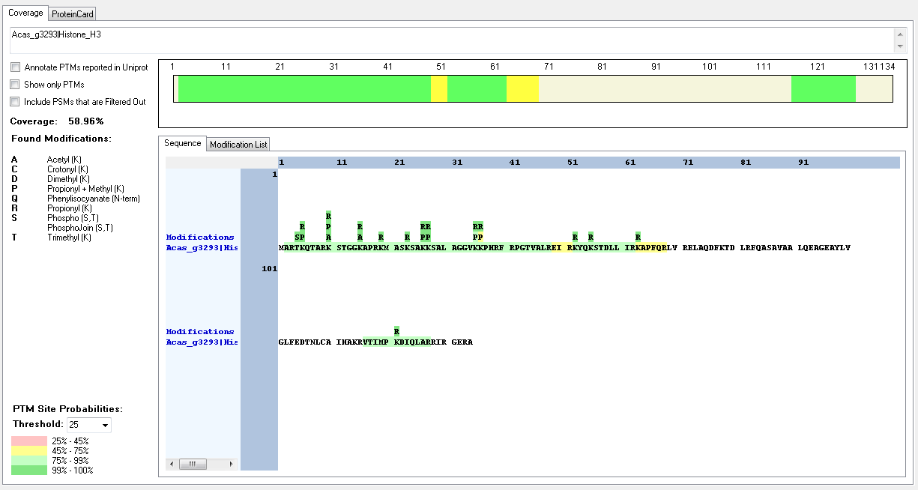
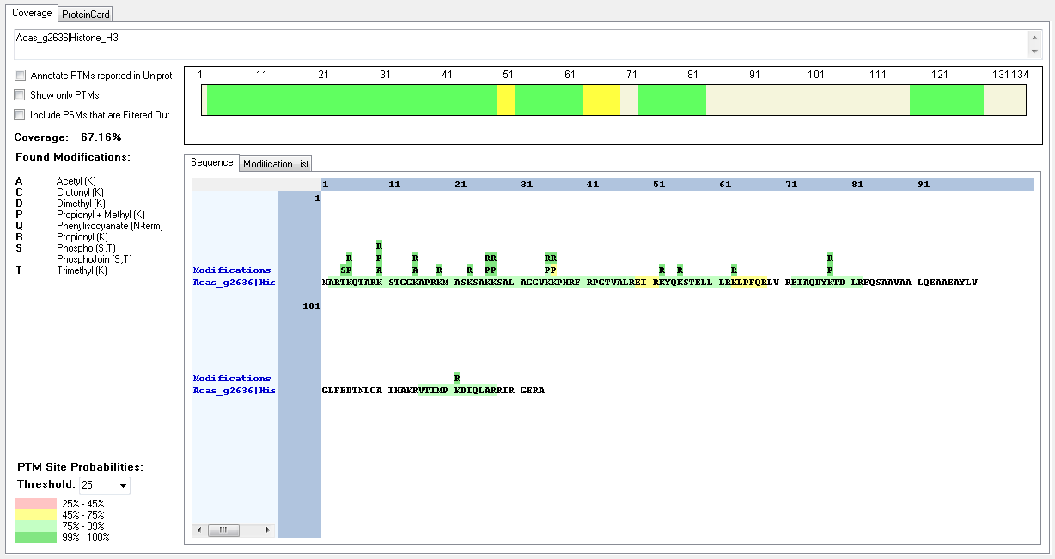
Protein ID | Peptide Sequence | Peptide position | Residue | Position in peptide | Positions in Protein | Modification | ptmRS: Best Site Probabilities
Acas_g2636|Histone_H3 | [M].ARTKQTAR.[K] | [2-9] | T | 3 | 4 | Phospho | 100
Acas_g2636|Histone_H3 | [R].TKQTAR.[K] | [4-9] | K | 2 | 5 | Dimethyl | 100
Acas_g2636|Histone_H3 | [R].TKQTAR.[K] | [4-9] | K | 2 | 5 | Methyl | 100
Acas_g2636|Histone_H3 | [R].KSTGGKAPR.[K] | [10-18] | K | 1 | 10 | Acetyl | 100
Acas_g2636|Histone_H3 | [R].KSTGGKAPR.[K] | [10-18] | K | 1 | 10 | Dimethyl | 99.96
Acas_g2636|Histone_H3 | [R].KSTGGKAPR.[K] | [10-18] | K | 1 | 10 | Methyl | 100
Acas_g2636|Histone_H3 | [R].KSTGGKAPR.[K] | [10-18] | K | 1 | 10 | Trimethyl | 100
Acas_g2636|Histone_H3 | [R].KSTGGKAPR.[K] | [10-18] | K | 6 | 15 | Acetyl | 100
Acas_g2636|Histone_H3 | [R].KSTGGKAPR.[K] | [10-18] | K | 6 | 15 | Acetyl | 100
Acas_g2636|Histone_H3 | [K].SAKKSALAGGVKKPHR.[F] | [24-39] | K | 3 | 26 | Methyl | 100
Acas_g2636|Histone_H3 | [K].SAKKSALAGGVKKPHR.[F] | [24-39] | K | 4 | 27 | Methyl | 100
Acas_g2636|Histone_H3 | [K].SALAGGVKKPHR.[F] | [28-39] | K | 8 | 35 | Acetyl | 96.78
Acas_g2636|Histone_H3 | [R].KMASKSAKKSALAGGVKKPHR.[F] | [19-39] | K | 17 | 35 | Methyl | 50
Acas_g2636|Histone_H3 | [K].SALAGGVKKPHR.[F] | [28-39] | K | 9 | 36 | Methyl | 96.78
Acas_g2636|Histone_H3 | [K].MASKSAKKSALAGGVKKPHR.[F] | [20-39] | K | 17 | 36 | Trimethyl | 78.08
Acas_g2636|Histone_H3 | [R].EIAQDYKTDLR.[F] | [72-82] | K | 7 | 78 | Dimethyl | 100
Acas_g2636|Histone_H3 | [R].EIAQDYKTDLR.[F] | [72-82] | K | 7 | 78 | Methyl | 100
Acas_g3293|Histone_H3 | [M].ARTKQTAR.[K] | [2-9] | T | 3 | 4 | Phospho | 100
Acas_g3293|Histone_H3 | [R].TKQTAR.[K] | [4-9] | K | 2 | 5 | Dimethyl | 100
Acas_g3293|Histone_H3 | [R].TKQTAR.[K] | [4-9] | K | 2 | 5 | Methyl | 100
Acas_g3293|Histone_H3 | [R].KSTGGKAPR.[K] | [10-18] | K | 1 | 10 | Acetyl | 100
Acas_g3293|Histone_H3 | [R].KSTGGKAPR.[K] | [10-18] | K | 1 | 10 | Dimethyl | 99.96
Acas_g3293|Histone_H3 | [R].KSTGGKAPR.[K] | [10-18] | K | 1 | 10 | Methyl | 100
Acas_g3293|Histone_H3 | [R].KSTGGKAPR.[K] | [10-18] | K | 1 | 10 | Trimethyl | 100
Acas_g3293|Histone_H3 | [R].KSTGGKAPR.[K] | [10-18] | K | 6 | 15 | Acetyl | 100
Acas_g3293|Histone_H3 | [R].KSTGGKAPR.[K] | [10-18] | K | 6 | 15 | Trimethyl | 50
Acas_g3293|Histone_H3 | [K].SAKKSALAGGVKKPHR.[F] | [24-39] | K | 3 | 26 | Methyl | 100
Acas_g3293|Histone_H3 | [K].SAKKSALAGGVKKPHR.[F] | [24-39] | K | 4 | 27 | Methyl | 100
Acas_g3293|Histone_H3 | [R].KMASKSAKKSALAGGVKKPHR.[F] | [19-39] | K | 9 | 28 | Methyl | 99.99
Acas_g3293|Histone_H3 | [K].SALAGGVKKPHR.[F] | [28-39] | K | 8 | 35 | Acetyl | 96.78
Acas_g3293|Histone_H3 | [K].SALAGGVKKPHR.[F] | [28-39] | K | 9 | 36 | Methyl | 96.78
Acas_g3293|Histone_H3 | [K].MASKSAKKSALAGGVKKPHR.[F] | [20-39] | K | 17 | 36 | Trimethyl | 78.08

Bigelowiella_natans_v2
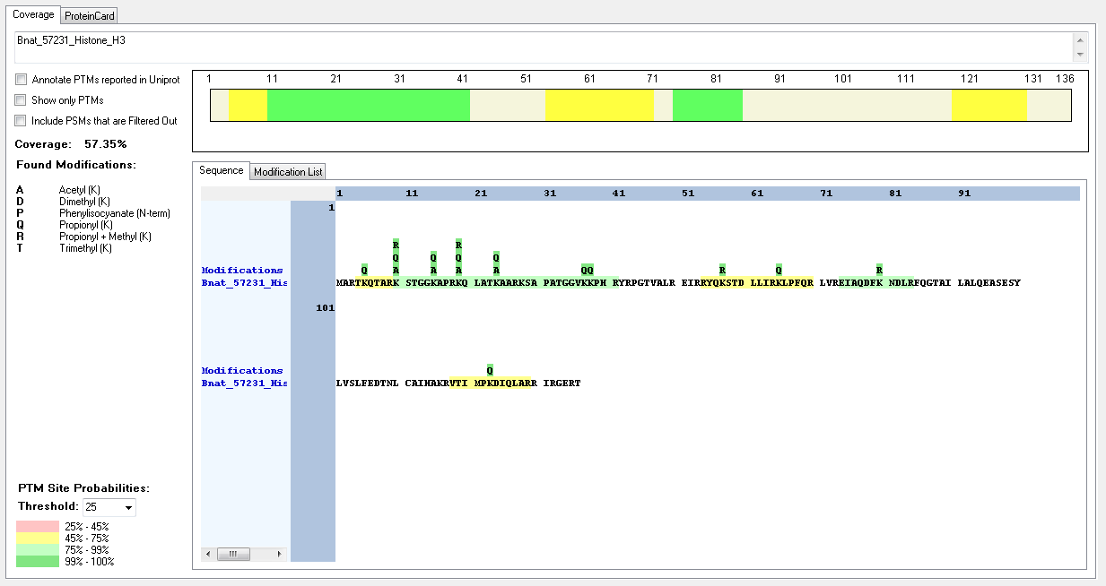
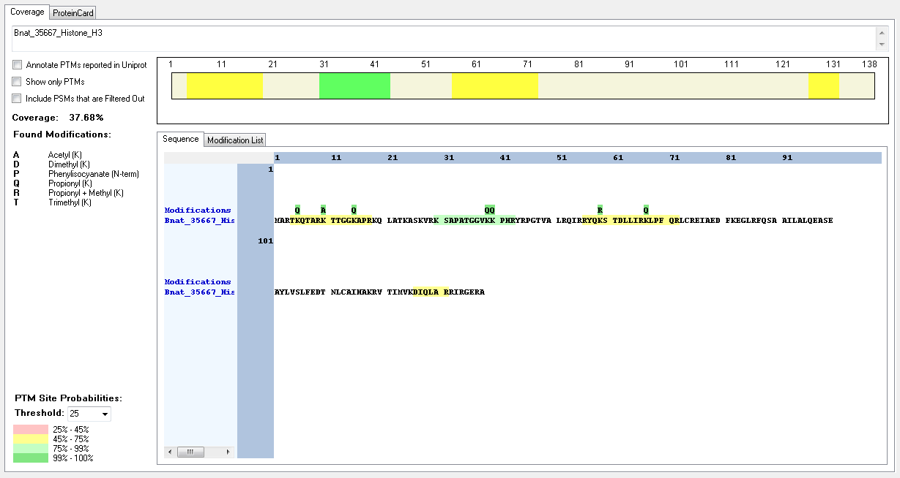
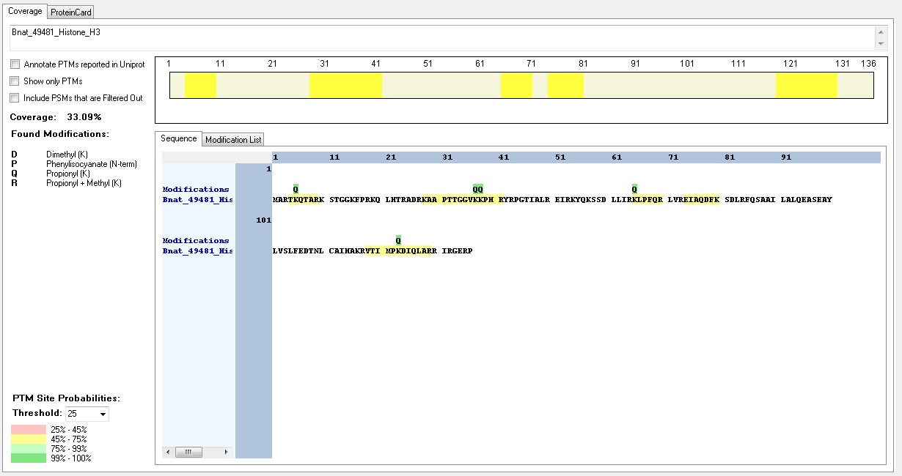
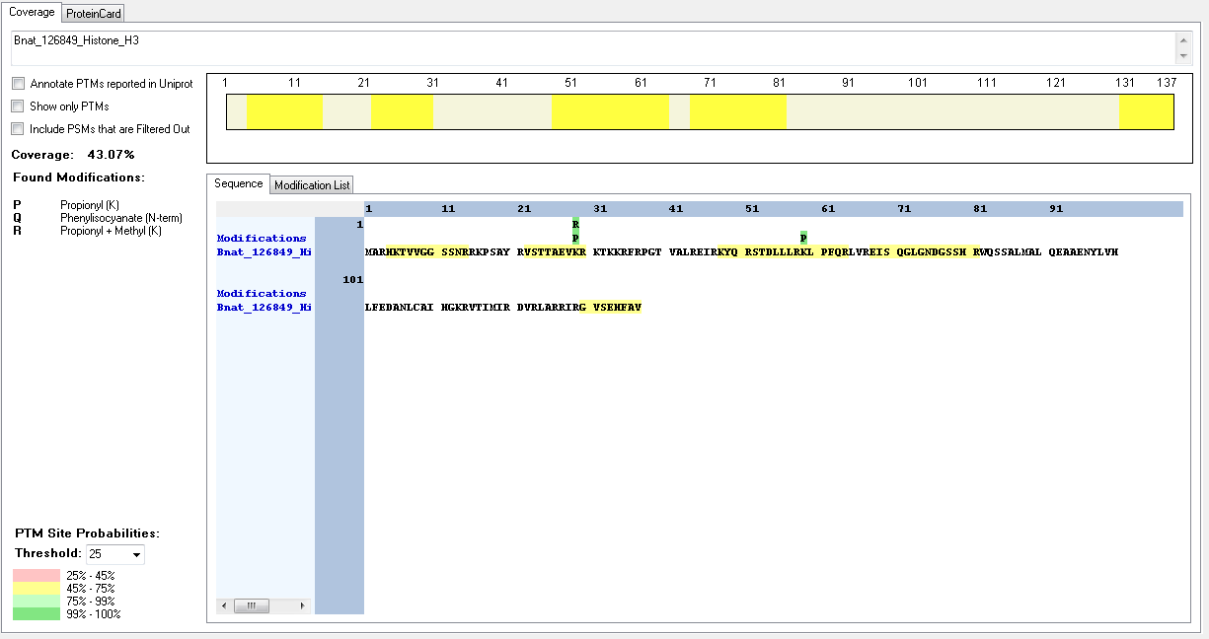
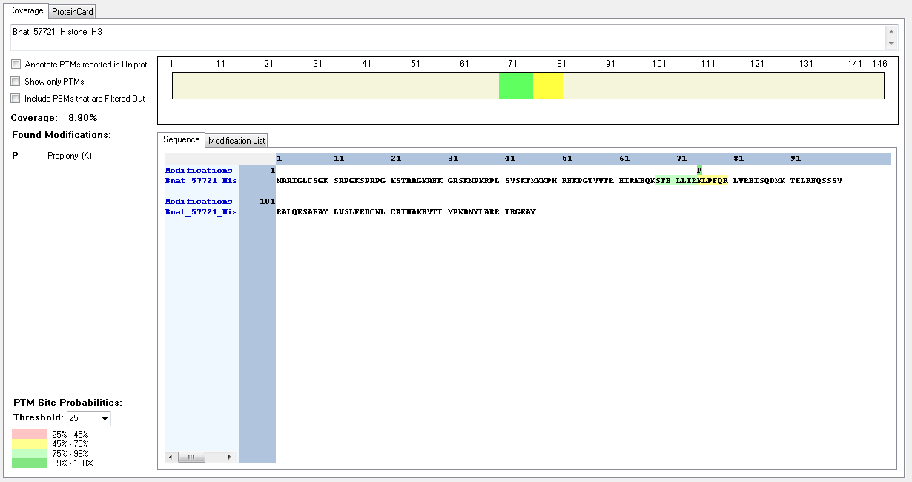
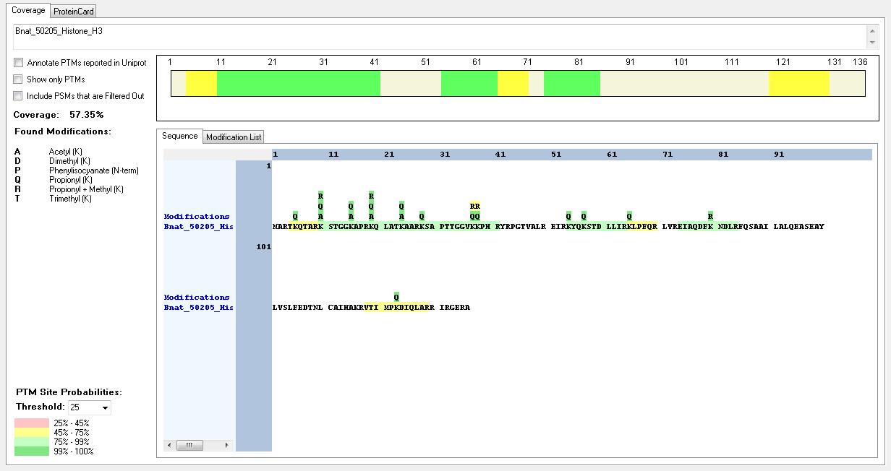
Protein ID | Peptide Sequence | Peptide position | Residue | Position in peptide | Positions in Protein | Modification | ptmRS: Best Site Probabilities
Bnat_50205_Histone_H3 | [R].KSTGGKAPR.[K] | [10-18] | K | 1 | 10 | Dimethyl | 100
Bnat_50205_Histone_H3 | [R].KSTGGKAPR.[K] | [10-18] | K | 1 | 10 | Trimethyl | 100
Bnat_50205_Histone_H3 | [R].KSTGGKAPR.[K] | [10-18] | K | 6 | 15 | Acetyl | 100
Bnat_50205_Histone_H3 | [R].KQLATKAAR.[K] | [19-27] | K | 1 | 19 | Acetyl | 100
Bnat_50205_Histone_H3 | [R].KQLATKAAR.[K] | [19-27] | K | 1 | 19 | Methyl | 100
Bnat_50205_Histone_H3 | [R].KSAPTTGGVKKPHR.[Y] | [28-41] | K | 1 | 28 | Dimethyl | 100
Bnat_50205_Histone_H3 | [R].KSAPTTGGVKKPHR.[Y] | [28-41] | K | 1 | 28 | Trimethyl | 100
Bnat_50205_Histone_H3 | [R].KSAPTTGGVKKPHR.[Y] | [28-41] | K | 10 | 37 | Methyl | 99.77
Bnat_50205_Histone_H3 | [R].EIAQDFKNDLR.[F] | [74-84] | K | 7 | 80 | Methyl | 100
Bnat_57231_Histone_H3 | [R].KSTGGKAPR.[K] | [10-18] | K | 1 | 10 | Acetyl | 100
Bnat_57231_Histone_H3 | [R].KSTGGKAPR.[K] | [10-18] | K | 1 | 10 | Dimethyl | 100
Bnat_57231_Histone_H3 | [R].KSTGGKAPR.[K] | [10-18] | K | 1 | 10 | Methyl | 100
Bnat_57231_Histone_H3 | [R].KSTGGKAPR.[K] | [10-18] | K | 1 | 10 | Trimethyl | 100
Bnat_57231_Histone_H3 | [R].KSTGGKAPR.[K] | [10-18] | K | 6 | 15 | Acetyl | 100
Bnat_57231_Histone_H3 | [R].KQLATKAAR.[K] | [19-27] | K | 1 | 19 | Acetyl | 100
Bnat_57231_Histone_H3 | [R].KQLATKAAR.[K] | [19-27] | K | 1 | 19 | Methyl | 100
Bnat_57231_Histone_H3 | [R].KSAPATGGVKKPHR.[Y] | [28-41] | K | 10 | 37 | Dimethyl | 99.79
Bnat_57231_Histone_H3 | [K].SAPATGGVKKPHR.[Y] | [29-41] | K | 9 | 37 | Methyl | 99.51
Bnat_57231_Histone_H3 | [R].EIAQDFKNDLR.[F] | [74-84] | K | 7 | 80 | Methyl | 100
Bnat_35667_Histone_H3 | [R].TKQTARKTTGGKAPR.[K] | [4-18] | K | 7 | 10 | Acetyl | 100
Bnat_35667_Histone_H3 | [R].KSAPATGGVKKPHR.[Y] | [30-43] | K | 10 | 39 | Dimethyl | 99.79
Bnat_35667_Histone_H3 | [K].SAPATGGVKKPHR.[Y] | [31-43] | K | 9 | 39 | Methyl | 99.51
Bnat_49481_Histone_H3 | [R].KAAPTTGGVKKPHR.[Y] | [28-41] | K | 1 | 28 | Dimethyl | 100
Bnat_126849_Histone_H3 | [R].VSTTAEVKR.[K] | [22-30] | K | 8 | 29 | Methyl | 100
Bnat_57721_Histone_H3 | No modifications found

Capsaspora_owczarzaki
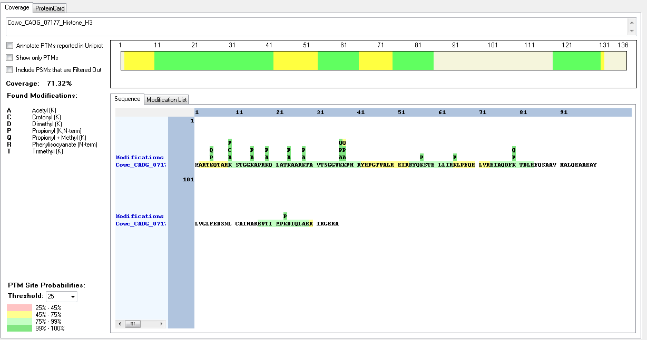
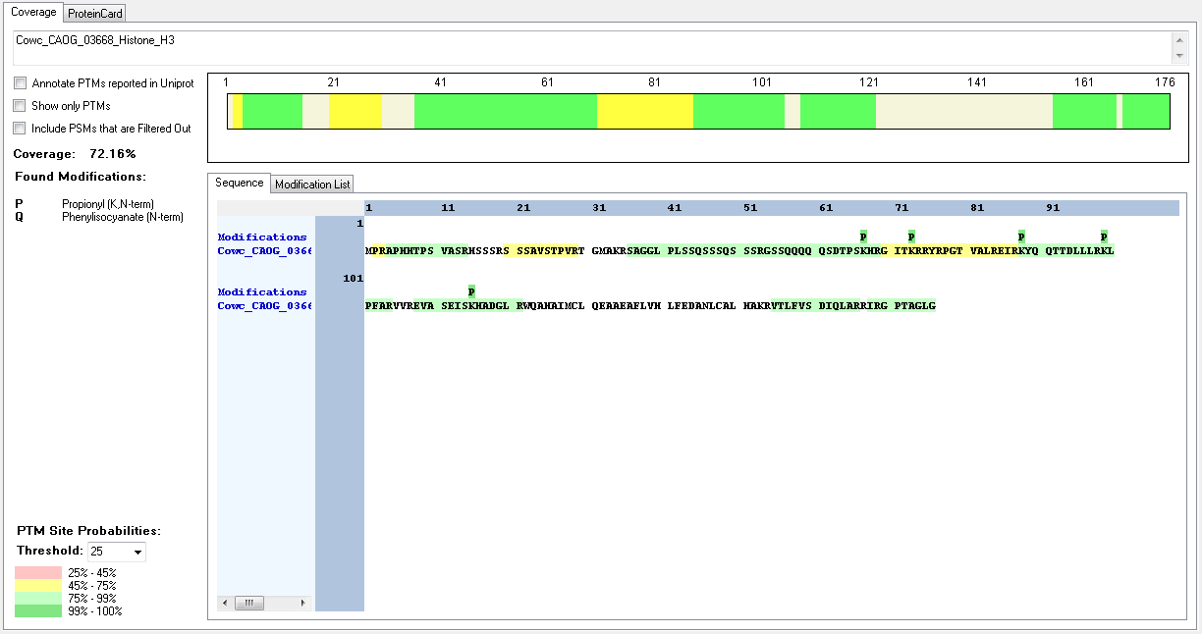
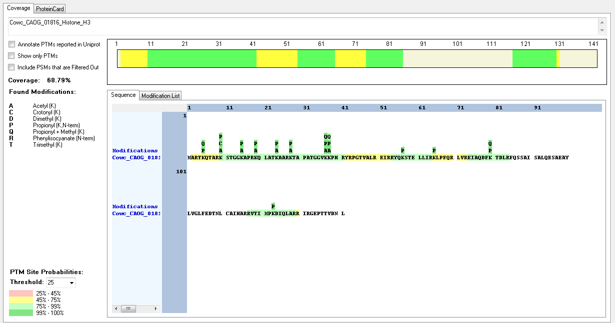
Protein ID | Peptide Sequence | Peptide position | Residue | Position in peptide | Positions in Protein | Modification | ptmRS: Best Site Probabilities
Cowc_CAOG_01816_Histone_H3 | [M].ARTKQTAR.[K] | [2-9] | K | 4 | 5 | Methyl | 100
Cowc_CAOG_01816_Histone_H3 | [R].KSTGGKAPR.[K] | [10-18] | K | 1 | 10 | Acetyl | 100
Cowc_CAOG_01816_Histone_H3 | [R].KSTGGKAPR.[K] | [10-18] | K | 1 | 10 | Crotonyl | 99.47
Cowc_CAOG_01816_Histone_H3 | [R].KSTGGKAPR.[K] | [10-18] | K | 1 | 10 | Dimethyl | 99.99
Cowc_CAOG_01816_Histone_H3 | [R].KSTGGKAPR.[K] | [10-18] | K | 1 | 10 | Methyl | 92.27
Cowc_CAOG_01816_Histone_H3 | [R].KSTGGKAPR.[K] | [10-18] | K | 6 | 15 | Acetyl | 100
Cowc_CAOG_01816_Histone_H3 | [R].KQLATKAAR.[K] | [19-27] | K | 1 | 19 | Acetyl | 100
Cowc_CAOG_01816_Histone_H3 | [R].KQLATKAAR.[K] | [19-27] | K | 6 | 24 | Acetyl | 100
Cowc_CAOG_01816_Histone_H3 | [R].KTAPATGGVKKPHR.[Y] | [28-41] | K | 1 | 28 | Acetyl | 100
Cowc_CAOG_01816_Histone_H3 | [R].KTAPATGGVKKPHR.[Y] | [28-41] | K | 10 | 37 | Acetyl | 100
Cowc_CAOG_01816_Histone_H3 | [K].TAPATGGVKKPHR.[Y] | [29-41] | K | 9 | 37 | Dimethyl | 99.44
Cowc_CAOG_01816_Histone_H3 | [K].TAPATGGVKKPHR.[Y] | [29-41] | K | 9 | 37 | Methyl | 99.98
Cowc_CAOG_01816_Histone_H3 | [R].KTAPATGGVK.[K] | [28-37] | K | 10 | 37 | Trimethyl | 100
Cowc_CAOG_01816_Histone_H3 | [R].KTAPATGGVKKPHR.[Y] | [28-41] | K | 11 | 38 | Acetyl | 100
Cowc_CAOG_01816_Histone_H3 | [R].EIAQDFKTDLR.[F] | [74-84] | K | 7 | 80 | Dimethyl | 100
Cowc_CAOG_01816_Histone_H3 | [R].EIAQDFKTDLR.[F] | [74-84] | K | 7 | 80 | Methyl | 100
Cowc_CAOG_07177_Histone_H3 | [M].ARTKQTAR.[K] | [2-9] | K | 4 | 5 | Methyl | 100
Cowc_CAOG_07177_Histone_H3 | [R].KSTGGKAPR.[K] | [10-18] | K | 1 | 10 | Acetyl | 100
Cowc_CAOG_07177_Histone_H3 | [R].KSTGGKAPR.[K] | [10-18] | K | 1 | 10 | Crotonyl | 99.47
Cowc_CAOG_07177_Histone_H3 | [R].KSTGGKAPR.[K] | [10-18] | K | 1 | 10 | Dimethyl | 99.99
Cowc_CAOG_07177_Histone_H3 | [R].KSTGGKAPR.[K] | [10-18] | K | 1 | 10 | Methyl | 92.27
Cowc_CAOG_07177_Histone_H3 | [R].KSTGGKAPR.[K] | [10-18] | K | 6 | 15 | Acetyl | 100
Cowc_CAOG_07177_Histone_H3 | [R].KQLATKAAR.[K] | [19-27] | K | 1 | 19 | Acetyl | 100
Cowc_CAOG_07177_Histone_H3 | [R].KQLATKAAR.[K] | [19-27] | K | 6 | 24 | Acetyl | 100
Cowc_CAOG_07177_Histone_H3 | [R].KTAVTSGGVKKPHR.[Y] | [28-41] | K | 1 | 28 | Acetyl | 100
Cowc_CAOG_07177_Histone_H3 | [K].TAVTSGGVKKPHR.[Y] | [29-41] | K | 9 | 37 | Dimethyl | 99.65
Cowc_CAOG_07177_Histone_H3 | [K].TAVTSGGVKKPHR.[Y] | [29-41] | K | 9 | 37 | Methyl | 99.71
Cowc_CAOG_07177_Histone_H3 | [R].KTAVTSGGVKKPHR.[Y] | [28-41] | K | 10 | 37 | Trimethyl | 91.95
Cowc_CAOG_07177_Histone_H3 | [K].TAVTSGGVKKPHR.[Y] | [29-41] | K | 10 | 38 | Methyl | 50
Cowc_CAOG_07177_Histone_H3 | [R].EIAQDFKTDLR.[F] | [74-84] | K | 7 | 80 | Dimethyl | 100
Cowc_CAOG_07177_Histone_H3 | [R].EIAQDFKTDLR.[F] | [74-84] | K | 7 | 80 | Methyl | 100
Cowc_CAOG_03668_Histone_H3 | No modifications found

Chlamydomonas_reindhardtii
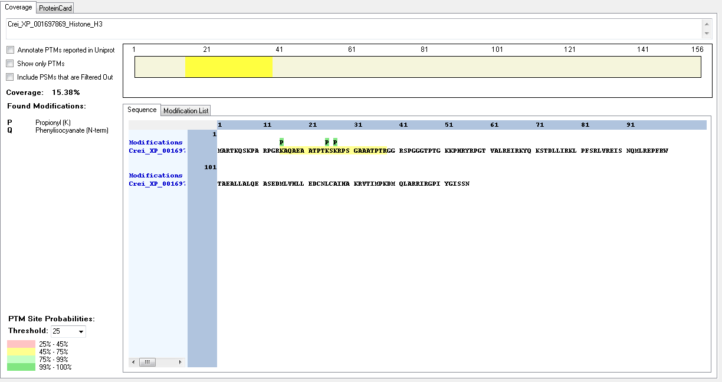
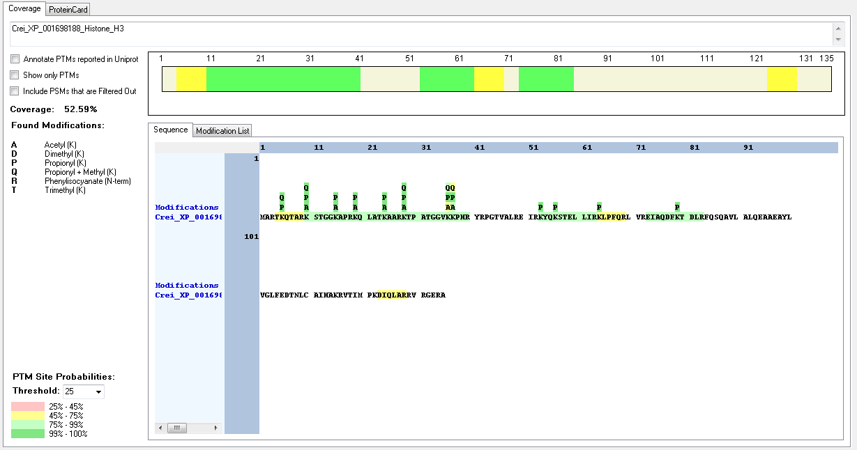
Protein ID | Peptide Sequence | Peptide position | Residue | Position in peptide | Positions in Protein | Modification | ptmRS: Best Site Probabilities
Crei_XP_001698188_Histone_H3 | [R].TKQTAR.[K] | [4-9] | K | 2 | 5 | Methyl | 100
Crei_XP_001698188_Histone_H3 | [R].KSTGGKAPR.[K] | [10-18] | K | 1 | 10 | Acetyl | 100
Crei_XP_001698188_Histone_H3 | [R].KSTGGKAPR.[K] | [10-18] | K | 6 | 15 | Acetyl | 100
Crei_XP_001698188_Histone_H3 | [R].KQLATKAAR.[K] | [19-27] | K | 1 | 19 | Acetyl | 100
Crei_XP_001698188_Histone_H3 | [R].KQLATKAAR.[K] | [19-27] | K | 6 | 24 | Acetyl | 100
Crei_XP_001698188_Histone_H3 | [R].KTPATGGVKKPHR.[Y] | [28-40] | K | 1 | 28 | Acetyl | 100
Crei_XP_001698188_Histone_H3 | [R].KTPATGGVKKPHR.[Y] | [28-40] | K | 1 | 28 | Dimethyl | 100
Crei_XP_001698188_Histone_H3 | [R].KTPATGGVKKPHR.[Y] | [28-40] | K | 1 | 28 | Methyl | 100
Crei_XP_001698188_Histone_H3 | [R].KTPATGGVK.[K] | [28-36] | K | 1 | 28 | Trimethyl | 100
Crei_XP_001698188_Histone_H3 | [R].KTPATGGVKKPHR.[Y] | [28-40] | K | 9 | 36 | Acetyl | 93.74
Crei_XP_001698188_Histone_H3 | [K].TPATGGVKKPHR.[Y] | [29-40] | K | 8 | 36 | Methyl | 99.84
Crei_XP_001698188_Histone_H3 | [R].KTPATGGVKKPHR.[Y] | [28-40] | K | 10 | 37 | Acetyl | 50
Crei_XP_001698188_Histone_H3 | [R].KTPATGGVKKPHR.[Y] | [28-40] | K | 10 | 37 | Dimethyl | 87.91
Crei_XP_001698188_Histone_H3 | [R].KTPATGGVKKPHR.[Y] | [28-40] | K | 10 | 37 | Methyl | 50
Crei_XP_001697869_Histone_H3 | no modifications found

[R].TKQTAR.[K] | 1×Propionyl + Methyl [K2(100)] | [4-9] | K2(Propi): 100 | R.TKQTAR.K

Corallochytrium_limacisporum
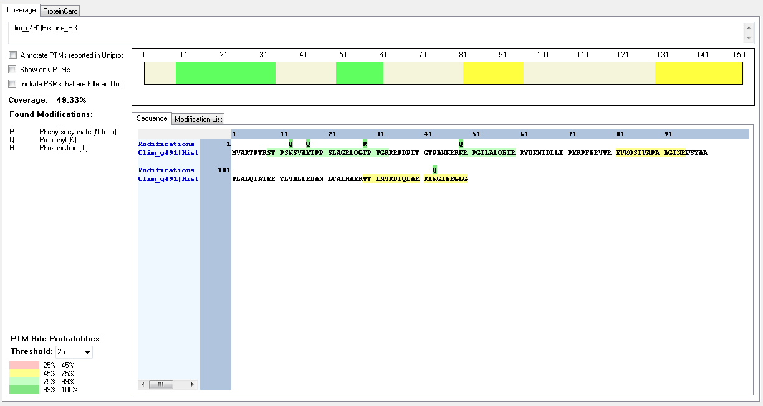
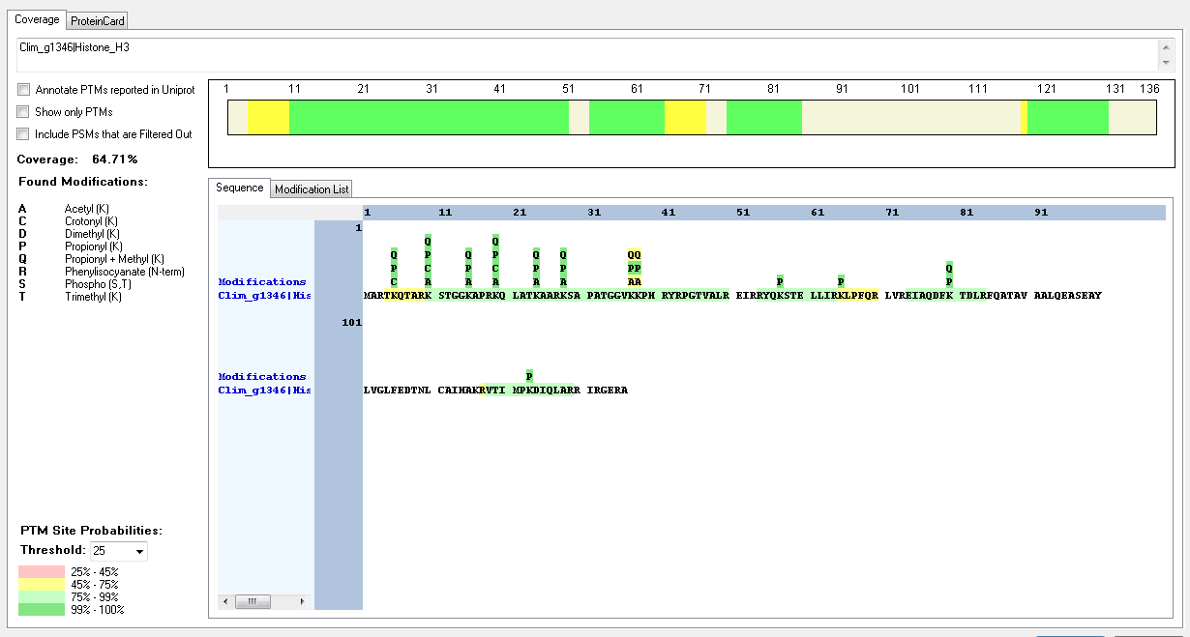
Protein ID | Peptide Sequence | Peptide position | Residue | Position in peptide | Positions in Protein | Modification | ptmRS: Best Site Probabilities
Clim_g1346|Histone_H3 | [R].TKQTAR.[K] | [4-9] | K | 2 | 5 | Crotonyl | 100
Clim_g1346|Histone_H3 | [R].TKQTAR.[K] | [4-9] | K | 2 | 5 | Dimethyl | 100
Clim_g1346|Histone_H3 | [R].TKQTAR.[K] | [4-9] | K | 2 | 5 | Methyl | 100
Clim_g1346|Histone_H3 | [R].KSTGGKAPR.[K] | [10-18] | K | 1 | 10 | Acetyl | 100
Clim_g1346|Histone_H3 | [R].KSTGGKAPR.[K] | [10-18] | K | 1 | 10 | Crotonyl | 100
Clim_g1346|Histone_H3 | [R].KSTGGKAPR.[K] | [10-18] | K | 6 | 15 | Acetyl | 100
Clim_g1346|Histone_H3 | [R].KSTGGKAPR.[K] | [10-18] | K | 6 | 15 | Methyl | 100
Clim_g1346|Histone_H3 | [R].KQLATKAAR.[K] | [19-27] | K | 1 | 19 | Acetyl | 100
Clim_g1346|Histone_H3 | [R].KQLATKAAR.[K] | [19-27] | K | 1 | 19 | Methyl | 100
Clim_g1346|Histone_H3 | [R].KQLATKAAR.[K] | [19-27] | K | 6 | 24 | Acetyl | 100 | 52 | Medium
Clim_g1346|Histone_H3 | [R].KQLATKAAR.[K] | [19-27] | K | 6 | 24 | Methyl | 100
Clim_g1346|Histone_H3 | [R].KQLATKAAR.[K] | [19-27] | K | 6 | 24 | Trimethyl | 100
Clim_g1346|Histone_H3 | [R].KSAPATGGVKKPHR.[Y] | [28-41] | K | 1 | 28 | Acetyl | 100 | 28 | Medium
Clim_g1346|Histone_H3 | [R].KSAPATGGVKKPHR.[Y] | [28-41] | K | 1 | 28 | Methyl | 100
Clim_g1346|Histone_H3 | [R].KSAPATGGVKKPHR.[Y] | [28-41] | S | 2 | 29 | Phospho | 100
Clim_g1346|Histone_H3 | [R].KSAPATGGVKKPHR.[Y] | [28-41] | T | 6 | 33 | Phospho | 100
Clim_g1346|Histone_H3 | [K].SAPATGGVKKPHR.[Y] | [29-41] | K | 9 | 37 | Dimethyl | 99.85
Clim_g1346|Histone_H3 | [R].KSAPATGGVKKPHR.[Y] | [28-41] | K | 10 | 37 | Methyl | 99.79
Clim_g1346|Histone_H3 | [R].KSAPATGGVKKPHR.[Y] | [28-41] | K | 10 | 37 | Trimethyl | 83.24
Clim_g1346|Histone_H3 | [R].KSAPATGGVKKPHR.[Y] | [28-41] | K | 11 | 38 | Acetyl | 95.88
Clim_g1346|Histone_H3 | [R].KSAPATGGVKKPHR.[Y] | [28-41] | K | 11 | 38 | Methyl | 99.79
Clim_g1346|Histone_H3 | [R].EIAQDFKTDLR.[F] | [74-84] | K | 7 | 80 | Dimethyl | 100 | 27 | Medium
Clim_g1346|Histone_H3 | [R].EIAQDFKTDLR.[F] | [74-84] | K | 7 | 80 | Methyl | 100 | 69 | High
Clim_g4067|Histone_H3 | [R].TKQTAR.[K] | [4-9] | K | 2 | 5 | Crotonyl | 100
Clim_g4067|Histone_H3 | [R].TKQTAR.[K] | [4-9] | K | 2 | 5 | Dimethyl | 100 | 44 | Medium
Clim_g4067|Histone_H3 | [R].TKQTAR.[K] | [4-9] | K | 2 | 5 | Methyl | 100 | 50 | High
Clim_g4067|Histone_H3 | [R].KSTGGKAPR.[K] | [10-18] | K | 1 | 10 | Acetyl | 100
Clim_g4067|Histone_H3 | [R].KSTGGKAPR.[K] | [10-18] | K | 6 | 15 | Acetyl | 100
Clim_g4067|Histone_H3 | [R].KSTGGKAPR.[K] | [10-18] | K | 6 | 15 | Acetyl | 100
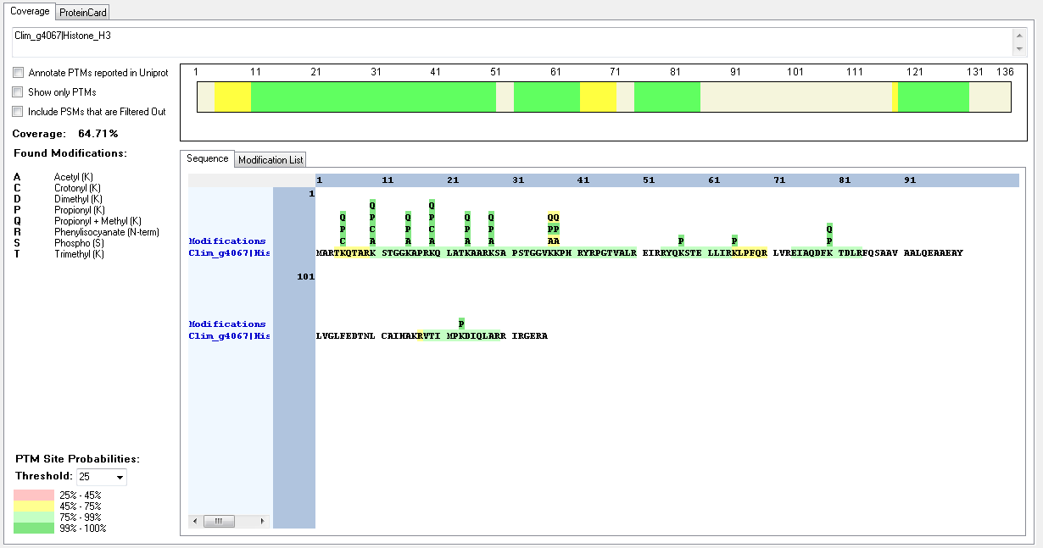
Clim_g4067|Histone_H3 | [R].KSTGGKAPR.[K] | [10-18] | K | 6 | 15 | Methyl | 100
Clim_g4067|Histone_H3 | [R].KQLATKAAR.[K] | [19-27] | K | 1 | 19 | Methyl | 100
Clim_g4067|Histone_H3 | [R].KQLATKAAR.[K] | [19-27] | K | 6 | 24 | Acetyl | 100
Clim_g4067|Histone_H3 | [R].KQLATKAAR.[K] | [19-27] | K | 6 | 24 | Methyl | 100
Clim_g4067|Histone_H3 | [R].KQLATKAAR.[K] | [19-27] | K | 6 | 24 | Trimethyl | 100
Clim_g4067|Histone_H3 | [R].KSAPSTGGVKKPHR.[Y] | [28-41] | K | 1 | 28 | Methyl | 99.99
Clim_g4067|Histone_H3 | [R].KSAPSTGGVKKPHR.[Y] | [28-41] | S | 2 | 29 | Phospho | 54.42
Clim_g4067|Histone_H3 | [R].KSAPSTGGVKKPHR.[Y] | [28-41] | S | 5 | 32 | Phospho | 91.16
Clim_g4067|Histone_H3 | [R].KSAPSTGGVKKPHR.[Y] | [28-41] | T | 6 | 33 | Phospho | 54.43
Clim_g4067|Histone_H3 | [R].KSAPSTGGVKKPHR.[Y] | [28-41] | K | 10 | 37 | Acetyl | 95.76
Clim_g4067|Histone_H3 | [K].SAPSTGGVKKPHR.[Y] | [29-41] | K | 9 | 37 | Dimethyl | 99.82
Clim_g4067|Histone_H3 | [R].KSAPSTGGVKKPHR.[Y] | [28-41] | K | 10 | 37 | Methyl | 99.99
Clim_g4067|Histone_H3 | [R].KSAPSTGGVKKPHR.[Y] | [28-41] | K | 11 | 38 | Methyl | 95.76
Clim_g4067|Histone_H3 | [R].EIAQDFKTDLR.[F] | [74-84] | K | 7 | 80 | Dimethyl | 100
Clim_g4067|Histone_H3 | [R].EIAQDFKTDLR.[F] | [74-84] | K | 7 | 80 | Methyl | 100
Clim_g4067|Histone_H3 | [R].EIAQDFKTDLR.[F] | [74-84] | K | 7 | 80 | Methyl | 100
Clim_g4067|Histone_H3 | [R].KQLATKAAR.[K] | [19-27] | K | 1 | 19 | Acetyl | 100
Clim_g4067|Histone_H3 | [R].KQLATKAAR.[K] | [19-27] | K | 1 | 19 | Crotonyl | 100
Clim_g4067|Histone_H3 | [R].KSAPSTGGVKKPHR.[Y] | [28-41] | K | 1 | 28 | Acetyl | 100
Clim_g4067|Histone_H3 | [R].KSTGGKAPR.[K] | [10-18] | K | 1 | 10 | Crotonyl | 100
Clim_g4067|Histone_H3 | [R].TKQTAR.[K] | [4-9] | K | 2 | 5 | Crotonyl | 100
Clim_g4067|Histone_H3 | [R].KSAPSTGGVKKPHR.[Y] | [28-41] | K | 10 | 37 | Dimethyl | 99.85
Clim_g491|Histone_H3 | [R].LQGTPVGR.[R] | [26-33] | T | 4 | 29 | Phospho | 100

Creolimax_fragantissima
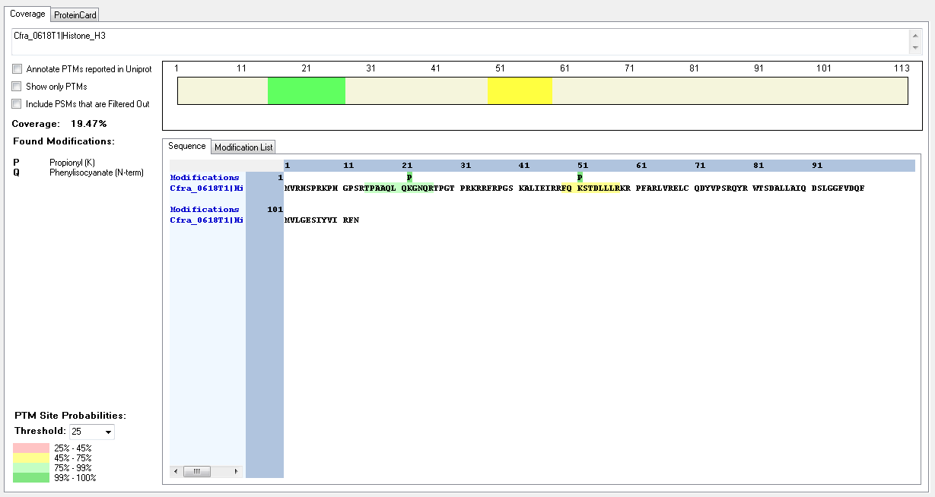
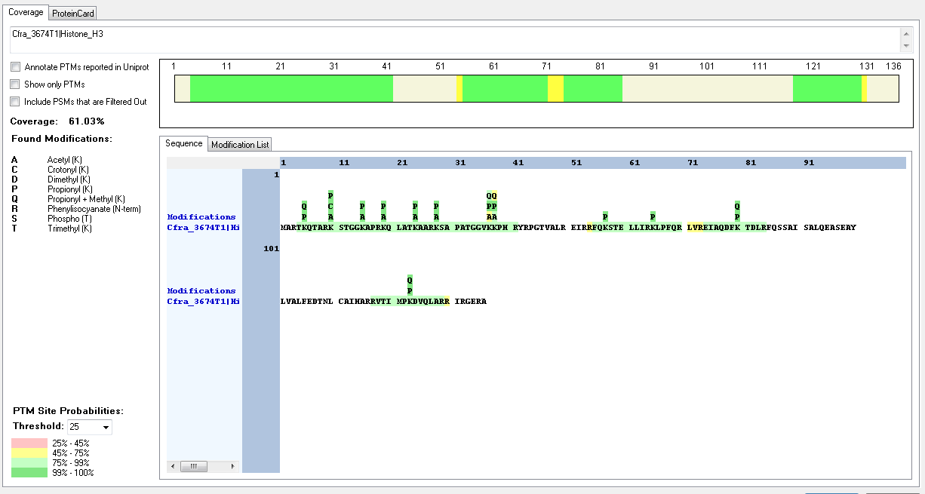
Protein ID | Peptide Sequence | Peptide position | Residue | Position in peptide | Positions in Protein | Modification | ptmRS: Best Site Probabilities
Cfra_3674T1|Histone_H3 | [R].TKQTAR.[K] | [4-9] | K | 2 | 5 | Methyl | 100
Cfra_3674T1|Histone_H3 | [R].KSTGGKAPR.[K] | [10-18] | K | 1 | 10 | Acetyl | 100
Cfra_3674T1|Histone_H3 | [R].KSTGGKAPR.[K] | [10-18] | K | 1 | 10 | Crotonyl | 100
Cfra_3674T1|Histone_H3 | [R].KSTGGKAPR.[K] | [10-18] | K | 6 | 15 | Acetyl | 100
Cfra_3674T1|Histone_H3 | [R].KQLATKAAR.[K] | [19-27] | K | 1 | 19 | Acetyl | 100
Cfra_3674T1|Histone_H3 | [R].KQLATKAAR.[K] | [19-27] | K | 6 | 24 | Acetyl | 100
Cfra_3674T1|Histone_H3 | [R].KQLATKAAR.[K] | [19-27] | K | 6 | 24 | Trimethyl | 99.08
Cfra_3674T1|Histone_H3 | [R].KSAPATGGVKKPHR.[Y] | [28-41] | K | 1 | 28 | Acetyl | 100
Cfra_3674T1|Histone_H3 | [R].KSAPATGGVKKPHR.[Y] | [28-41] | K | 1 | 28 | Dimethyl | 100
Cfra_3674T1|Histone_H3 | [R].KSAPATGGVKKPHR.[Y] | [28-41] | K | 1 | 28 | Trimethyl | 100
Cfra_3674T1|Histone_H3 | [K].SAPATGGVKKPHR.[Y] | [29-41] | K | 9 | 37 | Acetyl | 96.39
Cfra_3674T1|Histone_H3 | [R].KSAPATGGVKKPHR.[Y] | [28-41] | K | 10 | 37 | Dimethyl | 99.87
Cfra_3674T1|Histone_H3 | [R].KSAPATGGVKKPHR.[Y] | [28-41] | K | 10 | 37 | Methyl | 99.66
Cfra_3674T1|Histone_H3 | [R].KSAPATGGVKKPHR.[Y] | [28-41] | K | 10 | 37 | Trimethyl | 99.19
Cfra_3674T1|Histone_H3 | [R].KSAPATGGVKKPHR.[Y] | [28-41] | K | 11 | 38 | Acetyl | 95.44
Cfra_3674T1|Histone_H3 | [K].SAPATGGVKKPHR.[Y] | [29-41] | K | 10 | 38 | Methyl | 96.39
Cfra_3674T1|Histone_H3 | [R].EIAQDFKTDLR.[F] | [74-84] | K | 7 | 80 | Dimethyl | 100
Cfra_3674T1|Histone_H3 | [R].EIAQDFKTDLR.[F] | [74-84] | K | 7 | 80 | Methyl | 100
Cfra_3674T1|Histone_H3 | [R].VTIMPKDVQLAR.[R] | [118-129] | K | 6 | 123 | Mehyl | 100
Cfra_4727T1|Histone_H3 | [R].TKQTAR.[K] | [4-9] | K | 2 | 5 | Methyl | 100
Cfra_4727T1|Histone_H3 | [R].KSTGGKAPR.[K] | [10-18] | K | 1 | 10 | Acetyl | 100
Cfra_4727T1|Histone_H3 | [R].KSTGGKAPR.[K] | [10-18] | K | 1 | 10 | Crotonyl | 100
Cfra_4727T1|Histone_H3 | [R].KSTGGKAPR.[K] | [10-18] | K | 6 | 15 | Acetyl | 100
Cfra_4727T1|Histone_H3 | [R].KQLATKAAR.[K] | [19-27] | K | 1 | 19 | Acetyl | 100
Cfra_4727T1|Histone_H3 | [R].KQLATKAAR.[K] | [19-27] | K | 6 | 24 | Acetyl | 100
Cfra_4727T1|Histone_H3 | [R].KQLATKAAR.[K] | [19-27] | K | 6 | 24 | Trimethyl | 99.08
Cfra_4727T1|Histone_H3 | [R].KSAPHTTGGVKKPHR.[Y] | [28-42] | K | 1 | 28 | Acetyl | 100
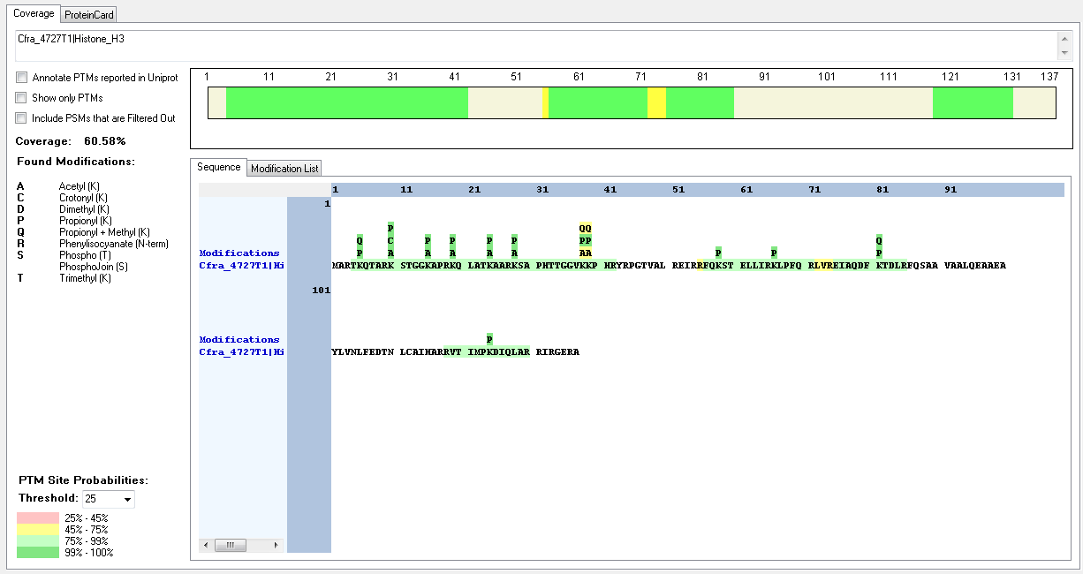
Cfra_4727T1|Histone_H3 | [R].KSAPHTTGGVKKPHR.[Y] | [28-42] | K | 11 | 38 | Methyl | 99.97
Cfra_4727T1|Histone_H3 | [K].SAPHTTGGVKKPHR.[Y] | [29-42] | K | 10 | 38 | Trimethyl | 88.64
Cfra_4727T1|Histone_H3 | [R].EIAQDFKTDLR.[F] | [75-85] | K | 7 | 81 | Dimethyl | 100
Cfra_4727T1|Histone_H3 | [R].EIAQDFKTDLR.[F] | [75-85] | K | 7 | 81 | Methyl | 100
Cfra_0618T1|Histone_H3 | no modifications found

Dictyostelium_discoideum
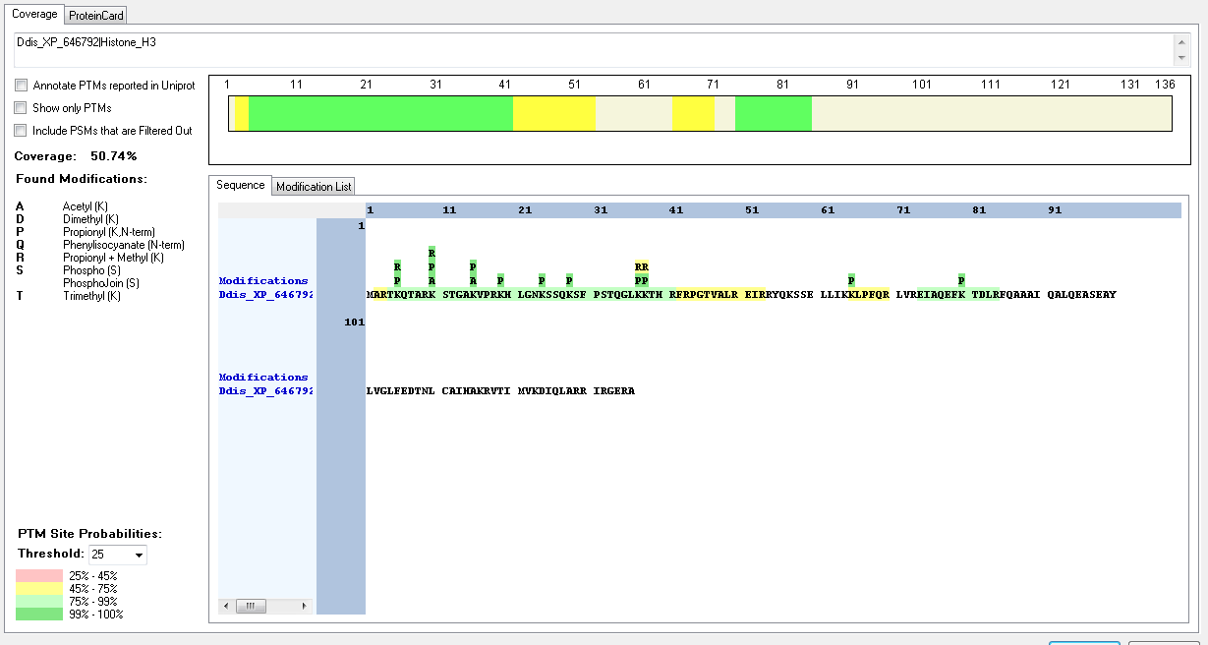
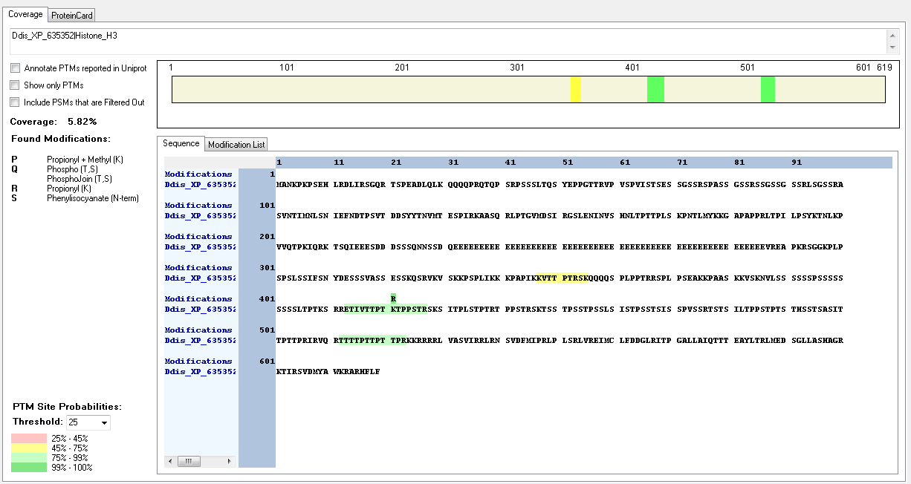
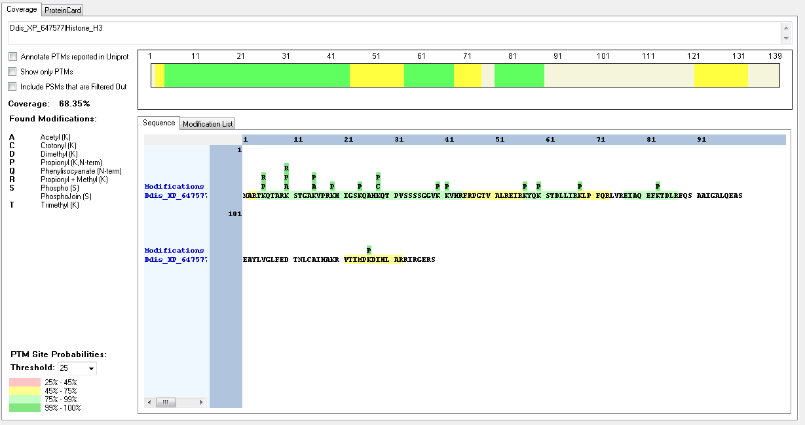
Protein ID | Peptide Sequence | Peptide position | Residue | Position in peptide | Positions in Protein | Modification | ptmRS: Best Site Probabilities
Ddis_XP_647577|Histone_H3 | [R].TKQTAR.[K] | [4-9] | K | 2 | 5 | Dimethyl | 100
Ddis_XP_647577|Histone_H3 | [M].ARTKQTAR.[K] | [2-9] | K | 4 | 5 | Methyl | 100
Ddis_XP_647577|Histone_H3 | [R].KSTGAKVPR.[K] | [10-18] | K | 1 | 10 | Acetyl | 100
Ddis_XP_647577|Histone_H3 | [R].KSTGAKVPR.[K] | [10-18] | K | 1 | 10 | Methyl | 100
Ddis_XP_647577|Histone_H3 | [R].KSTGAKVPR.[K] | [10-18] | K | 1 | 10 | Trimethyl | 99.98
Ddis_XP_647577|Histone_H3 | [R].KSTGAKVPR.[K] | [10-18] | S | 2 | 11 | Phospho | 98.81
Ddis_XP_647577|Histone_H3 | [R].KSTGAKVPR.[K] | [10-18] | K | 6 | 15 | Acetyl | 100
Ddis_XP_647577|Histone_H3 | [R].KSTGAKVPR.[K] | [10-18] | K | 6 | 15 | Trimethyl | 98.61
Ddis_XP_647577|Histone_H3 | [R].KHIGSKQAHKQTPVSSSSGGVKKVHR.[F] | [19-44] | K | 6 | 24 | Acetyl | 99.96
Ddis_XP_647577|Histone_H3 | [K].QAHKQTPVSSSSGGVKKVHR.[F] | [25-44] | K | 4 | 28 | Crotonyl | 100
Ddis_XP_647577|Histone_H3 | [R].KHIGSKQAHKQTPVSSSSGGVKKVHR.[F] | [19-44] | K | 22 | 40 | Methyl | 92.41
Ddis_XP_647577|Histone_H3 | [K].QAHKQTPVSSSSGGVKKVHR.[F] | [25-44] | K | 16 | 40 | Trimethyl | 99.59
Ddis_XP_647577|Histone_H3 | [R].EIAQEFKTDLR.[F] | [77-87] | K | 7 | 83 | Dimethyl | 100
Ddis_XP_646792|Histone_H3 | [M].ARTKQTAR.[K] | [2-9] | K | 4 | 5 | Dimethyl | 100
Ddis_XP_646792|Histone_H3 | [M].ARTKQTAR.[K] | [2-9] | K | 4 | 5 | Methyl | 100
Ddis_XP_646792|Histone_H3 | [R].KSTGAKVPR.[K] | [10-18] | K | 1 | 10 | Acetyl | 100
Ddis_XP_646792|Histone_H3 | [R].KSTGAKVPR.[K] | [10-18] | K | 1 | 10 | Methyl | 100
Ddis_XP_646792|Histone_H3 | [R].KSTGAKVPR.[K] | [10-18] | K | 1 | 10 | Trimethyl | 99.98
Ddis_XP_646792|Histone_H3 | [R].KSTGAKVPR.[K] | [10-18] | S | 2 | 11 | Phospho | 98.81
Ddis_XP_646792|Histone_H3 | [R].KSTGAKVPR.[K] | [10-18] | K | 6 | 15 | Acetyl | 100
Ddis_XP_646792|Histone_H3 | [R].KSTGAKVPR.[K] | [10-18] | K | 6 | 15 | Trimethyl | 98.61
Ddis_XP_646792|Histone_H3 | [R].EIAQEFKTDLR.[F] | [74-84] | K | 7 | 80 | Dimethyl | 100
Ddis_XP_635352|Histone_H3 | [K].KVTTPTRSK.[Q] | [347-355] | K | 1 | 347 | Methyl | 99.65
Ddis_XP_635352|Histone_H3 | [K].KVTTPTRSK.[Q] | [347-355] | T | 3 | 349 | Phospho | 66.74
Ddis_XP_635352|Histone_H3 | [K].KVTTPTRSK.[Q] | [347-355] | T | 4 | 350 | Phospho | 66.74
Ddis_XP_635352|Histone_H4 | [K].KVTTPTRSK.[Q] | [347-355] | S | 6 | 352 | Phospho | 99.79

Emiliania_huxleyi
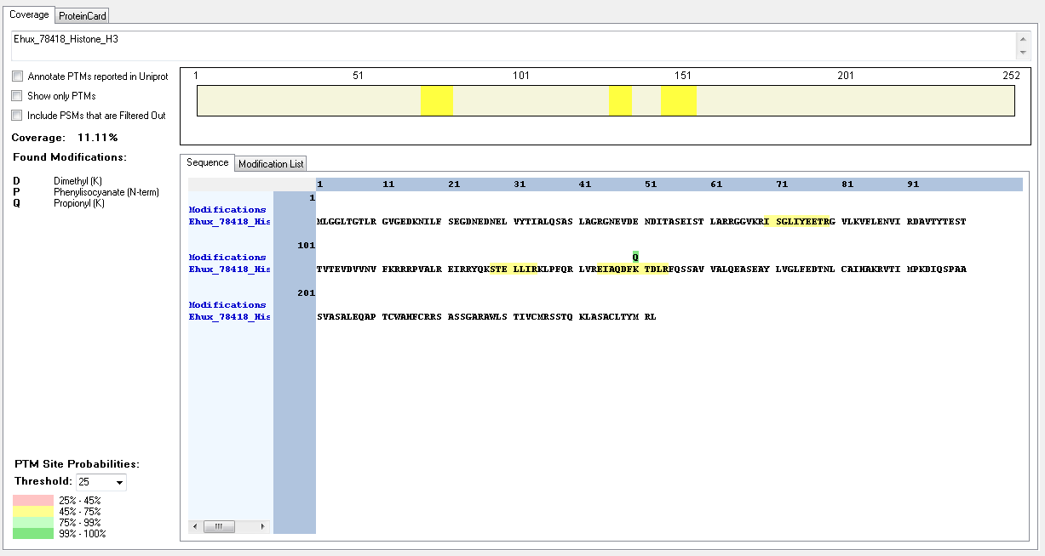
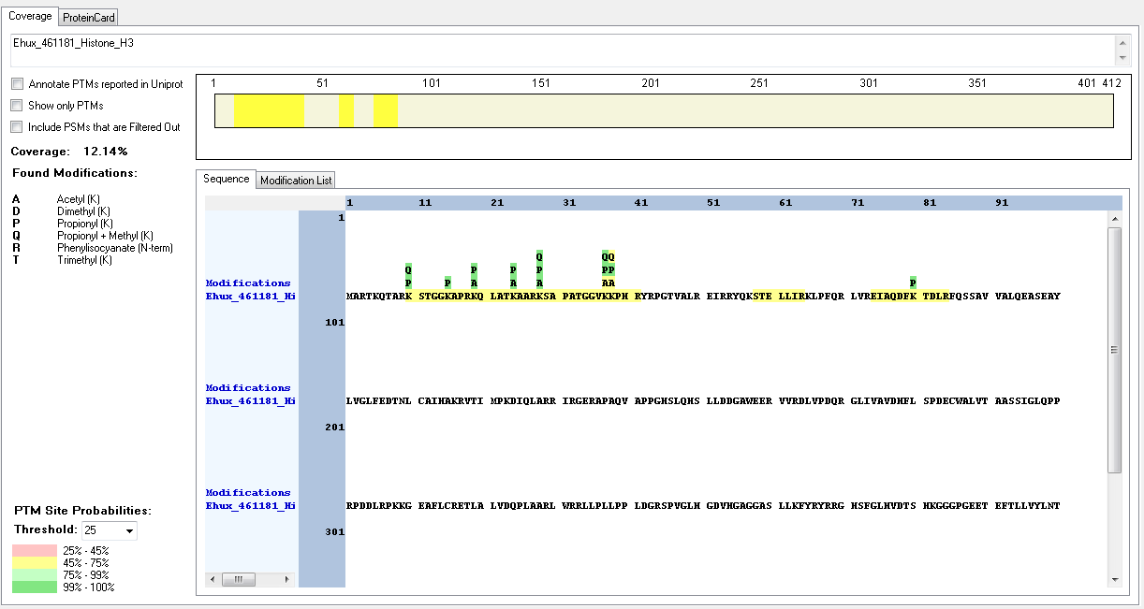
Protein ID | Peptide Sequence | Peptide position | Residue | Position in peptide | Positions in Protein | Modification | ptmRS: Best Site Probabilities
Ehux_461181_Histone_H3 | [R].KSTGGKAPR.[K] | [10-18] | K | 1 | 10 | Methyl | 100
Ehux_461181_Histone_H3 | [R].KQLATKAAR.[K] | [19-27] | K | 1 | 19 | Acetyl | 100
Ehux_461181_Histone_H3 | [R].KQLATKAAR.[K] | [19-27] | K | 6 | 24 | Acetyl | 100
Ehux_461181_Histone_H3 | [R].KSAPATGGVKKPHR.[Y] | [28-41] | K | 1 | 28 | Acetyl | 100
Ehux_461181_Histone_H3 | [R].KSAPATGGVKKPHR.[Y] | [28-41] | K | 1 | 28 | Dimethyl | 100
Ehux_461181_Histone_H3 | [R].KSAPATGGVKKPHR.[Y] | [28-41] | K | 1 | 28 | Methyl | 100
Ehux_461181_Histone_H3 | [R].KSAPATGGVKKPHR.[Y] | [28-41] | K | 1 | 28 | Trimethyl | 100
Ehux_461181_Histone_H3 | [R].KSAPATGGVKKPHR.[Y] | [28-41] | K | 10 | 37 | Methyl | 100
Ehux_461181_Histone_H3 | [R].KSAPATGGVKKPHR.[Y] | [28-41] | K | 11 | 38 | Acetyl | 100
Ehux_461181_Histone_H3 | [R].KSAPATGGVKKPHR.[Y] | [28-41] | K | 11 | 38 | Methyl | 50
Ehux_461181_Histone_H3 | [R].EIAQDFKTDLR.[F] | [74-84] | K | 7 | 80 | Dimethyl | 100
Ehux_78418_Histone_H3 | [R].EIAQDFKTDLR.[F] | [144-154] | K | 7 | 150 | Dimethyl | 100

Guillardia_theta
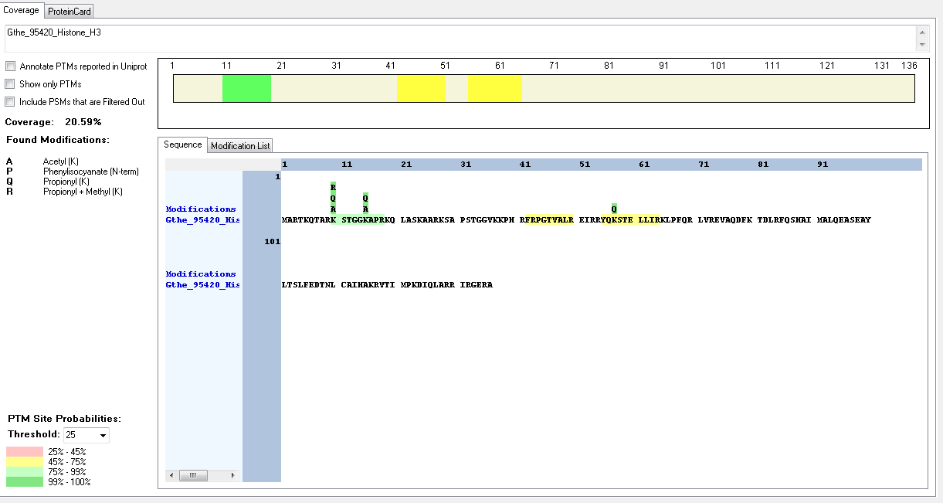
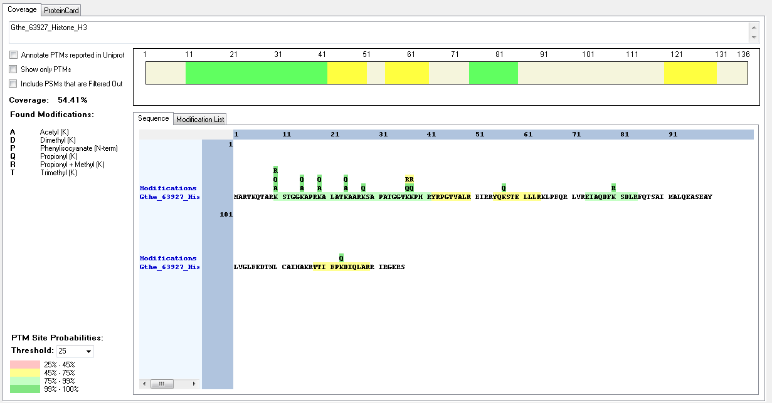
Protein ID | Peptide Sequence | Peptide position | Residue | Position in peptide | Positions in Protein | Modification | ptmRS: Best Site Probabilities
Gthe_63927_Histone_H3 | [K].STGGKAPR.[K] | [11-18] | K | 5 | 15 | Acetyl | 100
Gthe_63927_Histone_H3 | [R].KALATKAAR.[K] | [19-27] | K | 1 | 19 | Acetyl | 100
Gthe_63927_Histone_H3 | [R].KALATKAAR.[K] | [19-27] | K | 6 | 24 | Acetyl | 100
Gthe_63927_Histone_H3 | [R].KSAPATGGVKKPHR.[Y] | [28-41] | K | 1 | 28 | Acetyl | 99.99
Gthe_63927_Histone_H3 | [R].KSAPATGGVK.[K] | [28-37] | K | 1 | 28 | Trimethyl | 100
Gthe_63927_Histone_H3 | [R].KSAPATGGVKKPHR.[Y] | [28-41] | K | 10 | 37 | Methyl | 99.34
Gthe_63927_Histone_H3 | [R].KSAPATGGVKKPHR.[Y] | [28-41] | K | 11 | 38 | Methyl | 50
Gthe_63927_Histone_H3 | [R].KSAPATGGVKKPHR.[Y] | [28-41] | K | 11 | 38 | Trimethyl | 91.6
Gthe_63927_Histone_H3 | [R].EIAQDFKSDLR.[F] | [74-84] | K | 7 | 80 | Methyl | 100
Gthe_95420_Histone_H3 | [RK].KSTGGKAPR.[K] | [10-18] | K | 1 | 10 | Acetyl | 100
Gthe_95420_Histone_H3 | [RK].KSTGGKAPR.[K] | [10-18] | K | 1 | 10 | Methyl | 100
Gthe_95420_Histone_H3 | [RK].KSTGGKAPR.[K] | [10-18] | K | 6 | 15 | Acetyl | 100

Homo_sapiens
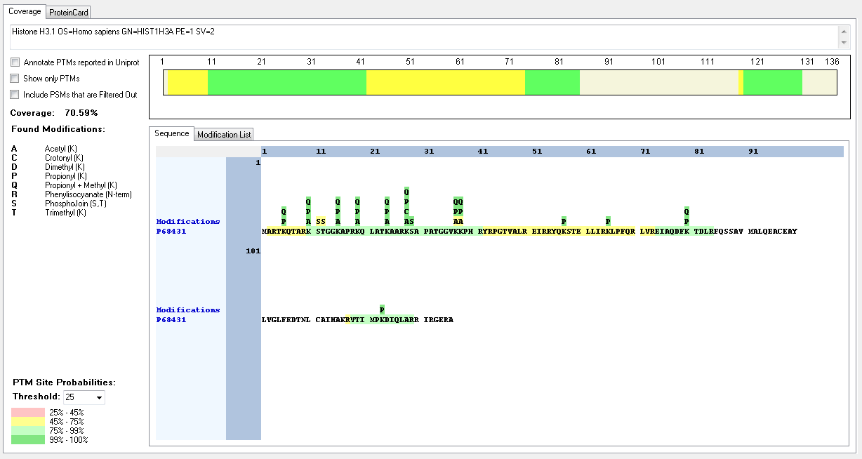
Protein ID | Peptide Sequence | Peptide position | Residue | Position in peptide | Positions in Protein | Modification | ptmRS: Best Site Probabilities
P68431 | [R].TKQTAR.[K] | [4-9] | K | 2 | 5 | Methyl | 100
P68431 | [R].KSTGGKAPR.[K] | [10-18] | K | 1 | 10 | Acetyl | 100
P68431 | [R].KSTGGKAPR.[K] | [10-18] | K | 1 | 10 | Crotonyl | 99.97
P68431 | [R].KSTGGKAPR.[K] | [10-18] | K | 1 | 10 | Dimethyl | 100
P68431 | [R].KSTGGKAPR.[K] | [10-18] | K | 1 | 10 | Methyl | 100
P68431 | [R].KSTGGKAPR.[K] | [10-18] | K | 1 | 10 | Trimethyl | 100
P68431 | [R].KSTGGKAPR.[K] | [10-18] | S | 2 | 11 | Phospho | 99.94
P68431 | [R].KSTGGKAPR.[K] | [10-18] | T | 3 | 12 | Phospho | 50
P68431 | [R].KSTGGKAPR.[K] | [10-18] | K | 6 | 15 | Acetyl | 100
P68431 | [R].KSTGGKAPR.[K] | [10-18] | K | 6 | 15 | Methyl | 100
P68431 | [R].KSTGGKAPR.[K] | [10-18] | K | 6 | 15 | Trimethyl | 51.78
P68431 | [R].KQLATKAAR.[K] | [19-27] | K | 1 | 19 | Acetyl | 100
P68431 | [R].KQLATKAAR.[K] | [19-27] | K | 1 | 19 | Methyl | 100
P68431 | [R].KQLATKAAR.[K] | [19-27] | K | 6 | 24 | Acetyl | 100
P68431 | [R].KQLATKAAR.[K] | [19-27] | K | 6 | 24 | Trimethyl | 100
P68431 | [R].KSAPATGGVKKPHR.[Y] | [28-41] | K | 1 | 28 | Acetyl | 100
P68431 | [R].KSAPATGGVKKPHR.[Y] | [28-41] | K | 1 | 28 | Crotonyl | 100
P68431 | [R].KSAPATGGVKKPHR.[Y] | [28-41] | K | 1 | 28 | Dimethyl | 100
P68431 | [R].KSAPATGGVKKPHR.[Y] | [28-41] | K | 1 | 28 | Methyl | 100
P68431 | [R].KSAPATGGVKKPHR.[Y] | [28-41] | K | 1 | 28 | Trimethyl | 100
P68431 | [R].KSAPATGGVKKPHR.[Y] | [28-41] | K | 1 | 28 | Trimethyl | 100
P68431 | [R].KSAPATGGVKKPHR.[Y] | [28-41] | S | 2 | 29 | Phospho | 100
P68431 | [R].KSAPATGGVKKPHR.[Y] | [28-41] | K | 10 | 37 | Acetyl | 94.25
P68431 | [R].KSAPATGGVKKPHR.[Y] | [28-41] | K | 10 | 37 | Dimethyl | 100
P68431 | [R].KSAPATGGVKKPHR.[Y] | [28-41] | K | 10 | 37 | Methyl | 100
P68431 | [R].KSAPATGGVKKPHR.[Y] | [28-41] | K | 10 | 37 | Trimethyl | 99.69
P68431 | [R].KSAPATGGVKKPHR.[Y] | [28-41] | K | 11 | 38 | Methyl | 99.69
P68431 | [R].EIAQDFKTDLR.[F] | [74-84] | K | 7 | 80 | Methyl | 100
Q16695 | [R].KSTGGKAPR.[K] | [10-18] | K | 1 | 10 | Acetyl | 100
Q16695 | [R].KSTGGKAPR.[K] | [10-18] | K | 1 | 10 | Crotonyl | 99.97
Q16695 | [R].KSTGGKAPR.[K] | [10-18] | K | 1 | 10 | Dimethyl | 100
Q16695 | [R].KSTGGKAPR.[K] | [10-18] | K | 1 | 10 | Methyl | 100
Q16695 | [R].KSTGGKAPR.[K] | [10-18] | K | 1 | 10 | Trimethyl | 100
Q16695 | [R].KSTGGKAPR.[K] | [10-18] | S | 2 | 11 | Phospho | 99.94
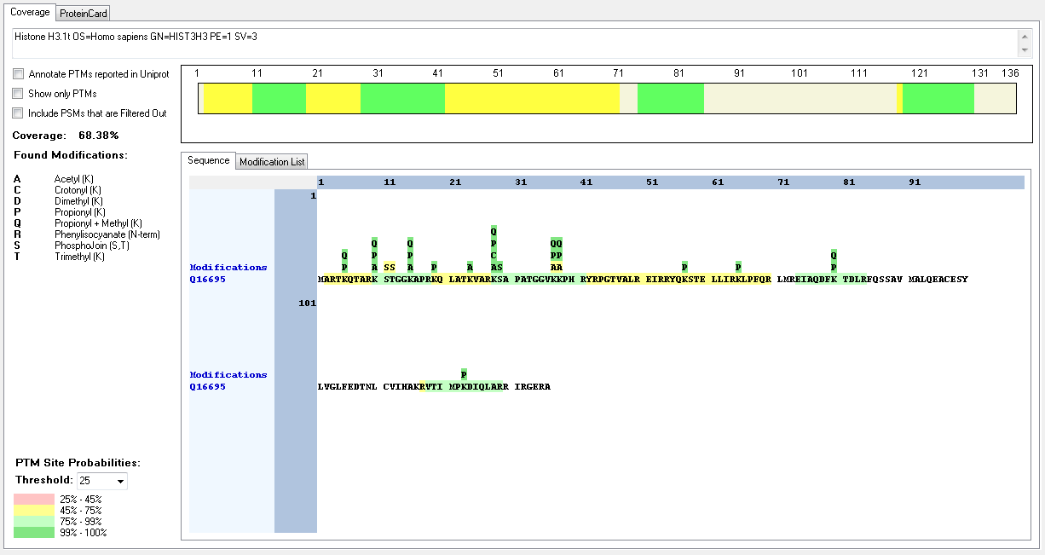
Q16695 | [R].KSTGGKAPR.[K] | [10-18] | T | 3 | 12 | Phospho | 50
Q16695 | [R].KSTGGKAPR.[K] | [10-18] | K | 6 | 15 | Acetyl | 100
Q16695 | [R].KSTGGKAPR.[K] | [10-18] | K | 6 | 15 | Methyl | 100
Q16695 | [R].KQLATKVAR.[K] | [19-27] | K | 6 | 24 | Acetyl | 100
Q16695 | [R].KSAPATGGVKKPHR.[Y] | [28-41] | K | 1 | 28 | Acetyl | 100
Q16695 | [R].KSAPATGGVKKPHR.[Y] | [28-41] | K | 1 | 28 | Crotonyl | 100
Q16695 | [R].KSAPATGGVKKPHR.[Y] | [28-41] | K | 1 | 28 | Dimethyl | 100
Q16695 | [R].KSAPATGGVKKPHR.[Y] | [28-41] | K | 1 | 28 | Methyl | 100
Q16695 | [R].KSAPATGGVKKPHR.[Y] | [28-41] | K | 1 | 28 | Trimethyl | 100
Q16695 | [R].KSAPATGGVKKPHR.[Y] | [28-41] | S | 2 | 29 | Phospho | 100
Q16695 | [R].KSAPATGGVKKPHR.[Y] | [28-41] | K | 10 | 37 | Acetyl | 94.25
Q16695 | [R].KSAPATGGVKKPHR.[Y] | [28-41] | K | 10 | 37 | Dimethyl | 100
Q16695 | [R].KSAPATGGVKKPHR.[Y] | [28-41] | K | 10 | 37 | Methyl | 100
Q16695 | [R].KSAPATGGVKKPHR.[Y] | [28-41] | K | 10 | 37 | Trimethyl | 100
Q16695 | [R].KSAPATGGVKKPHR.[Y] | [28-41] | K | 11 | 38 | Acetyl | 50
Q16695 | [R].KSAPATGGVKKPHR.[Y] | [28-41] | K | 11 | 38 | Methyl | 100
Q16695 | [R].TKQTAR.[K] | [4-9] | K | 2 | 5 | Methyl | 100
Q16695 | [R].EIAQDFKTDLR.[F] | [74-84] | K | 7 | 80 | Methyl | 100
P84243 | [R].TKQTAR.[K] | [4-9] | K | 2 | 5 | Methyl | 100
P84243 | [R].KSTGGKAPR.[K] | [10-18] | K | 1 | 10 | Acetyl | 100
P84243 | [R].KSTGGKAPR.[K] | [10-18] | K | 1 | 10 | Crotonyl | 99.97
P84243 | [R].KSTGGKAPR.[K] | [10-18] | K | 1 | 10 | Dimethyl | 100
P84243 | [R].KSTGGKAPR.[K] | [10-18] | K | 1 | 10 | Methyl | 100
P84243 | [R].KSTGGKAPR.[K] | [10-18] | K | 1 | 10 | Trimethyl | 100
P84243 | [R].KSTGGKAPR.[K] | [10-18] | S | 2 | 11 | Phospho | 99.94
P84243 | [R].KSTGGKAPR.[K] | [10-18] | T | 3 | 12 | Phospho | 50
P84243 | [R].KSTGGKAPR.[K] | [10-18] | K | 6 | 15 | Acetyl | 100
P84243 | [R].KSTGGKAPR.[K] | [10-18] | K | 6 | 15 | Methyl | 100
P84243 | [R].KSTGGKAPR.[K] | [10-18] | K | 6 | 15 | Trimethyl | 51.78
P84243 | [R].KQLATKAAR.[K] | [19-27] | K | 1 | 19 | Acetyl | 100
P84243 | [R].KQLATKAAR.[K] | [19-27] | K | 1 | 19 | Methyl | 100
P84243 | [R].KQLATKAAR.[K] | [19-27] | K | 6 | 24 | Acetyl | 100
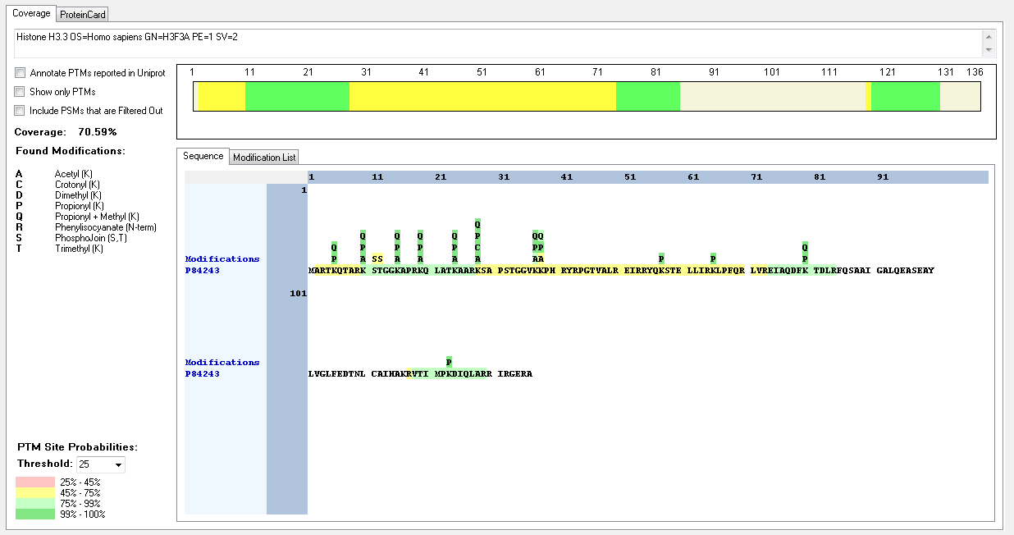
P84243 | [R].KQLATKAAR.[K] | [19-27] | K | 6 | 24 | Trimethyl | 100
P84243 | [R].KSAPSTGGVKKPHR.[Y] | [28-41] | K | 1 | 28 | Acetyl | 100
P84243 | [R].KSAPSTGGVKKPHR.[Y] | [28-41] | K | 1 | 28 | Crotonyl | 100
P84243 | [R].KSAPSTGGVKKPHR.[Y] | [28-41] | K | 1 | 28 | Dimethyl | 100
P84243 | [R].KSAPSTGGVKKPHR.[Y] | [28-41] | K | 1 | 28 | Methyl | 100
P84243 | [R].KSAPSTGGVKKPHR.[Y] | [28-41] | K | 1 | 28 | Trimethyl | 100
P84243 | [R].KSAPSTGGVKKPHR.[Y] | [28-41] | K | 10 | 37 | Acetyl | 50
P84243 | [R].KSAPSTGGVKKPHR.[Y] | [28-41] | K | 10 | 37 | Crotonyl | 92.89
P84243 | [R].KSAPSTGGVKKPHR.[Y] | [28-41] | K | 10 | 37 | Dimethyl | 99.85
P84243 | [R].KSAPSTGGVKKPHR.[Y] | [28-41] | K | 10 | 37 | Methyl | 99.99
P84243 | [R].KSAPSTGGVKKPHR.[Y] | [28-41] | K | 10 | 37 | Trimethyl | 50
P84243 | [K].SAPSTGGVKKPHR.[Y] | [29-41] | K | 10 | 38 | Acetyl | 99.73
P84243 | [R].KSAPSTGGVKKPHR.[Y] | [28-41] | K | 11 | 38 | Methyl | 50
P84243 | [R].KSAPSTGGVKKPHR.[Y] | [28-41] | K | 11 | 38 | Trimethyl | 50
P84243 | [R].EIAQDFKTDLR.[F] | [74-84] | K | 7 | 80 | Methyl | 100

Naegleria_gruberi
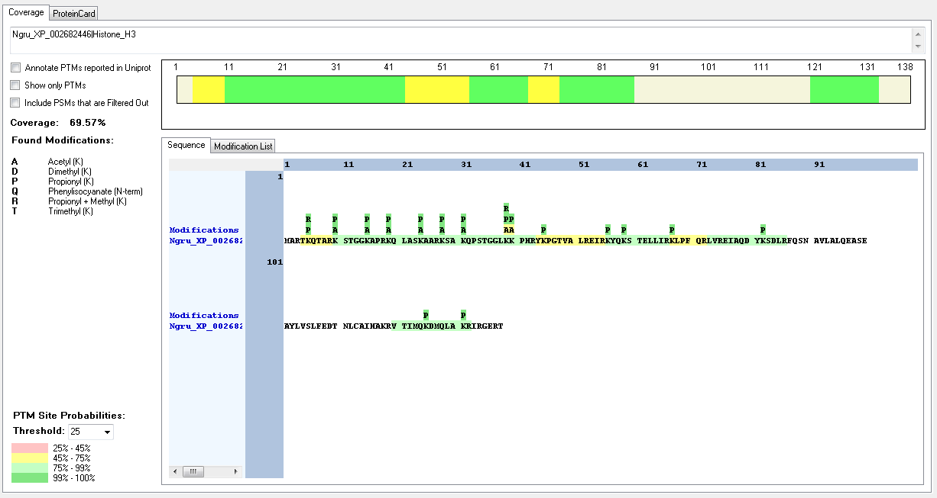
Protein ID | Peptide Sequence | Peptide position | Residue | Position in peptide | Positions in Protein | Modification | ptmRS: Best Site Probabilities
Ngru_XP_002682446|Histone_H3 | [R].TKQTAR.[K] | [4-9] | K | 2 | 5 | Dimethyl | 100
Ngru_XP_002682446|Histone_H3 | [R].TKQTAR.[K] | [4-9] | K | 2 | 5 | Methyl | 100
Ngru_XP_002682446|Histone_H3 | [R].KSTGGKAPR.[K] | [10-18] | K | 1 | 10 | Acetyl | 100
Ngru_XP_002682446|Histone_H3 | [R].KSTGGKAPR.[K] | [10-18] | K | 1 | 10 | Dimethyl | 100
Ngru_XP_002682446|Histone_H3 | [R].KSTGGKAPR.[K] | [10-18] | K | 1 | 10 | Trimethyl | 99.93
Ngru_XP_002682446|Histone_H3 | [R].KSTGGKAPR.[K] | [10-18] | K | 6 | 15 | Acetyl | 100
Ngru_XP_002682446|Histone_H3 | [R].KQLASKAAR.[K] | [19-27] | K | 1 | 19 | Acetyl | 100
Ngru_XP_002682446|Histone_H3 | [R].KQLASKAAR.[K] | [19-27] | K | 6 | 24 | Acetyl | 100
Ngru_XP_002682446|Histone_H3 | [R].KSAKQPSTGGLKKPHR.[Y] | [28-43] | K | 1 | 28 | Acetyl | 100
Ngru_XP_002682446|Histone_H3 | [R].KSAKQPSTGGLKKPHR.[Y] | [28-43] | K | 1 | 28 | Dimethyl | 100
Ngru_XP_002682446|Histone_H3 | [R].KSAKQPSTGGLKKPHR.[Y] | [28-43] | K | 4 | 31 | Acetyl | 100
Ngru_XP_002682446|Histone_H3 | [R].KSAKQPSTGGLKKPHR.[Y] | [28-43] | K | 12 | 39 | Acetyl | 50
Ngru_XP_002682446|Histone_H3 | [R].KSAKQPSTGGLKKPHR.[Y] | [28-43] | K | 12 | 39 | Dimethyl | 99.65
Ngru_XP_002682446|Histone_H3 | [K].SAKQPSTGGLKKPHR.[Y] | [29-43] | K | 11 | 39 | Methyl | 99.67
Ngru_XP_002682446|Histone_H3 | [R].KSAKQPSTGGLK.[K] | [28-39] | K | 12 | 39 | Trimethyl | 100
Ngru_XP_002682446|Histone_H3 | [R].KSAKQPSTGGLKKPHR.[Y] | [28-43] | K | 13 | 40 | Acetyl | 50
Ngru_XP_002682446|Histone_H3 | [R].KSAKQPSTGGLKKPHR.[Y] | [28-43] | K | 13 | 40 | Trimethyl | 50

Physcomitrella_patens
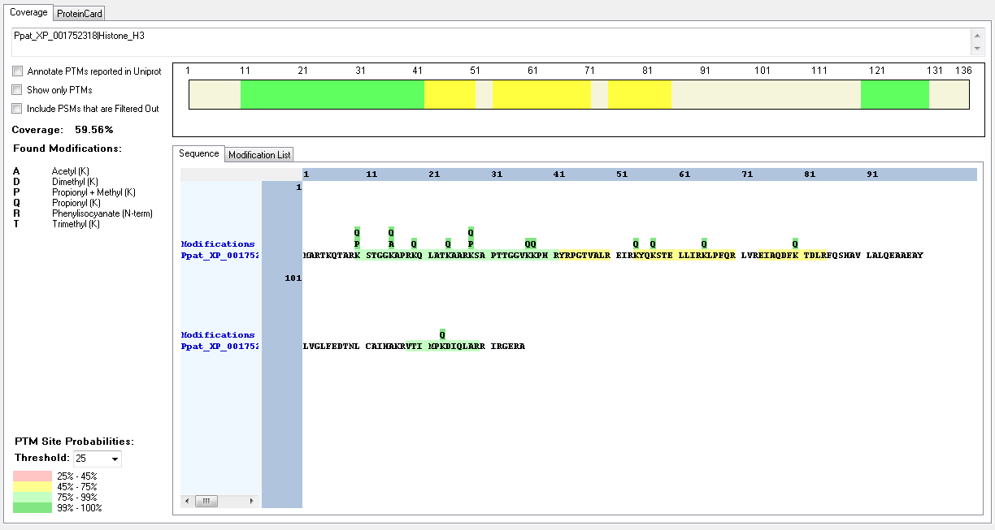
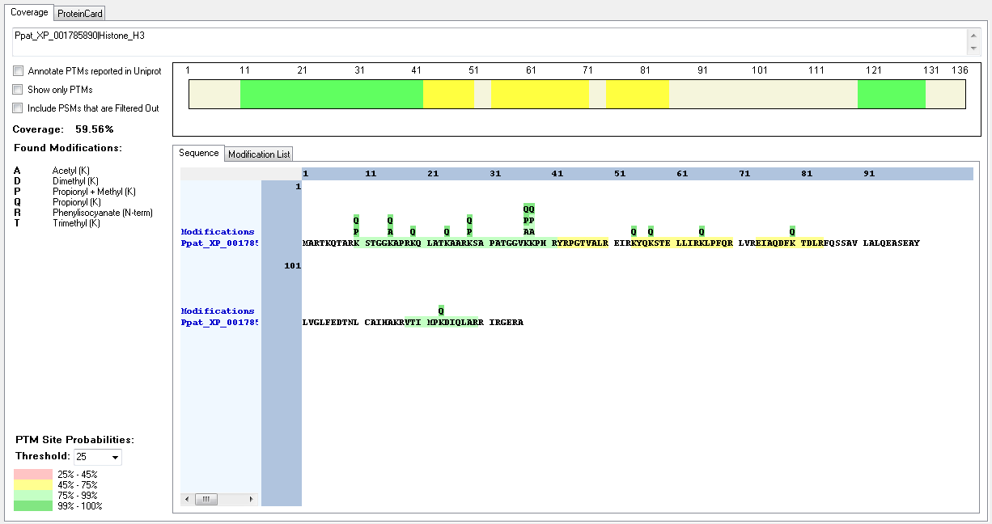
Protein ID | Peptide Sequence | Peptide position | Residue | Position in peptide | Positions in Protein | Modification | ptmRS: Best Site Probabilities
Ppat_XP_001785890|Histone_H3 | [R].KSTGGKAPR.[K] | [10-18] | K | 1 | 10 | Dimethyl | 100
Ppat_XP_001785890|Histone_H3 | [R].KSTGGKAPR.[K] | [10-18] | K | 1 | 10 | Methyl | 100
Ppat_XP_001785890|Histone_H3 | [R].KSTGGKAPR.[K] | [10-18] | K | 1 | 10 | Trimethyl | 99.31
Ppat_XP_001785890|Histone_H3 | [R].KSTGGKAPR.[K] | [10-18] | K | 6 | 15 | Acetyl | 100
Ppat_XP_001785890|Histone_H3 | [R].KSAPATGGVKKPHR.[Y] | [28-41] | K | 1 | 28 | Dimethyl | 100
Ppat_XP_001785890|Histone_H3 | [R].KSAPATGGVKKPHR.[Y] | [28-41] | K | 1 | 28 | Methyl | 100
Ppat_XP_001785890|Histone_H3 | [R].KSAPATGGVKKPHR.[Y] | [28-41] | K | 1 | 28 | Trimethyl | 100
Ppat_XP_001785890|Histone_H3 | [R].KSAPATGGVKKPHR.[Y] | [28-41] | K | 10 | 37 | Acetyl | 50
Ppat_XP_001785890|Histone_H3 | [R].KSAPATGGVKKPHR.[Y] | [28-41] | K | 11 | 38 | Acetyl | 50
Ppat_XP_001752318|Histone_H3 | [R].KSTGGKAPR.[K] | [10-18] | K | 1 | 10 | Dimethyl | 100
Ppat_XP_001752318|Histone_H3 | [R].KSTGGKAPR.[K] | [10-18] | K | 1 | 10 | Methyl | 100
Ppat_XP_001752318|Histone_H3 | [R].KSTGGKAPR.[K] | [10-18] | K | 1 | 10 | Trimethyl | 99.31
Ppat_XP_001752318|Histone_H3 | [R].KSTGGKAPR.[K] | [10-18] | K | 6 | 15 | Acetyl | 100
Ppat_XP_001752318|Histone_H3 | [R].KSAPTTGGVKKPHR.[Y] | [28-41] | K | 1 | 28 | Dimethyl | 100
Ppat_XP_001752318|Histone_H3 | [R].KSAPTTGGVKKPHR.[Y] | [28-41] | K | 1 | 28 | Methyl | 100
Ppat_XP_001752318|Histone_H3 | [R].KSAPTTGGVKKPHR.[Y] | [28-41] | K | 1 | 28 | Trimethyl | 100

Phytophtora_infestans
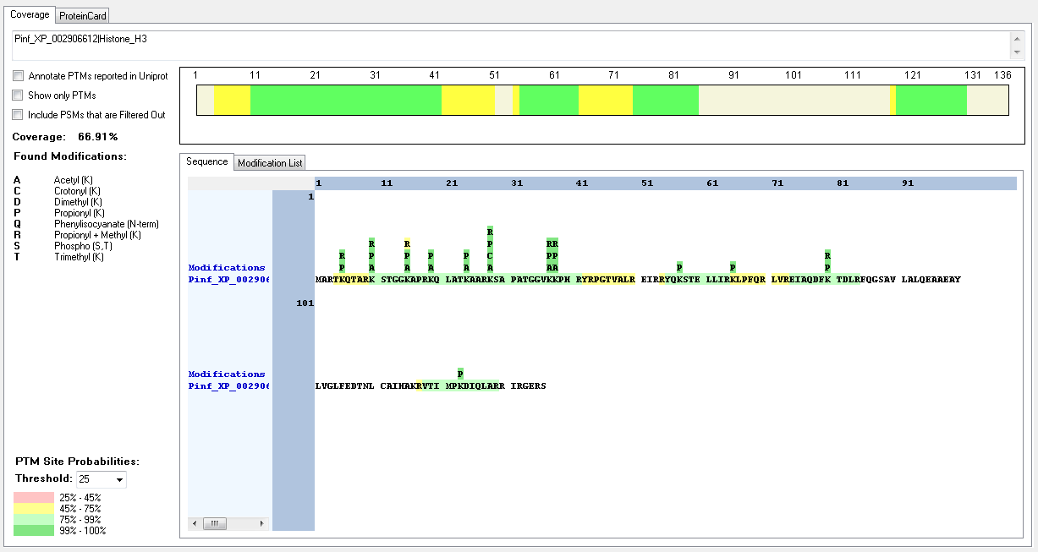
Protein ID | Peptide Sequence | Peptide position | Residue | Position in peptide | Positions in Protein | Modification | ptmRS: Best Site Probabilities
Pinf_XP_002906612|Histone_H3 | [R].TKQTAR.[K] | [4-9] | K | 2 | 5 | Methyl | 100
Pinf_XP_002906612|Histone_H3 | [R].KSTGGKAPR.[K] | [10-18] | K | 1 | 10 | Acetyl | 100
Pinf_XP_002906612|Histone_H3 | [R].KSTGGKAPR.[K] | [10-18] | K | 1 | 10 | Dimethyl | 100
Pinf_XP_002906612|Histone_H3 | [R].KSTGGKAPR.[K] | [10-18] | K | 1 | 10 | Methyl | 100
Pinf_XP_002906612|Histone_H3 | [R].KSTGGKAPR.[K] | [10-18] | K | 1 | 10 | Trimethyl | 100
Pinf_XP_002906612|Histone_H3 | [R].KSTGGKAPR.[K] | [10-18] | S | 2 | 11 | Phospho | 100
Pinf_XP_002906612|Histone_H3 | [R].KSTGGKAPR.[K] | [10-18] | T | 3 | 12 | Phospho | 100
Pinf_XP_002906612|Histone_H3 | [R].KSTGGKAPR.[K] | [10-18] | K | 6 | 15 | Acetyl | 100
Pinf_XP_002906612|Histone_H3 | [R].KSTGGKAPR.[K] | [10-18] | K | 6 | 15 | Trimethyl | 100
Pinf_XP_002906612|Histone_H3 | [R].KQLATKAAR.[K] | [19-27] | K | 1 | 19 | Acetyl | 100
Pinf_XP_002906612|Histone_H3 | [R].KQLATKAAR.[K] | [19-27] | K | 6 | 24 | Acetyl | 100
Pinf_XP_002906612|Histone_H3 | [R].KQLATKAAR.[K] | [19-27] | K | 6 | 24 | Trimethyl | 100
Pinf_XP_002906612|Histone_H3 | [R].KSAPATGGVKKPHR.[Y] | [28-41] | K | 1 | 28 | Acetyl | 100
Pinf_XP_002906612|Histone_H3 | [R].KSAPATGGVKKPHR.[Y] | [28-41] | K | 1 | 28 | Crotonyl | 100
Pinf_XP_002906612|Histone_H3 | [R].KSAPATGGVKKPHR.[Y] | [28-41] | K | 1 | 28 | Methyl | 100
Pinf_XP_002906612|Histone_H3 | [R].KSAPATGGVK.[K] | [28-37] | K | 1 | 28 | Trimethyl | 100
Pinf_XP_002906612|Histone_H3 | [R].KSAPATGGVKKPHR.[Y] | [28-41] | S | 2 | 29 | Phospho | 99.57
Pinf_XP_002906612|Histone_H3 | [K].SAPATGGVKKPHR.[Y] | [29-41] | K | 9 | 37 | Acetyl | 50
Pinf_XP_002906612|Histone_H3 | [R].KSAPATGGVKKPHR.[Y] | [28-41] | K | 10 | 37 | Dimethyl | 99.99
Pinf_XP_002906612|Histone_H3 | [R].KSAPATGGVKKPHR.[Y] | [28-41] | K | 10 | 37 | Methyl | 100
Pinf_XP_002906612|Histone_H3 | [R].KSAPATGGVKKPHR.[Y] | [28-41] | K | 10 | 37 | Trimethyl | 92.35
Pinf_XP_002906612|Histone_H3 | [R].KSAPATGGVKKPHR.[Y] | [28-41] | K | 11 | 38 | Acetyl | 95.43
Pinf_XP_002906612|Histone_H3 | [R].KSAPATGGVKKPHR.[Y] | [28-41] | K | 11 | 38 | Methyl | 92.35
Pinf_XP_002906612|Histone_H3 | [R].KSAPATGGVKKPHR.[Y] | [28-41] | K | 11 | 38 | Trimethyl | 93.54
Pinf_XP_002906612|Histone_H3 | [R].EIAQDFKTDLR.[F] | [74-84] | K | 7 | 80 | Dimethyl | 100
Pinf_XP_002906612|Histone_H3 | [R].LVREIAQDFKTDLR.[F] | [71-84] | K | 10 | 80 | Methyl | 100
Pinf_XP_002904930|Histone_H3 | [R].TKQTAR.[K] | [4-9] | K | 2 | 5 | Methyl | 100
Pinf_XP_002904930|Histone_H3 | [R].KSTGGKAPR.[K] | [10-18] | K | 1 | 10 | Acetyl | 100
Pinf_XP_002904930|Histone_H3 | [R].KSTGGKAPR.[K] | [10-18] | K | 1 | 10 | Dimethyl | 100
Pinf_XP_002904930|Histone_H3 | [R].KSTGGKAPR.[K] | [10-18] | K | 1 | 10 | Methyl | 100
Pinf_XP_002904930|Histone_H3 | [R].KSTGGKAPR.[K] | [10-18] | K | 1 | 10 | Trimethyl | 100
Pinf_XP_002904930|Histone_H3 | [R].KSTGGKAPR.[K] | [10-18] | S | 2 | 11 | Phospho | 100
Pinf_XP_002904930|Histone_H3 | [R].KSTGGKAPR.[K] | [10-18] | T | 3 | 12 | Phospho | 100
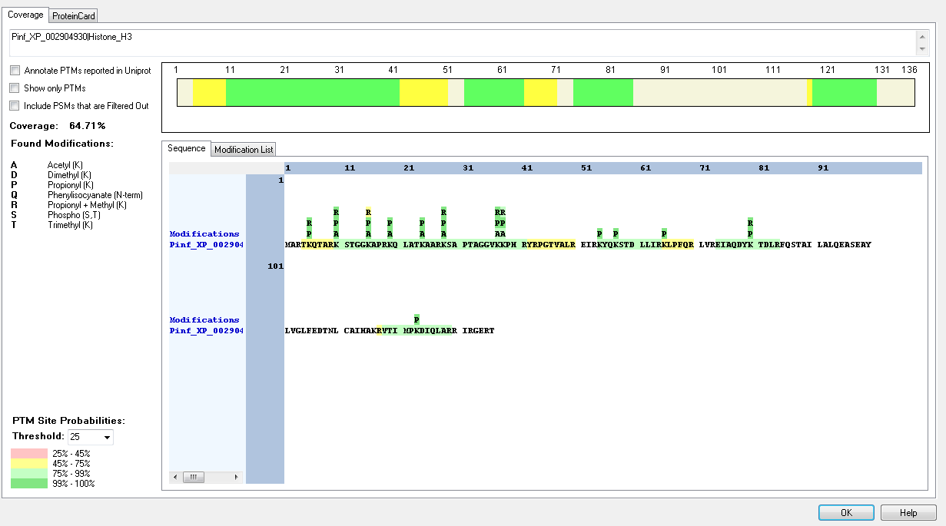
Pinf_XP_002904930|Histone_H3 | [R].KSTGGKAPR.[K] | [10-18] | K | 6 | 15 | Acetyl | 100
Pinf_XP_002904930|Histone_H3 | [R].KSTGGKAPR.[K] | [10-18] | K | 6 | 15 | Trimethyl | 100
Pinf_XP_002904930|Histone_H3 | [R].KQLATKAAR.[K] | [19-27] | K | 1 | 19 | Acetyl | 100
Pinf_XP_002904930|Histone_H3 | [R].KQLATKAAR.[K] | [19-27] | K | 6 | 24 | Acetyl | 100
Pinf_XP_002904930|Histone_H3 | [R].KQLATKAAR.[K] | [19-27] | K | 6 | 24 | Trimethyl | 100
Pinf_XP_002904930|Histone_H3 | [R].KSAPTAGGVKKPHR.[Y] | [28-41] | K | 1 | 28 | Acetyl | 90.57
Pinf_XP_002904930|Histone_H3 | [R].KSAPTAGGVKKPHR.[Y] | [28-41] | K | 1 | 28 | Acetyl | 100
Pinf_XP_002904930|Histone_H3 | [R].KSAPTAGGVKKPHR.[Y] | [28-41] | K | 1 | 28 | Dimethyl | 100
Pinf_XP_002904930|Histone_H3 | [R].KSAPTAGGVKKPHR.[Y] | [28-41] | K | 1 | 28 | Trimethyl | 100
Pinf_XP_002904930|Histone_H3 | [R].KSAPTAGGVKKPHR.[Y] | [28-41] | K | 10 | 37 | Acetyl | 50
Pinf_XP_002904930|Histone_H3 | [K].SAPTAGGVKKPHR.[Y] | [29-41] | K | 9 | 37 | Dimethyl | 99.42
Pinf_XP_002904930|Histone_H3 | [R].KSAPTAGGVKKPHR.[Y] | [28-41] | K | 10 | 37 | Methyl | 100
Pinf_XP_002904930|Histone_H3 | [R].KSAPTAGGVKKPHR.[Y] | [28-41] | K | 10 | 37 | Trimethyl | 91.49
Pinf_XP_002904930|Histone_H3 | [R].KSAPTAGGVKKPHR.[Y] | [28-41] | K | 11 | 38 | Acetyl | 90.52
Pinf_XP_002904930|Histone_H3 | [R].KSAPTAGGVKKPHR.[Y] | [28-41] | K | 11 | 38 | Methyl | 91.49
Pinf_XP_002904930|Histone_H4 | [R].EIAQDYKTDLR.[F] | [74-84] | K | 7 | 80 | Dimethyl | 100
Pinf_XP_002904930|Histone_H3 | [R].EIAQDYKTDLR.[F] | [74-84] | K | 7 | 80 | Methyl | 100

Spizellomyces_punctatus
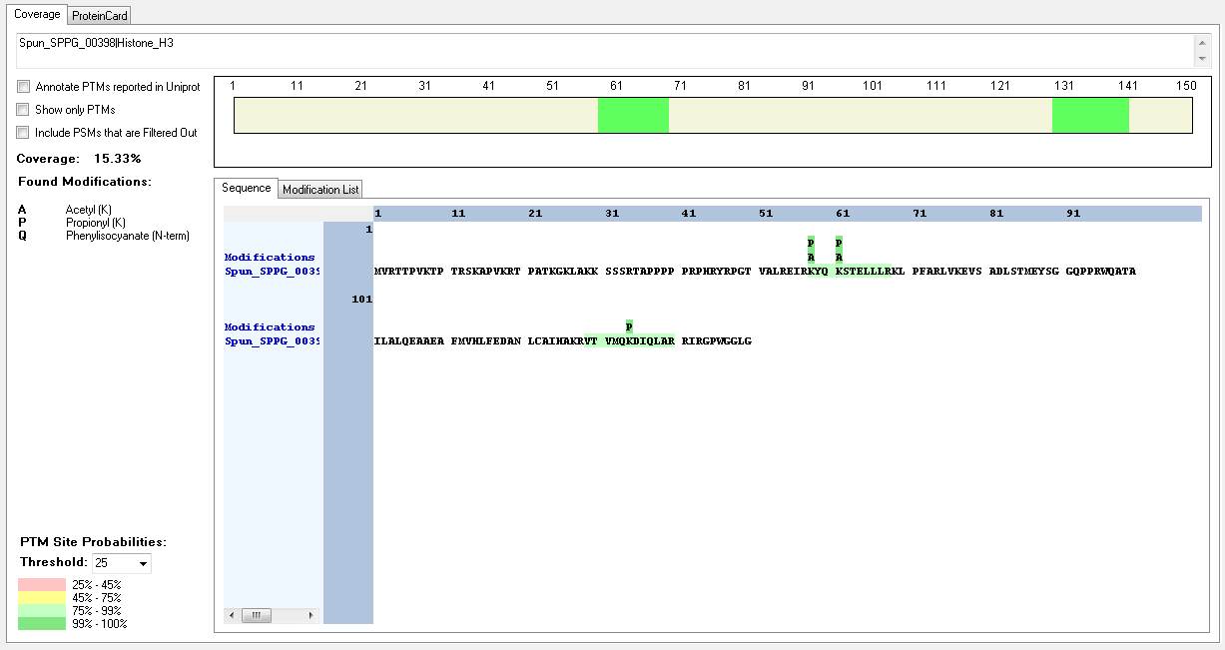
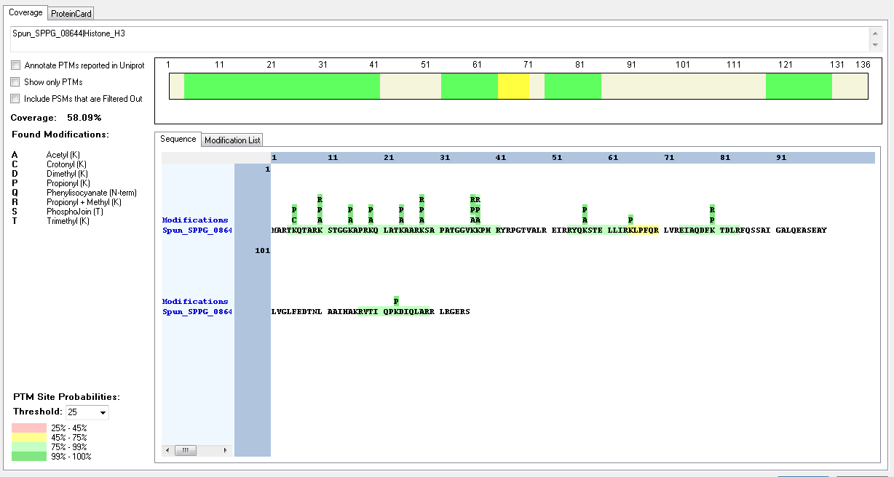
Protein ID | Peptide Sequence | Peptide position | Residue | Position in peptide | Positions in Protein | Modification | ptmRS: Best Site Probabilities
Spun_SPPG_08644|Histone_H3 | [R].TKQTAR.[K] | [4-9] | K | 2 | 5 | Crotonyl | 100
Spun_SPPG_08644|Histone_H3 | [R].TKQTAR.[K] | [4-9] | T | 4 | 7 | Phospho | 93.67
Spun_SPPG_08644|Histone_H3 | [R].KSTGGKAPR.[K] | [10-18] | K | 1 | 10 | Acetyl | 100
Spun_SPPG_08644|Histone_H3 | [R].KSTGGKAPR.[K] | [10-18] | K | 1 | 10 | Methyl | 100
Spun_SPPG_08644|Histone_H3 | [R].KSTGGKAPR.[K] | [10-18] | K | 1 | 10 | Trimethyl | 100
Spun_SPPG_08644|Histone_H3 | [R].KSTGGKAPR.[K] | [10-18] | K | 6 | 15 | Acetyl | 100
Spun_SPPG_08644|Histone_H3 | [R].KSTGGKAPR.[K] | [10-18] | K | 6 | 15 | Crotonyl | 99.95
Spun_SPPG_08644|Histone_H3 | [K].STGGKAPR.[K] | [11-18] | K | 5 | 15 | Trimethyl | 99.93
Spun_SPPG_08644|Histone_H3 | [R].KQLATKAAR.[K] | [19-27] | K | 1 | 19 | Acetyl | 100
Spun_SPPG_08644|Histone_H3 | [R].KQLATKAAR.[K] | [19-27] | K | 6 | 24 | Acetyl | 100
Spun_SPPG_08644|Histone_H3 | [R].KSAPATGGVKKPHR.[Y] | [28-41] | K | 1 | 28 | Acetyl | 100
Spun_SPPG_08644|Histone_H3 | [R].KSAPATGGVKKPHR.[Y] | [28-41] | K | 1 | 28 | Dimethyl | 100
Spun_SPPG_08644|Histone_H3 | [R].KSAPATGGVKKPHR.[Y] | [28-41] | K | 1 | 28 | Trimethyl | 100
Spun_SPPG_08644|Histone_H3 | [R].KSAPATGGVKKPHR.[Y] | [28-41] | K | 10 | 37 | Methyl | 99.51
Spun_SPPG_08644|Histone_H3 | [R].KSAPATGGVKKPHR.[Y] | [28-41] | K | 11 | 38 | Acetyl | 100
Spun_SPPG_08644|Histone_H3 | [R].KSAPATGGVKKPHR.[Y] | [28-41] | K | 11 | 38 | Methyl | 50
Spun_SPPG_08644|Histone_H3 | [R].RYQKSTELLIR.[K] | [54-64] | K | 4 | 57 | Acetyl | 100
Spun_SPPG_08577|Histone_H3 | [R].TKQTAR.[K] | [4-9] | K | 2 | 5 | Crotonyl | 100
Spun_SPPG_08577|Histone_H3 | [R].TKQTAR.[K] | [4-9] | T | 4 | 7 | Phospho | 93.67
Spun_SPPG_08577|Histone_H3 | [R].KSTGGKAPR.[K] | [10-18] | K | 1 | 10 | Acetyl | 100
Spun_SPPG_08577|Histone_H3 | [R].KSTGGKAPR.[K] | [10-18] | K | 1 | 10 | Methyl | 100
Spun_SPPG_08577|Histone_H3 | [R].KSTGGKAPR.[K] | [10-18] | K | 1 | 10 | Trimethyl | 100
Spun_SPPG_08577|Histone_H3 | [R].KSTGGKAPR.[K] | [10-18] | K | 6 | 15 | Acetyl | 100
Spun_SPPG_08577|Histone_H3 | [R].KSTGGKAPR.[K] | [10-18] | K | 6 | 15 | Crotonyl | 99.95
Spun_SPPG_08577|Histone_H3 | [K].STGGKAPR.[K] | [11-18] | K | 5 | 15 | Trimethyl | 99.93
Spun_SPPG_08577|Histone_H3 | [R].KQLATKAAR.[K] | [19-27] | K | 1 | 19 | Acetyl | 100
Spun_SPPG_08577|Histone_H3 | [R].KQLATKAAR.[K] | [19-27] | K | 6 | 24 | Acetyl | 100
Spun_SPPG_08577|Histone_H3 | [R].KSAPSTGGVKKPHR.[Y] | [28-41] | K | 1 | 28 | Acetyl | 100
Spun_SPPG_08577|Histone_H3 | [R].KSAPSTGGVKKPHR.[Y] | [28-41] | K | 1 | 28 | Dimethyl | 100
Spun_SPPG_08577|Histone_H3 | [R].KSAPSTGGVKKPHR.[Y] | [28-41] | K | 1 | 28 | Trimethyl | 100
Spun_SPPG_08577|Histone_H3 | [K].SAPSTGGVKKPHR.[Y] | [29-41] | K | 9 | 37 | Acetyl | 95.46
Spun_SPPG_08577|Histone_H3 | [R].KSAPSTGGVKKPHR.[Y] | [28-41] | K | 10 | 37 | Dimethyl | 90.26
Spun_SPPG_08577|Histone_H3 | [R].KSAPSTGGVKKPHR.[Y] | [28-41] | K | 10 | 37 | Methyl | 99.49
Spun_SPPG_08577|Histone_H3 | [R].KSAPSTGGVKKPHR.[Y] | [28-41] | K | 11 | 38 | Acetyl | 95.08
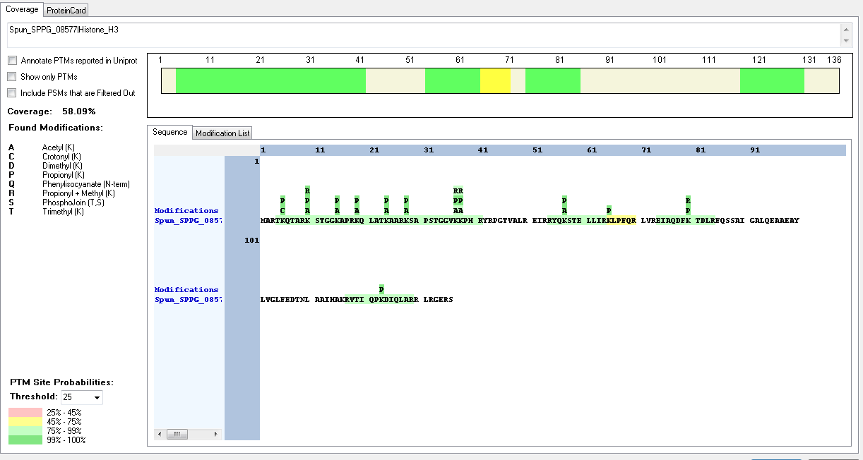
Spun_SPPG_08577|Histone_H3 | [R].KSAPSTGGVKKPHR.[Y] | [28-41] | K | 11 | 38 | Crotonyl | 91.13
Spun_SPPG_08577|Histone_H3 | [K].SAPSTGGVKKPHR.[Y] | [29-41] | K | 10 | 38 | Methyl | 94.39
Spun_SPPG_08577|Histone_H3 | [R].RYQKSTELLIR.[K] | [54-64] | K | 4 | 57 | Acetyl | 100
Spun_SPPG_00398|Histone_H3 | [R].KYQKSTELLLR.[K] | [58-68] | K | 1 | 58 | Acetyl | 100
Spun_SPPG_00398|Histone_H3 | [R].KYQKSTELLLR.[K] | [58-68] | K | 4 | 61 | Acetyl | 100

Sycon_cilliatium
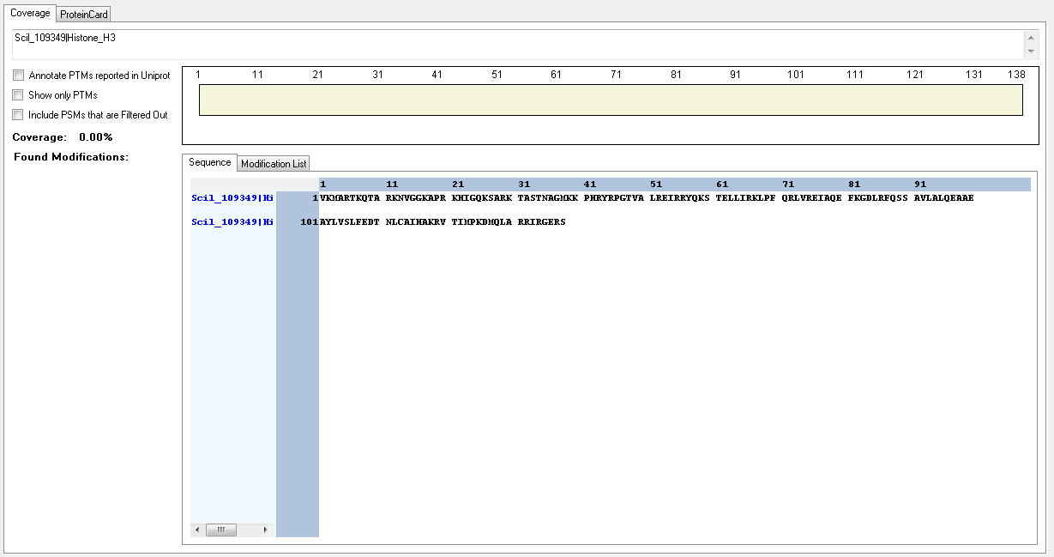
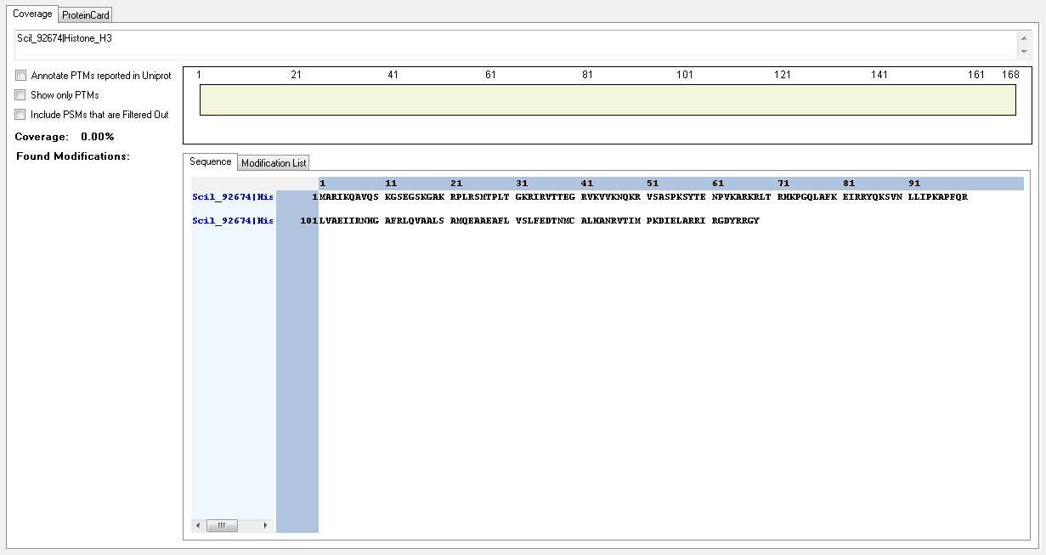
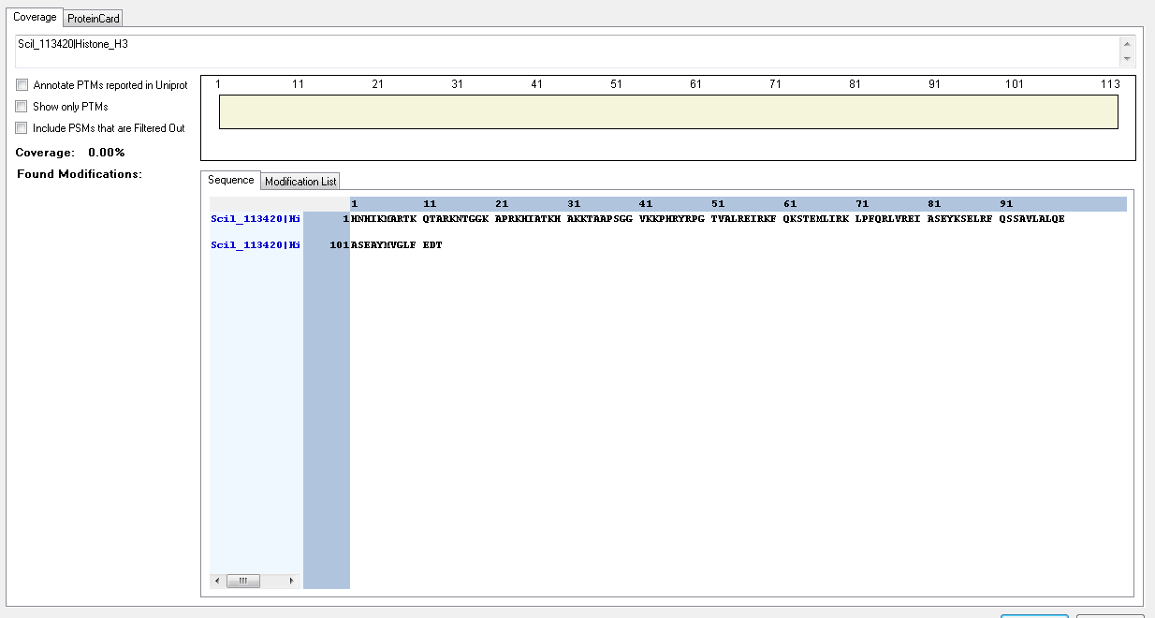
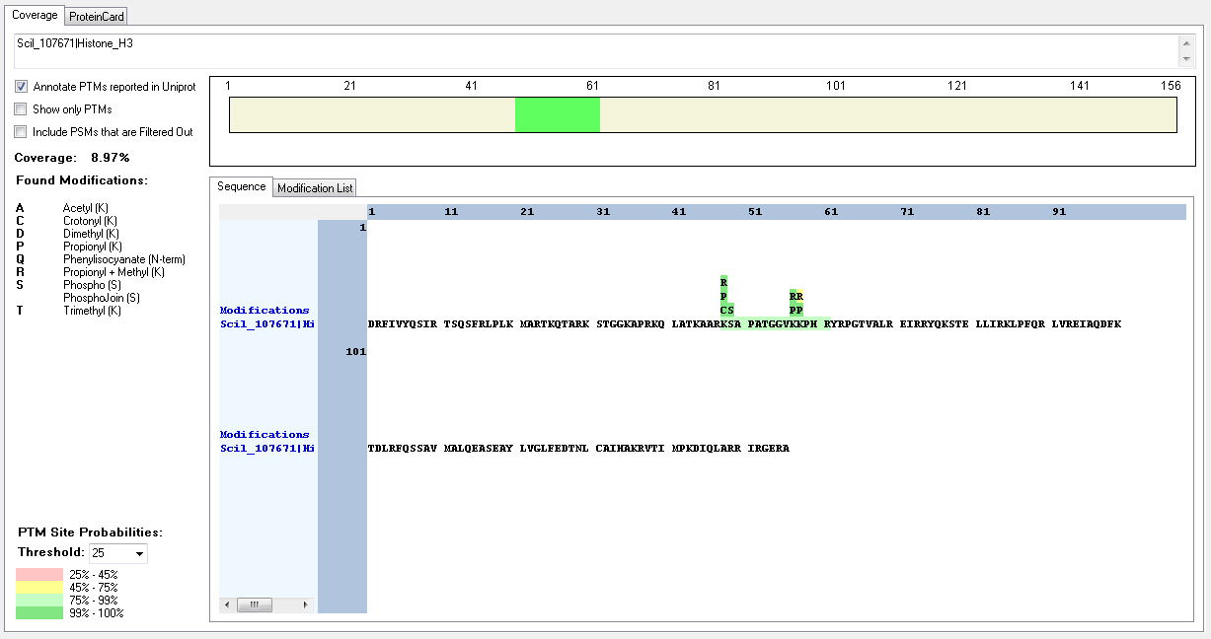
Protein ID | Peptide Sequence | Peptide position | Residue | Position in peptide | Positions in Protein | Modification | ptmRS: Best Site Probabilities
Scil_107671|Histone_H3 | [R].TKQTAR.[K] | [24-29] | T | 1 | 24 | Phospho | 99.4
Scil_107671|Histone_H3 | [R].TKQTAR.[K] | [24-29] | K | 2 | 25 | Methyl | 100
Scil_107671|Histone_H3 | [R].KSTGGKAPR.[KR] | [30-38] | K | 1 | 30 | Acetyl | 100
Scil_107671|Histone_H3 | [R].KSTGGKAPR.[KR] | [30-38] | K | 1 | 30 | Crotonyl | 99.47
Scil_107671|Histone_H3 | [R].KSTGGKAPR.[KR] | [30-38] | K | 1 | 30 | Dimethyl | 100
Scil_107671|Histone_H3 | [R].KSTGGKAPR.[KR] | [30-38] | K | 1 | 30 | Methyl | 100
Scil_107671|Histone_H3 | [R].KSTGGKAPR.[KR] | [30-38] | K | 1 | 30 | Trimethyl | 99.99
Scil_107671|Histone_H3 | [R].KSTGGKAPR.[KR] | [30-38] | S | 2 | 31 | Phospho | 99.05
Scil_107671|Histone_H3 | [R].KSTGGKAPR.[KR] | [30-38] | T | 3 | 32 | Phospho | 99.98
Scil_107671|Histone_H3 | [R].KSTGGKAPR.[KR] | [30-38] | K | 6 | 35 | Acetyl | 100
Scil_107671|Histone_H3 | [R].KQLATKAAR.[K] | [39-47] | K | 1 | 39 | Acetyl | 100
Scil_107671|Histone_H3 | [R].KQLATKAAR.[K] | [39-47] | K | 1 | 39 | Crotonyl | 99.35
Scil_107671|Histone_H3 | [R].KQLATKAAR.[K] | [39-47] | T | 5 | 43 | Phospho | 100
Scil_107671|Histone_H3 | [R].KQLATKAAR.[K] | [39-47] | K | 6 | 44 | Acetyl | 100
Scil_107671|Histone_H3 | [R].KQLATKAAR.[K] | [39-47] | K | 6 | 44 | Methyl | 100
Scil_107671|Histone_H3 | [R].KQLATKAAR.[K] | [39-47] | K | 6 | 44 | Trimethyl | 100
Scil_107671|Histone_H3 | [R].KSAPATGGVKKPHR.[Y] | [48-61] | K | 1 | 48 | Acetyl | 100
Scil_107671|Histone_H3 | [R].KSAPATGGVKKPHR.[Y] | [48-61] | K | 1 | 48 | Crotonyl | 100
Scil_107671|Histone_H3 | [R].KSAPATGGVK.[K] | [48-57] | K | 1 | 48 | Dimethyl | 100
Scil_107671|Histone_H3 | [R].KSAPATGGVKKPHR.[Y] | [48-61] | K | 1 | 48 | Methyl | 100
Scil_107671|Histone_H3 | [R].KSAPATGGVK.[K] | [48-57] | K | 1 | 48 | Trimethyl | 100
Scil_107671|Histone_H3 | [R].KSAPATGGVKKPHR.[Y] | [48-61] | K | 10 | 57 | Acetyl | 100
Scil_107671|Histone_H3 | [R].KSAPATGGVKKPHR.[Y] | [48-61] | K | 10 | 57 | Dimethyl | 99.88
Scil_107671|Histone_H3 | [R].KSAPATGGVKKPHR.[Y] | [48-61] | K | 10 | 57 | Methyl | 99.99
Scil_107671|Histone_H3 | [R].KSAPATGGVKKPHR.[Y] | [48-61] | K | 10 | 57 | Trimethyl | 50
Scil_107671|Histone_H3 | [R].KSAPATGGVKKPHR.[Y] | [48-61] | K | 11 | 58 | Acetyl | 100
Scil_107671|Histone_H3 | [R].KSAPATGGVKKPHR.[Y] | [48-61] | K | 11 | 58 | Methyl | 50
Scil_107671|Histone_H3 | [R].KSAPATGGVKKPHR.[Y] | [48-61] | K | 11 | 58 | Trimethyl | 89.58
Scil_107671|Histone_H3 | [R].YRPGTVALR.[E] | [62-70] | T | 5 | 66 | Phospho | 100
Scil_107671|Histone_H3 | [R].RYQKSTELLIR.[K] | [74-84] | K | 4 | 77 | Methyl | 100
Scil_107671|Histone_H3 | [R].EIAQDFKTDLR.[F] | [94-104] | K | 7 | 100 | Acetyl | 100
Scil_107671|Histone_H3 | [R].EIAQDFKTDLR.[F] | [94-104] | K | 7 | 100 | Dimethyl | 100
Scil_107671|Histone_H3 | [R].EIAQDFKTDLR.[F] | [94-104] | K | 7 | 100 | Methyl | 100
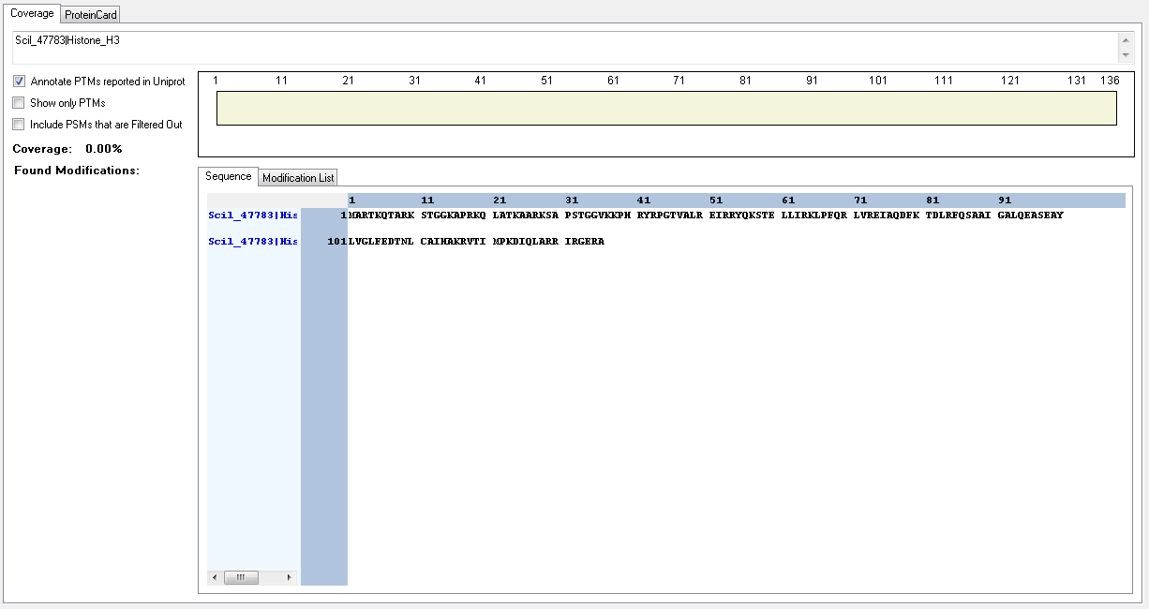
Scil_47783|Histone_H3 | [R].TKQTAR.[K] | [4-9] | T | 1 | 4 | Phospho | 99.4
Scil_47783|Histone_H3 | [M].ARTKQTAR.[K] | [2-9] | K | 4 | 5 | Methyl | 100
Scil_47783|Histone_H3 | [R].KSTGGKAPR.[KR] | [10-18] | K | 1 | 10 | Acetyl | 100
Scil_47783|Histone_H3 | [R].KSTGGKAPR.[KR] | [10-18] | K | 1 | 10 | Crotonyl | 99.47
Scil_47783|Histone_H3 | [R].KSTGGKAPR.[KR] | [10-18] | K | 1 | 10 | Dimethyl | 100
Scil_47783|Histone_H3 | [R].KSTGGKAPR.[KR] | [10-18] | K | 1 | 10 | Methyl | 100
Scil_47783|Histone_H3 | [R].KSTGGKAPR.[KR] | [10-18] | K | 1 | 10 | Trimethyl | 99.99
Scil_47783|Histone_H3 | [R].KSTGGKAPR.[KR] | [10-18] | S | 2 | 11 | Phospho | 99.05
Scil_47783|Histone_H3 | [R].KSTGGKAPR.[KR] | [10-18] | T | 3 | 12 | Phospho | 99.98
Scil_47783|Histone_H3 | [R].KSTGGKAPR.[KR] | [10-18] | K | 6 | 15 | Acetyl | 100
Scil_47783|Histone_H3 | [R].KQLATKAAR.[K] | [19-27] | K | 1 | 19 | Acetyl | 100
Scil_47783|Histone_H3 | [R].KQLATKAAR.[K] | [19-27] | K | 1 | 19 | Crotonyl | 99.35
Scil_47783|Histone_H3 | [R].KQLATKAAR.[K] | [19-27] | T | 5 | 23 | Phospho | 100
Scil_47783|Histone_H3 | [R].KQLATKAAR.[K] | [19-27] | K | 6 | 24 | Acetyl | 100
Scil_47783|Histone_H3 | [R].KQLATKAAR.[K] | [19-27] | K | 6 | 24 | Methyl | 100
Scil_47783|Histone_H3 | [R].KQLATKAAR.[K] | [19-27] | K | 6 | 24 | Trimethyl | 100
Scil_47783|Histone_H3 | [R].KSAPSTGGVKKPHR.[Y] | [28-41] | K | 1 | 28 | Acetyl | 100
Scil_47783|Histone_H3 | [R].KSAPSTGGVKKPHR.[Y] | [28-41] | K | 1 | 28 | Crotonyl | 100
Scil_47783|Histone_H3 | [R].KSAPSTGGVKKPHR.[Y] | [28-41] | K | 1 | 28 | Methyl | 100
Scil_47783|Histone_H3 | [R].KSAPSTGGVKKPHR.[Y] | [28-41] | K | 1 | 28 | Trimethyl | 100
Scil_47783|Histone_H3 | [R].KSAPSTGGVKKPHR.[Y] | [28-41] | K | 10 | 37 | Acetyl | 50
Scil_47783|Histone_H3 | [R].KSAPSTGGVKKPHR.[Y] | [28-41] | K | 10 | 37 | Crotonyl | 50
Scil_47783|Histone_H3 | [R].KSAPSTGGVKKPHR.[Y] | [28-41] | K | 10 | 37 | Dimethyl | 99.98
Scil_47783|Histone_H3 | [R].KSAPSTGGVKKPHR.[Y] | [28-41] | K | 10 | 37 | Methyl | 99.99
Scil_47783|Histone_H3 | [R].KSAPSTGGVKKPHR.[Y] | [28-41] | K | 10 | 37 | Trimethyl | 88.85
Scil_47783|Histone_H3 | [K].SAPSTGGVKKPHR.[Y] | [29-41] | K | 10 | 38 | Acetyl | 95.04
Scil_47783|Histone_H3 | [R].KSAPSTGGVKKPHR.[Y] | [28-41] | K | 11 | 38 | Crotonyl | 50
Scil_47783|Histone_H3 | [R].KSAPSTGGVKKPHR.[Y] | [28-41] | K | 11 | 38 | Dimethyl | 50
Scil_47783|Histone_H3 | [R].KSAPSTGGVKKPHR.[Y] | [28-41] | K | 11 | 38 | Methyl | 50
Scil_47783|Histone_H3 | [R].KSAPSTGGVKKPHR.[Y] | [28-41] | K | 11 | 38 | Trimethyl | 91.92
Scil_47783|Histone_H3 | [R].YRPGTVALR.[E] | [42-50] | T | 5 | 46 | Phospho | 100
Scil_47783|Histone_H3 | [R].RYQKSTELLIR.[K] | [54-64] | K | 4 | 57 | Methyl | 100
Scil_47783|Histone_H3 | [R].EIAQDFK.[T] | [74-80] | K | 7 | 80 | Acetyl | 100
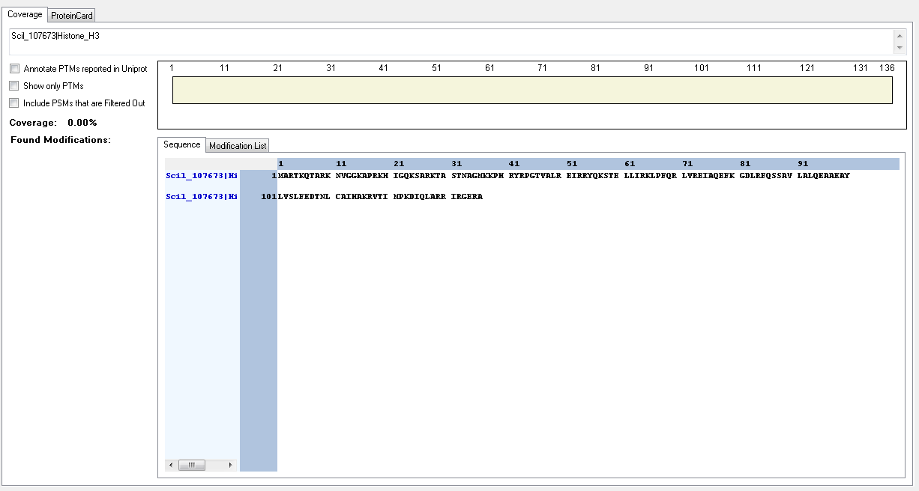
Scil_47783|Histone_H3 | [R].EIAQDFK.[T] | [74-80] | K | 7 | 80 | Dimethyl | 100
Scil_47783|Histone_H3 | [R].EIAQDFK.[T] | [74-80] | K | 7 | 80 | Methyl | 100
Scil_107673|Histone_H3 | [R].TKQTAR.[K] | [4-9] | T | 1 | 4 | Phospho | 99.4
Scil_107673|Histone_H3 | [M].ARTKQTAR.[K] | [2-9] | K | 4 | 5 | Methyl | 100
Scil_107673|Histone_H3 | [R].KNVGGKAPR.[K] | [10-18] | K | 1 | 10 | Acetyl | 100
Scil_107673|Histone_H3 | [R].KNVGGKAPR.[K] | [10-18] | K | 6 | 15 | Acetyl | 100
Scil_107673|Histone_H3 | [R].YRPGTVALR.[E] | [42-50] | T | 5 | 46 | Phospho | 100
Scil_107673|Histone_H3 | [R].RYQKSTELLIR.[K] | [54-64] | K | 4 | 57 | Methyl | 100
Scil_107673|Histone_H3 | [R].EIAQEFKGDLR.[F] | [74-84] | K | 7 | 80 | Crotonyl | 100
Scil_109349|Histone_H3 | [R].TKQTAR.[K] | [6-11] | T | 1 | 6 | Phospho | 99.4
Scil_109349|Histone_H3 | [R].TKQTAR.[K] | [6-11] | K | 2 | 7 | Methyl | 100
Scil_109349|Histone_H3 | [R].KNVGGKAPR.[K] | [12-20] | K | 1 | 12 | Acetyl | 100
Scil_109349|Histone_H3 | [R].KNVGGKAPR.[K] | [12-20] | K | 6 | 17 | Acetyl | 100
Scil_109349|Histone_H3 | [R].YRPGTVALR.[E] | [44-52] | T | 5 | 48 | Phospho | 100
Scil_109349|Histone_H3 | [R].RYQKSTELLIR.[K] | [56-66] | K | 4 | 59 | Methyl | 100
Scil_109349|Histone_H3 | [R].EIAQEFKGDLR.[F] | [76-86] | K | 7 | 82 | Crotonyl | 100
Scil_92674|Histone_H3 | [R].IKQAVQSKGSEGSKGAKRPLR.[S] | [4-24] | K | 14 | 17 | Acetyl | 50
Scil_92674|Histone_H3 | [R].IKQAVQSKGSEGSKGAKRPLR.[S] | [4-24] | K | 17 | 20 | Acetyl | 50
Scil_92674|Histone_H3 | [R].VSASPKSYTENPVKAR.[K] | [51-66] | S | 4 | 54 | Phospho | 99.87
Scil_113420|Histone_H3 | [R].TKQTAR.[K] | [9-14] | T | 1 | 9 | Phospho | 99.4
Scil_113420|Histone_H3 | [R].TKQTAR.[K] | [9-14] | K | 2 | 10 | Methyl | 100
Scil_113420|Histone_H3 | [R].KNTGGKAPR.[K] | [15-23] | K | 6 | 20 | Acetyl | 100
Scil_113420|Histone_H3 | [K].KTAAPSGGVKKPHR.[Y] | [33-46] | K | 1 | 33 | Acetyl | 100
Scil_113420|Histone_H3 | [K].KTAAPSGGVKKPHR.[Y] | [33-46] | K | 1 | 33 | Dimethyl | 100
Scil_113420|Histone_H3 | [K].KTAAPSGGVKKPHR.[Y] | [33-46] | K | 1 | 33 | Trimethyl | 100
Scil_113420|Histone_H3 | [K].KTAAPSGGVKKPHR.[Y] | [33-46] | K | 10 | 42 | Methyl | 99.95
Scil_113420|Histone_H3 | [K].KTAAPSGGVKKPHR.[Y] | [33-46] | K | 11 | 43 | Methyl | 94.79
Scil_113420|Histone_H3 | [R].YRPGTVALR.[E] | [47-55] | T | 5 | 51 | Phospho | 100

Thalassiossira_pseudonana
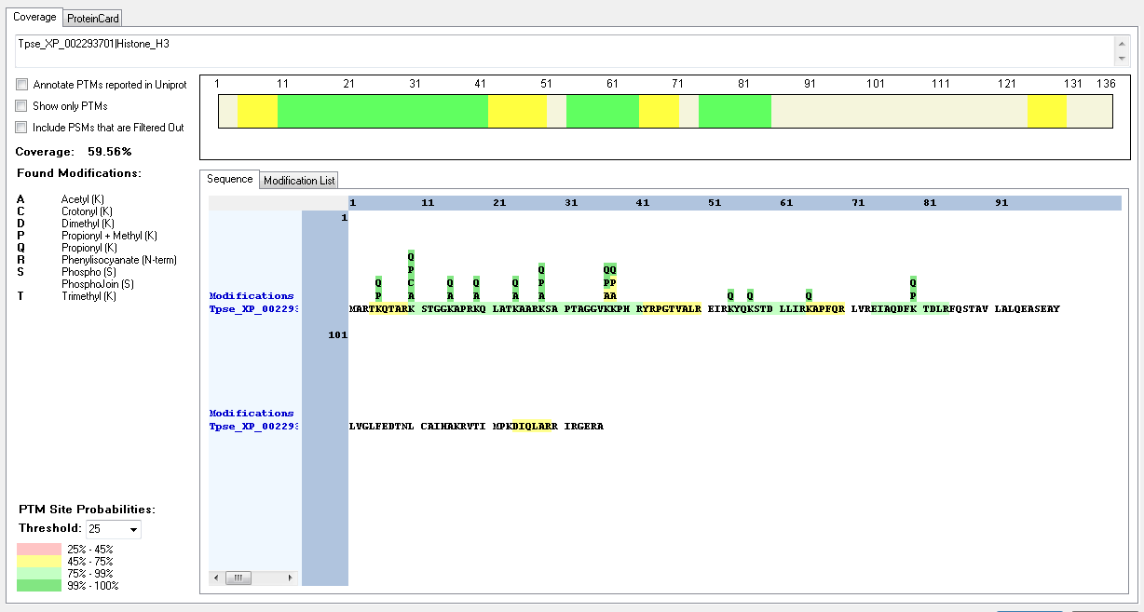
Protein ID | Peptide Sequence | Peptide position | Residue | Position in peptide | Positions in Protein | Modification | ptmRS: Best Site Probabilities
Tpse_XP_002293701|Histone_H3 | [R].TKQTAR.[K] | [4-9] | K | 2 | 5 | Methyl | 100
Tpse_XP_002293701|Histone_H3 | [R].KSTGGKAPR.[K] | [10-18] | K | 1 | 10 | Acetyl | 100
Tpse_XP_002293701|Histone_H3 | [R].KSTGGKAPR.[K] | [10-18] | K | 1 | 10 | Dimethyl | 99.98
Tpse_XP_002293701|Histone_H3 | [R].KSTGGKAPR.[K] | [10-18] | K | 1 | 10 | Methyl | 100
Tpse_XP_002293701|Histone_H3 | [R].KSTGGKAPR.[K] | [10-18] | K | 1 | 10 | Trimethyl | 99.94
Tpse_XP_002293701|Histone_H3 | [R].KSTGGKAPR.[K] | [10-18] | S | 2 | 11 | Phospho | 98.93
Tpse_XP_002293701|Histone_H3 | [R].KSTGGKAPR.[K] | [10-18] | K | 6 | 15 | Acetyl | 100
Tpse_XP_002293701|Histone_H3 | [R].KQLATKAAR.[K] | [19-27] | K | 1 | 19 | Acetyl | 100
Tpse_XP_002293701|Histone_H3 | [R].KQLATKAAR.[K] | [19-27] | K | 6 | 24 | Acetyl | 100
Tpse_XP_002293701|Histone_H3 | [R].KSAPTAGGVKKPHR.[Y] | [28-41] | K | 1 | 28 | Dimethyl | 100
Tpse_XP_002293701|Histone_H3 | [R].KSAPTAGGVKKPHR.[Y] | [28-41] | K | 1 | 28 | Methyl | 100
Tpse_XP_002293701|Histone_H3 | [R].KSAPTAGGVKKPHR.[Y] | [28-41] | K | 1 | 28 | Trimethyl | 100
Tpse_XP_002293701|Histone_H3 | [R].KSAPTAGGVKKPHR.[Y] | [28-41] | K | 10 | 37 | Methyl | 99.71
Tpse_XP_002293701|Histone_H3 | [R].EIAQDFKTDLR.[F] | [74-84] | K | 7 | 80 | Dimethyl | 100
Tpse_XP_002293701|Histone_H3 | [R].EIAQDFKTDLR.[F] | [74-84] | K | 7 | 80 | Methyl | 100
Tpse_XP_002296167|Histone_H3 | [R].TKQTAR.[K] | [4-9] | K | 2 | 5 | Methyl | 100
Tpse_XP_002296167|Histone_H3 | [R].KSTGGKAPR.[K] | [10-18] | K | 1 | 10 | Acetyl | 100
Tpse_XP_002296167|Histone_H3 | [R].KSTGGKAPR.[K] | [10-18] | K | 1 | 10 | Dimethyl | 99.98
Tpse_XP_002296167|Histone_H3 | [R].KSTGGKAPR.[K] | [10-18] | K | 1 | 10 | Methyl | 100
Tpse_XP_002296167|Histone_H3 | [R].KSTGGKAPR.[K] | [10-18] | K | 1 | 10 | Trimethyl | 99.94
Tpse_XP_002296167|Histone_H3 | [R].KSTGGKAPR.[K] | [10-18] | S | 2 | 11 | Phospho | 98.93
Tpse_XP_002296167|Histone_H3 | [R].KSTGGKAPR.[K] | [10-18] | K | 6 | 15 | Acetyl | 100
Tpse_XP_002296167|Histone_H3 | [R].KQLATKAAR.[K] | [19-27] | K | 1 | 19 | Acetyl | 100
Tpse_XP_002296167|Histone_H3 | [R].KQLATKAAR.[K] | [19-27] | K | 6 | 24 | Acetyl | 100
Tpse_XP_002296167|Histone_H3 | [R].KSAPATGGVKKPHR.[Y] | [28-41] | K | 1 | 28 | Acetyl | 100
Tpse_XP_002296167|Histone_H3 | [R].KSAPATGGVKKPHR.[Y] | [28-41] | K | 1 | 28 | Dimethyl | 100
Tpse_XP_002296167|Histone_H3 | [R].KSAPATGGVKKPHR.[Y] | [28-41] | K | 1 | 28 | Methyl | 100
Tpse_XP_002296167|Histone_H3 | [R].KSAPATGGVKKPHR.[Y] | [28-41] | K | 1 | 28 | Trimethyl | 100
Tpse_XP_002296167|Histone_H3 | [K].SAPATGGVKKPHR.[Y] | [29-41] | K | 9 | 37 | Acetyl | 95.16
Tpse_XP_002296167|Histone_H3 | [R].KSAPATGGVKKPHR.[Y] | [28-41] | K | 10 | 37 | Methyl | 99.92
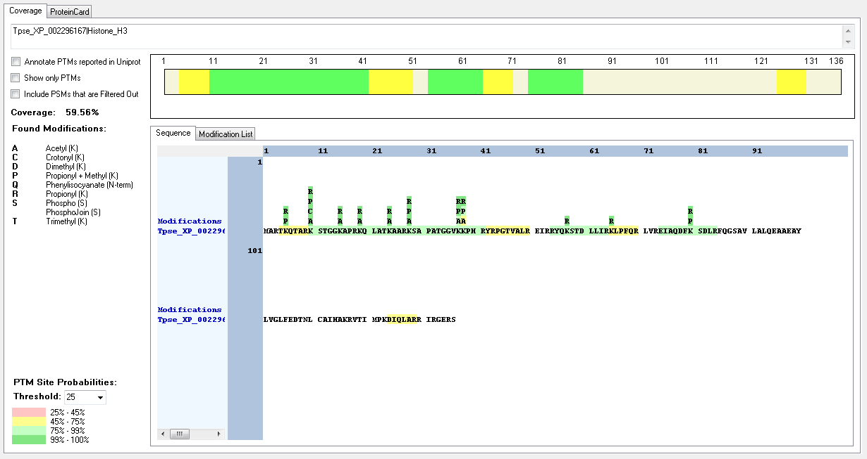
Tpse_XP_002296167|Histone_H3 | [K].SAPATGGVKKPHR.[Y] | [29-41] | K | 10 | 38 | Methyl | 95.16

Thecamonas_trahens
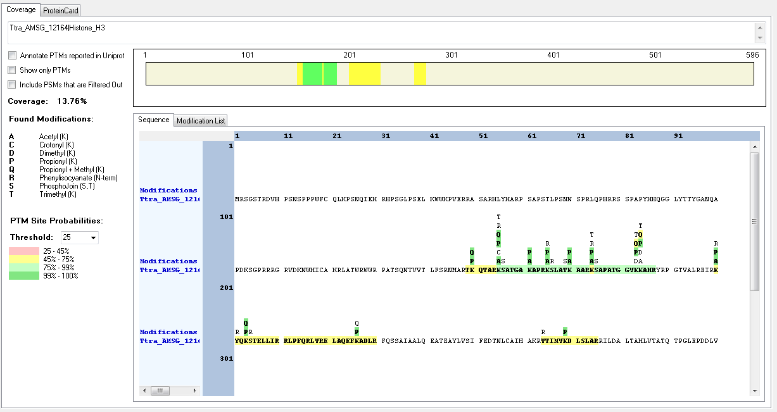
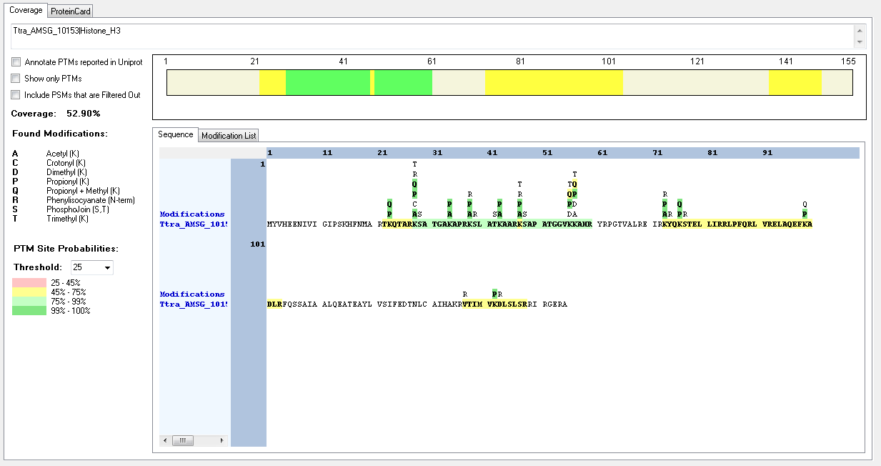
Protein ID | Peptide Sequence | Peptide position | Residue | Position in peptide | Positions in Protein | Modification | ptmRS: Best Site Probabilities
Ttra_AMSG_10153|Histone_H3 | [R].KSATGAKAPR.[K] | [28-37] | K | 1 | 28 | Acetyl | 100
Ttra_AMSG_10153|Histone_H3 | [R].KSATGAKAPR.[K] | [28-37] | K | 1 | 28 | Methyl | 100
Ttra_AMSG_10153|Histone_H3 | [R].KSATGAKAPR.[K] | [28-37] | K | 7 | 34 | Acetyl | 100
Ttra_AMSG_10153|Histone_H3 | [R].KSLATKAAR.[K] | [38-46] | K | 1 | 38 | Acetyl | 100
Ttra_AMSG_10153|Histone_H3 | [R].KSLATKAAR.[K] | [38-46] | K | 6 | 43 | Acetyl | 100
Ttra_AMSG_10153|Histone_H3 | [R].KSAPATGGVKK.[A] | [47-57] | K | 1 | 47 | Acetyl | 100
Ttra_AMSG_10153|Histone_H3 | [R].KSAPATGGVKK.[A] | [47-57] | K | 1 | 47 | Trimethyl | 100
Ttra_AMSG_10153|Histone_H3 | [R].KSAPATGGVKK.[A] | [47-57] | K | 10 | 56 | Dimethyl | 99.72
Ttra_AMSG_10153|Histone_H3 | [R].KSAPATGGVKK.[A] | [47-57] | K | 10 | 56 | Methyl | 93.46
Ttra_AMSG_10153|Histone_H3 | [R].KSAPATGGVKK.[A] | [47-57] | K | 11 | 57 | Dimethyl | 93.46
Ttra_AMSG_10153|Histone_H3 | [K].SAPATGGVKKAHR.[Y] | [48-60] | K | 10 | 57 | Methyl | 50
Ttra_AMSG_12164|Histone_H3 | [R].KSATGAKAPR.[K] | [155-164] | K | 1 | 28 | Acetyl | 100
Ttra_AMSG_12164|Histone_H3 | [R].KSATGAKAPR.[K] | [155-164] | K | 1 | 28 | Methyl | 100
Ttra_AMSG_12164|Histone_H3 | [R].KSATGAKAPR.[K] | [155-164] | K | 7 | 34 | Acetyl | 100
Ttra_AMSG_12164|Histone_H3 | [R].KSLATKAAR.[K] | [165-173] | K | 1 | 38 | Acetyl | 100
Ttra_AMSG_12164|Histone_H3 | [R].KSLATKAAR.[K] | [165-173] | K | 6 | 43 | Acetyl | 100
Ttra_AMSG_12164|Histone_H3 | [R].KSAPATGGVKKAHR.[Y] | [174-187] | K | 1 | 174 | Acetyl | 100
Ttra_AMSG_12164|Histone_H3 | [R].KSAPATGGVKKAHR.[Y] | [174-187] | K | 1 | 174 | Trimethyl | 100
Ttra_AMSG_12164|Histone_H3 | [R].KSAPATGGVKKAHR.[Y] | [174-187] | K | 10 | 183 | Dimethyl | 99.72
Ttra_AMSG_12164|Histone_H3 | [K].SAPATGGVKKAHR.[Y] | [175-187] | K | 9 | 183 | Methyl | 50
Ttra_AMSG_12164|Histone_H3 | [K].SAPATGGVKKAHR.[Y] | [175-187] | K | 10 | 184 | Methyl | 50

