Homo_sapiens
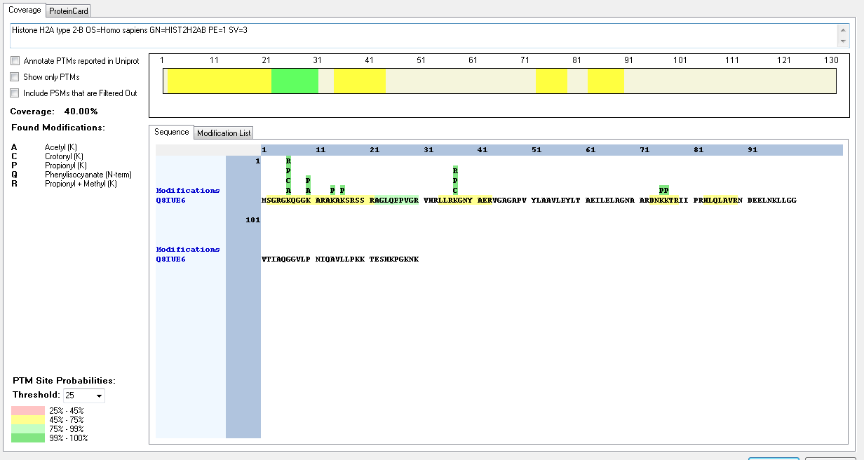
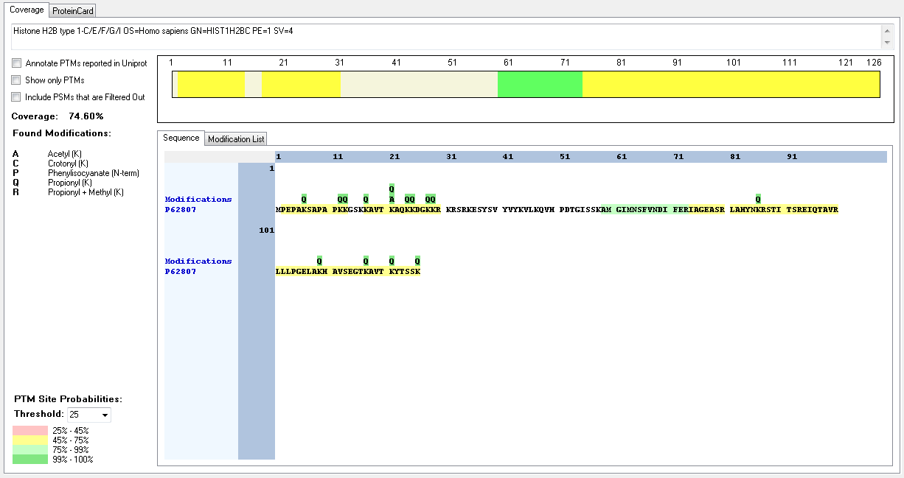
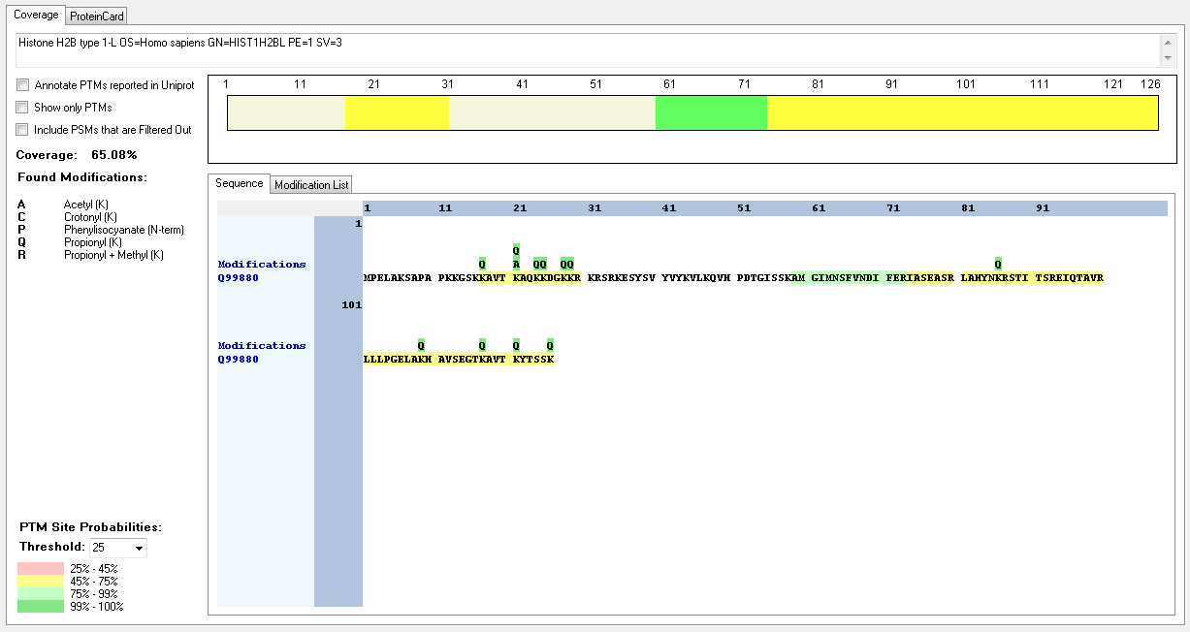
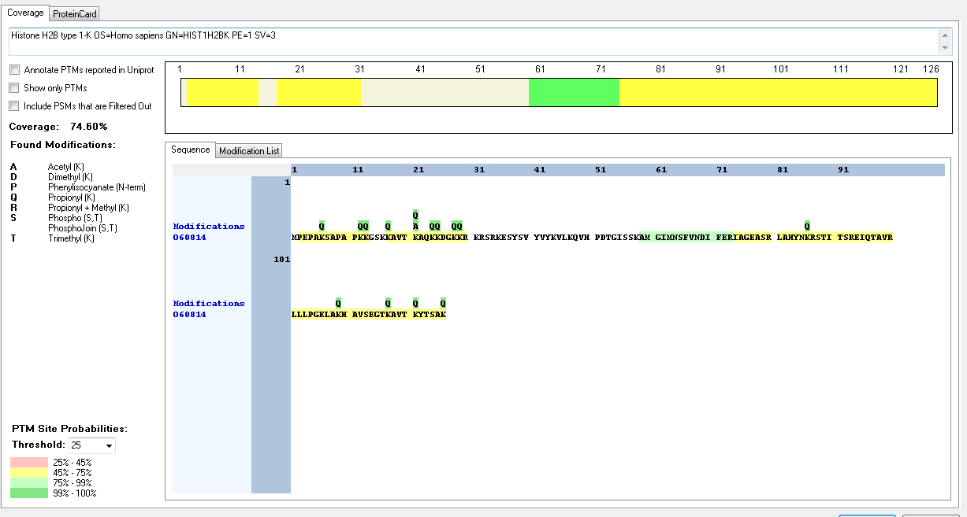
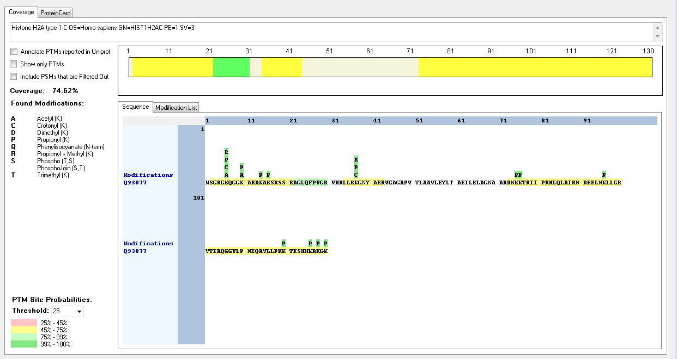
Protein ID | Peptide Sequence | Peptide position | Residue | Position in peptide | Positions in Protein | Modification | ptmRS: Best Site Probabilities
Q93077 | [R].GKQGGKAR.[A] | [5-12] | K | 2 | 6 | Acetyl | 100
Q93077 | [R].GKQGGKAR.[A] | [5-12] | K | 2 | 6 | Crotonyl | 100
Q93077 | [R].GKQGGKAR.[A] | [5-12] | K | 2 | 6 | Methyl | 100
Q93077 | [R].GKQGGKAR.[A] | [5-12] | K | 6 | 10 | Acetyl | 100
Q93077 | [R].KGNYAER.[VI] | [37-43] | K | 1 | 37 | Crotonyl | 100
Q93077 | [R].KGNYAER.[VI] | [37-43] | K | 1 | 37 | Methyl | 100
Q93077 | [RK].VTIAQGGVLPNIQAVLLPKKTESHHKAKGK.[-] | [101-130] | K | 19 | 119 | Crotonyl | 89.22
Q93077 | [RK].VTIAQGGVLPNIQAVLLPKKTESHHKAKGK.[-] | [101-130] | K | 19 | 119 | Dimethyl | 77.8
Q93077 | [RK].VTIAQGGVLPNIQAVLLPKKTESHHKAKGK.[-] | [101-130] | K | 20 | 120 | Crotonyl | 98.62
Q93077 | [RK].VTIAQGGVLPNIQAVLLPKKTESHHKAKGK.[-] | [101-130] | K | 20 | 120 | Trimethyl | 86.88
Q93077 | [RK].VTIAQGGVLPNIQAVLLPKKTESHHKAKGK.[-] | [101-130] | T | 21 | 121 | Phospho | 88.59
Q93077 | [RK].VTIAQGGVLPNIQAVLLPKKTESHHKAKGK.[-] | [101-130] | S | 23 | 123 | Phospho | 97.7
Q93077 | [RK].VTIAQGGVLPNIQAVLLPKKTESHHKAKGK.[-] | [101-130] | K | 26 | 126 | Dimethyl | 66.99
Q93077 | [RK].VTIAQGGVLPNIQAVLLPKKTESHHKAKGK.[-] | [101-130] | K | 26 | 126 | Methyl | 99.83
Q93077 | [RK].VTIAQGGVLPNIQAVLLPKKTESHHKAKGK.[-] | [101-130] | K | 28 | 128 | Trimethyl | 96.65
Q93077 | [RK].VTIAQGGVLPNIQAVLLPKKTESHHKAKGK.[-] | [101-130] | K | 30 | 130 | Acetyl | 92.5
Q93077 | [RK].VTIAQGGVLPNIQAVLLPKKTESHHKAKGK.[-] | [101-130] | K | 30 | 130 | Crotonyl | 90.72
Q93077 | [RK].VTIAQGGVLPNIQAVLLPKKTESHHKAKGK.[-] | [101-130] | K | 30 | 130 | Dimethyl | 98.2
Q93077 | [RK].VTIAQGGVLPNIQAVLLPKKTESHHKAKGK.[-] | [101-130] | K | 30 | 130 | Methyl | 51.7
P0C0S5 | [M].AGGKAGKDSGKAKTKAVSR.[S] | [2-20] | K | 4 | 5 | Acetyl | 100
P0C0S5 | [M].AGGKAGKDSGKAK.[AT] | [2-14] | K | 4 | 5 | Trimethyl | 99.98
P0C0S5 | [M].AGGKAGKDSGKAKTKAVSR.[S] | [2-20] | K | 7 | 8 | Acetyl | 100
P0C0S5 | [M].AGGKAGKDSGKAKTKAVSR.[S] | [2-20] | K | 7 | 8 | Methyl | 98.76
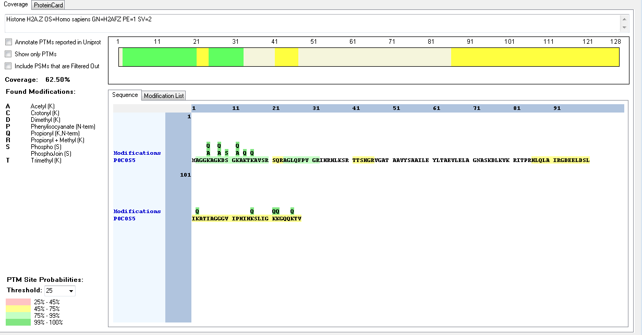
P0C0S5 | [M].AGGKAGKDSGKAK.[AT] | [2-14] | K | 7 | 8 | Trimethyl | 98.93
P0C0S5 | [M].AGGKAGKDSGKAK.[AT] | [2-14] | S | 9 | 10 | Phospho | 100
P0C0S5 | [M].AGGKAGKDSGKAKTKAVSR.[S] | [2-20] | K | 11 | 12 | Acetyl | 100
P0C0S5 | [M].AGGKAGKDSGKAK.[AT] | [2-14] | K | 11 | 12 | Trimethyl | 95.58
P0C0S5 | [M].AGGKAGKDSGKAKTKAVSR.[S] | [2-20] | K | 13 | 14 | Crotonyl | 94.26
P0C0S5 | [M].AGGKAGKDSGKAK.[AT] | [2-14] | K | 13 | 14 | Dimethyl | 94.49
P04908 | [R].GKQGGKAR.[A] | [5-12] | K | 2 | 6 | Acetyl | 100
P04908 | [R].GKQGGKAR.[A] | [5-12] | K | 2 | 6 | Crotonyl | 100
P04908 | [R].GKQGGKAR.[A] | [5-12] | K | 2 | 6 | Methyl | 100
P04908 | [R].GKQGGKAR.[A] | [5-12] | K | 6 | 10 | Acetyl | 100
P04908 | [R].AKAKTR.[S] | [13-18] | K | 4 | 16 | Methyl | 99.91
P04908 | [RK].VTIAQGGVLPNIQAVLLPKKTESHHKAKGK.[-] | [101-130] | K | 19 | 119 | Crotonyl | 89.22
P04908 | [RK].VTIAQGGVLPNIQAVLLPKKTESHHKAKGK.[-] | [101-130] | K | 19 | 119 | Dimethyl | 77.8
P04908 | [RK].VTIAQGGVLPNIQAVLLPKKTESHHKAKGK.[-] | [101-130] | K | 19 | 119 | Methyl | 86.55
P04908 | [RK].VTIAQGGVLPNIQAVLLPKKTESHHKAKGK.[-] | [101-130] | K | 20 | 120 | Crotonyl | 98.62
P04908 | [RK].VTIAQGGVLPNIQAVLLPKKTESHHKAKGK.[-] | [101-130] | K | 20 | 120 | Trimethyl | 86.88
P04908 | [RK].VTIAQGGVLPNIQAVLLPKKTESHHKAKGK.[-] | [101-130] | T | 21 | 121 | Phospho | 88.59
P04908 | [RK].VTIAQGGVLPNIQAVLLPKKTESHHKAKGK.[-] | [101-130] | S | 23 | 123 | Phospho | 97.7
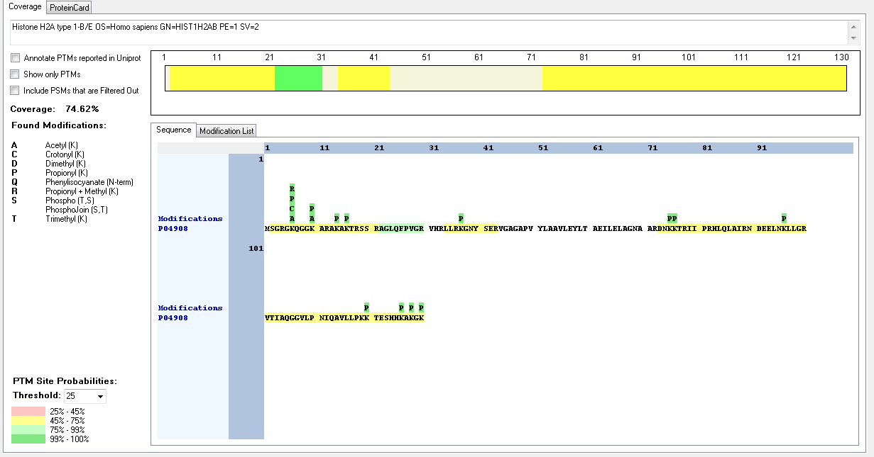
P04908 | [RK].VTIAQGGVLPNIQAVLLPKKTESHHKAKGK.[-] | [101-130] | K | 26 | 126 | Dimethyl | 66.99
P04908 | [RK].VTIAQGGVLPNIQAVLLPKKTESHHKAKGK.[-] | [101-130] | K | 26 | 126 | Methyl | 99.83
P04908 | [RK].VTIAQGGVLPNIQAVLLPKKTESHHKAKGK.[-] | [101-130] | K | 28 | 128 | Trimethyl | 96.65
P04908 | [RK].VTIAQGGVLPNIQAVLLPKKTESHHKAKGK.[-] | [101-130] | K | 30 | 130 | Acetyl | 92.5
P04908 | [RK].VTIAQGGVLPNIQAVLLPKKTESHHKAKGK.[-] | [101-130] | K | 30 | 130 | Crotonyl | 90.72
P04908 | [RK].VTIAQGGVLPNIQAVLLPKKTESHHKAKGK.[-] | [101-130] | K | 30 | 130 | DImethyl | 98.2
P04909 | [RK].VTIAQGGVLPNIQAVLLPKKTESHHKAKGK.[-] | [101-130] | K | 30 | 130 | Methyl | 51.7
Q7L7L0 | [R].GKQGGKAR.[A] | [5-12] | K | 2 | 6 | Acetyl | 100
Q7L7L0 | [R].GKQGGKAR.[A] | [5-12] | K | 2 | 6 | Crotonyl | 100
Q7L7L0 | [R].GKQGGKAR.[A] | [5-12] | K | 2 | 6 | Methyl | 100
Q7L7L0 | [R].GKQGGKAR.[A] | [5-12] | K | 6 | 10 | Acetyl | 100
Q7L7L0 | [RK].VTIAQGGVLPNIQAVLLPKKTESHHKAKGK.[-] | [101-130] | K | 19 | 119 | Crotonyl | 89.22
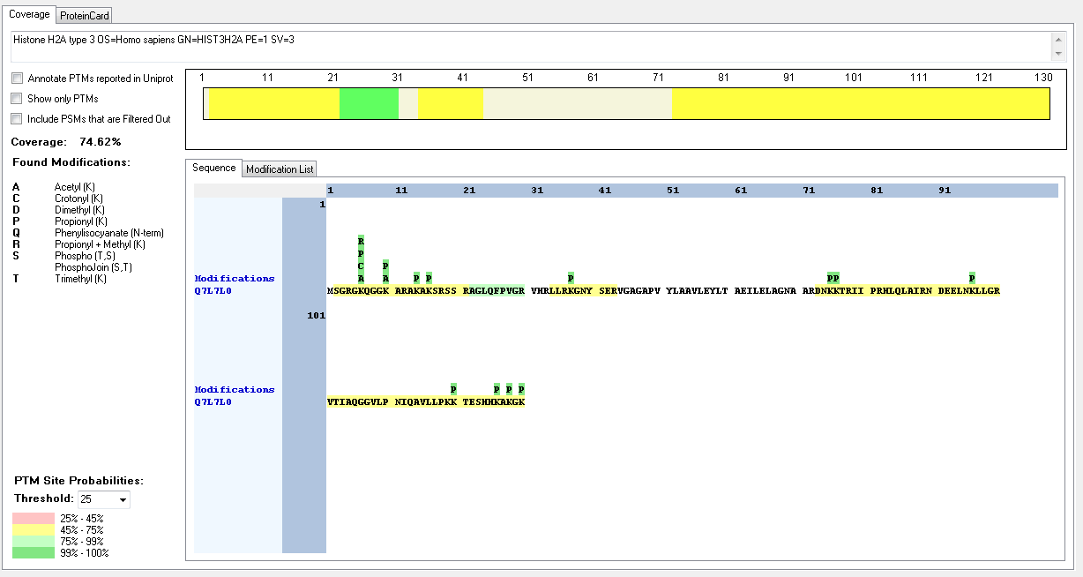
Q7L7L0 | [RK].VTIAQGGVLPNIQAVLLPKKTESHHKAKGK.[-] | [101-130] | K | 19 | 119 | Dimethyl | 77.8
Q7L7L0 | [RK].VTIAQGGVLPNIQAVLLPKKTESHHKAKGK.[-] | [101-130] | K | 19 | 119 | Methyl | 86.55
Q7L7L0 | [RK].VTIAQGGVLPNIQAVLLPKKTESHHKAKGK.[-] | [101-130] | K | 20 | 120 | Crotonyl | 98.62
Q7L7L0 | [RK].VTIAQGGVLPNIQAVLLPKKTESHHKAKGK.[-] | [101-130] | K | 20 | 120 | Trimethyl | 86.88
Q7L7L0 | [RK].VTIAQGGVLPNIQAVLLPKKTESHHKAKGK.[-] | [101-130] | T | 21 | 121 | Phospho | 88.59
Q7L7L0 | [RK].VTIAQGGVLPNIQAVLLPKKTESHHKAKGK.[-] | [101-130] | S | 23 | 123 | Phospho | 97.7
Q7L7L0 | [RK].VTIAQGGVLPNIQAVLLPKKTESHHKAKGK.[-] | [101-130] | K | 26 | 126 | Dimethyl | 66.99
Q7L7L0 | [RK].VTIAQGGVLPNIQAVLLPKKTESHHKAKGK.[-] | [101-130] | K | 26 | 126 | Methyl | 99.83
Q7L7L0 | [RK].VTIAQGGVLPNIQAVLLPKKTESHHKAKGK.[-] | [101-130] | K | 28 | 128 | Trimethyl | 96.65
Q7L7L0 | [RK].VTIAQGGVLPNIQAVLLPKKTESHHKAKGK.[-] | [101-130] | K | 30 | 130 | Acetyl | 92.5
Q7L7L0 | [RK].VTIAQGGVLPNIQAVLLPKKTESHHKAKGK.[-] | [101-130] | K | 30 | 130 | Crotonyl | 90.72
Q7L7L0 | [RK].VTIAQGGVLPNIQAVLLPKKTESHHKAKGK.[-] | [101-130] | K | 30 | 130 | Dimethyl | 98.2
Q7L7L0 | [RK].VTIAQGGVLPNIQAVLLPKKTESHHKAKGK.[-] | [101-130] | K | 30 | 130 | Methyl | 51.7
P0C0S8 | [R].GKQGGKAR.[A] | [5-12] | K | 2 | 6 | Acetyl | 100
P0C0S8 | [R].GKQGGKAR.[A] | [5-12] | K | 2 | 6 | Crotonyl | 100
P0C0S8 | [R].GKQGGKAR.[A] | [5-12] | K | 2 | 6 | Methyl | 100
P0C0S8 | [R].GKQGGKAR.[A] | [5-12] | K | 6 | 10 | Acetyl | 100
P0C0S8 | [R].AKAKTR.[S] | [13-18] | K | 4 | 16 | Methyl | 99.91
P0C0S8 | [R].KGNYAER.[VI] | [37-43] | K | 1 | 37 | Crotonyl | 100
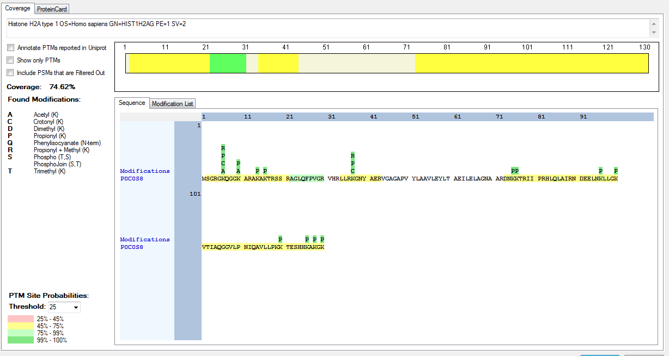
P0C0S8 | [R].KGNYAER.[VI] | [37-43] | K | 1 | 37 | Methyl | 100
P0C0S8 | [RK].VTIAQGGVLPNIQAVLLPKKTESHHKAKGK.[-] | [101-130] | K | 19 | 119 | Crotonyl | 89.22
P0C0S8 | [RK].VTIAQGGVLPNIQAVLLPKKTESHHKAKGK.[-] | [101-130] | K | 19 | 119 | Dimethyl | 77.8
P0C0S8 | [RK].VTIAQGGVLPNIQAVLLPKKTESHHKAKGK.[-] | [101-130] | K | 19 | 119 | Methyl | 86.55
P0C0S8 | [RK].VTIAQGGVLPNIQAVLLPKKTESHHKAKGK.[-] | [101-130] | K | 20 | 120 | Crotonyl | 98.62
P0C0S8 | [RK].VTIAQGGVLPNIQAVLLPKKTESHHKAKGK.[-] | [101-130] | K | 20 | 120 | Trimethyl | 86.88
P0C0S8 | [RK].VTIAQGGVLPNIQAVLLPKKTESHHKAKGK.[-] | [101-130] | T | 21 | 121 | Phospho | 88.59
P0C0S8 | [RK].VTIAQGGVLPNIQAVLLPKKTESHHKAKGK.[-] | [101-130] | S | 23 | 123 | Phospho | 97.7
P0C0S8 | [RK].VTIAQGGVLPNIQAVLLPKKTESHHKAKGK.[-] | [101-130] | K | 26 | 126 | Dimethyl | 66.99
P0C0S8 | [RK].VTIAQGGVLPNIQAVLLPKKTESHHKAKGK.[-] | [101-130] | K | 26 | 126 | Methyl | 99.83
P0C0S8 | [RK].VTIAQGGVLPNIQAVLLPKKTESHHKAKGK.[-] | [101-130] | K | 28 | 128 | Trimethyl | 96.65
P0C0S8 | [RK].VTIAQGGVLPNIQAVLLPKKTESHHKAKGK.[-] | [101-130] | K | 30 | 130 | Acetyl | 92.5
P0C0S8 | [RK].VTIAQGGVLPNIQAVLLPKKTESHHKAKGK.[-] | [101-130] | K | 30 | 130 | Crotonyl | 90.72
P0C0S8 | [RK].VTIAQGGVLPNIQAVLLPKKTESHHKAKGK.[-] | [101-130] | K | 30 | 130 | Dimethyl | 98.2
P0C0S8 | [RK].VTIAQGGVLPNIQAVLLPKKTESHHKAKGK.[-] | [101-130] | K | 30 | 130 | Methyl | 51.7
Q6FI13 | [R].GKQGGKAR.[A] | [5-12] | K | 2 | 6 | Acetyl | 100
Q6FI13 | [R].GKQGGKAR.[A] | [5-12] | K | 2 | 6 | Crotonyl | 100
Q6FI13 | [R].GKQGGKAR.[A] | [5-12] | K | 2 | 6 | Methyl | 100
Q6FI13 | [R].GKQGGKAR.[A] | [5-12] | K | 6 | 10 | Acetyl | 100
Q6FI13 | [R].KGNYAER.[VI] | [37-43] | K | 1 | 37 | Crotonyl | 100
Q6FI13 | [R].KGNYAER.[VI] | [37-43] | K | 1 | 37 | Methyl | 100
Q6FI13 | [RK].VTIAQGGVLPNIQAVLLPKKTESHHKAKGK.[-] | [101-130] | K | 19 | 119 | Crotonyl | 89.22
Q6FI13 | [RK].VTIAQGGVLPNIQAVLLPKKTESHHKAKGK.[-] | [101-130] | K | 19 | 119 | Dimethyl | 77.8
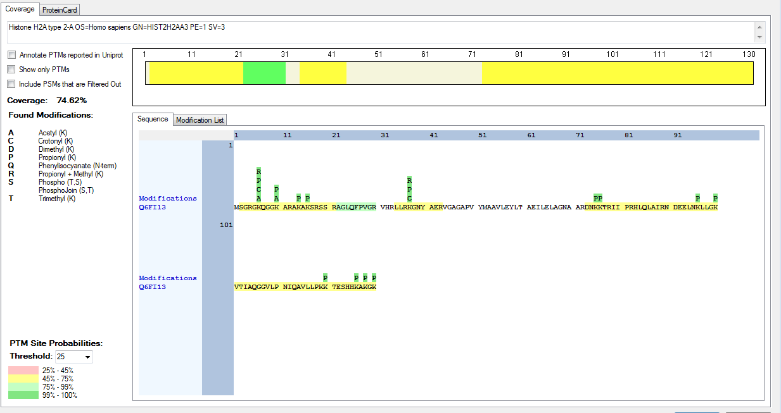
Q6FI13 | [RK].VTIAQGGVLPNIQAVLLPKKTESHHKAKGK.[-] | [101-130] | K | 19 | 119 | Methyl | 86.55
Q6FI13 | [RK].VTIAQGGVLPNIQAVLLPKKTESHHKAKGK.[-] | [101-130] | K | 20 | 120 | Crotonyl | 98.62
Q6FI13 | [RK].VTIAQGGVLPNIQAVLLPKKTESHHKAKGK.[-] | [101-130] | K | 20 | 120 | Trimethyl | 86.88
Q6FI13 | [RK].VTIAQGGVLPNIQAVLLPKKTESHHKAKGK.[-] | [101-130] | T | 21 | 121 | Phospho | 88.59
Q6FI13 | [RK].VTIAQGGVLPNIQAVLLPKKTESHHKAKGK.[-] | [101-130] | S | 23 | 123 | Phospho | 97.7
Q6FI13 | [RK].VTIAQGGVLPNIQAVLLPKKTESHHKAKGK.[-] | [101-130] | K | 26 | 126 | Dimethyl | 66.99
Q6FI13 | [RK].VTIAQGGVLPNIQAVLLPKKTESHHKAKGK.[-] | [101-130] | K | 26 | 126 | Methyl | 99.83
Q6FI13 | [RK].VTIAQGGVLPNIQAVLLPKKTESHHKAKGK.[-] | [101-130] | K | 28 | 128 | Trimethyl | 96.65
Q6FI13 | [RK].VTIAQGGVLPNIQAVLLPKKTESHHKAKGK.[-] | [101-130] | K | 30 | 130 | Acetyl | 92.5
Q6FI13 | [RK].VTIAQGGVLPNIQAVLLPKKTESHHKAKGK.[-] | [101-130] | K | 30 | 130 | Crotonyl | 90.72
Q6FI13 | [RK].VTIAQGGVLPNIQAVLLPKKTESHHKAKGK.[-] | [101-130] | K | 30 | 130 | Crotonyl | 91.72
Q6FI13 | [RK].VTIAQGGVLPNIQAVLLPKKTESHHKAKGK.[-] | [101-130] | K | 30 | 130 | Methyl | 51.7
Q16777 | [R].GKQGGKAR.[A] | [5-12] | K | 2 | 6 | Acetyl | 100
Q16777 | [R].GKQGGKAR.[A] | [5-12] | K | 2 | 6 | Crotonyl | 100
Q16777 | [R].GKQGGKAR.[A] | [5-12] | K | 2 | 6 | Methyl | 100
Q16777 | [R].GKQGGKAR.[A] | [5-12] | K | 6 | 10 | Acetyl | 100
Q16777 | [R].KGNYAER.[VI] | [37-43] | K | 1 | 37 | Crotonyl | 100
Q16777 | [R].KGNYAER.[VI] | [37-43] | K | 1 | 37 | Methyl | 100
Q16777 | [K].VTIAQGGVLPNIQAVLLPKKTESHKAKSK.[-] | [101-129] | K | 19 | 119 | Methyl | 99.9
Q16777 | [K].VTIAQGGVLPNIQAVLLPKKTESHKAKSK.[-] | [101-129] | K | 20 | 120 | Methyl | 99.07
Q16777 | [K].VTIAQGGVLPNIQAVLLPKKTESHKAKSK.[-] | [101-129] | K | 20 | 120 | Trimethyl | 77.13
Q16777 | [K].VTIAQGGVLPNIQAVLLPKKTESHK.[A] | [101-125] | T | 21 | 121 | Phospho | 99.88
Q16777 | [K].VTIAQGGVLPNIQAVLLPKKTESHKAKSK.[-] | [101-129] | K | 25 | 125 | Crotonyl | 70.05
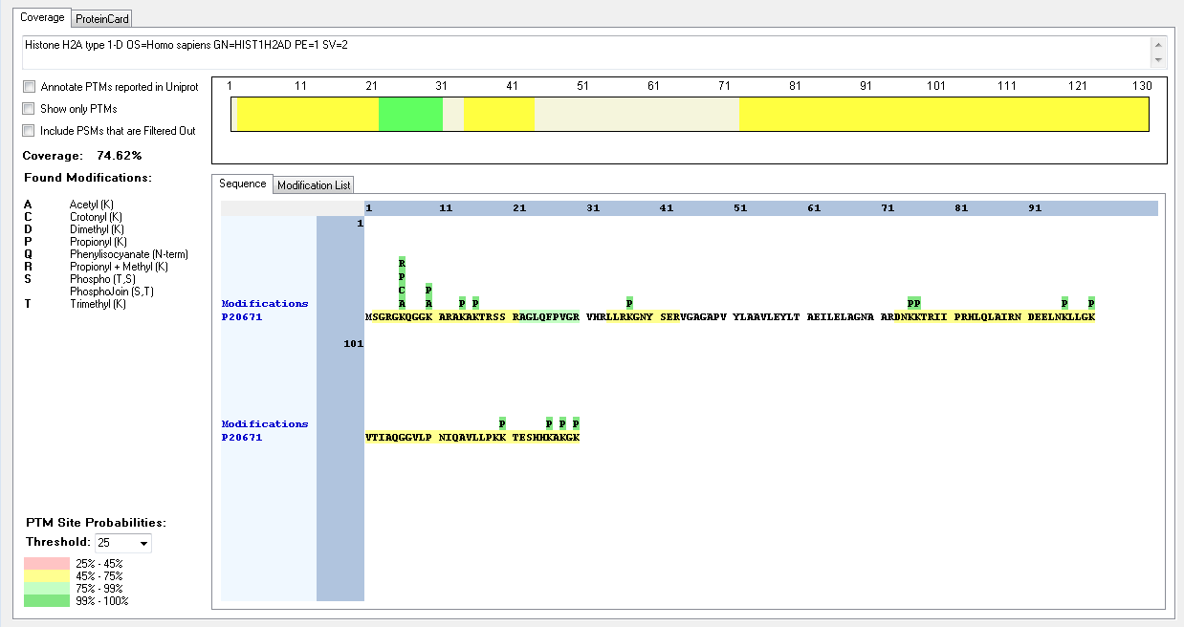
Q16777 | [K].VTIAQGGVLPNIQAVLLPKKTESHKAKSK.[-] | [101-129] | K | 25 | 125 | Methyl | 91.73
Q16777 | [K].VTIAQGGVLPNIQAVLLPKKTESHKAKSK.[-] | [101-129] | K | 27 | 127 | Methyl | 91.73
Q16777 | [K].VTIAQGGVLPNIQAVLLPKKTESHKAKSK.[-] | [101-129] | K | 27 | 127 | Trimethyl | 90.59
Q16777 | [K].VTIAQGGVLPNIQAVLLPKKTESHKAKSK.[-] | [101-129] | S | 28 | 128 | Phospho | 99.35
Q16777 | [K].VTIAQGGVLPNIQAVLLPKKTESHKAKSK.[-] | [101-129] | K | 29 | 129 | Crotonyl | 98.48
P20671 | [R].GKQGGKAR.[A] | [5-12] | K | 2 | 6 | Acetyl | 100
P20671 | [R].GKQGGKAR.[A] | [5-12] | K | 2 | 6 | Crotonyl | 100
P20671 | [R].GKQGGKAR.[A] | [5-12] | K | 2 | 6 | Methyl | 100
P20671 | [R].GKQGGKAR.[A] | [5-12] | K | 6 | 10 | Acetyl | 100
P20671 | [R].AKAKTR.[S] | [13-18] | K | 4 | 16 | Methyl | 99.91
P20671 | [RK].VTIAQGGVLPNIQAVLLPKKTESHHKAKGK.[-] | [101-130] | K | 19 | 119 | Crotonyl | 89.22
P20671 | [RK].VTIAQGGVLPNIQAVLLPKKTESHHKAKGK.[-] | [101-130] | K | 19 | 119 | Dimethyl | 77.8
P20671 | [RK].VTIAQGGVLPNIQAVLLPKKTESHHKAKGK.[-] | [101-130] | K | 19 | 119 | Methyl | 86.55
P20671 | [RK].VTIAQGGVLPNIQAVLLPKKTESHHKAKGK.[-] | [101-130] | K | 20 | 120 | Crotonyl | 98.62
P20671 | [RK].VTIAQGGVLPNIQAVLLPKKTESHHKAKGK.[-] | [101-130] | K | 20 | 120 | Trimethyl | 86.88
P20671 | [RK].VTIAQGGVLPNIQAVLLPKKTESHHKAKGK.[-] | [101-130] | T | 21 | 121 | Phospho | 88.59
P20671 | [RK].VTIAQGGVLPNIQAVLLPKKTESHHKAKGK.[-] | [101-130] | S | 23 | 123 | Phospho | 97.7
P20671 | [RK].VTIAQGGVLPNIQAVLLPKKTESHHKAKGK.[-] | [101-130] | K | 26 | 126 | Dimethyl | 66.99
P20671 | [RK].VTIAQGGVLPNIQAVLLPKKTESHHKAKGK.[-] | [101-130] | K | 26 | 126 | Methyl | 99.83
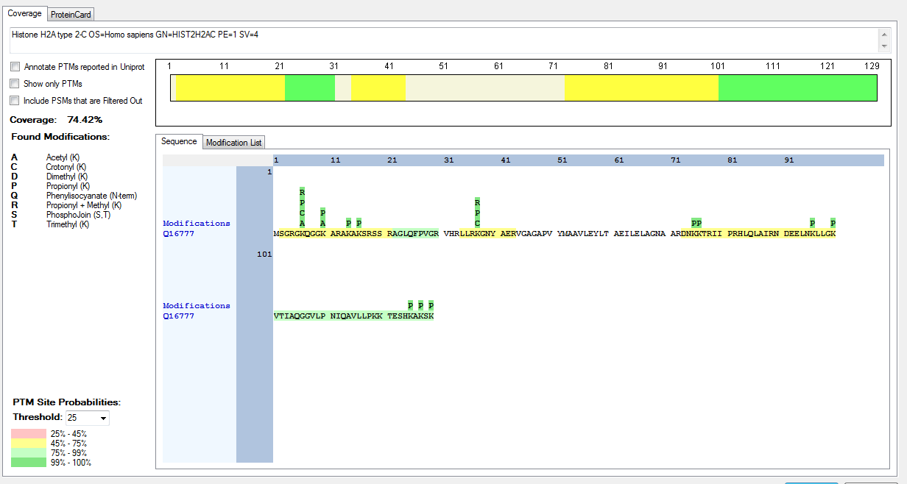
P20671 | [RK].VTIAQGGVLPNIQAVLLPKKTESHHKAKGK.[-] | [101-130] | K | 28 | 128 | Trimethyl | 96.65
P20671 | [RK].VTIAQGGVLPNIQAVLLPKKTESHHKAKGK.[-] | [101-130] | K | 30 | 130 | Acetyl | 92.5
P20671 | [RK].VTIAQGGVLPNIQAVLLPKKTESHHKAKGK.[-] | [101-130] | K | 30 | 130 | Crotonyl | 90.72
P20671 | [RK].VTIAQGGVLPNIQAVLLPKKTESHHKAKGK.[-] | [101-130] | K | 30 | 130 | Crotonyl | 91.72
P20671 | [RK].VTIAQGGVLPNIQAVLLPKKTESHHKAKGK.[-] | [101-130] | K | 30 | 130 | Methyl | 51.7
Q99878 | [R].GKQGGKAR.[A] | [5-12] | K | 2 | 6 | Acetyl | 100
Q99878 | [R].GKQGGKAR.[A] | [5-12] | K | 2 | 6 | Crotonyl | 100
Q99878 | [R].GKQGGKAR.[A] | [5-12] | K | 2 | 6 | Methyl | 100
Q99878 | [R].GKQGGKAR.[A] | [5-12] | K | 6 | 10 | Acetyl | 100
Q99878 | [R].KGNYAER.[VI] | [37-43] | K | 1 | 37 | Crotonyl | 100
Q99878 | [R].KGNYAER.[VI] | [37-43] | K | 1 | 37 | Methyl | 100
Q71UI9 | [M].AGGKAGKDSGKAKAKAVSR.[S] | [2-20] | K | 4 | 5 | Acetyl | 100
Q71UI9 | [M].AGGKAGKDSGKAKAKAVSR.[S] | [2-20] | K | 4 | 5 | Methyl | 91.75
Q71UI9 | [M].AGGKAGKDSGKAKAKAVSR.[S] | [2-20] | K | 4 | 5 | Trimethyl | 100
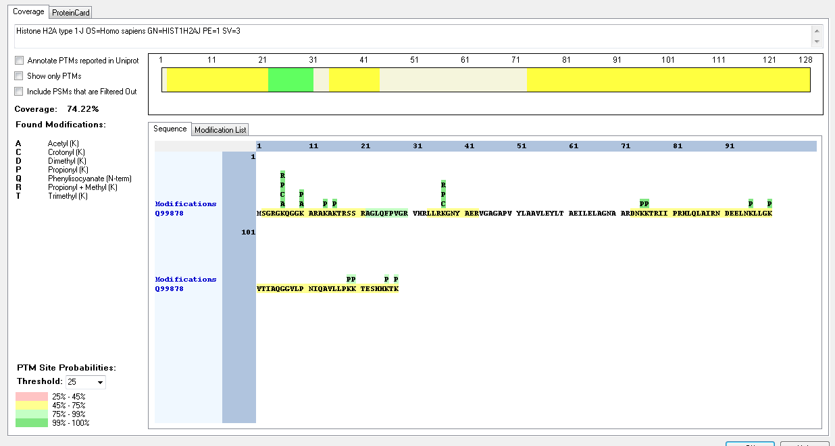
Q71UI9 | [M].AGGKAGKDSGKAKAKAVSR.[S] | [2-20] | K | 7 | 8 | Acetyl | 100
Q71UI9 | [M].AGGKAGKDSGKAKAKAVSR.[S] | [2-20] | K | 7 | 8 | Crotonyl | 92.43
Q71UI9 | [M].AGGKAGKDSGKAKAKAVSR.[S] | [2-20] | K | 7 | 8 | Trimethyl | 100
Q71UI9 | [M].AGGKAGKDSGKAK.[AT] | [2-14] | S | 9 | 10 | Phospho | 100
Q71UI9 | [M].AGGKAGKDSGKAKAKAVSR.[S] | [2-20] | K | 11 | 12 | Acetyl | 100
Q71UI9 | [M].AGGKAGKDSGKAKAKAVSR.[S] | [2-20] | K | 11 | 12 | Crotonyl | 99.31
Q71UI9 | [M].AGGKAGKDSGKAKAKAVSR.[S] | [2-20] | K | 11 | 12 | Trimethyl | 99.99
Q71UI9 | [M].AGGKAGKDSGKAKAKAVSR.[S] | [2-20] | K | 13 | 14 | Crotonyl | 95.08
Q71UI9 | [M].AGGKAGKDSGKAK.[AT] | [2-14] | K | 13 | 14 | Dimethyl | 94.49
Q9BTM1 | [R].GKQGGKVR.[A] | [5-12] | K | 2 | 6 | Crotonyl | 98.92
Q9BTM1 | [R].KGNYAER.[VI] | [37-43] | K | 1 | 37 | Crotonyl | 100
Q9BTM1 | [R].KGNYAER.[VI] | [37-43] | K | 1 | 37 | Methyl | 100
Q9BTM1 | [K].VTIAQGGVLPNIQAVLLPKKTESQKTKSK.[-] | [101-129] | K | 19 | 119 | Acetyl | 98.58
Q9BTM1 | [K].VTIAQGGVLPNIQAVLLPKKTESQKTKSK.[-] | [101-129] | K | 19 | 119 | Crotonyl | 96.4
Q9BTM1 | [K].VTIAQGGVLPNIQAVLLPKKTESQKTKSK.[-] | [101-129] | K | 19 | 119 | Trimethyl | 100
Q9BTM1 | [K].VTIAQGGVLPNIQAVLLPKKTESQKTKSK.[-] | [101-129] | K | 20 | 120 | Acetyl | 98.58
Q9BTM1 | [K].VTIAQGGVLPNIQAVLLPKKTESQKTKSK.[-] | [101-129] | K | 20 | 120 | Crotonyl | 85.38
Q9BTM1 | [K].VTIAQGGVLPNIQAVLLPKKTESQKTKSK.[-] | [101-129] | K | 20 | 120 | Trimethyl | 100
Q9BTM1 | [K].VTIAQGGVLPNIQAVLLPKKTESQKTKSK.[-] | [101-129] | S | 23 | 123 | Phospho | 70.97
Q9BTM1 | [K].VTIAQGGVLPNIQAVLLPKKTESQKTKSK.[-] | [101-129] | K | 25 | 125 | Crotonyl | 89.92
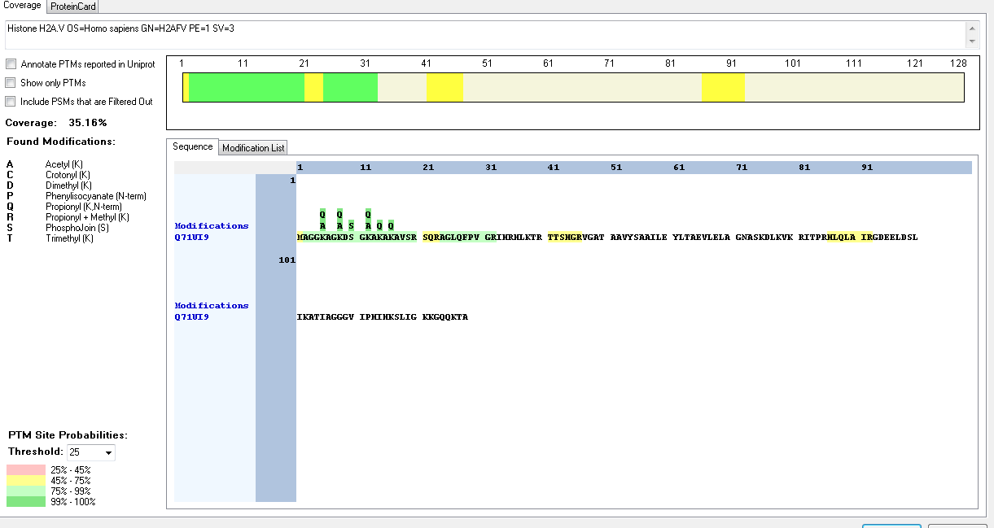
Q9BTM1 | [K].VTIAQGGVLPNIQAVLLPKKTESQKTKSK.[-] | [101-129] | K | 25 | 125 | Trimethyl | 100
Q9BTM1 | [K].VTIAQGGVLPNIQAVLLPKKTESQKTKSK.[-] | [101-129] | T | 26 | 126 | Phospho | 88.5
Q9BTM1 | [K].VTIAQGGVLPNIQAVLLPKKTESQKTKSK.[-] | [101-129] | K | 27 | 127 | Acetyl | 50.01
Q9BTM1 | [K].VTIAQGGVLPNIQAVLLPKKTESQKTKSK.[-] | [101-129] | K | 27 | 127 | Trimethyl | 100
Q9BTM1 | [K].VTIAQGGVLPNIQAVLLPKKTESQKTKSK.[-] | [101-129] | S | 28 | 128 | Phospho | 60.41
Q9BTM1 | [K].VTIAQGGVLPNIQAVLLPKKTESQKTKSK.[-] | [101-129] | K | 29 | 129 | Acetyl | 50.37
Q9BTM1 | [K].VTIAQGGVLPNIQAVLLPKKTESQKTKSK.[-] | [101-129] | K | 29 | 129 | Trimethyl | 100
Q8IUE6 | [R].GKQGGKAR.[A] | [5-12] | K | 2 | 6 | Acetyl | 100
Q8IUE6 | [R].GKQGGKAR.[A] | [5-12] | K | 2 | 6 | Crotonyl | 100
Q8IUE6 | [R].GKQGGKAR.[A] | [5-12] | K | 2 | 6 | Methyl | 100
Q8IUE6 | [R].GKQGGKAR.[A] | [5-12] | K | 6 | 10 | Acetyl | 100
Q8IUE6 | [R].KGNYAER.[VI] | [37-43] | K | 1 | 37 | Crotonyl | 100
Q8IUE6 | [R].KGNYAER.[VI] | [37-43] | K | 1 | 37 | Methyl | 100
P16104 | [R].GKTGGKAR.[A] | [5-12] | K | 2 | 6 | Acetyl | 100
P16104 | [R].GKTGGKAR.[A] | [5-12] | K | 6 | 10 | Acetyl | 100
P62807 | [K].AVTKAQKKDGKKR.[K] | [18-30] | K | 4 | 21 | Acetyl | 100
Q99880 | [K].AVTKAQKKDGKKR.[K] | [18-30] | K | 4 | 21 | Acetyl | 100
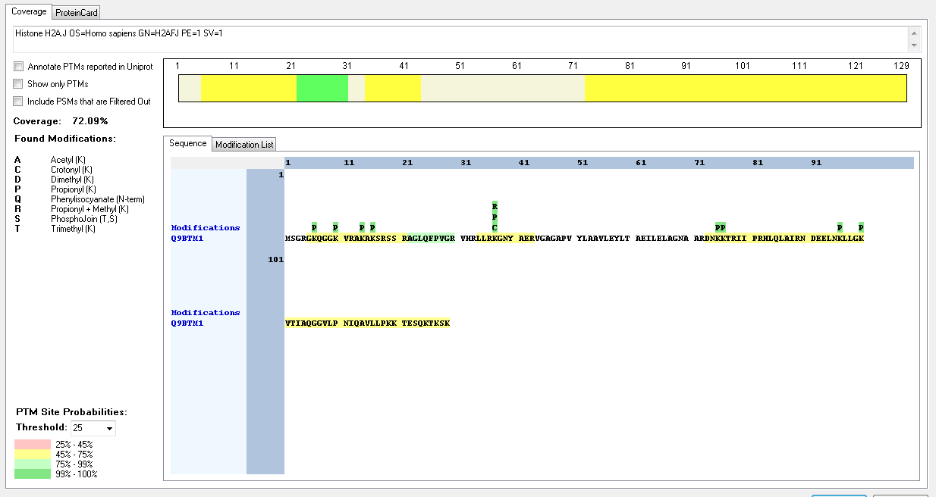
Q8N257 | IDENTIFIED BUT NO MODIFICATIONS FOUND
P33778 | [K].AITKAQKKDGKKR.[K] | [18-30] | K | 4 | 21 | Acetyl | 100
P33778 | [K].KAITKAQKKDGKKR.[K] | [17-30] | K | 1 | 17 | Acetyl | 100
Q5QNW6 | IDENTIFIED BUT NO MODIFICATIONS FOUND
O60814 | [K].AVTKAQKKDGKKR.[K] | [18-30] | K | 4 | 21 | Acetyl | 100
O60814 | [R].LLLPGELAKHAVSEGTKAVTKYTSAK.[-] | [101-126] | K | 17 | 117 | Dimethyl | 93.61
O60814 | [R].LLLPGELAKHAVSEGTKAVTKYTSAK.[-] | [101-126] | K | 17 | 117 | Trimethyl | 99.97
O60814 | [R].LLLPGELAKHAVSEGTKAVTKYTSAK.[-] | [101-126] | K | 21 | 121 | Trimethyl | 99.98
O60814 | [R].LLLPGELAKHAVSEGTKAVTKYTSAK.[-] | [101-126] | T | 23 | 123 | Phospho | 71.46
O60814 | [R].LLLPGELAKHAVSEGTKAVTKYTSAK.[-] | [101-126] | K | 26 | 126 | Trimethyl | 99.99
P57053 | [R].LLLPGELAKHAVSEGTKAVTKYTSAK.[-] | [101-126] | K | 17 | 117 | Dimethyl | 93.61
P57053 | [R].LLLPGELAKHAVSEGTKAVTKYTSAK.[-] | [101-126] | K | 17 | 117 | Trimethyl | 99.97
P57053 | [R].LLLPGELAKHAVSEGTKAVTKYTSAK.[-] | [101-126] | K | 21 | 121 | Trimethyl | 99.98
P57053 | [R].LLLPGELAKHAVSEGTKAVTKYTSAK.[-] | [101-126] | T | 23 | 123 | Phospho | 71.46
P57053 | [R].LLLPGELAKHAVSEGTKAVTKYTSAK.[-] | [101-126] | K | 26 | 126 | Trimethyl | 99.99

Phytophtora_infestans
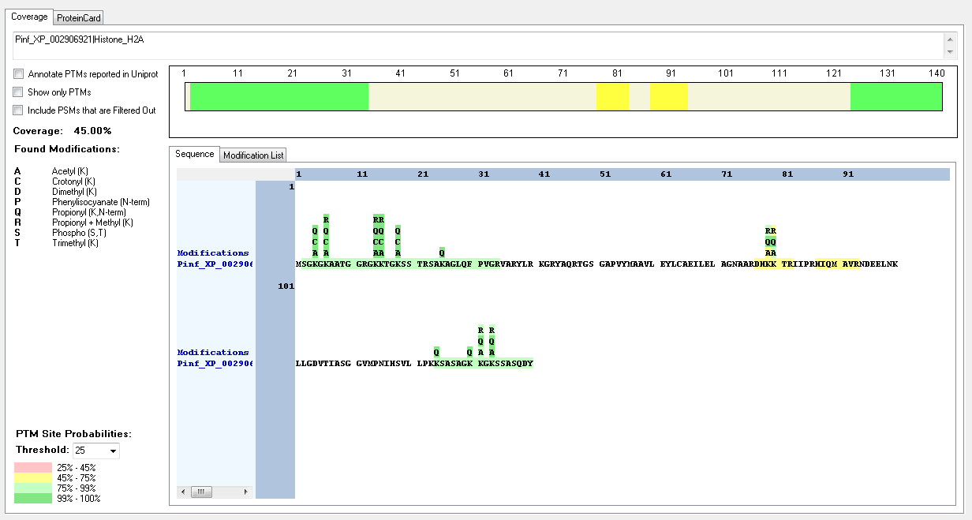
Protein ID | Peptide Sequence | Peptide position | Residue | Position in peptide | Positions in Protein | Modification | ptmRS: Best Site Probabilities
Pinf_XP_002906921|Histone_H2A | [M].SGKGKAATGGR.[G] | [2-12] | S | 1 | 2 | Phospho | 100
Pinf_XP_002906921|Histone_H2A | [R].GKKTGKSSTR.[S] | [13-22] | K | 2 | 3 | Methyl | 99.96
Pinf_XP_002906921|Histone_H2A | [M].SGKGKAATGGRGKKTGKSSTR.[S] | [2-22] | K | 3 | 4 | Acetyl | 100
Pinf_XP_002906921|Histone_H2A | [M].SGKGKAATGGR.[G] | [2-12] | K | 3 | 4 | Crotonyl | 100
Pinf_XP_002906921|Histone_H2A | [M].SGKGKAATGGR.[G] | [2-12] | K | 3 | 4 | Dimethyl | 99.89
Pinf_XP_002906921|Histone_H2A | [M].SGKGKAATGGR.[G] | [2-12] | K | 3 | 4 | Trimethyl | 99.84
Pinf_XP_002906921|Histone_H2A | [M].SGKGKAATGGRGKKTGKSSTR.[S] | [2-12] | K | 5 | 6 | Acetyl | 100
Pinf_XP_002906921|Histone_H2A | [M].SGKGKAATGGR.[G] | [2-12] | K | 5 | 6 | Crotonyl | 100
Pinf_XP_002906921|Histone_H2A | [M].SGKGKAATGGR.[G] | [2-12] | K | 5 | 6 | Dimethyl | 87.27
Pinf_XP_002906921|Histone_H2A | [M].SGKGKAATGGRGKKTGKSSTR.[S] | [2-22] | K | 13 | 14 | Crotonyl | 100
Pinf_XP_002906921|Histone_H2A | [M].SGKGKAATGGRGKKTGKSSTR.[S] | [2-22] | K | 13 | 14 | Methyl | 99.24
Pinf_XP_002906921|Histone_H2A | [R].GKKTGKSSTR.[S] | [13-22] | K | 2 | 14 | Trimethyl | 99.87
Pinf_XP_002906921|Histone_H2A | [R].GKKTGKSSTR.[S] | [13-22] | K | 3 | 15 | Acetyl | 100
Pinf_XP_002906921|Histone_H2A | [M].SGKGKAATGGRGKKTGKSSTR.[S] | [2-22] | K | 14 | 15 | Crotonyl | 100
Pinf_XP_002906921|Histone_H2A | [R].GKKTGKSSTR.[S] | [13-22] | K | 3 | 15 | Trimethyl | 91.94
Pinf_XP_002906921|Histone_H2A | [R].GKKTGKSSTR.[S] | [13-22] | K | 6 | 18 | Acetyl | 100
Pinf_XP_002906921|Histone_H2A | [M].SGKGKAATGGRGKKTGKSSTR.[S] | [2-22] | K | 17 | 18 | Crotonyl | 100
Pinf_XP_002906668|Histone_H2B | [M].AKTPSKK.[A] | [2-8] | S | 5 | 6 | Phospho | 99.97
Pinf_XP_002906668|Histone_H2B | [M].AKTPSKK.[A] | [2-8] | K | 7 | 8 | Dimethyl | 99.26
Pinf_XP_002906668|Histone_H2B | [K].TVAKSGKGKGKGKKR.[V] | [12-26] | K | 4 | 15 | Crotonyl | 99.78
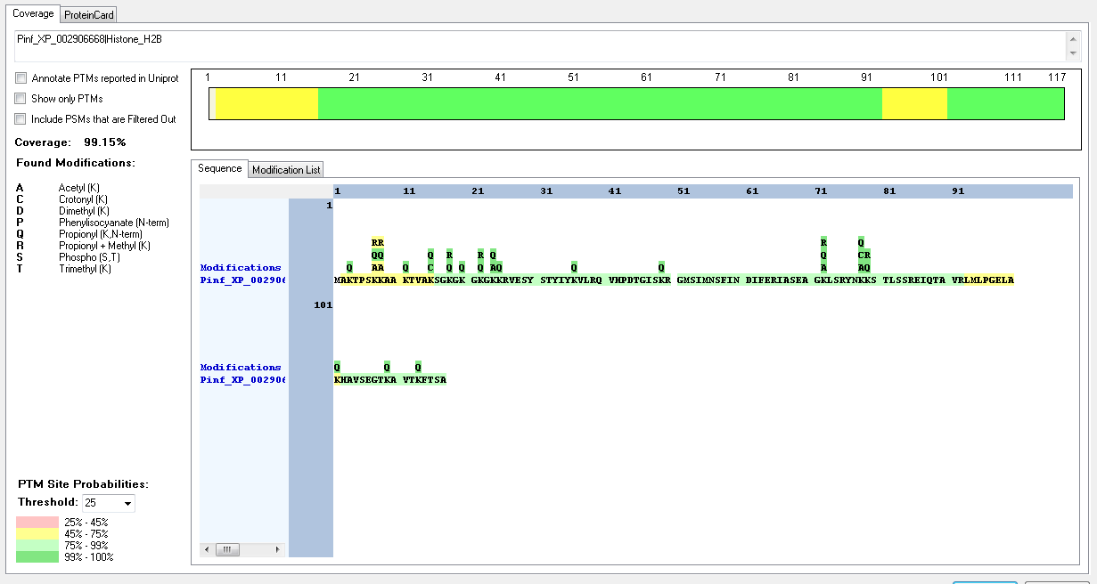
Pinf_XP_002906668|Histone_H2B | [K].SGKGKGKGKKR.[V] | [16-26] | K | 3 | 18 | Methyl | 100
Pinf_XP_002906668|Histone_H2B | [K].GKGKGKKR.[V] | [19-26] | K | 4 | 22 | Methyl | 99.83
Pinf_XP_002906668|Histone_H2B | [K].GKGKGKKR.[V] | [19-26] | K | 6 | 24 | Acetyl | 99.68
Pinf_XP_002906668|Histone_H2B | [R].IASEAGKLSR.[Y] | [66-75] | K | 7 | 72 | Acetyl | 100
Pinf_XP_002906668|Histone_H2B | [R].IASEAGKLSR.[Y] | [66-75] | K | 7 | 72 | Methyl | 100
Pinf_XP_002906668|Histone_H2B | [R].YNKKSTLSSR.[E] | [76-85] | K | 3 | 78 | Crotonyl | 99.74
Pinf_XP_002906920|Histone_H2A | [M].SGKGKAATGGR.[G] | [2-12] | S | 1 | 2 | Phospho | 100
Pinf_XP_002906920|Histone_H2A | [M].SGKGKAATGGRGKKGKGSTR.[S] | [2-21] | K | 3 | 4 | Acetyl | 100
Pinf_XP_002906920|Histone_H2A | [M].SGKGKAATGGR.[G] | [2-12] | K | 3 | 4 | Crotonyl | 100
Pinf_XP_002906920|Histone_H2A | [M].SGKGKAATGGR.[G] | [2-12] | K | 3 | 4 | Dimethyl | 99.89
Pinf_XP_002906920|Histone_H2A | [M].SGKGKAATGGR.[G] | [2-12] | K | 3 | 4 | Trimethyl | 99.84
Pinf_XP_002906920|Histone_H2A | [M].SGKGKAATGGR.[G] | [2-12] | K | 5 | 6 | Acetyl | 100
Pinf_XP_002906920|Histone_H2A | [M].SGKGKAATGGR.[G] | [2-12] | K | 5 | 6 | Crotonyl | 100
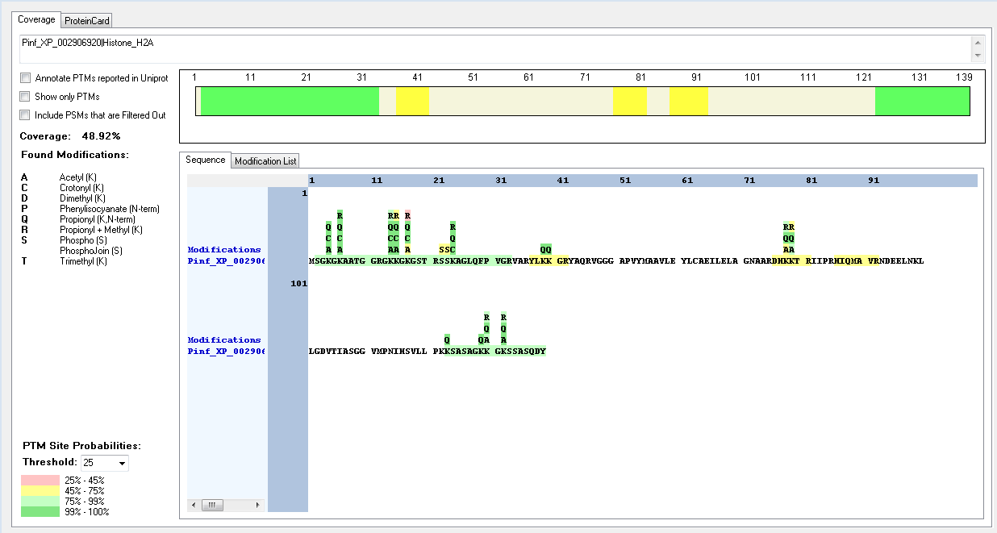
Pinf_XP_002906920|Histone_H2A | [M].SGKGKAATGGR.[G] | [2-12] | K | 5 | 6 | Dimethyl | 87.27
Pinf_XP_002906920|Histone_H2A | [R].GKKGKGSTR.[S] | [13-21] | K | 2 | 14 | Acetyl | 100
Pinf_XP_002906920|Histone_H2A | [M].SGKGKAATGGRGKKGKGSTR.[S] | [2-21] | K | 13 | 14 | Crotonyl | 100
Pinf_XP_002906920|Histone_H2A | [R].GKKGKGSTR.[S] | [13-21] | K | 2 | 14 | Methyl | 95.26
Pinf_XP_002906920|Histone_H2A | [R].GKKGKGSTR.[S] | [13-21] | K | 3 | 15 | Acetyl | 99.99
Pinf_XP_002906920|Histone_H2A | [M].SGKGKAATGGRGKKGKGSTR.[S] | [2-21] | K | 14 | 15 | Crotonyl | 100
Pinf_XP_002906920|Histone_H2A | [R].GKKGKGSTR.[S] | [13-21] | K | 5 | 17 | Acetyl | 50.06
Pinf_XP_002906920|Histone_H2A | [M].SGKGKAATGGRGKKGKGSTR.[S] | [2-21] | K | 16 | 17 | Crotonyl | 100
Pinf_XP_002906920|Histone_H2A | [R].SSKAGLQFPVGR.[V] | [22-33] | S | 1 | 22 | Phospho | 50
Pinf_XP_002906920|Histone_H2A | [R].SSKAGLQFPVGR.[V] | [22-33] | S | 2 | 23 | Phospho | 50
Pinf_XP_002906920|Histone_H2A | [R].SSKAGLQFPVGR.[V] | [22-33] | K | 3 | 24 | Crotonyl | 100
Pinf_XP_002906920|Histone_H2A | [R].SSKAGLQFPVGR.[V] | [22-33] | K | 3 | 24 | Methyl | 100
Pinf_XP_002907446|Histone_H2A | [M].SGIGGKGGKGGKGGKGVTSKR.[A] | [2-22] | K | 3 | 16 | Acetyl | 100
Pinf_XP_002907446|Histone_H2A | [K].GGKGGKGGKGVTSK.[R] | [8-21] | K | 3 | 10 | Trimethyl | 99.99
Pinf_XP_002907446|Histone_H2A | [M].SGIGGKGGKGGKGGKGVTSKR.[A] | [2-22] | K | 6 | 7 | Acetyl | 100
Pinf_XP_002907446|Histone_H2A | [M].SGIGGKGGKGGKGGKGVTSKR.[A] | [2-22] | K | 9 | 10 | Acetyl | 100
Pinf_XP_002907446|Histone_H2A | [M].SGIGGKGGKGGKGGKGVTSKR.[A] | [2-22] | K | 12 | 13 | Acetyl | 100
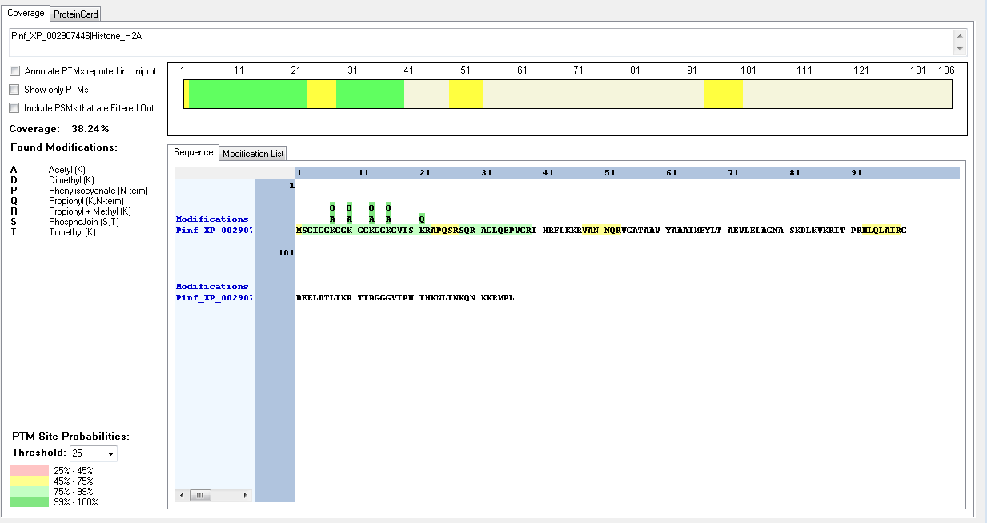
Pinf_XP_002907446|Histone_H2A | [K].GGKGGKGGKGVTSK.[R] | [8-21] | S | 13 | 20 | Phospho | 97.97
Pinf_XP_002907446|Histone_H2A | [K].GGKGGKGGKGVTSK.[R] | [8-21] | K | 14 | 21 | Dimethyl | 99.85

Sycon_ciliatum
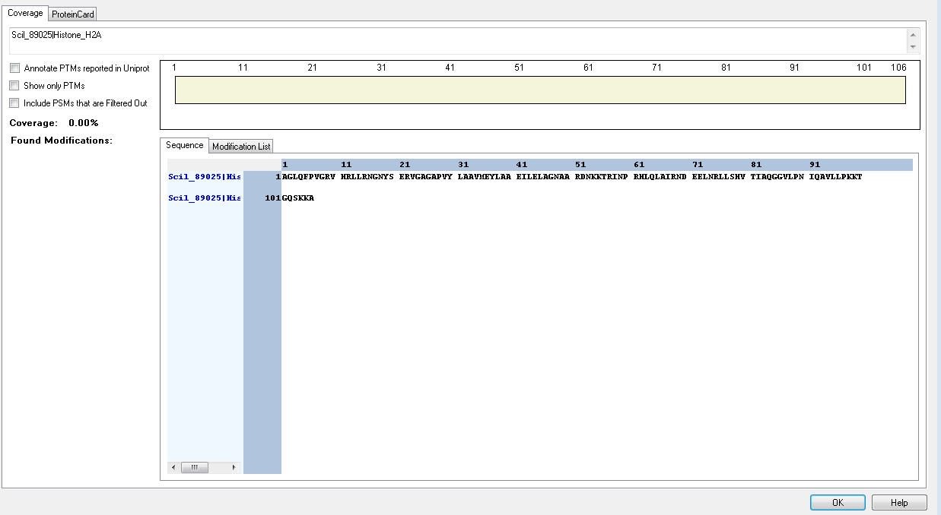
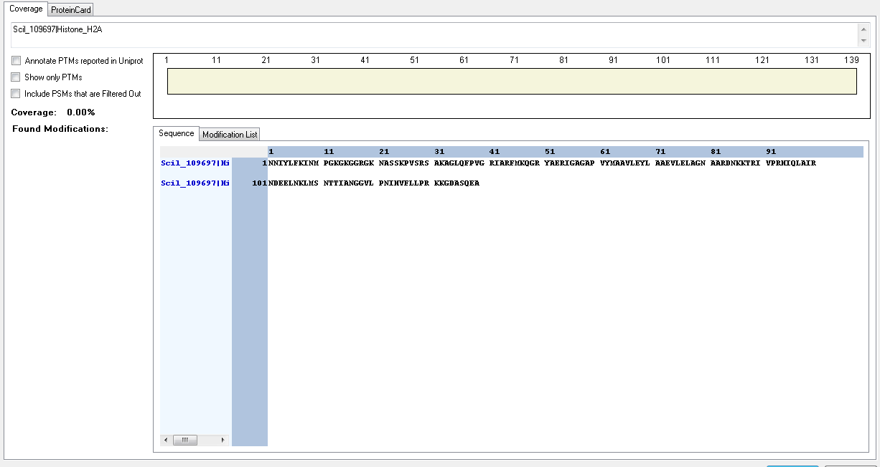
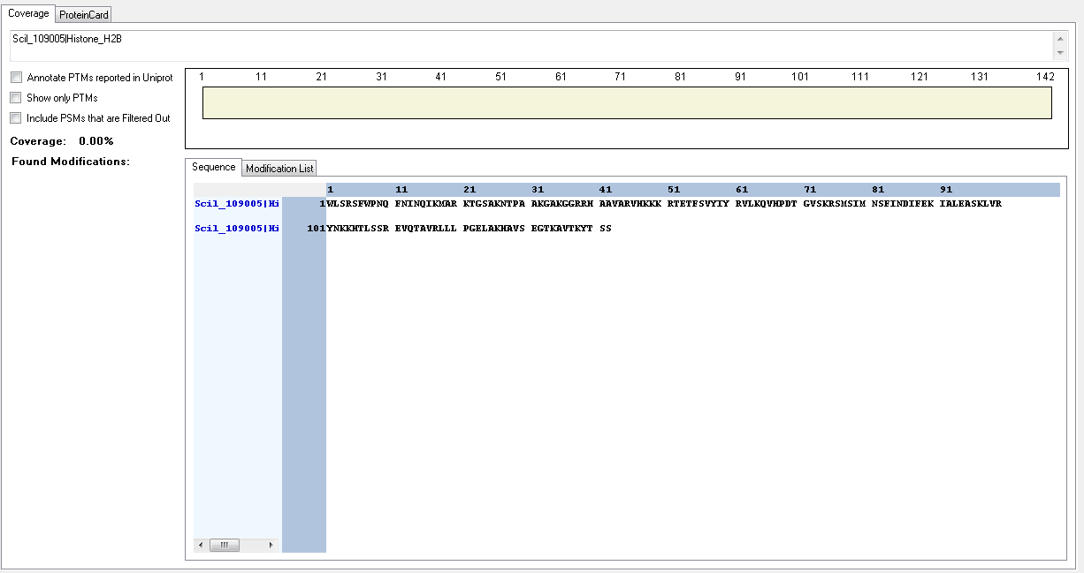
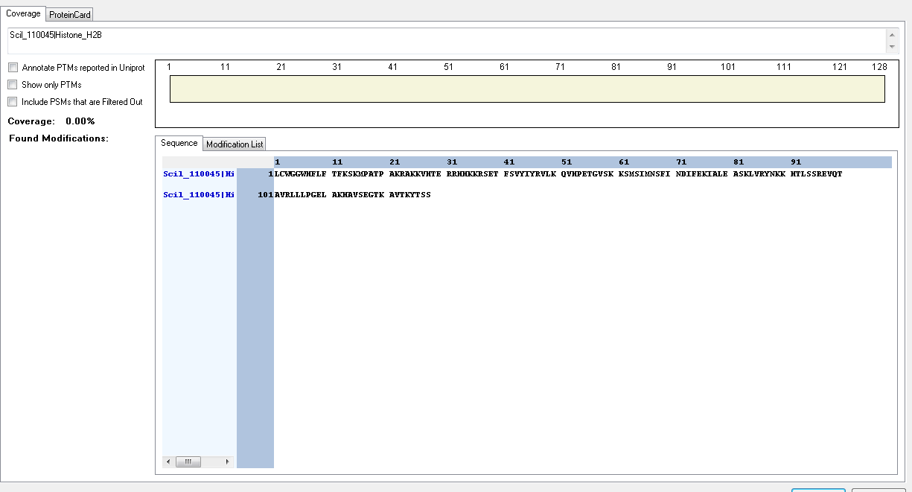
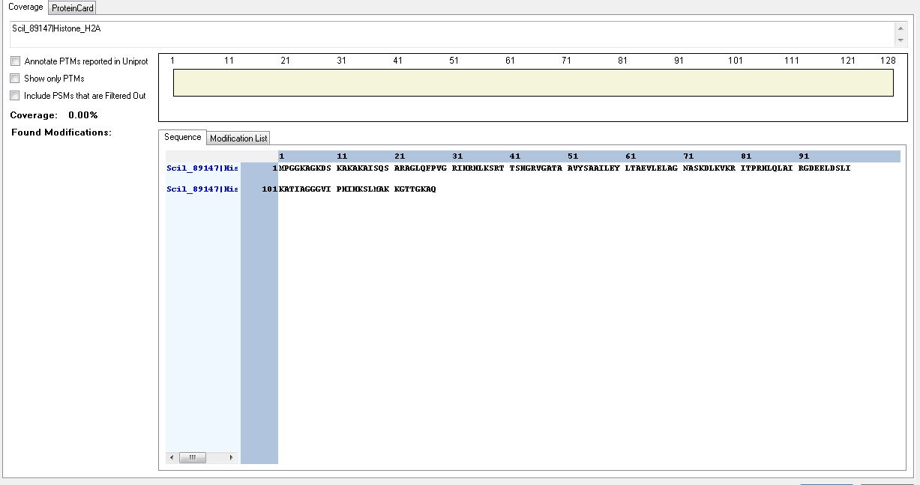
Protein ID | Peptide Sequence | Peptide position | Residue | Position in peptide | Positions in Protein | Modification | ptmRS: Best Site Probabilities
Scil_89147|Histone_H2A | [M].PGGKAGKDSKAKAKAISQSAR.[A] | [2-22] | S | 9 | 10 | Phospho | 100
Scil_89147|Histone_H2A | [M].PGGKAGKDSKAKAKAISQSAR.[A] | [2-22] | K | 10 | 11 | Methyl | 95.54
Scil_89147|Histone_H2A | [M].PGGKAGK.[D] | [2-8] | K | 7 | 8 | Crotonyl | 100
Scil_89147|Histone_H2A | [M].PGGKAGKDSKAKAKAISQSAR.[A] | [2-22] | K | 7 | 8 | Acetyl | 100
Scil_89147|Histone_H2A | [M].PGGKAGKDSKAKAKAISQSAR.[A] | [2-22] | K | 4 | 5 | Methyl | 91.09
Scil_89147|Histone_H2A | [M].PGGKAGKDSKAKAKAISQSAR.[A] | [2-22] | K | 4 | 5 | Crotonyl | 91.29
Scil_89147|Histone_H2A | [M].PGGKAGK.[D] | [2-8] | K | 7 | 8 | Crotonyl | 99.97
Scil_89147|Histone_H2A | [M].PGGKAGK.[D] | [2-8] | K | 4 | 5 | Acetyl | 99.97
Scil_89147|Histone_H2A | [M].PGGKAGKDSKAKAKAISQSAR.[A] | [2-22] | K | 4 | 5 | Trimethyl | 100
Scil_89147|Histone_H2A | [M].PGGKAGKDSKAKAKAISQSAR.[A] | [2-22] | K | 7 | 8 | Trimethyl | 100
Scil_4699|Histone_H2A | [R].IRGPAGGKKKGASR.[S] | [6-19] | K | 8 | 13 | Acetyl | 100
Scil_4699|Histone_H2A | [R].GPAGGKKKGASR.[S] | [8-19] | K | 6 | 13 | Methyl | 86.76
Scil_4699|Histone_H2A | [R].GPAGGKKKGASR.[S] | [8-19] | K | 7 | 14 | Acetyl | 86.76
Scil_4699|Histone_H2A | [R].AAKAAAQVQAKGR.[G] | [160-172] | K | 11 | 170 | Methyl | 100
Scil_4699|Histone_H2A | [R].RKSAAAASSTAR.[N] | [191-202] | S | 3 | 193 | Phospho | 100
Scil_106939|Histone_H2A | [K].GGKSKAKAKSR.[S] | [7-17] | K | 3 | 4 | Crotonyl | 99.74
Scil_106939|Histone_H2A | [R].GKGGKSKAKAKSR.[S] | [5-17] | K | 2 | 6 | Acetyl | 100
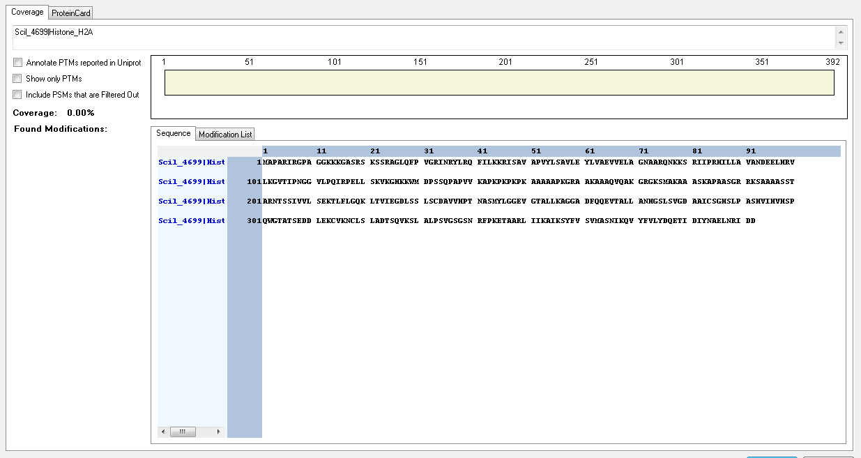
Scil_106939|Histone_H2A | [R].GKGGKSKAKAKSR.[S] | [5-17] | K | 5 | 9 | Acetyl | 100
Scil_106939|Histone_H2A | [R].GKGGKSKAKAKSR.[S] | [5-17] | K | 5 | 9 | Crotonyl | 95.32
Scil_106939|Histone_H2A | [K].GGKSKAKAKSR.[S] | [7-17] | K | 7 | 13 | Acetyl | 100
Scil_106939|Histone_H2A | [R].LLSHVTIAQGGVLPNIQAVLLPKKTAVKAAKGK.[S] | [96-128] | K | 23 | 118 | Acetyl | 91.15
Scil_106939|Histone_H2A | [R].LLSHVTIAQGGVLPNIQAVLLPKKTAVKAAK.[G] | [96-126] | K | 23 | 118 | Crotonyl | 80.22
Scil_106939|Histone_H2A | [R].LLSHVTIAQGGVLPNIQAVLLPKKTAVKAAK.[G] | [96-126] | K | 23 | 118 | Methyl | 90.25
Scil_106939|Histone_H2A | [R].LLSHVTIAQGGVLPNIQAVLLPKKTAVKAAKGK.[S] | [96-128] | K | 24 | 119 | Acetyl | 91.15
Scil_106939|Histone_H2A | [R].LLSHVTIAQGGVLPNIQAVLLPKKTAVKAAK.[G] | [96-126] | K | 24 | 119 | Methyl | 90.25
Scil_106939|Histone_H2A | [R].LLSHVTIAQGGVLPNIQAVLLPKKTAVKAAK.[G] | [96-126] | T | 25 | 120 | Phospho | 100
Scil_106939|Histone_H2A | [R].LLSHVTIAQGGVLPNIQAVLLPKKTAVKAAKGK.[S] | [96-128] | K | 28 | 123 | Acetyl | 91.15
Scil_106939|Histone_H2A | [R].LLSHVTIAQGGVLPNIQAVLLPKKTAVKAAK.[G] | [96-126] | K | 28 | 123 | Methyl | 98.76
Scil_106939|Histone_H2A | [R].LLSHVTIAQGGVLPNIQAVLLPKKTAVKAAK.[G] | [96-126] | K | 28 | 123 | Trimethyl | 86.28
Scil_106939|Histone_H2A | [R].LLSHVTIAQGGVLPNIQAVLLPKKTAVKAAKGKSSQSLEY.[-] | [96-135] | K | 31 | 126 | Acetyl | 65.71
Scil_106939|Histone_H2A | [R].LLSHVTIAQGGVLPNIQAVLLPKKTAVKAAKGK.[S] | [96-128] | K | 31 | 126 | Acetyl | 91.15
Scil_106939|Histone_H2A | [R].LLSHVTIAQGGVLPNIQAVLLPKKTAVKAAK.[G] | [96-126] | K | 31 | 126 | Methyl | 79.57
Scil_106939|Histone_H2A | [R].LLSHVTIAQGGVLPNIQAVLLPKKTAVKAAKGK.[S] | [96-128] | K | 33 | 128 | Methyl | 64.41
Scil_95679|Histone_H2B | [M].PGKVAAKGGKSAVSGKATKK.[A] | [2-21] | K | 3 | 4 | Dimethyl | 99.74
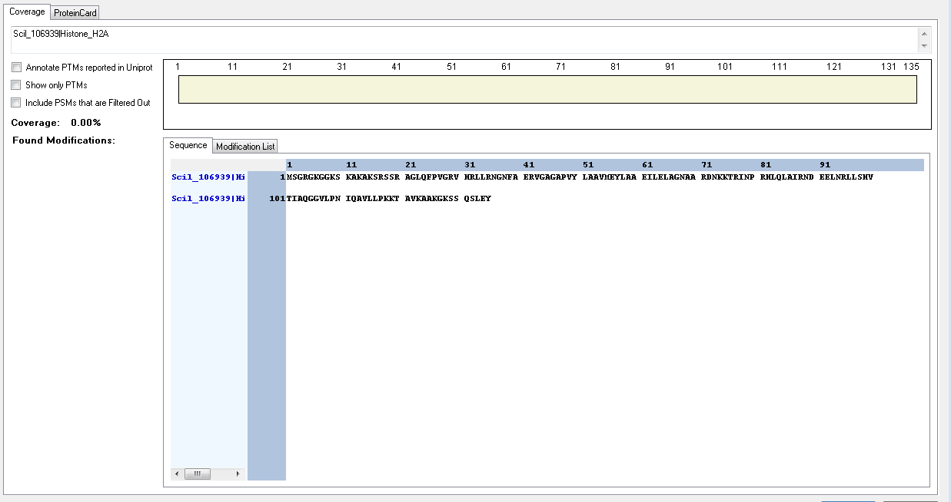
Scil_95679|Histone_H2B | [M].PGKVAAKGGK.[S] | [2-11] | K | 3 | 4 | Methyl | 100
Scil_95679|Histone_H2B | [M].PGKVAAKGGK.[S] | [2-11] | K | 7 | 8 | Acetyl | 100
Scil_95679|Histone_H2B | [K].SAVSGKATKKAVTDGGDKKR.[R] | [12-31] | K | 6 | 17 | Crotonyl | 92.52
Scil_95679|Histone_H2B | [K].ATKKAVTDGGDKKR.[R] | [18-31] | T | 2 | 19 | Phospho | 99.99
Scil_95679|Histone_H2B | [K].SAVSGKATKKAVTDGGDKKR.[R] | [12-31] | K | 9 | 20 | Acetyl | 92.97
Scil_95679|Histone_H2B | [K].ATKKAVTDGGDKKR.[R] | [18-31] | K | 3 | 20 | Crotonyl | 99.62
Scil_95679|Histone_H2B | [K].ATKKAVTDGGDKKR.[R] | [18-31] | K | 3 | 20 | Methyl | 93.45
Scil_95679|Histone_H2B | [K].KAVTDGGDKKR.[R] | [21-31] | K | 1 | 21 | Acetyl | 100
Scil_95679|Histone_H2B | [K].KAVTDGGDKK.[R] | [21-30] | T | 4 | 24 | Phospho | 100
Scil_95679|Histone_H2B | [K].KAVTDGGDKKR.[R] | [21-31] | K | 9 | 29 | Acetyl | 50
Scil_95679|Histone_H2B | [K].ATKKAVTDGGDKKRR.[H] | [18-32] | K | 12 | 29 | Methyl | 100
Scil_95679|Histone_H2B | [K].ATKKAVTDGGDKKR.[R] | [18-31] | K | 13 | 30 | Acetyl | 99.62
Scil_95679|Histone_H2B | [K].KAVTDGGDKK.[R] | [21-30] | K | 10 | 30 | Dimethyl | 92.65
Scil_95679|Histone_H2B | [K].ATKKAVTDGGDKKRR.[H] | [18-32] | K | 13 | 30 | Methyl | 100
Scil_95679|Histone_H2B | [R].LAHYNKKSTITSR.[E] | [83-95] | K | 6 | 88 | Acetyl | 100
Scil_95679|Histone_H2B | [R].LAHYNKKSTITSR.[E] | [83-95] | K | 6 | 88 | Methyl | 50
Scil_95679|Histone_H2B | [R].LAHYNKKSTITSR.[E] | [83-95] | K | 6 | 88 | Trimethyl | 50
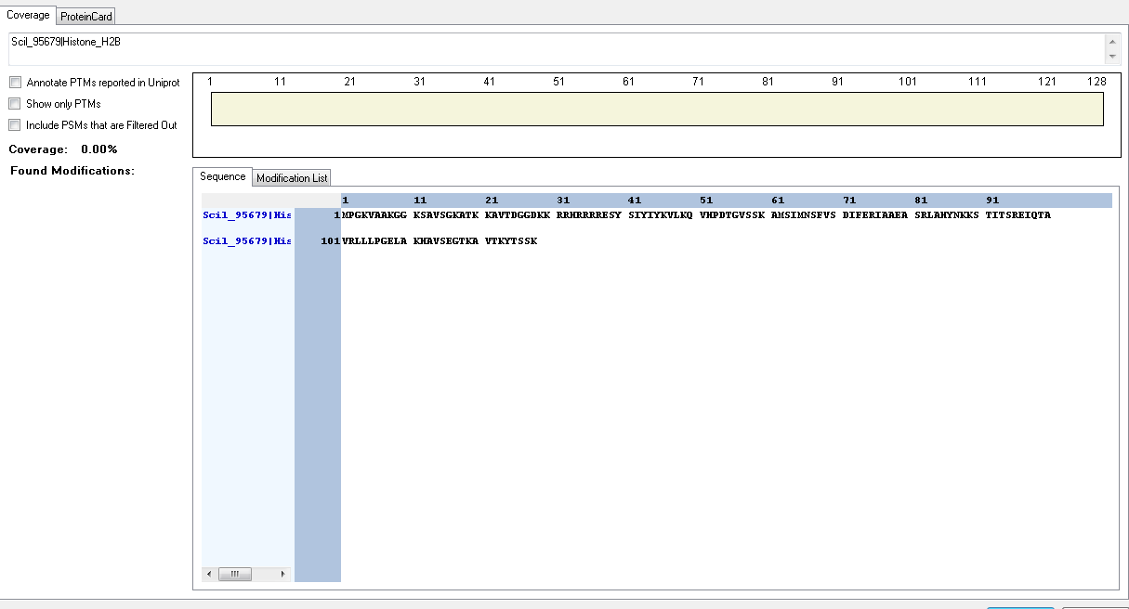
Scil_95679|Histone_H2B | [R].LAHYNKKSTITSR.[E] | [83-95] | K | 7 | 89 | Acetyl | 100
Scil_95679|Histone_H2B | [K].KSTITSREIQTAVR.[L] | [89-102] | K | 1 | 89 | Crotonyl | 100
Scil_95679|Histone_H2B | [R].LAHYNKKSTITSR.[E] | [83-95] | K | 7 | 89 | Methyl | 50
Scil_95679|Histone_H2B | [R].LAHYNKKSTITSR.[E] | [83-95] | K | 7 | 89 | Trimethyl | 50
Scil_108755|Histone_H2A | [R].GKGGKAR.[S] | [5-11] | K | 2 | 6 | Acetyl | 100
Scil_108755|Histone_H2A | [R].SKSKSR.[S] | [12-17] | K | 4 | 15 | Methyl | 95.06
Scil_108755|Histone_H2A | [R].GKGGKAR.[S] | [5-11] | K | 5 | 16 | Acetyl | 100
Scil_108755|Histone_H2A | [R].LLSHVTIAQGGVLPNIQAVLLPKKTGQASKKA.[-] | [96-127] | K | 23 | 118 | Methyl | 99.54
Scil_108755|Histone_H2A | [R].LLSHVTIAQGGVLPNIQAVLLPKKTGQASK.[K] | [96-125] | K | 23 | 118 | Trimethyl | 94.65
Scil_108755|Histone_H2A | [R].LLSHVTIAQGGVLPNIQAVLLPKKTGQASKKA.[-] | [96-127] | K | 24 | 119 | Acetyl | 85.42
Scil_108755|Histone_H2A | [R].LLSHVTIAQGGVLPNIQAVLLPKKTGQASKKA.[-] | [96-127] | K | 24 | 119 | Dimethyl | 77.8
Scil_108755|Histone_H2A | [R].LLSHVTIAQGGVLPNIQAVLLPKKTGQASKKA.[-] | [96-127] | K | 24 | 119 | Methyl | 99.54
Scil_108755|Histone_H2A | [R].LLSHVTIAQGGVLPNIQAVLLPKKTGQASK.[K] | [96-125] | K | 24 | 119 | Trimethyl | 99.04
Scil_108755|Histone_H2A | [R].LLSHVTIAQGGVLPNIQAVLLPKKTGQASKKA.[-] | [96-127] | T | 25 | 120 | Phospho | 100
Scil_108755|Histone_H2A | [R].LLSHVTIAQGGVLPNIQAVLLPKKTGQASKKA.[-] | [96-127] | S | 29 | 124 | Phospho | 100
Scil_108755|Histone_H2A | [R].LLSHVTIAQGGVLPNIQAVLLPKKTGQASKKA.[-] | [96-127] | K | 30 | 125 | Acetyl | 96.73
Scil_108755|Histone_H2A | [R].LLSHVTIAQGGVLPNIQAVLLPKKTGQASK.[K] | [96-125] | K | 30 | 125 | Crotonyl | 93.69
Scil_108755|Histone_H2A | [R].LLSHVTIAQGGVLPNIQAVLLPKKTGQASKKA.[-] | [96-127] | K | 30 | 125 | Methyl | 98.6
Scil_108755|Histone_H2A | [R].LLSHVTIAQGGVLPNIQAVLLPKKTGQASKKA.[-] | [96-127] | K | 30 | 125 | Trimethyl | 84.65
Scil_108755|Histone_H2A | [R].LLSHVTIAQGGVLPNIQAVLLPKKTGQASKKA.[-] | [96-127] | K | 31 | 126 | Acetyl | 85.42
Scil_108755|Histone_H2A | [R].LLSHVTIAQGGVLPNIQAVLLPKKTGQASKKA.[-] | [96-127] | K | 31 | 126 | Crotonyl | 81.16
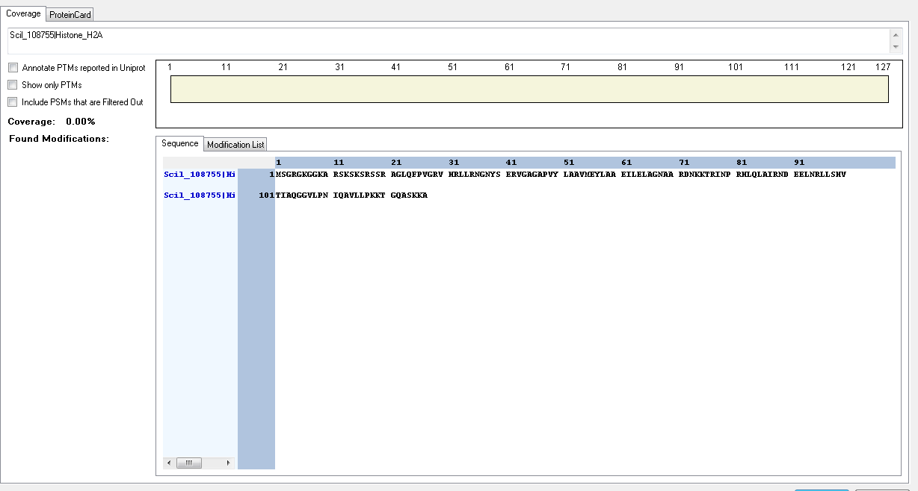
Scil_108755|Histone_H2A | [R].LLSHVTIAQGGVLPNIQAVLLPKKTGQASKKA.[-] | [96-127] | K | 31 | 126 | Dimethyl | 84.58
Scil_108755|Histone_H2A | [R].LLSHVTIAQGGVLPNIQAVLLPKKTGQASKKA.[-] | [96-127] | K | 31 | 126 | Methyl | 94.94
Scil_89025|Histone_H2A | [R].LLSHVTIAQGGVLPNIQAVLLPKKTGQSKKA.[-] | [76-106] | K | 23 | 98 | Crotonyl | 99.98
Scil_89025|Histone_H2A | [R].LLSHVTIAQGGVLPNIQAVLLPKKTGQSKK.[A] | [76-105] | K | 23 | 98 | Methyl | 85.9
Scil_89025|Histone_H2A | [R].LLSHVTIAQGGVLPNIQAVLLPKKTGQSKKA.[-] | [76-106] | K | 23 | 98 | Trimethyl | 90.08
Scil_89025|Histone_H2A | [R].LLSHVTIAQGGVLPNIQAVLLPKKTGQSKKA.[-] | [76-106] | K | 24 | 99 | Crotonyl | 99.98
Scil_89025|Histone_H2A | [R].LLSHVTIAQGGVLPNIQAVLLPKKTGQSKKA.[-] | [76-106] | K | 24 | 99 | Trimethyl | 90.08
Scil_89025|Histone_H2A | [R].LLSHVTIAQGGVLPNIQAVLLPKKTGQSKK.[A] | [76-105] | T | 25 | 100 | Phospho | 99.41
Scil_89025|Histone_H2A | [R].LLSHVTIAQGGVLPNIQAVLLPKKTGQSKKA.[-] | [76-106] | S | 28 | 103 | Phospho | 99.96
Scil_89025|Histone_H2A | [R].LLSHVTIAQGGVLPNIQAVLLPKKTGQSKKA.[-] | [76-106] | K | 29 | 104 | Crotonyl | 50
Scil_89025|Histone_H2A | [R].LLSHVTIAQGGVLPNIQAVLLPKKTGQSKKA.[-] | [76-106] | K | 29 | 104 | Dimethyl | 78.52
Scil_89025|Histone_H2A | [R].LLSHVTIAQGGVLPNIQAVLLPKKTGQSKKA.[-] | [76-106] | K | 29 | 104 | Methyl | 92.72
Scil_89025|Histone_H2A | [R].LLSHVTIAQGGVLPNIQAVLLPKKTGQSKKA.[-] | [76-106] | K | 29 | 104 | Trimethyl | 70.46
Scil_109697|Histone_H2A | [K].KTRIVPR.[H] | [87-93] | K | 1 | 87 | Acetyl | 100
Scil_109005|Histone_H2B | [R].KTGSAKNTPAAKGAKGGR.[R] | [21-38] | S | 4 | 24 | Phospho | 99.5
Scil_110045|Histone_H2B | IDENTIFIED BUT NO MODIFICATIONS FOUND

