Sheet1
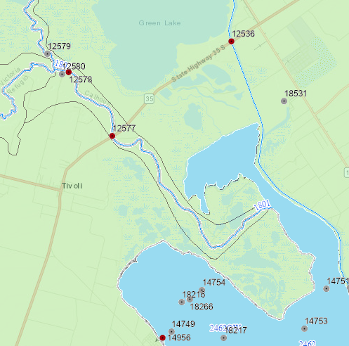
Sierra Downloaded this data from https://www80.tceq.texas.gov/SwqmisPublic/index.htm
These are TCEQ SWQMIS data sites 12577, 12578, 12536

