Cover
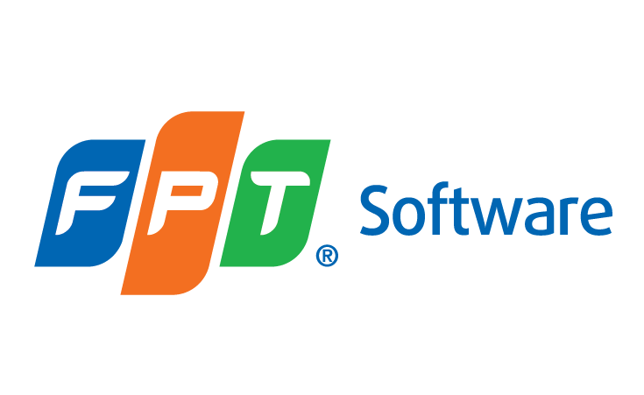

FRESHER JAVA

TRAINING MOCK SYLLABUS

 | Document Code | 26e-BM/HR/HDCV/FSOFT
 | Version | 1.2
 | Effective Date | 24/03/2022

