1_System overview
Device Unter Test
Automated Penetration Test Framework

Full vehicle assessment
APTF Tool Module
APTF Management Module

GUI
APTF Measurement Module

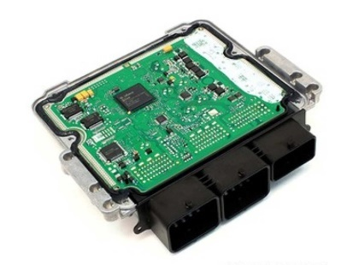
ECU/Component assessment
APTF Analysis Module
CLI

APTF Reporting Module

Nessessary backend systems
for setting up testing environment

2_Requirements
ReqID: ID for requirement tracing
Category: group of requirements
Requirement: clear describtion of requirements
Trace to UC: use case IDs
Priority: high, media, low
Work split: PTE, ITS, SECINTO
shall - This denotes a mandatory requirement.
should - This denotes a recommendation or advice is expected to be followed unless good reasons are stated for not doing so.
may - This denotes a permissible practice or action.
ReqID | Category | Requirement | Trace to UC | Priority | Work split
 | Tool | APTF shall support different tools in OS platforms (e.g. Linux, Windows).
 | Tool | APTF shall be able to perform vulnerability test.
 | Tool | APTF shall be able to perform fuzzing test.
 | Tool | APTF shall include tools that are able to craft and send packet/message/frame to DUT.
 | Tool | APTF may include reverse engineering tools.
 | Tool | APTF should be controlled by a command&control center
 | Tool | APTF should use a microservice architecture for starting and performing multiple tests in parallel without performance issues
 | Tool | APTF should be distributable using container and container management systems (e.g. Docker, Kubernetes,…)
 | Tool | APTF testing tools should be implemented as services inside containers
 | Test measurement | APTF should include a measurment module to capture, measure, and monitor data generated during testing.
 | Test management | A user shall be able to choose a testcase template for available test concepts.
 | Test management | A user shall be able to run the configured testcase automatically.
 | Test management | APTF fontend shall provide different views according to user roles (e.g. admin, security expert, test) and functions (e.g. configuration view, test view, report view).
 | Test management | APTF may use Web browser as the frontend.
 | Test management | A user should be able to define test scenarios and sequences.
 | Test management | APTF shall log the status of DUT during tests.
 | Test management | APTF should include a version control system (e.g. Git, SVN) for storing and distributing test data and files.
 | Test management | APTF may integrated a bug tracking system (e.g. Jira) for testing project management.
 | Interface | APTF should simulate celluar (LTE, GSM) based attacks.
 | Interface | APTF should simulate WiFI based attacks.
 | Interface | APTF should simulate Bluetooch based attacks.
 | Interface | APTF should simulate USB based attacks.
 | Interface | APTF should simulate OBDII port based attacks.
 | Interface | APTF should simulate network based (CAN, Ethernet, MOST) attacks
 | Interface | APTF should simulate V2X based attack.
 | Interface | APTF should simulate TPMS attack.
 | General | The system architecture of APTF shall be modular.
 | General | APTF shall be able to run any open source and commerical penetration testing software or frameworks.
 | General | APTF shall have a GUI frontend.
 | General | APTF shall enable security experts to add, remove, and modify new test concepts dynamcically.
 | General | APTF should use the client server architecture.
 | General | Tests by APTF should be executed under simulated real world conditions.
 | General | APTF shall be applicable to test full vehicle as well as ECU/automotive component.
 | General | APTF should be able to test infotaiment/IVI systems.
 | General | APTF should be able to test Linux machine.
 | General | APTF should be a distributed tool
 | Documentation | APTF should generate test report in PDF or other file formats.
 | Documentation | APTF may include a user manual.

