Sim TC output
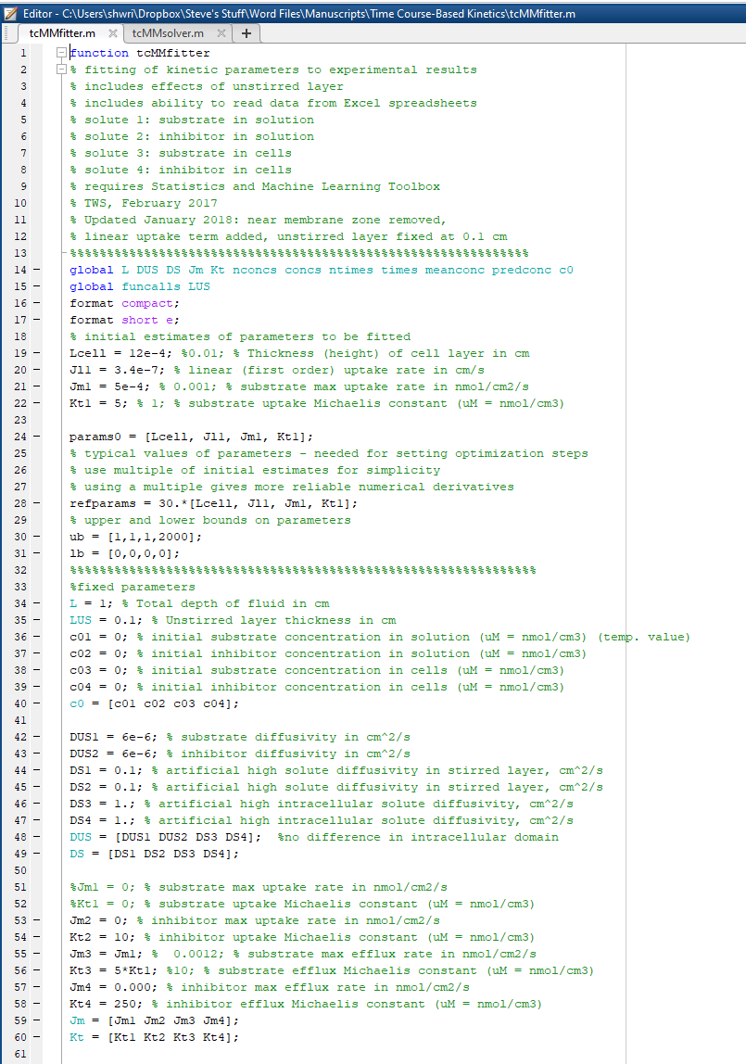
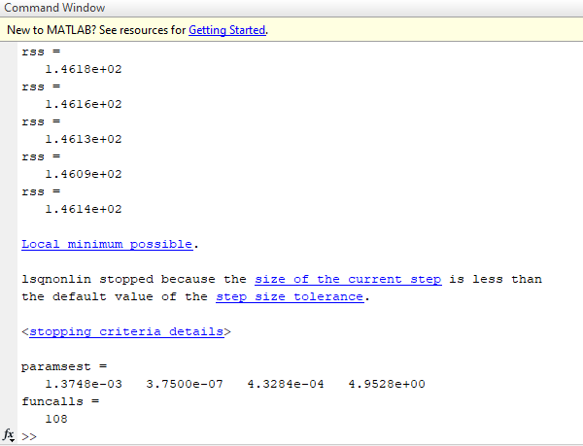
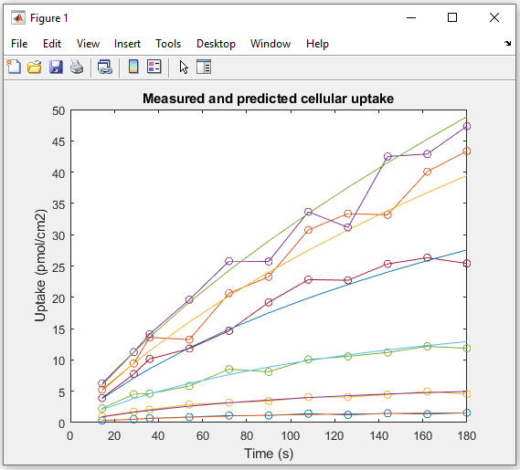

paramsest =
1.3748e-03 3.7500e-07 4.3284e-04 4.9528e+00

cpf = | 1.37E-03 | 13.75 | (um cell ht)
KD = | 3.75E-07 | 0.023 | ul/(cm2-min)
Jmax = | 4.33E-04 | 25.97 | pmol/(cm2-min)
Kt = | 4.95E+00 | 4.95 | uM

Ext TC output
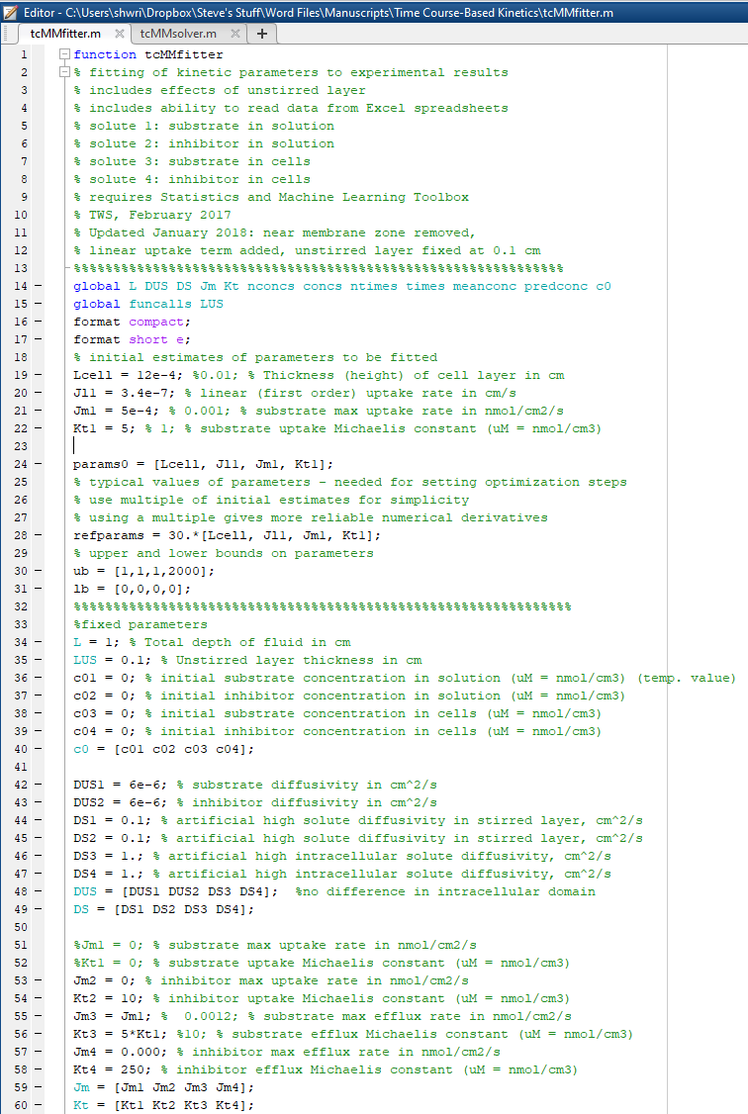
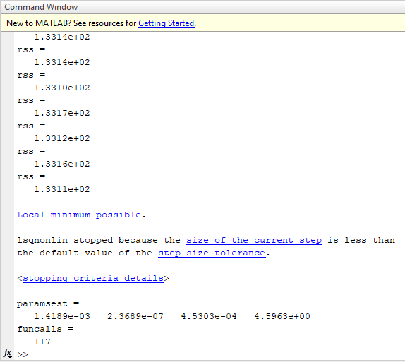
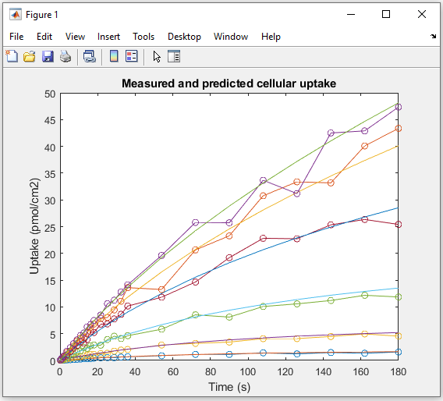

paramsest =
1.4189e-03 2.3689e-07 4.5303e-04 4.5963e+00

cpf = | 1.42E-03 | 14.19 | (um cell ht)
KD = | 2.37E-07 | 0.014 | ul/(cm2-min)
Jmax = | 4.53E-04 | 27.18 | pmol/(cm2-min)
Kt = | 4.60E+00 | 4.60 | uM

simple calc TC output (ini est)
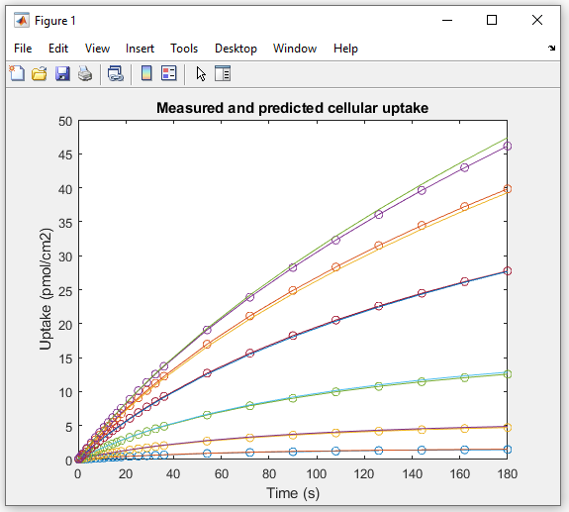
Time Course Kinetics
Simulation |  |  |  | CPF | Kd | Jmax | Kt
 |  |  | input | 12 | 0.00 | 30.0000 | 5.0000
[Substrate]
Time (sec) | 0.3 | 1 |  | 3 |  | 10 |  | 30 | 100

0.18 | 0.00503 | 0.01483 |  | 0.03345 |  | 0.05963 |  | 0.07673 | 0.08527
0.36 | 0.00998 | 0.02947 |  | 0.06661 |  | 0.11891 |  | 0.1531 | 0.17016
0.9 | 0.02459 | 0.07276 |  | 0.16499 |  | 0.29544 |  | 0.38076 | 0.42327
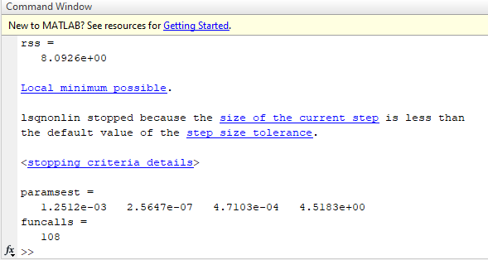
1.8 | 0.04831 | 0.14325 |  | 0.326 |  | 0.58574 |  | 0.75575 | 0.84031
3.6 | 0.09382 | 0.27911 |  | 0.63837 |  | 1.15273 |  | 1.49001 | 1.6572
5.4 | 0.13721 | 0.40912 |  | 0.93944 |  | 1.70314 |  | 2.20443 | 2.45263
7.2 | 0.17875 | 0.53403 |  | 1.23024 |  | 2.23807 |  | 2.90048 | 3.22803
9 | 0.2186 | 0.65427 |  | 1.51162 |  | 2.75854 |  | 3.58022 | 3.98482
10.8 | 0.25694 | 0.77018 |  | 1.78429 |  | 3.26547 |  | 4.24327 | 4.72438
12.6 | 0.29389 | 0.88206 |  | 2.04893 |  | 3.76035 |  | 4.89179 | 5.44748
14.4 | 0.32947 | 0.99017 |  | 2.3056 |  | 4.24304 |  | 5.52543 | 6.15556
16.2 | 0.36381 | 1.0949 |  | 2.55502 |  | 4.7142 |  | 6.14612 | 6.84927
18 | 0.39696 | 1.19618 |  | 2.79731 |  | 5.17485 |  | 6.75362 | 7.52943
21.6 | 0.45993 | 1.38932 |  | 3.26235 |  | 6.06524 |  | 7.93322 | 8.85232
25.2 | 0.51893 | 1.57076 |  | 3.70302 |  | 6.91815 |  | 9.06856 | 10.1292
28.8 | 0.57417 | 1.74156 |  | 4.12149 |  | 7.73664 |  | 10.1647 | 11.3642
32.4 | 0.62609 | 1.90254 |  | 4.51964 |  | 8.52351 |  | 11.22416 | 12.55983
36 | 0.67483 | 2.05454 |  | 4.89914 |  | 9.28186 |  | 12.25129 | 13.72086
54 | 0.87923 | 2.7021 |  | 6.55948 |  | 12.70808 |  | 16.96947 | 19.09019
72 | 1.03349 | 3.20401 |  | 7.90631 |  | 15.65321 |  | 21.1367 | 23.89246
90 | 1.1523 | 3.5998 |  | 9.02229 |  | 18.23244 |  | 24.89245 | 28.26349
108 | 1.24488 | 3.91754 |  | 9.96185 |  | 20.5275 |  | 28.32743 | 32.29908
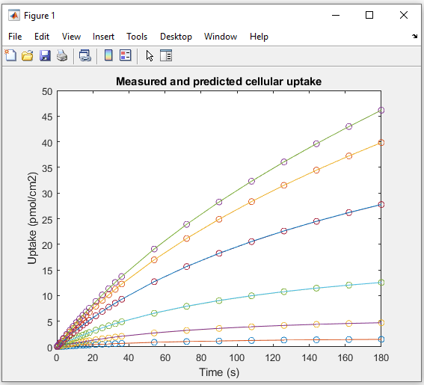
126 | 1.31812 | 4.17581 |  | 10.76162 |  | 22.59334 |  | 31.50274 | 36.06642
144 | 1.37687 | 4.3875 |  | 11.4468 |  | 24.46907 |  | 34.4588 | 39.61112
162 | 1.42444 | 4.56222 |  | 12.03907 |  | 26.18221 |  | 37.22698 | 42.96419
180 | 1.4633 | 4.70782 |  | 12.55437 |  | 27.75478 |  | 39.8347 | 46.15023

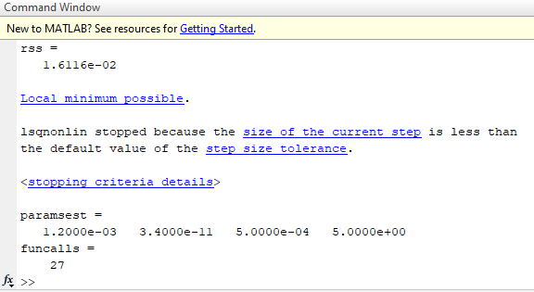

The values used for initial estimates often result in different output values. Usually the differences are modest. Here we show the influence of the initial values for Jl1 (Kd). The simple time course here was generated using tcMMsolver and the input values shown in the red box. Note that a Kd value of 0 was used, i.e., no first order component. tcMMfitter will not accept an initial estimate of 0, but a value of 3.4e-11 is sufficiently close to zero to permit solver to return parameter estimates effectively equal to those used to generate the time course. However, if the normal input value for Jl1 is used (3.4e-7, or 0.02 ul cm⁻² min⁻¹), the calculated parameters differ slightly from the input values.

single TC - tcMMsolver
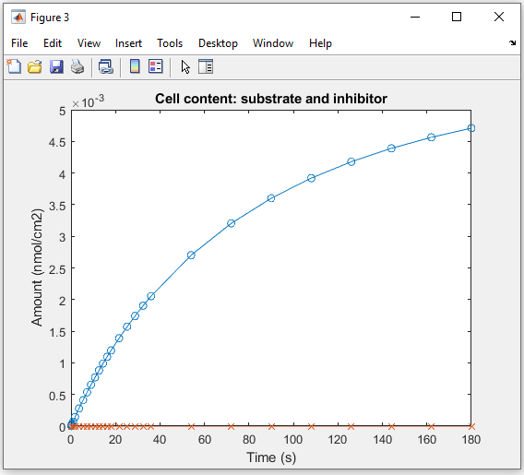
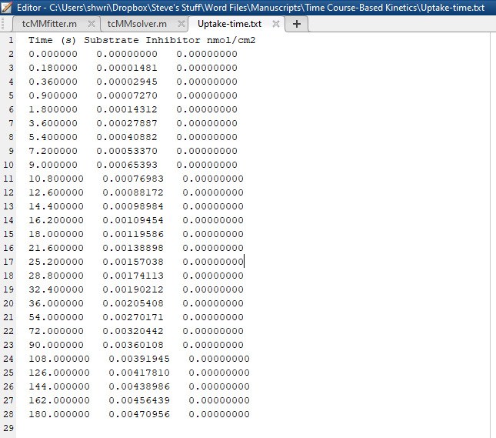
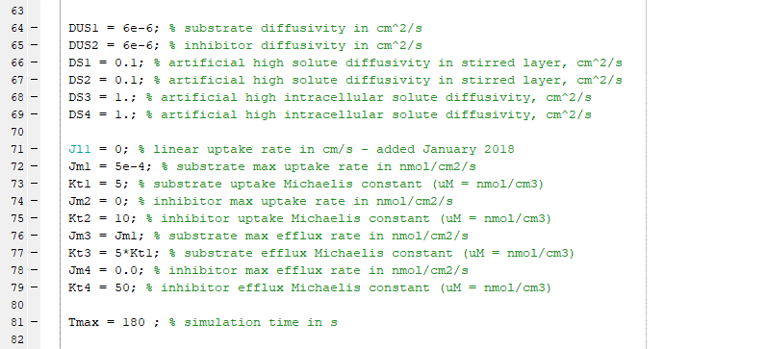
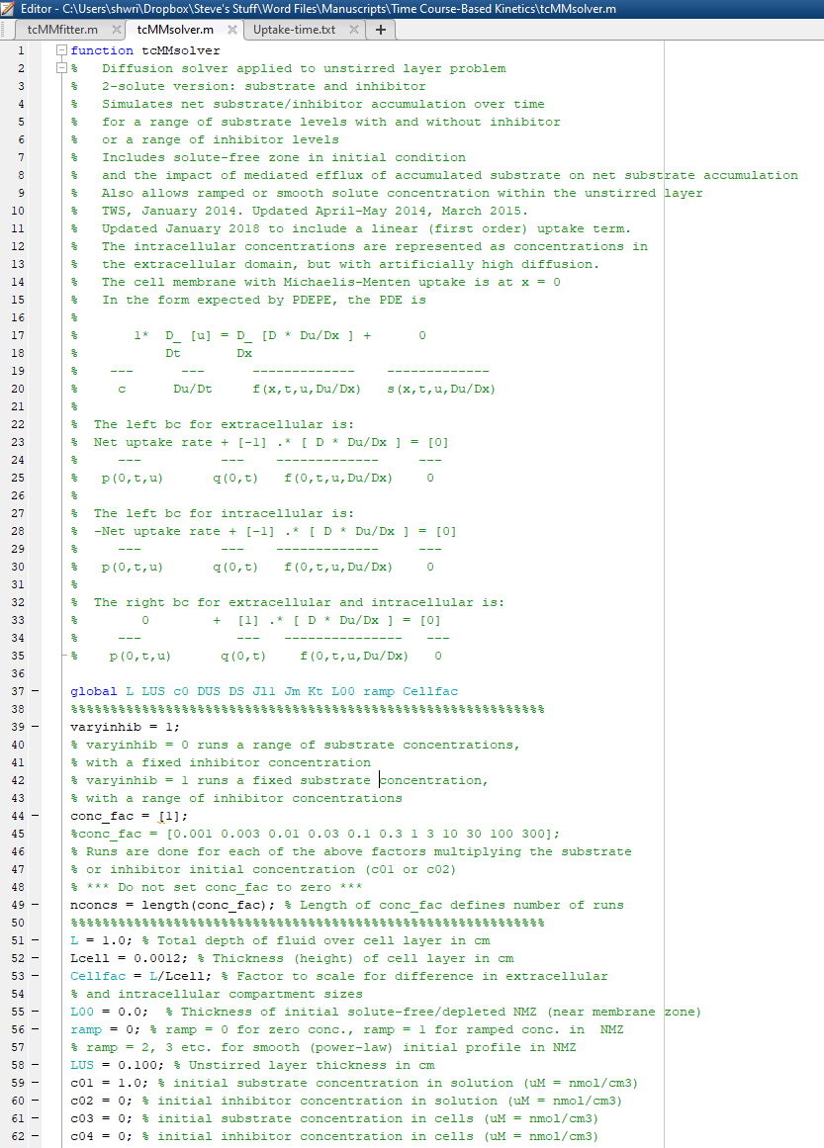
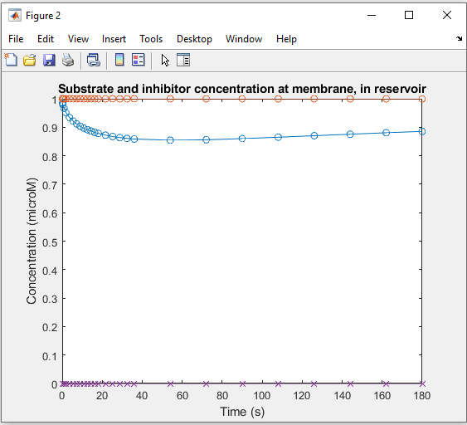

[S] = 1 uM

