Sheet1
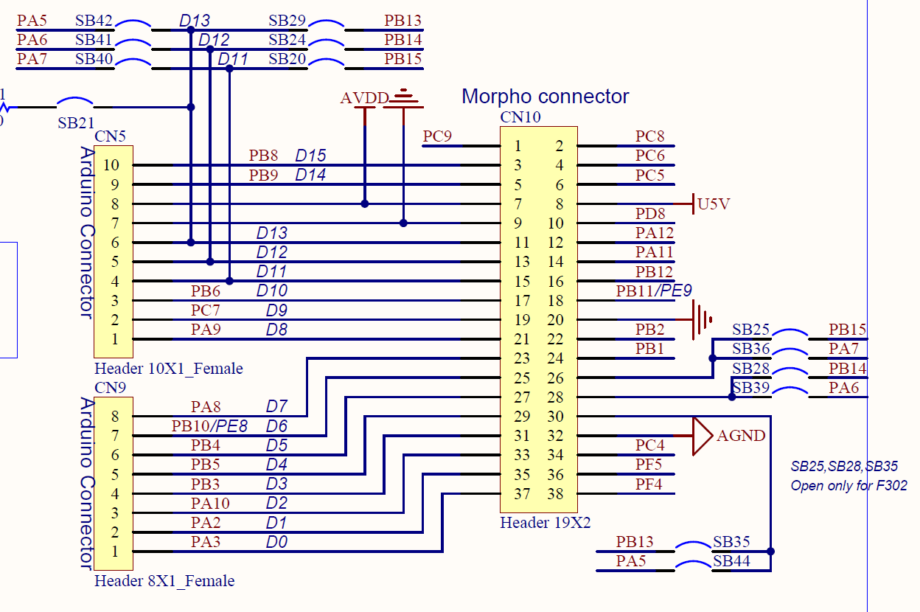
MCU Pin | 구분 | Function(기능) | Reserved
PA0 | Shield | ADC-Switch | MCU | 7
PA1 | USER | USER_1 | Nucleo | 4
PA2 | Nucleo | USART2_TX | Shield | 8
PA3 | Nucleo | USART2_RX | Extension | 23
PA4 | USER | USER_2 | USER | 9
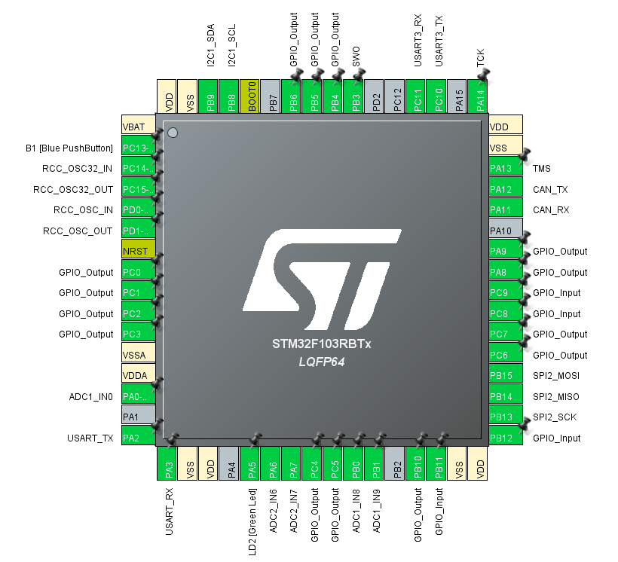
PA5 | Nucleo | Nucleo LED
PA6 | Extension | ADC_1
PA7 | Extension | ADC_2
PA8 | Shield | CLCD_DATA
PA9 | Shield | CLCD_EN
PA10 | USER | USER_3
PA11 | Extension | CAN_TX
PA12 | Extension | CAN_RX
PA13 | MCU | DEBUG
PA14 | MCU | DEBUG
PA15 | USER | USER_4
PB0 | Extension | ADC_8
PB1 | Extension | ADC_9
PB2 | USER | USER_5
PB3 | MCU | DEBUG
PB4 | Shield | CLCD_DATA
PB5 | Shield | CLCD_DATA
PB6 | Shield | CLCD_BL
PB7 | USER | USER_6
PB8 | Extension | I2C_SCL
PB9 | Extension | I2C_SDA
PB10 | Shield | CLCD_DATA
PB11 | Extension | Switch_3
PB12 | Extension | Switch_4
PB13 | Extension | SPI2_SCK
PB14 | Extension | SPI2_MISO
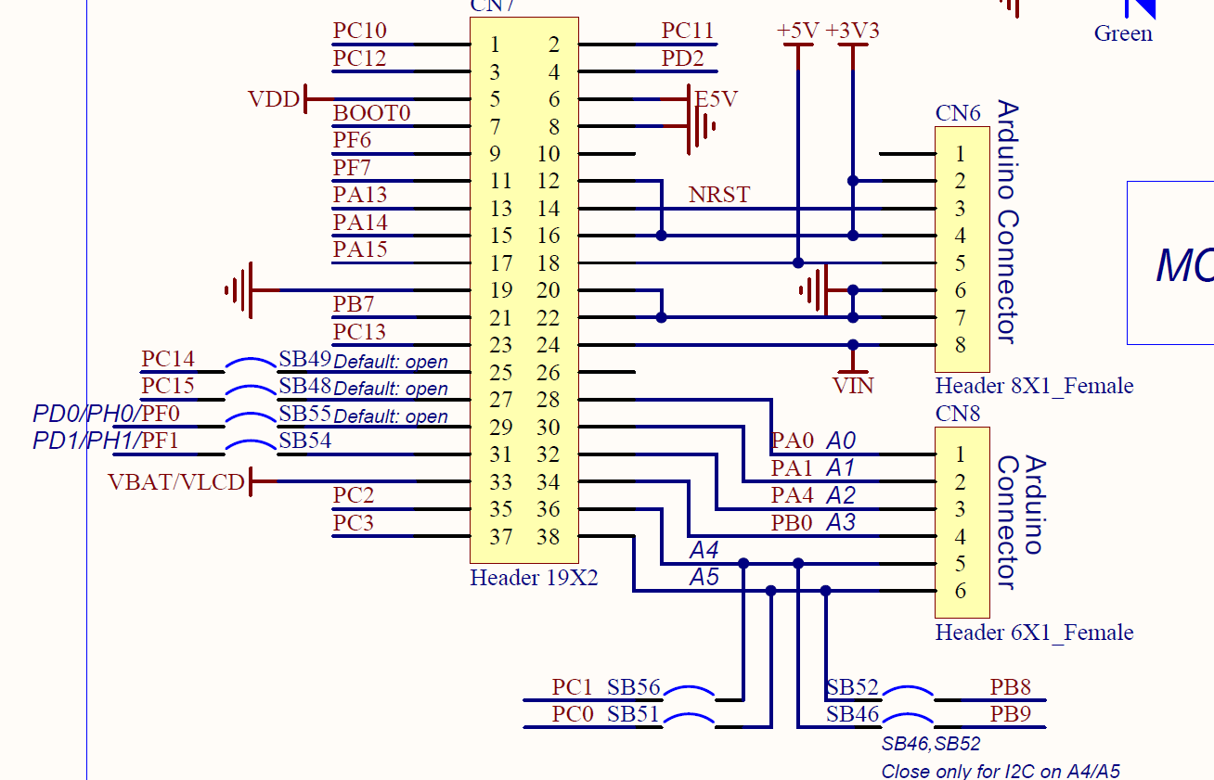
PB15 | Extension | SPI2_MOSI
PC0 | Extension | LED_1
PC1 | Extension | LED_2
PC2 | Extension | LED_3
PC3 | Extension | LED_4
PC4 | Extension | LED_5
PC5 | Extension | LED_6
PC6 | USER | USER_7
PC7 | Shield | CLCD_RS
PC8 | Extension | Switch_1
PC9 | Extension | Switch_2
PC10 | Extension | UART3_TX
PC11 | Extension | UART3_RX
PC12 | USER | USER_8
PC13 | Nucleo | BTN
PC14 | MCU | LSE
PC15 | MCU | LSE
PD0 | MCU | HSE
PD1 | MCU | HSE
PD2 | USER | USER_9

