Sheet1
[생애 첫 FreeRTOS 포팅 & LED Blinking]

-Target board : STM32F429I DISCOVERY Board
-STM32CubeMX 5.2.0
-Atollic TruesSTUDIO 9.0.1
-Timer6 --> FreeRTOS에 할당^^

1.Task02 - LED3(PG13)

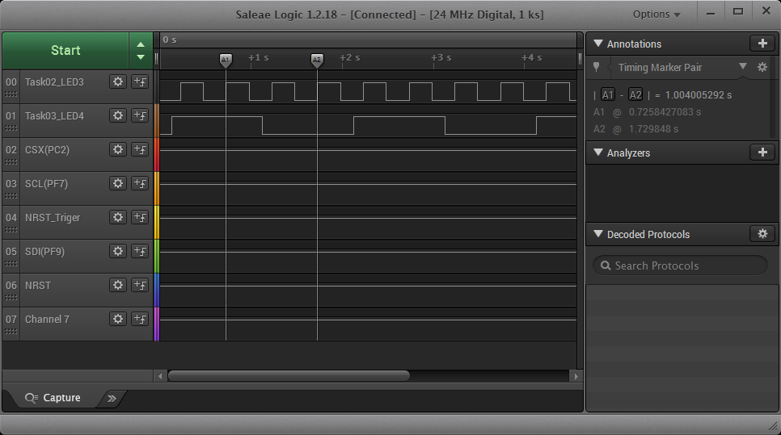

2.1.Task03 - LED4(PG14)
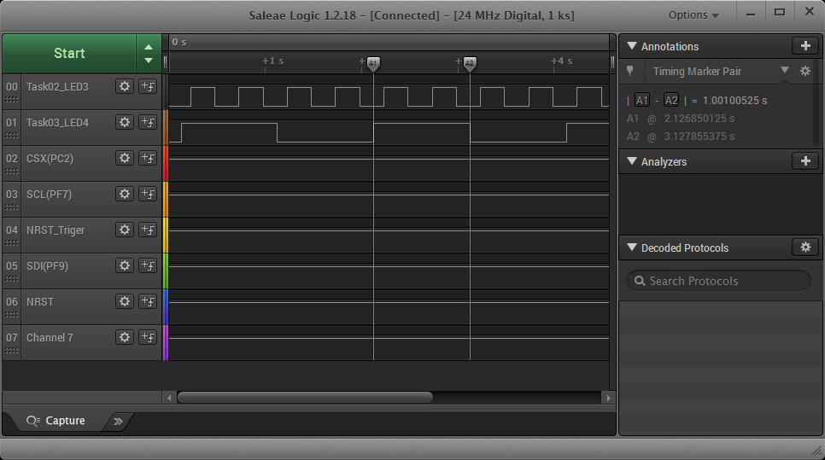

3.Tera Term Capture화면

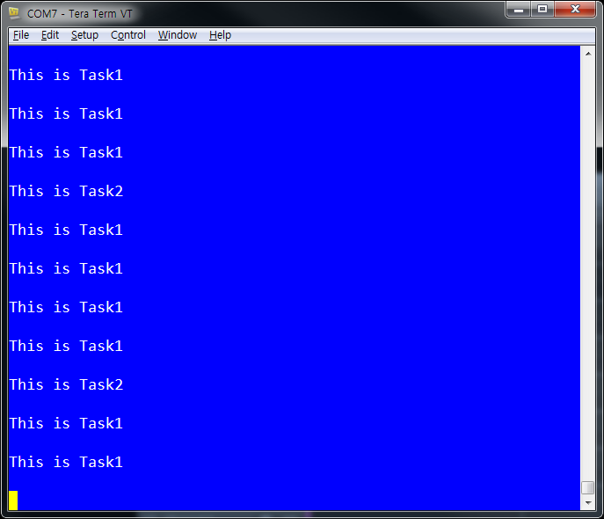

reference link :
 | https://blog.emtrion.de/en/details/how-to-add-a-blinky-led-task-with-freertos-on-the-emsbc-neon-stm32f469.html

