Carrier-Sector_Relations-Sec
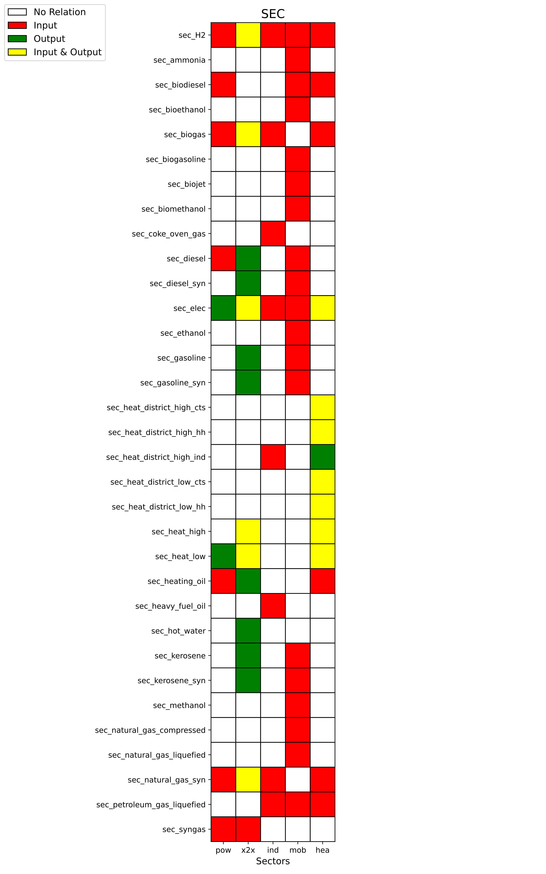
Status
exisiting interface
unresolved
unresolved
unresolved
exisiting interface
unresolved
unresolved
unresolved
not updated correctly
exisiting interface
exisiting interface
exisiting interface
unresolved
exisiting interface
exisiting interface
exisiting interface
exisiting interface
exisiting interface
exisiting interface
exisiting interface
exisiting interface
exisiting interface
exisiting interface
unresolved
exisiting interface
exisiting interface
exisiting interface
unresolved
unresolved
unresolved
exisiting interface
unresolved
unresolved

