Sheet1
GetItDone: A Test Case
Name: Christian Javidil A. Sy
S.No | Action | Inputs | Expected Output | Actual Output | Test Results | Comment
1 | Login | Username & Password | If user inputs and valid username and password, redirects user to the home tab. | 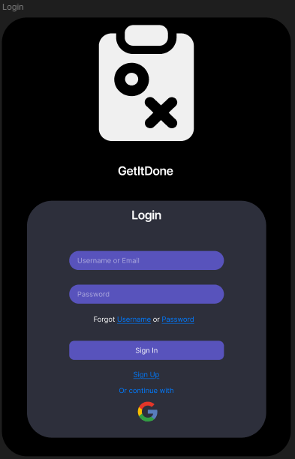
2 | Register | Username, Password & Mobile Number | After user inputs their valid user, password, and number, and presses signup, redirects user to the home tab. | 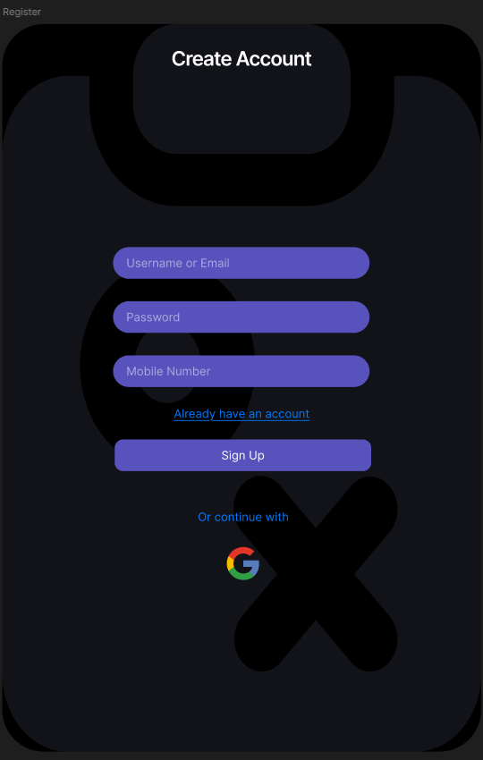
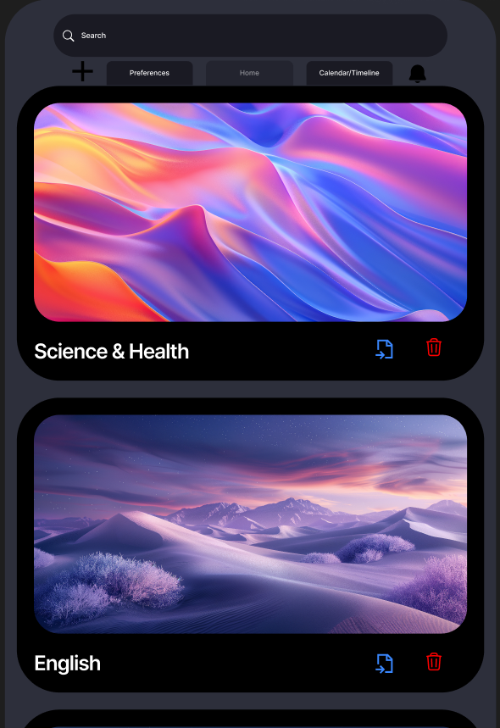
3 | Home tab | Add task | When user presses the "+" sign or add button, a new card will be created.
3.1 | Home tab | Import | The Import symbol let's users import their downloaded file inside the card.
3.2 | Home tab | Delete | Removes the existing card
3.3 | Home tab | Notification | Notifies user about their task based on the deadline set in calendar/timeline tab
3.4 | Home tab | Search | Search existing card
4 | Calendar/ Timeline | Set a deadline for the imported file | Bar visualization of the week. From left to right, left as the start and right or end of the bar as the deadline. | 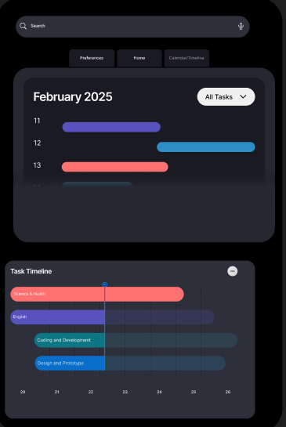
4.1 | Calendar/ Timeline | N/A | Tracks the progress of the task and it's completion.
5 | Preferences | Dark Mode | Changes the UI to dark theme
5.1 | Preferences | Push Notification | Enables notification in the home tab
5.2 | Preferences | Language | 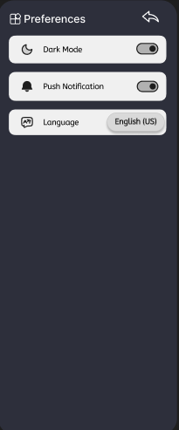 Enables users to change language
6 | Card Subject | N/A | Shows the to-do lists, In progress of task, To be Review, and Done or finished task/review. | 