ST1
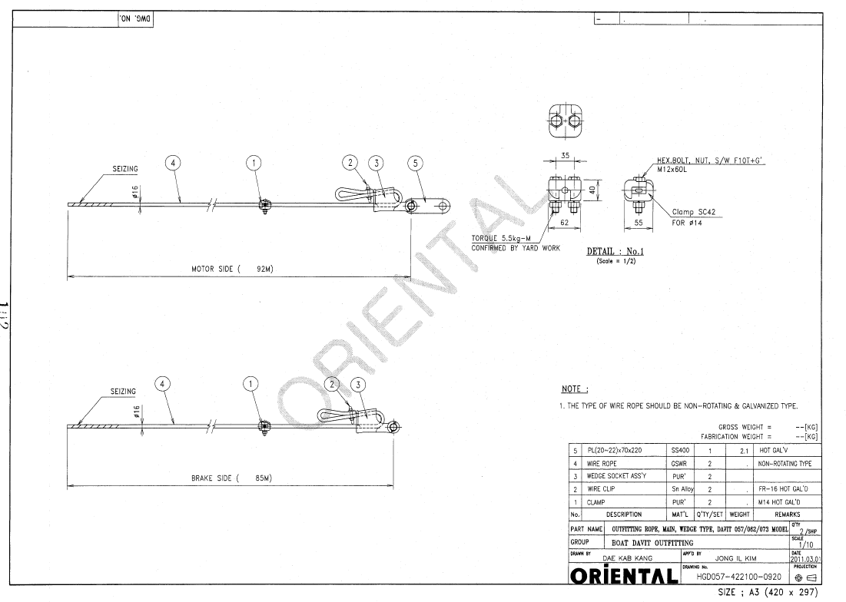
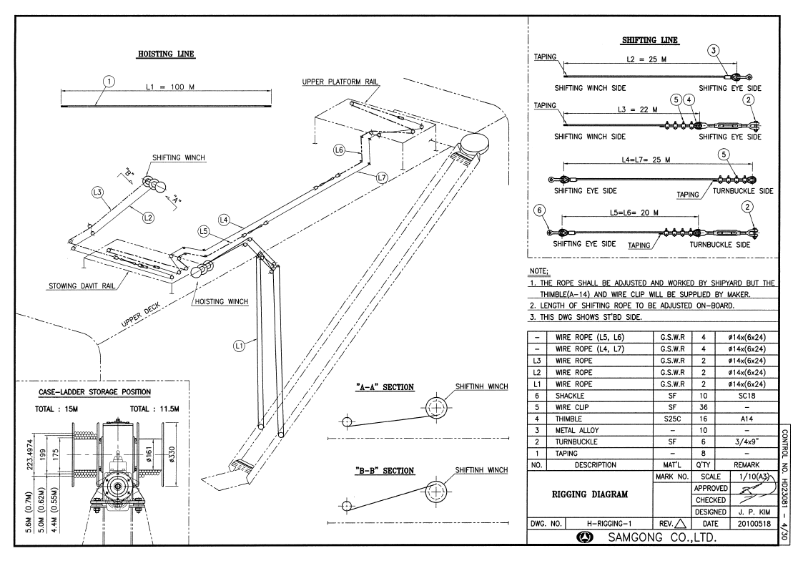
SINOKOR DOCKING STORE REQUISITION FORM |  |  |  |  |  | ← INDEX

OWNER |  | SINOKOR MARITIME | PREPARED BY | OWNER
VESSEL |  | SOUTH AFRICA PROSPERITY | REQ. NO. | ST1
EQUIPMENT |  | ENGINE | SERIAL NO.
MAKER |  |  | TYPE
SUBJECT |  | WIRE

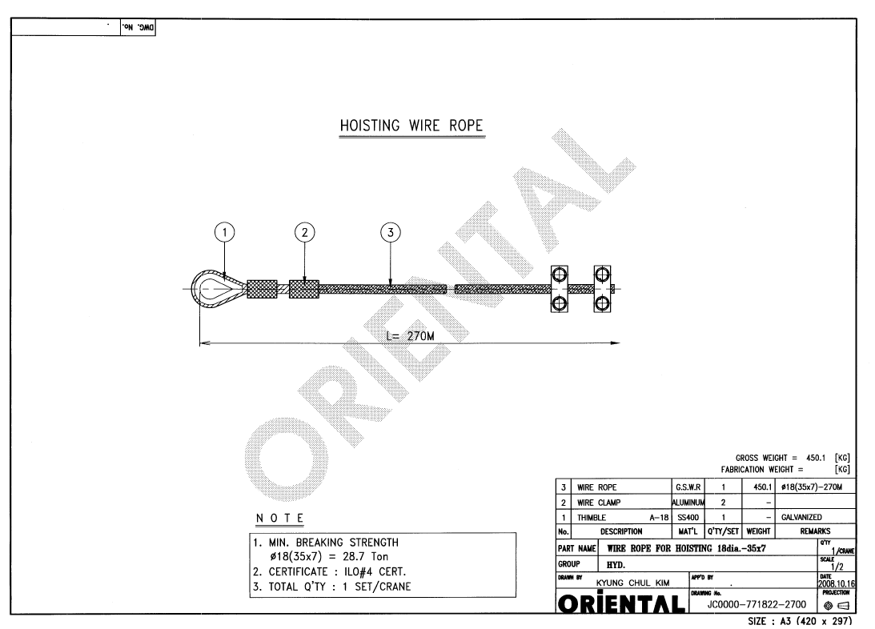
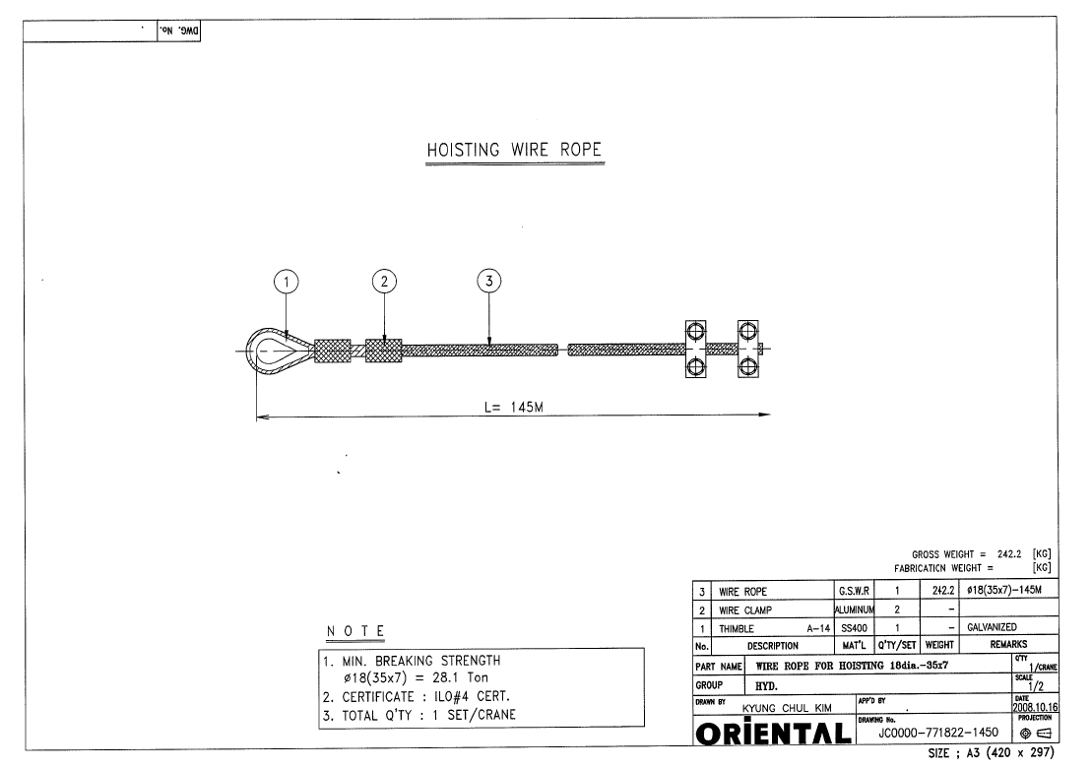
ITEM LIST
No. | Part No. | Description | Unit | Req. Q'ty | Remark
 |  | HOSE HANDLING CRANE
1 |  | WIRE ROPE (⌀18(35×7)-270M = 28.7 TON, G.S.W.R) | SET | 2
 |  | PROVISION CRANE
2 |  | WIRE ROPE (⌀18(35×7)-145M = 28.1 TON, G.S.W.R) | SET | 2
 |  | LIFE BOAT
3 |  | WIRE ROPE (⌀16 Non-Twist Type with galvanized, 92 M) | SET | 2
4 |  | WIRE ROPE (⌀16 Non-Twist Type with galvanized, 85 M) | SET | 2
 |  | ACCOMMODATION LADDER
5 |  | WIRE ROPE (⌀14 (6X24) 100 M) | SET | 2

ST6
SINOKOR DOCKING STORE REQUISITION FORM |  |  |  |  |  | ← INDEX | OFFER RECEIVED FROM RMS 3335,25 USD
 |  |  |  |  |  |  | OFFER RECEIVED FROM ANCHOMARINE 5816,28 USD
OWNER |  | SINOKOR MARITIME | PREPARED BY | MANAGER
VESSEL |  | SOUTH AFRICA PROSPERITY | REQ. NO. | ST6
EQUIPMENT |  |  | SERIAL NO.
MAKER |  |  | TYPE
SUBJECT |  | PUMP MAN STORES CONSUMABLES

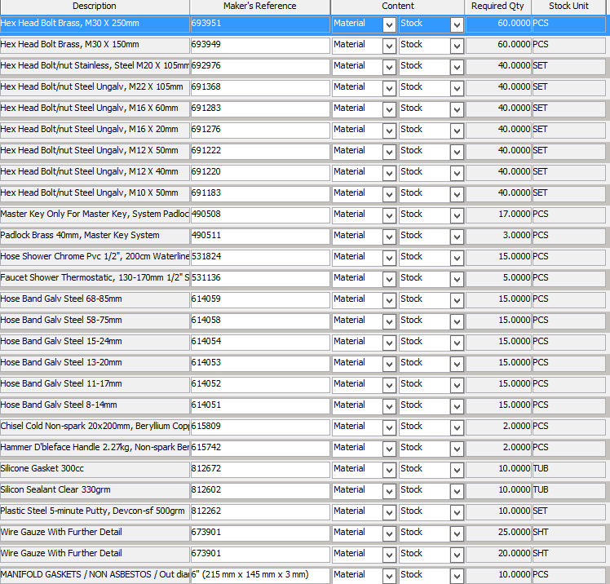
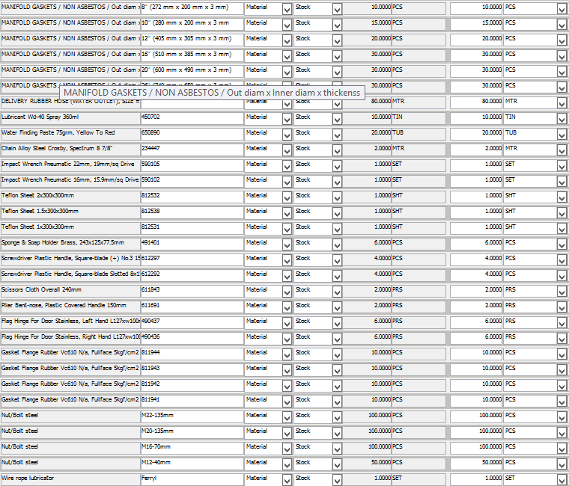
ITEM LIST
No. | Part No. | Description | Unit | Req. Q'ty | Remark
1
2
3
4
5
6
7
8
9
10
11
12
13
14
15
16
17
18
19
20
21
22
23
24
25
26
27
28
29
30

ST7
SINOKOR DOCKING STORE REQUISITION FORM |  |  |  |  |  | ← INDEX
 |  |  |  |  |  |  | OFFER RECEIVED FROM ANCOMARINE GROUP 3979,10 USD
OWNER |  | SINOKOR MARITIME | PREPARED BY | MANAGER |  |  | OFFER RECEIVED FROM RMS 4041,42 USD
VESSEL |  | SOUTH AFRICA PROSPERITY | REQ. NO. | ST7
EQUIPMENT |  |  | SERIAL NO.
MAKER |  |  | TYPE
SUBJECT |  | BOSUN STORES CONSUMABLES

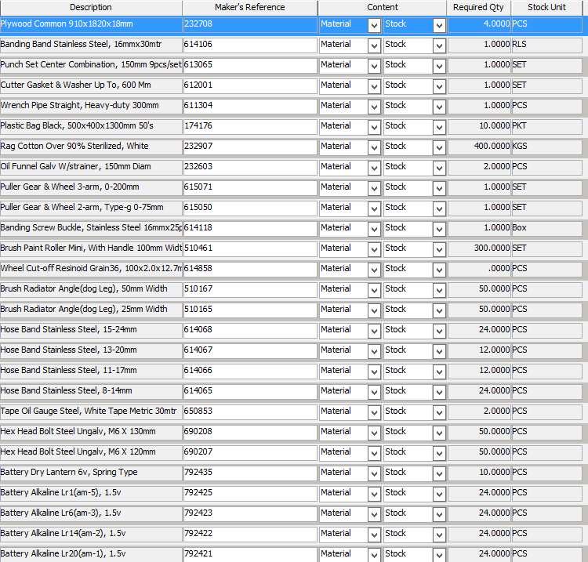
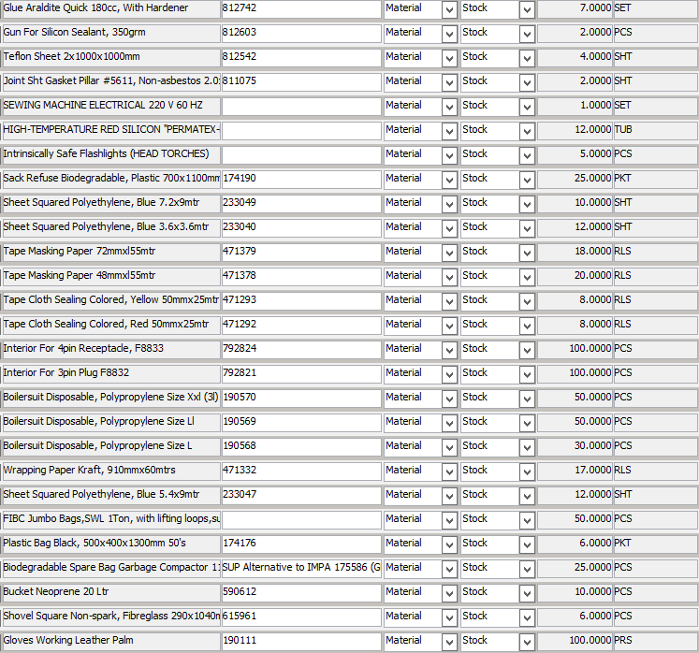
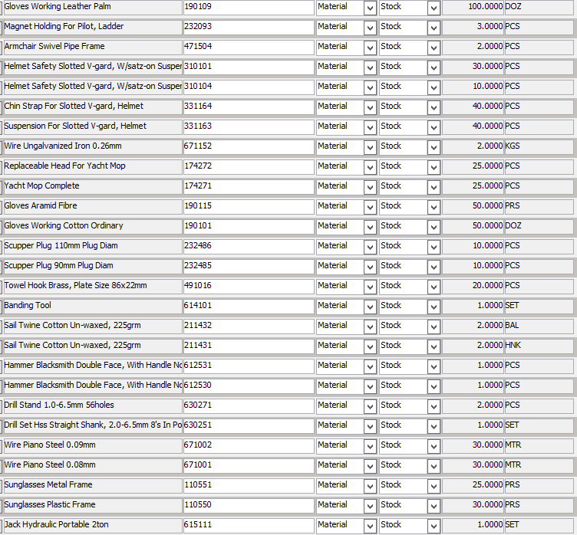
ITEM LIST
No. | Part No. | Description | Unit | Req. Q'ty | Remark
1
2
3
4
5
6
7
8
9
10
11
12
13
14
15
16
17
18
19
20
21
22
23
24
25
26
27
28
29
30

ST8
SINOKOR DOCKING STORE REQUISITION FORM |  |  |  |  |  | ← INDEX
 |  |  |  |  |  |  | OFFER RECEIVED FROM ANCOMARINE 1349,90 USD
OWNER |  | SINOKOR MARITIME | PREPARED BY | MANAGER |  |  | OFFER RECEIVED FROM RMS 1985,40 USD
VESSEL |  | SOUTH AFRICA PROSPERITY | REQ. NO. | ST8
EQUIPMENT |  |  | SERIAL NO.
MAKER |  |  | TYPE
SUBJECT |  | LSA - FFE EQUIPMENT CONSUMABLES

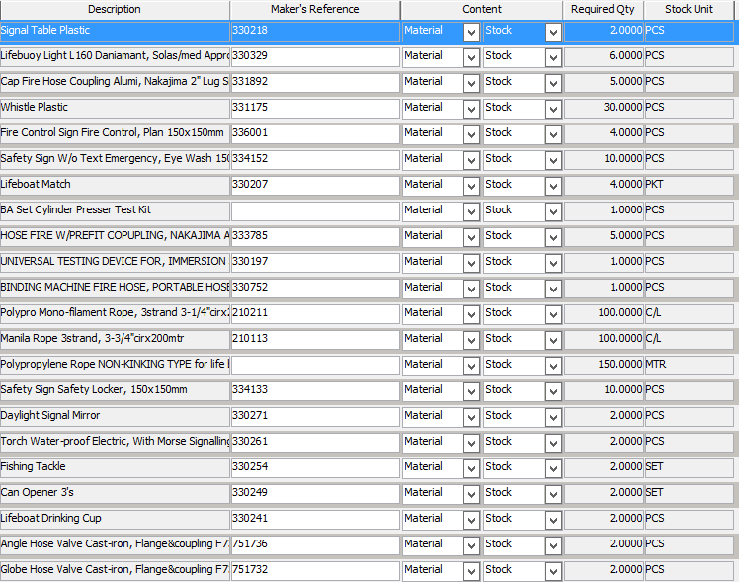
ITEM LIST
No. | Part No. | Description | Unit | Req. Q'ty | Remark
1
2
3
4
5
6
7
8
9
10
11
12
13
14
15
16
17
18
19
20
21
22
23
24
25
26
27
28
29
30

