Sheet 2
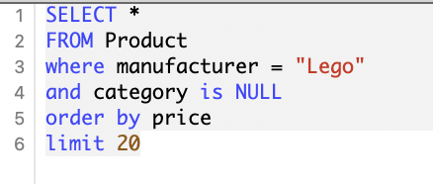
Table 1
product_id | product_name | manufacturer | category | price | cost
PR3512 | LEGO Nexo Knights 70334: Ultimate Beast Master Mixed | LEGO | NULL | 5.59 | 3.58
PR7123 | LEGO City: Cherry Picker Repair Lift Set 30229 (Bagged) | LEGO | NULL | 5.79 | 4.46
PR3554 | Lego Super heroes Flash keyring - 853454 | LEGO | NULL | 5.85 | 3.57
PR8465 | LEGO Super Heroes: Hawkeye with Equipment Set 30165 (Bagged) | LEGO | NULL | 6.00 | 4.08
PR1749 | Lego Spongebob Squarepants Mini Figure Spongebob (Shocked Look) | LEGO | NULL | 6.09 | 3.90
PR8021 | Lego DC Comics Super Heroes 30303 The Joker Bumper Car Promo Polybag | LEGO | NULL | 6.60 | 5.41
PR5568 | LEGO® Star WarsTM Salacious B. Crumb Minifigure from set 9516 | LEGO | NULL | 6.78 | 3.46
PR1413 | LEGO Indiana Jones: Colonel Dovchenko Keychain | LEGO | NULL | 6.99 | 3.70
PR1314 | Lego City Burglars magnet set | LEGO | NULL | 7.29 | 5.18
PR2014 | LEGO Bricks: Grey 2x4. Part 3001 (X 25) | LEGO | NULL | 7.48 | 4.34
PR8544 | The Simpsons Lego Mini Figure Apu | LEGO | NULL | 7.75 | 5.97
PR6371 | Lego Minifigures Series 3 - TRIBAL CHIEF | LEGO | NULL | 7.79 | 5.22
PR7265 | LEGO Pirates of the Caribbean: Hector Barbossa Pegleg Minifigure | LEGO | NULL | 8.99 | 4.58
PR5412 | Swamp jet 30252 Lego Cima Cragg (japan import) | LEGO | NULL | 9.92 | 6.55
PR351 | LEGO® Star WarsTM Minifig Watto (from set 7962) | LEGO | NULL | 9.99 | 7.79
PR4556 | LEGO Chima 70230: Ice Bear Tribe Pack | LEGO | NULL | 10.99 | 8.24
PR3349 | LEGO Super Heroes 76044: Batman v Superman Clash of the Heroes | LEGO | NULL | 11.99 | 6.47
PR8425 | LEGO Ninjago 2115: Bonezai | LEGO | NULL | 11.99 | 9.35
PR1521 | LEGO Friends 41031: Andrea's Mountain Hut | LEGO | NULL | 12.32 | 6.53
PR6051 | LEGO Classic 10692 LEGO Creative Bricks | LEGO | NULL | 12.97 | 10.51

Sheet 5
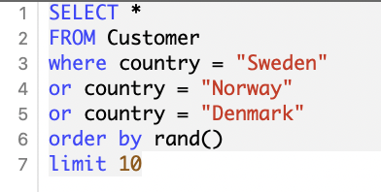
Table 1
customer_id | name | social_security_number | address | phone | country
a44087e | Dan Linder | 950419-2502 | Gengatan 6 99763 Jönköping | +46 (0)12 70 28 15 | Sweden
00ac0be | Patrick Nilsson | 904-13-2456 | 175 Ron Springs Port Aageborough DE 20181 | (02163) 535858 | Denmark
d597c4a | Eva Gustafsson | 620505-8883 | Strandvägen 5 75618 Örebro | 0422-48 70 33 | Sweden
909f31a | Sara Nissen | 829-42-4787 | 63999 Kirstine Curve Port Amalie SC 35774 | +45(0)2104 005662 | Denmark
d54bbae | Viktoria Eriksson | 311115-5374 | Kvarngatan 9 91835 Uddevalla | +46 (0)8 107 081 40 | Sweden
9d7e8ca | Julie Eriksen | 29127102102 | Ellingsentunet 4C 4093 Tobiasgrunn | 44429140 | Norway
2e029c8 | Vivian Henriksen | 108-39-4340 | USNS Mogensen FPO AE 92602 | 7205646168 | Denmark
aebf94b | Britt Winther | 178-56-0201 | 8411 Mortensen Tunnel Apt. 031 Vivianborough NJ 37029 | +45 (0) 4306 259589 | Denmark
cdd3522 | Alf Sandvik | 25059332336 | Knudsenhaugen 9 0894 Arnesen | 44368872 | Norway
4f48fc8 | Bjarne Olesen | 229-51-5209 | 73422 Jacobsen Unions Frederiksenside NE 36222 | (09913) 628409 | Denmark

Sheet 7
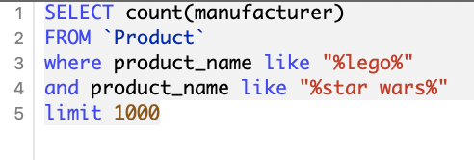
Table 1
count(manufacturer)
28

