I. WEAP Query setup
 | WaTT Set up the WEAP data requirements

 | 1. WEAP model
 | WEAP Area | WaTT_Tutorial
 | Read data for all periods? | 1
 | Start Year
 | End Year

EndReaches | 2. List River_Reaches at WEAP Basins mouth
 | Branch
 | Supply and Resources\River\Blue River\Reaches\Below Blue River Runoff

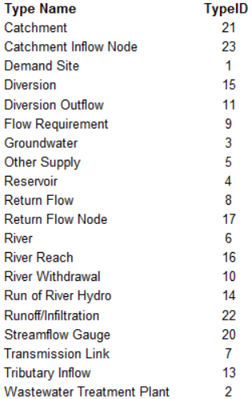
DirectVars | 3. WEAP variables to export directly
 | Object type | Variable Name | Tag | Atribute | OutputID | Escenarios | Escenarios_bk
 | Catchment | Precipitation |  | Average | 1 | Reference
 | Catchment | Precipitation |  | Percentile 10 | 2 | Reference
 | Catchment | Precipitation |  | Percentile 90 | 3 | Reference
 | River Reach | Streamflow [CMS] |  | Max | 4 | Reference
 | River Reach | Streamflow [CMS] |  | Min | 5 | Reference

FragVars | 4. WEAP objects to perform fragmentation (river barriers)
 | Object type |  | Tag
 | Reservoir

AcumVars | 5. WEAP variables to perform accumulation
 | Object type | Variable Name | Tag | Atribute | OutputID | Escenarios | Escenarios
 | Catchment | Base flow |  | Average | 6 | Reference | Reference; Reference1
 | Catchment | Surface Runoff |  | Average | 7 | Reference | Reference; Reference1
 | Catchment | Interflow |  | Average | 8 | Reference | Reference; Reference1
 | Catchment | ET Actual |  | Average | 9 | Reference |  | Sum
 |  |  |  |  |  |  |  | Average
 |  |  |  |  |  |  |  | Percentile X
 |  |  |  |  |  |  |  | Min
 |  |  |  |  |  |  |  | Max
AttAcumVars | 6. WEAP variables to perform attenuated accumulation
 | Object type | Variable Name | Tag | Atribute | OutputID | AttenuationID | AttenuationID

S2U | WEAP objects to report Source to User topology
 | Object type | Variable Name | Tag

