Sheet1
Average Credit Score
Average Credit Score
Row Labels | Average of CreditScore
France | 585
Germany | 581
Spain | 600
Grand Total | 589.13178295

Avg. Account Balance by Gender Across Countries
Average Account Balance by Gender Across Countries
Average of Balance | Column Labels
Row Labels | Female | Grand Total
France | 129577 | 129577
Germany | 140888 | 140888
Spain | 120986 | 120986
Grand Total | 129659.71422 | 129659.71422

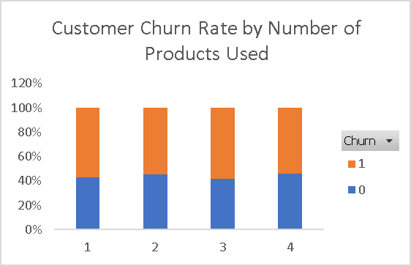

Customer Churn Rate by Number of Products Used
Sum of CustomerID | Column Labels
Row Labels | 0 | 1 | Grand Total
1 | 45% | 55% | 100%
2 | 50% | 50% | 100%
3 | 43% | 57% | 100%
4 | 48% | 52% | 100%
Grand Total | 46.67% | 53.33% | 100.00%

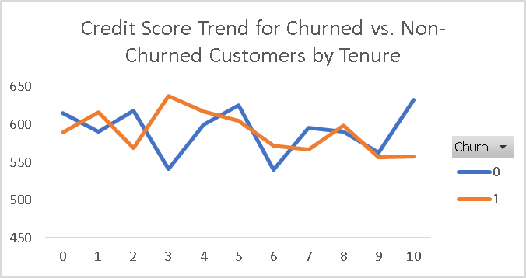
Credit Score Trend for Churned vs. Non-Churned Customers by Tenure
Average of CreditScore | Column Labels
Row Labels | 0 | 1 | Grand Total
0 | 606 | 540 | 587
1 | 619 | 609 | 614
2 | 590 | 551 | 572
3 | 507 | 652 | 598
4 | 601 | 613 | 605
5 | 586 | 562 | 577
6 | 575 | 554 | 563
7 | 623 | 589 | 602
8 | 602 | 595 | 598
9 | 586 | 556 | 568
10 | 672 | 533 | 589
Grand Total | 598.82945736 | 579.43410853 | 589.13178295

Active vs. Non-Active Members by Credit Card Ownership

Active vs. Non-Active Members by Credit Card Ownership
Count of CustomerID | Column Labels
Row Labels | 0 | 1 | Grand Total
0 | 81 | 63 | 144
1 | 53 | 61 | 114
Grand Total | 134 | 124 | 258

Churn Distribution of Customers

Churn Distribution of Customers
Row Labels | Count of CustomerID
0 | 129
1 | 129
Grand Total | 258

Dashboard
Bank Customer Churn Analysis Dashboard

Customer Churn Rate by Number of Products Used
 | 0 | 1
1 | 45% | 55%
2 | 50% | 50%
3 | 43% | 57%
4 | 48% | 52%
Churn Distribution of Customers
 | Total
0 | 129
1 | 129
Active vs. Non-Active Members by Credit Card Ownership
 | 0 | 1
0 | 81 | 63
1 | 53 | 61

Average Credit Score
 | Total
France | 585
Germany | 581
Spain | 600
Avg. Account Balance by Gender Across Countries
 | Female
France | 129577
Germany | 140888
Spain | 120986
Credit Score Trend for Churned vs. Non-Churned Customers by Tenure
 | 0 | 1
0 | 606 | 540
1 | 619 | 609
2 | 590 | 551
3 | 507 | 652
4 | 601 | 613
5 | 586 | 562
6 | 575 | 554
7 | 623 | 589
8 | 602 | 595
9 | 586 | 556
10 | 672 | 533

