Cover page
Technical Site Survey Report (TSSR)

 | Project Name: |  | ALJEEL GSDN
 | Site ID: |  | WM011 |  | Site Name: |  | Jadu
 | Region: |  | Western Mountain

 | 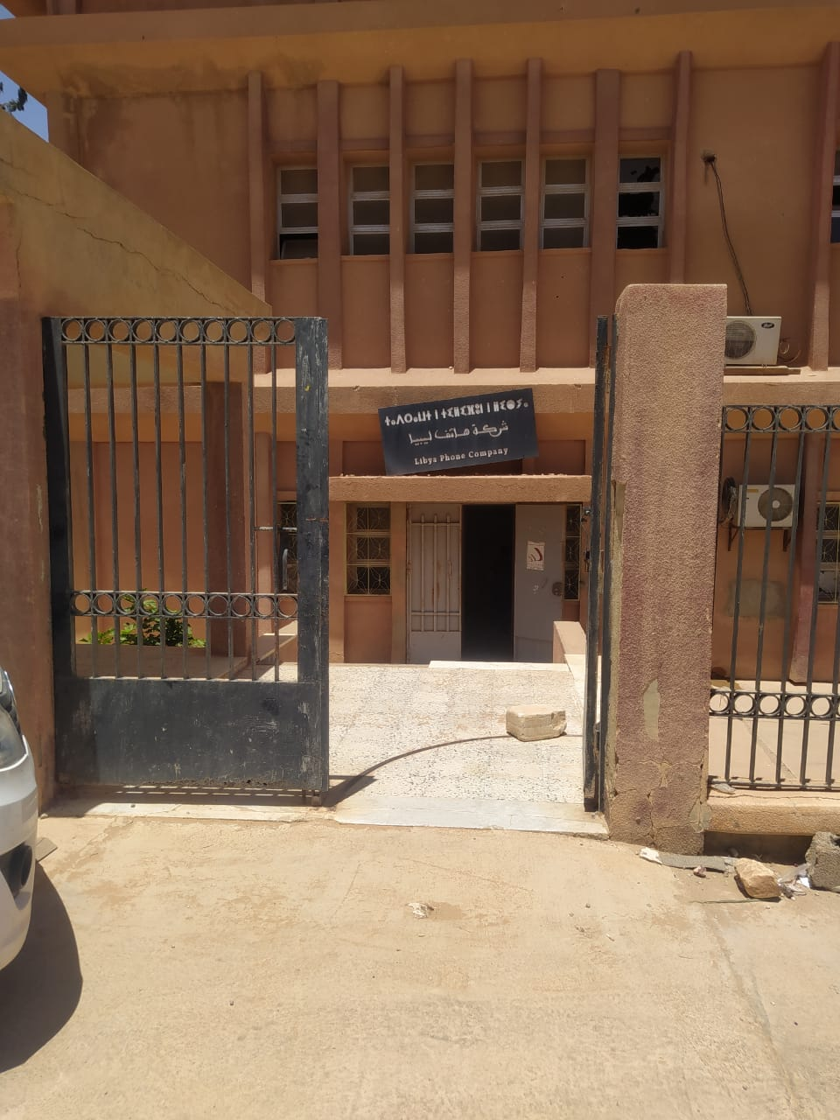

Surveyor |  | Name |  | Survey Date |  | Phone No |  | Remark
SBC Name
RF Engineer
CW Engineer
WL Engineer
PWR Engineer
IP Engineer
MW Engineer
A&T GLOBAL representative |  | عبد القادر التواتي |  | 5.8.2024 |  | 910680000
A&T GLOBAL representative |  | منير رجب |  | 5.8.2024
Aljeel SE

General Info
General Site Information

Basic Info:
 | Sharing Site | Yes |  |  |  | Site onwer | Albounya
Site Type |  | Fiber POP |  |  | Latitude |  | 31.95567
Tower Type |  | Greenfield |  |  | Longtitude |  | 12.028522
Tower height (m) |  | 102 m |  |  | City |  | Jadu
Building height (m) |  |  |  |  | Village |  | near city center
Site Area(m*m) |  |  |  |  | Type of premises |  | Governmental
Detailed Address: |  | جادو- بالقرب من مديرية أمن جادو

Site Access：
24 hrs |  | other |  |  | Contact Person |  | Tawfeq Alsabre
Site region |  | Western Mountain |  |  | Phone No. |  | 912660242
Site Ownership |  | Albounya |  |  | Lift availability
Need Key |  | Yes |  |  | Access Road |  | Available
Existing building stair width: |  |  |  | m (for rooftop，measure the stair)
Existing building door size: |  |  |  | m (for rooftop，measure the stair)
Explaination for Possible Difficulties for Equipment Installation
تم تجهيز قاعدة القابينة وتوصيل الفايبر وتجهيز مصدر التغذية AC ولكن لم يتم توصيل الكهرباء إليه حتى تاريخ إجراء هذا المسح (يرجى إعلامنا في حالة الإنتهاء من توصيل الكهرباء لتتم عملية التشغيل بعد التركيب مباشرة) (تحتاج مسألة Basbar إلى نقاش مع إدارة المشروع)
Photo-Site Coordinate (GPS) |  |  | Photo-Site Location |  |  | Photo-Building Floor
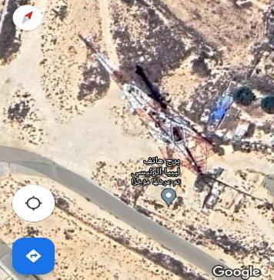 ` |  |  | 

Notes: |  |  | Notes: |  |  | Notes:
Photo-Main Access Road |  |  | Photo- Access in |  |  | Photo- Access out
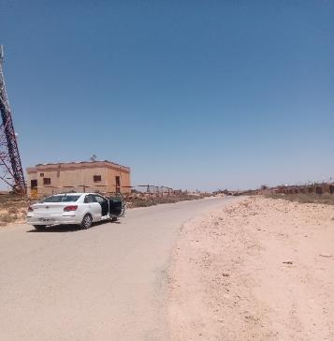 |  |  | 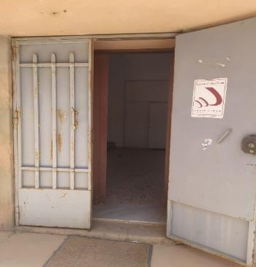 |  |  | 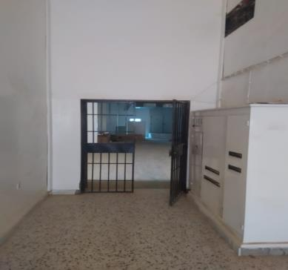

Notes: |  |  | Notes: |  |  | Notes:
Photo-Tower1 Location |  |  | Photo-Tower2 Location(option) |  |  | Photo-Ceiling to show construction status
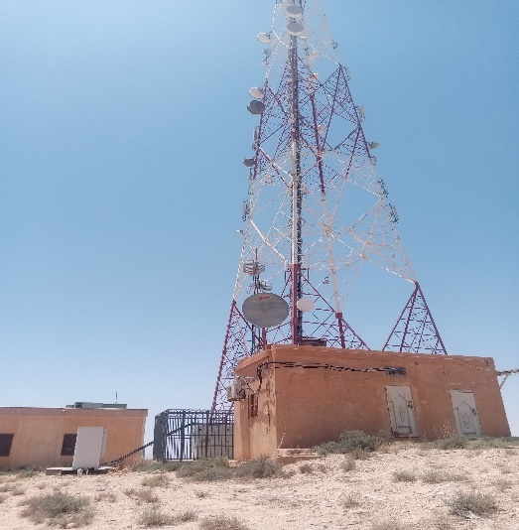 |  |  | 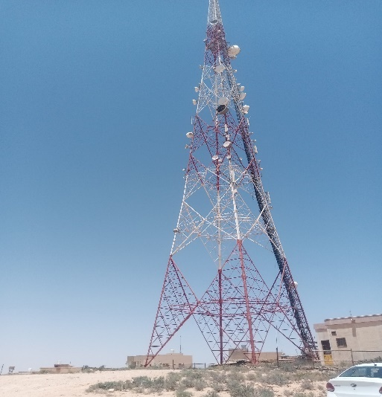

Notes: |  |  | Notes: |  |  | Notes:

IP
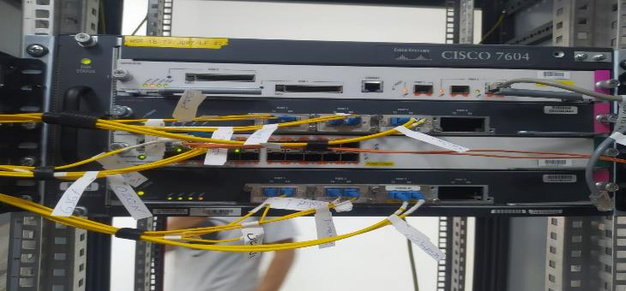
IP Part Survey Report

Aljeel Existing Equipment Information
item # | Interface Type | Interface Speed | Interface QTY | Size (Unite) | Outdoor / Indoor | Remarks
1 | SR | 10 Gbps | 1 | 5 | Indoor | 10 Gbps For starters, upgrades are made on demand
New Equipment Information
item # | Interface Type | Interface Speed | Interface QTY | Size (Unite) | Outdoor / Indoor | Remarks
1 | SR | 10 Gbps | 1 | 1 | Outdoor | 10 Gbps For starters, upgrades are made on demand
Photo-Existing IP Equipment

WL
Wireless Part Survey Report

Propose Information (New build)
WL Equipment Type |  | WiBAS G5 dual-BS
Frequency |  | 28 GHz
Cabinet Type |  | MTS9514A
Sectors |  | Sector 1 | Sector 2 | Sector 3 | Sector 4 | Sector 1 | Sector 2 | Sector 3 | Sector 4
Feeder Cable Type |  | fiber optic cable+ ETH Cable | fiber optic cable+ ETH Cable | fiber optic cable+ ETH Cable | fiber optic cable+ ETH Cable
Feeder Cable Length (m) | optic cable | 80 | 80 | 80 | 80
 | ETH Cable | 80 | 80 | 80 | 80
DC Power cable Length (m) |  | 80 | 80 | 80 | 80
Auxiliary Materials Information
 |  | Exisitng or Not |  | QTY |  | Notes
Main Grounding bar (Pcs) |  | Not |  | - |  | If not Existing, Earthing is in the tower
Busbar Height (M) |  | - |  | - |  | -
Existing Pole (Pcs) |  | Not |  | Expected 8 Pole |  | Expected 8 Pole
Outdoor Cable Tray (M) |  | Not |  | - |  | -
Indoor Cable Tray (M) |  | Not |  | - |  | -

Proposed NEW Equipment

Photo-Cabinet Position Top View |  |  | Photo-New Cabinet Foundation |  |  |  | Photo-Grounding Bar on Tower
 |  |  | 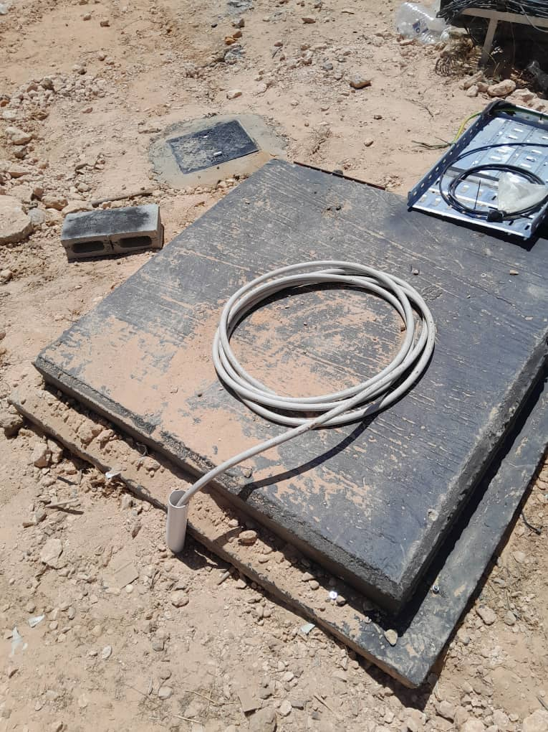

Note: |  |  | Note: |  |  |  | Note:
Photo-Grounding Bar for Cabinet |  |  | Photo-Grounding Bar for antenna |  |  |  | Photo-Cable Tray from tower to equipment
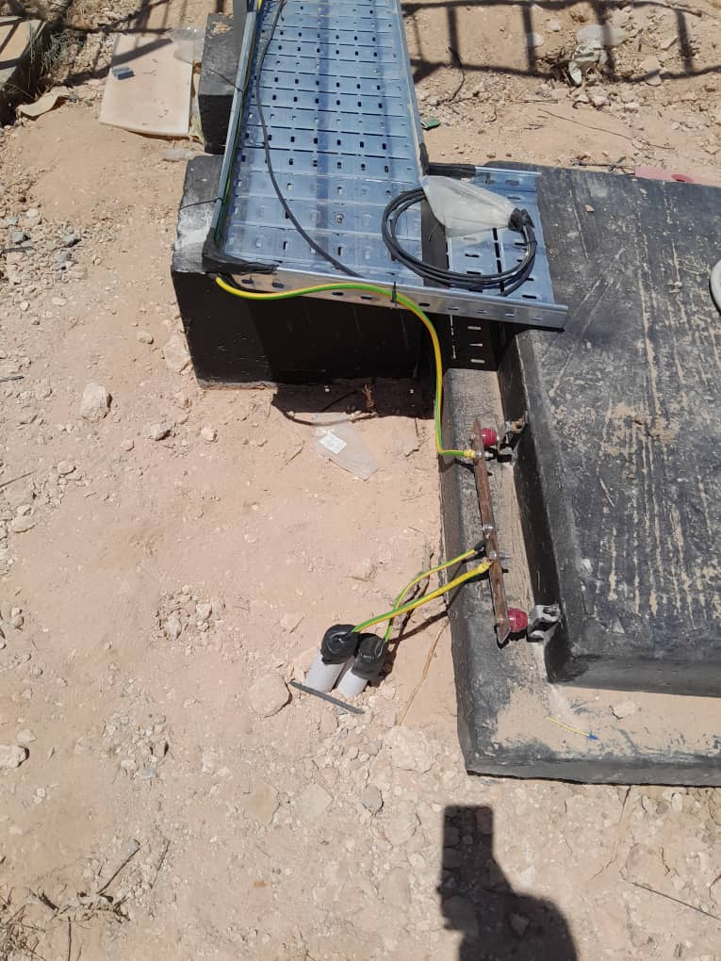 |  |  |  |  |  |  | 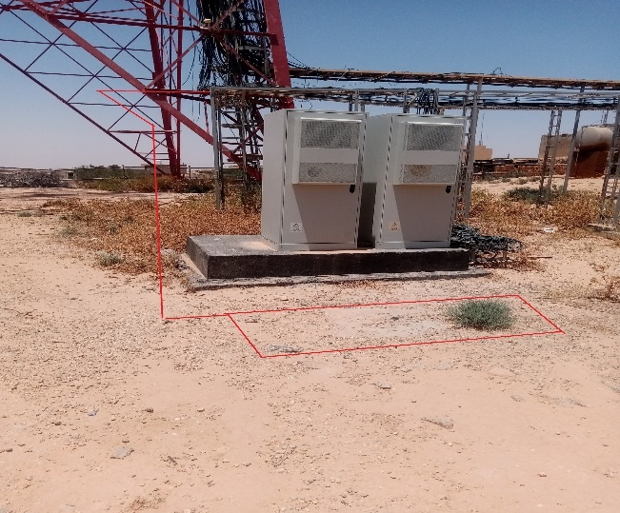

Note: |  |  | Note: |  |  |  | Note:
Photo-Cable Tray from tower to equipment |  |  | Photo-Cable Tray from tower to equipment |  |  |  | Photo-Cable Tray from tower to equipment

Note: |  |  | Note: |  |  |  | Note:
Photo-Grounding cable to Antenna |  |  | Photo-Grounding cable to feeder cable |  |  |  | Photo-Grounding cable to cabinet

Note: |  |  | Note: |  |  |  | Note:

Power
Power system Part Survey Report

Site Configuration Type |  | New
PS0： New Power System
Grid Power Available |  |  | AC 2- AC power System |  | Measurement of Ac Supply (V)
 |  |  |  |  | VL1_N | VL2-N | VL3-N | V N-G;
NO |  |  | N/A |  | N/A | N/A | N/A | N/A
Diesel Generator Available |  |  | Grounding system measurement (Ohm)
NO |  |  | N/A
Power Design Type |  |  |  | Power Configuration
Model: MTS9514A |  |  |  | (2 x 300Ah lithium battery) (backup time: 12H)
Photo-Existing AC box location(closed) |  |  | Photo-Existing AC box location(Open) |  |  | Photo- Measurement of V N-G
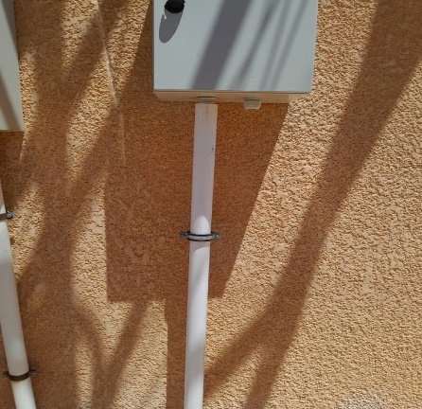 |  |  | 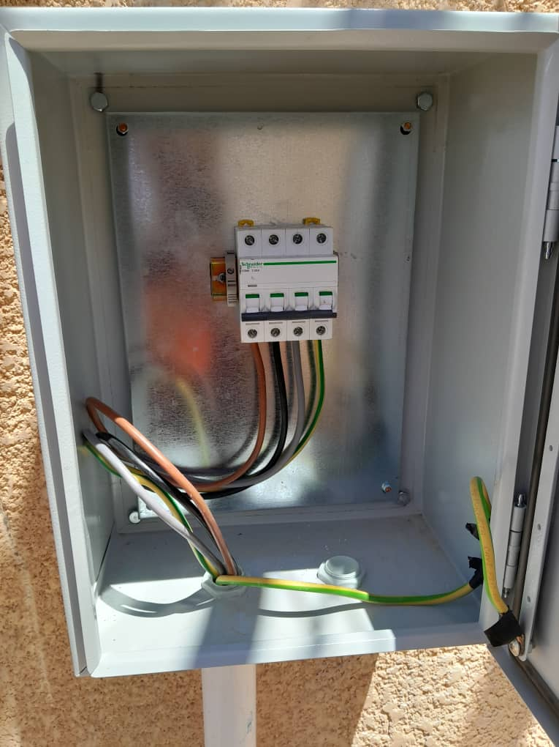
Photo- Measurement of VL1_N |  |  | Photo- Measurement of VL2_N |  |  | Photo- Measurement of VL3_N

Photo-new AC box location |  |  | Photo-Overview from AC box to Power system |  |  | Photo-New Power/Battery Location

Grounding system Manhole |  |  | Grounding system measurement |  |  | measurement process

New Power Site Cable length
Type | Description |  | Note |  |  | Length (m)
Ground Cable | From New Rack to Grounding Bar
AC Power Cable | From New Rack to AC box |  | 55m
DC Cable | From Router to DC Distributer
 | From DC Distributer to Tower
Existing AC CB capacity | From Existing AC Panel |  | N/A
Existing AC BOX CB
Type |  |  | Remark |  |  | Value
Used CB in AC BOX |  |  | N/A
Free CB in AC BOX |  |  | N/A
Need CB with particular capacity ( Yes or No ) |  |  | N/A
PS1：Existing Power System
Photo-Existing Rectifier location( closed) |  |  | Photo-Existing Rectifier location( Open) |  |  | Photo-existing battery location

Photo-Grounding Bar on Building |  |  | Photo-DC Breaker |  |  | Free circuit breaker in DC distributor

PS2：Diesel Generator System
Photo-existing D.G1 System |  |  | Photo-existing D.G2 System |  |  | Phote of Specification

D.G System Capacity |  |  | Working Status |  |  | Diesel Generator Owner

Note

RF
RF Part Survey Report

Antenna Information
# | Sector | Antenna Type | Antenna Height (m) | Azimuth | Mechanical Tilt | Electronical Tilt | Serial Number | Operating Frequency | Output Power EIRP
1 | 1 | WiBAS G5 dual-BS | 37m | determined at design | determined at design | N/A | Determined at installation | determined at design | determined at design
2 | 2 | WiBAS G5 dual-BS | 37m | determined at design | determined at design | N/A | Determined at installation | determined at design | determined at design
3 | 3 | WiBAS G5 dual-BS | 34m | determined at design | determined at design | N/A | Determined at installation | determined at design | determined at design
4 | 4 | WiBAS G5 dual-BS | 38m | determined at design | determined at design | N/A | Determined at installation | determined at design | determined at design
Site Antanna Proposed Location (Only for Existing Tower)
Photo-Sector 1 Location |  |  | Photo-Sector 2 Location |  |  | Photo-Sector 3 Location

Photo-Sector 4 Location |  |  | Photo-Sector 1 point of view |  |  | Photo-Sector 2 point of view
 |  |  | N/A |  |  | N/A

Photo-Sector 3 point of view |  |  | Photo-Sector 4 point of view |  |  | Photo-Sector 1 point view of Tower
N/A |  |  | N/A |  |  | N/A

Photo-Sector 2 point view of Tower |  |  | Photo-Sector 3 point view of Tower |  |  | Photo-Sector 4 point view of Tower
N/A |  |  | N/A |  |  | N/A

Surrounding Environment 360 Degree Picture (for New Build)
Panorama photos heigth on top of wireless antenna
Photo-View 0° |  |  | Photo-View 30° |  |  | Photo-View 60°
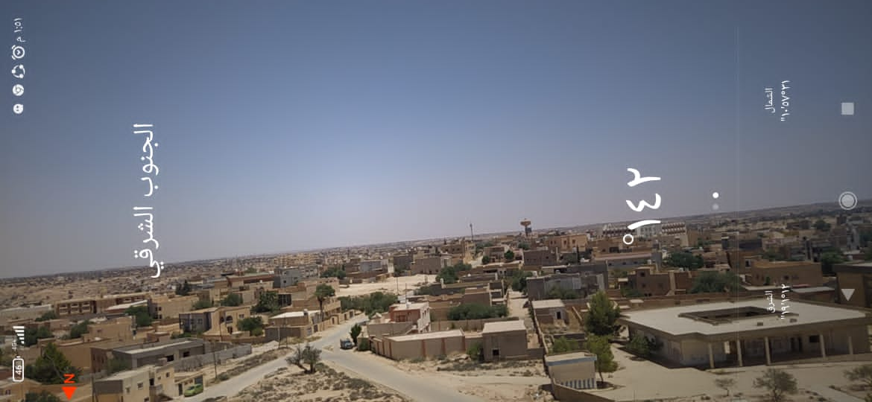 |  |  | 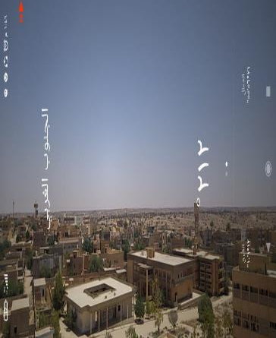 |  |  | 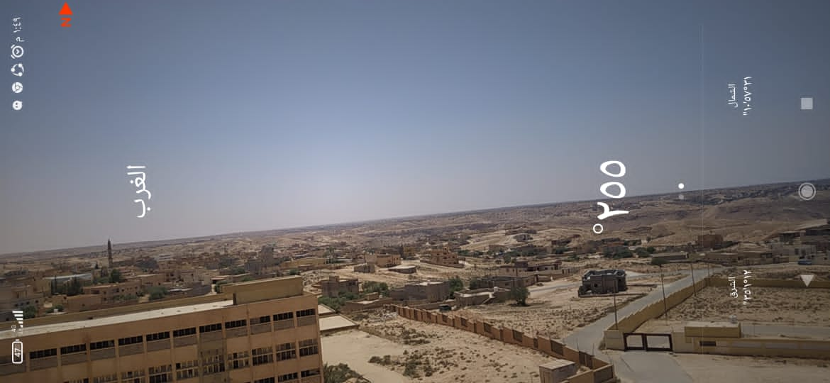

Photo-Photo-View 90° |  |  | Photo-Photo-View 120° |  |  | Photo-Photo-View 150°

Photo-View 180° |  |  | Photo-View 210° |  |  | Photo-View 240°

Photo-View 270° |  |  | Photo-View 300° |  |  | Photo-View 330°

Layout Drawing
Layout Drawings (Plan & Side View)

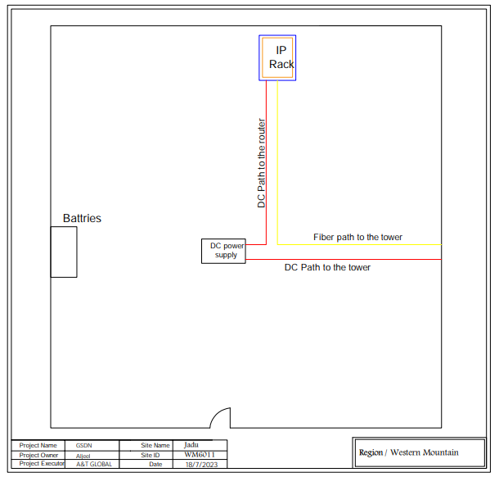
 | POP Site Layout

 | HUB & Terminal Sites

