Sheet1
Bag Semantics |  | Result
TEST CASE 1 |  | PASS
Table | Lipsky
Query | project{a,c}[(project{a,b}[lipsky] natjoin project{b,c}[lipsky]) union (project{a,c}[lipsky] natjoin project{b,c}[lipsky])]
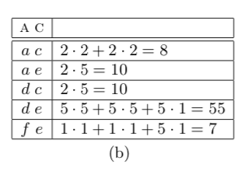
Expected

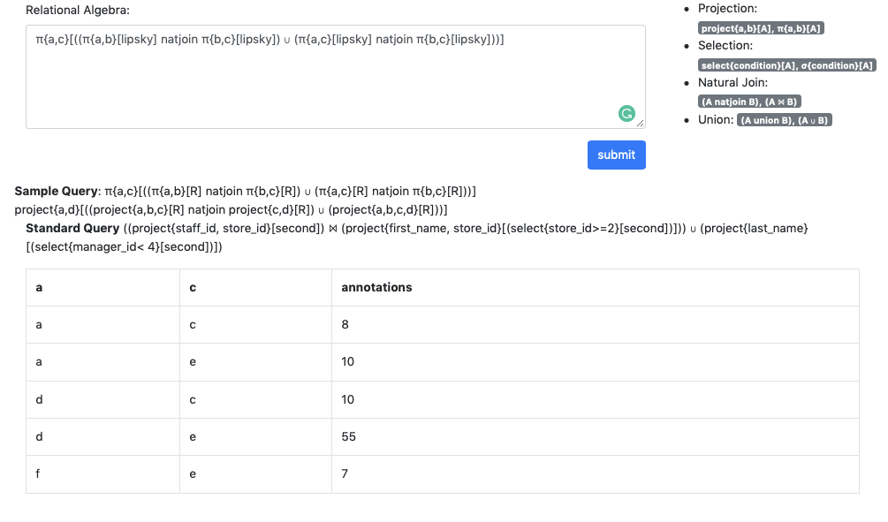
Actual

TEST CASE 2 |  | PASS

 |  |  | l/"

