Bag Semantics
Bag Semantics |  | Result
TEST CASE 1 |  | PASS
Scenario | Single table with all operations
Table | Lipsky
Query | π{a,c}[((π{a,b}[lipsky] natjoin π{b,c}[lipsky]) ∪ (π{a,c}[lipsky] natjoin π{b,c}[lipsky]))]
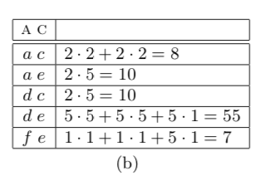
Expected

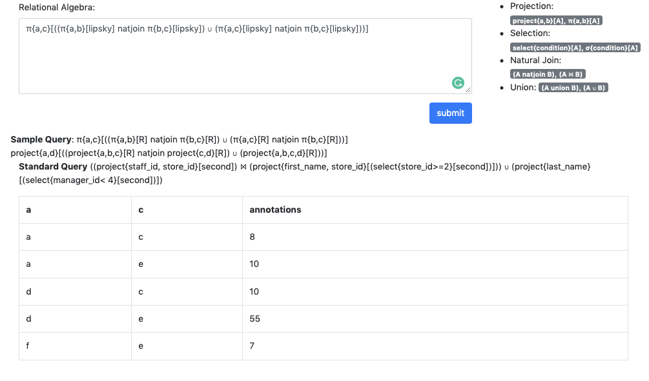
Actual

TEST CASE 2
Scenario | multiple table with all operations
Table | Student, EnrolledIn, Subject
Query | 1) What are the names of students enrolled in cs3020?
 | project{name}[(select{code='cs3010'}[(student natjoin enrolledIn)])] | Pass

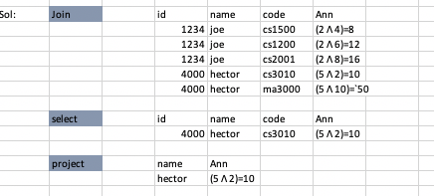
Expected

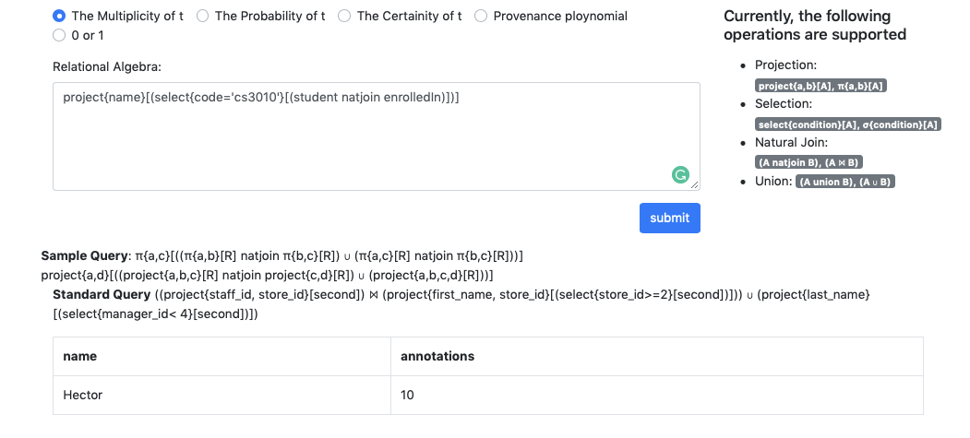
Actual

TEST CASE 3
Scenario | multiple table with all operations
Table | Student, EnrolledIn, Subject
Query | 2)What are the names of students in cs1500 or cs3010? | Pass
 | (project{name}[select{code='cs1500'}[(student natjoin enrolledin)]] union project{name}[select{code='cs1500'}[(student natjoin enrolledin)]])
Expected

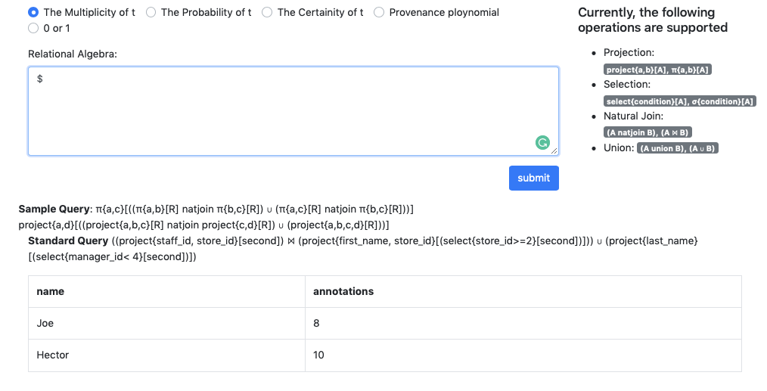
Actual

TEST CASE 4
Scenario | multiple table with all operations
Table | Student, EnrolledIn, Subject
Query | 3) What are the names of students who are taking a subject not taught by Roger? | Fail
Expected
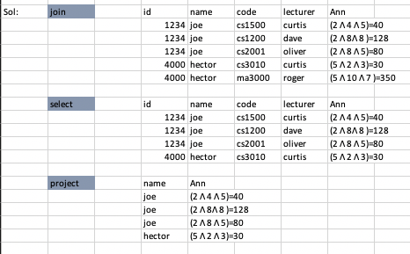

Actual |  | Join of three table incorrect

