Sheet1
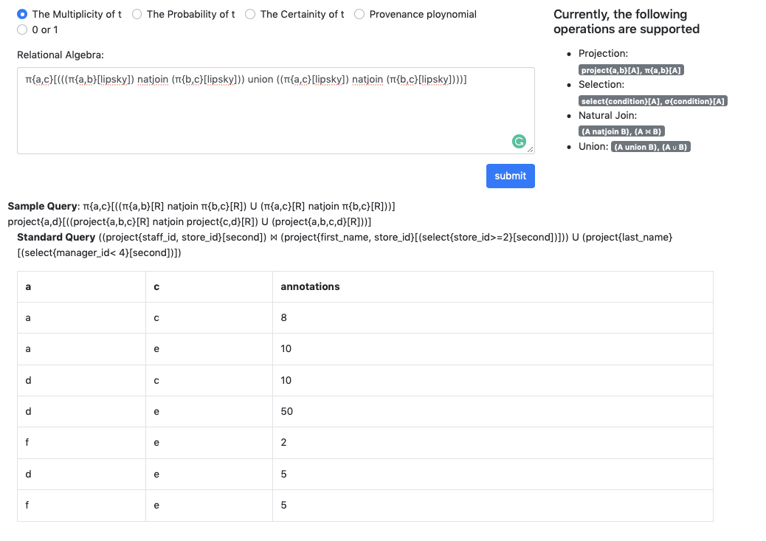
Bag Semantics
Table | Lipsky
Query | project{a,c}[(project{a,b}[lipsky] natjoin project{b,c}[lipsky]) union (project{a,c}[lipsky] natjoin project{b,c}[lipsky])]

