Analyze
Sales and Profit Margin Comparison per Year/Quarter
 | Sum of Total Sales | Average of Operating Margin
Qtr1 | $692,776.10 | $0.40
Qtr2 | $644,203.90 | $0.40
Qtr3 | $719,170.40 | $0.41
Qtr4 | $367,582.10 | $0.40
Qtr1 | $1,877,584.30 | $0.42
Qtr2 | $2,379,424.80 | $0.43
Qtr3 | $2,805,752.50 | $0.43
Qtr4 | $2,530,170.90 | $0.42
Analyze GUIDE

 | KPI
 | 1. Total sales
 | 2. Display Average Operating sales
 | 3. Average Operating profits

 | DISPLAY THE FOLLOWING INFORMATION
 | 1. QUARTERLY SALES PER RETAILER
 | 2. SALES

 | Sum of Total Sales
 | $12,016,665

 | Sum of Operating Profit
 | $4,722,496.77

 | Average of Operating Margin
 | $0.42

 | Count of Units Sold
 | 9,648

 | SALES PER RETAILER
 | Row Labels | Count of Units Sold | Sum of Total Sales
 | West Soda | 2,374 | $3,240,955.80
 | BevCo | 2,618 | $2,794,394.50
 | FizzyCo | 2,017 | $2,424,037.20
 | Target | 1,030 | $1,351,245.30
 | Amazon | 1,005 | $1,285,908.70
 | Walmart | 604 | $920,123.50
 | Grand Total | 9,648 | $12,016,665.00

 | Sum of Total Sales | Column Labels
 |  | 2022 | 2023
 | Row Labels
 | Coca-Cola | $499,102.00 | $2,268,974.90
 | Dasani Water | $469,270.70 | $1,917,827.80
 | Diet Coke | $423,758.70 | $1,633,959.30
 | Fanta | $315,489.20 | $1,116,062.90
 | Powerade | $349,533.90 | $1,302,529.30
 | Sprite | $366,578.00 | $1,353,578.30
 | Grand Total | $2,423,732.50 | $9,592,932.50

 | Sum of Total Sales | Column Labels
 |  | 2022 | 2023

 | Row Labels
 | West Soda | $1,170,361.60 | $2,070,594.20
 | BevCo | $466,788.00 | $2,327,606.50
 | Walmart | $339,912.50 | $580,211.00
 | Amazon | $276,210.00 | $1,009,698.70
 | FizzyCo | $161,210.10 | $2,262,827.10
 | Target | $9,250.30 | $1,341,995.00

 | Row Labels | Sum of Total Sales | Average of Operating Margin
 | 2022 |  |  | 2022 | Qtr1 | 692776.1 | 0.40174683544
 | Qtr1 | $692,776.10 | $0.40 |  | Qtr2 | 644203.9 | 0.4
 | Qtr2 | $644,203.90 | $0.40 |  | Qtr3 | 719170.4 | 0.41026548673
 | Qtr3 | $719,170.40 | $0.41 |  | Qtr4 | 367582.1 | 0.40243816254
 | Qtr4 | $367,582.10 | $0.40
 | 2023 |  |  | 2023 | Qtr1 | 1877584.3 | 0.4165704501
 | Qtr1 | $1,877,584.30 | $0.42 |  | Qtr2 | 2379424.8 | 0.42755819477
 | Qtr2 | $2,379,424.80 | $0.43 |  | Qtr3 | 2805752.5 | 0.43470170455
 | Qtr3 | $2,805,752.50 | $0.43 |  | Qtr4 | 2530170.9 | 0.42483932854
 | Qtr4 | $2,530,170.90 | $0.42

Dashboard
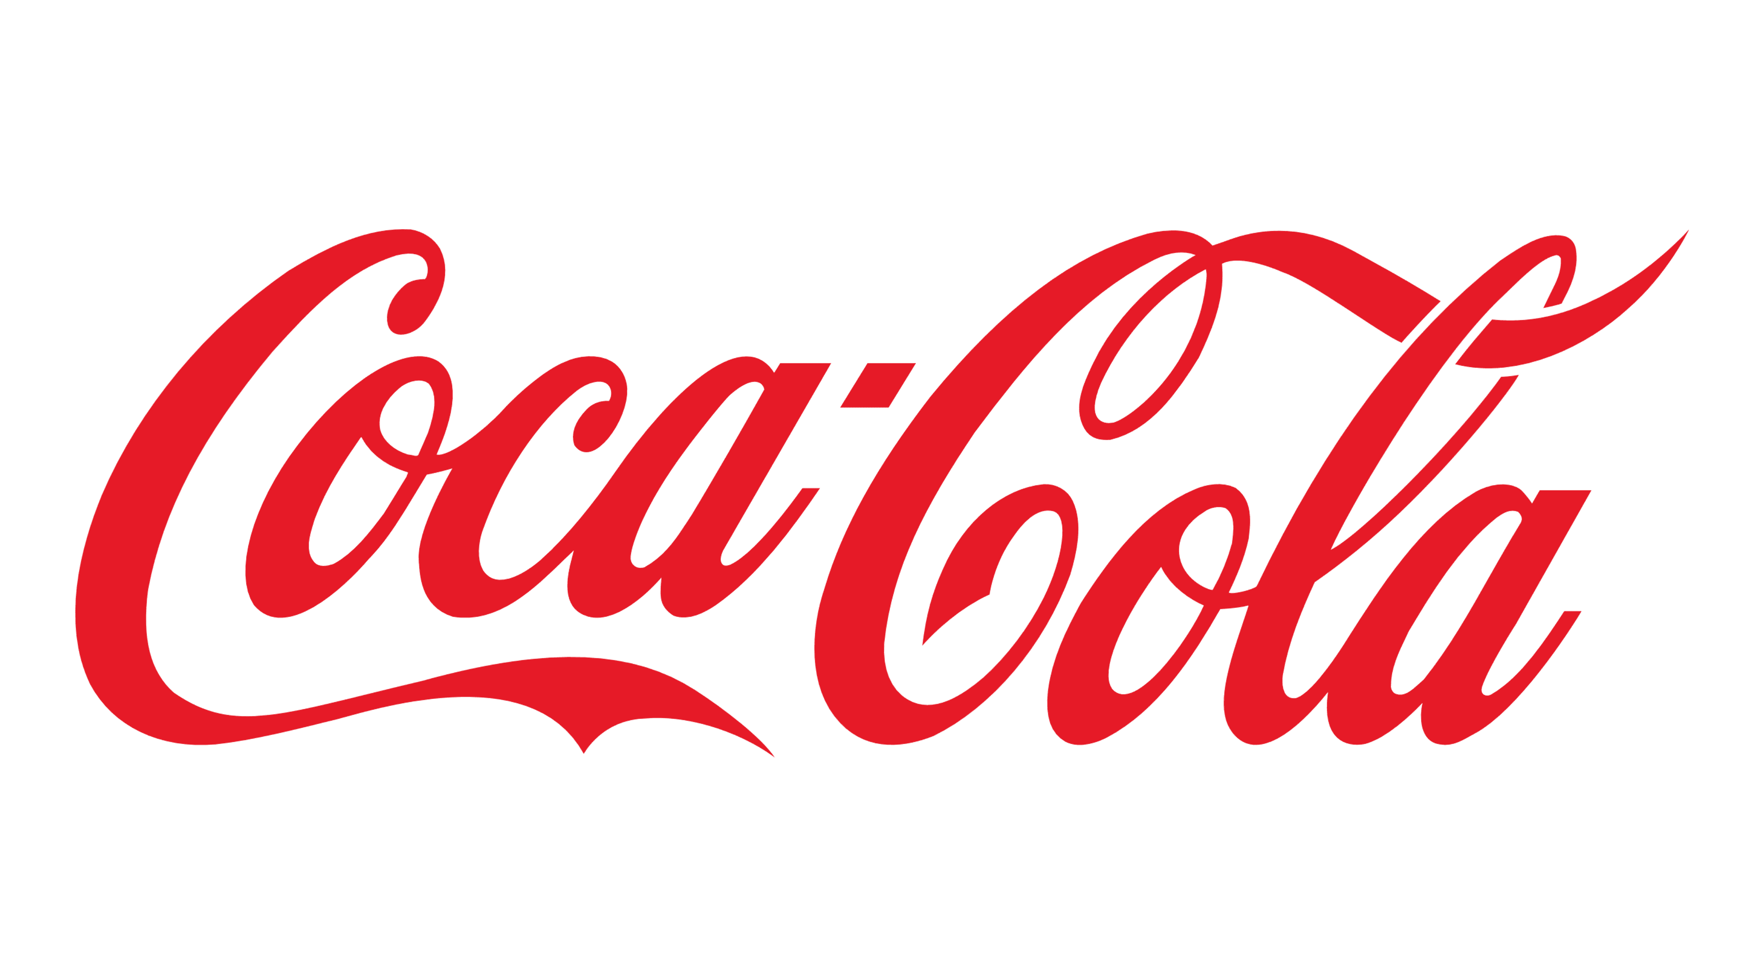

Coca - Cola USA RETAILER SALES DASHBOARD

TOTAL SALES
TOTAL UNITS SOLD
AVERAGE OPERATING PROFIT
AVERAGE OPERATING PROFIT

$12,016,665
9,648
$4,722,496.77
$4,722,496.77

SALES BY BEVERAGE BRAND
SALES BY BEVERAGE BRAND

Beverage Brand | Sales 2022 | Sales 2023 | Variance | Retailer | Sales 2022 | Sales 2023 | Variance
Coca-Cola | $499,102 | $2,268,975 | $1,769,873 | West Soda | $1,170,362 | $2,070,594 | $900,233
Dasani Water | $469,271 | $1,917,828 | $1,448,557 | BevCo | $466,788 | $2,327,607 | $1,860,819
Diet Coke | $423,759 | $1,633,959 | $1,210,201 | Walmart | $339,913 | $580,211 | $240,299
Fanta | $315,489 | $1,116,063 | $800,574 | Amazon | $276,210 | $1,009,699 | $733,489
Powerade | $349,534 | $1,302,529 | $952,995 | FizzyCo | $161,210 | $2,262,827 | $2,101,617
Sprite | $366,578 | $1,353,578 | $987,000 | Target | $9,250 | $1,341,995 | $1,332,745
Grand Total | $2,423,733 | $9,592,933 | $7,169,200
Sales and Profit Margin Comparison per Year/Quarter

 | Sum of Total Sales | Average of Operating Margin
Qtr1 | $692,776.10 | $0.40
Qtr2 | $644,203.90 | $0.40
Qtr3 | $719,170.40 | $0.41
Qtr4 | $367,582.10 | $0.40
Qtr1 | $1,877,584.30 | $0.42
Qtr2 | $2,379,424.80 | $0.43
Qtr3 | $2,805,752.50 | $0.43
Qtr4 | $2,530,170.90 | $0.42

