Figure 1
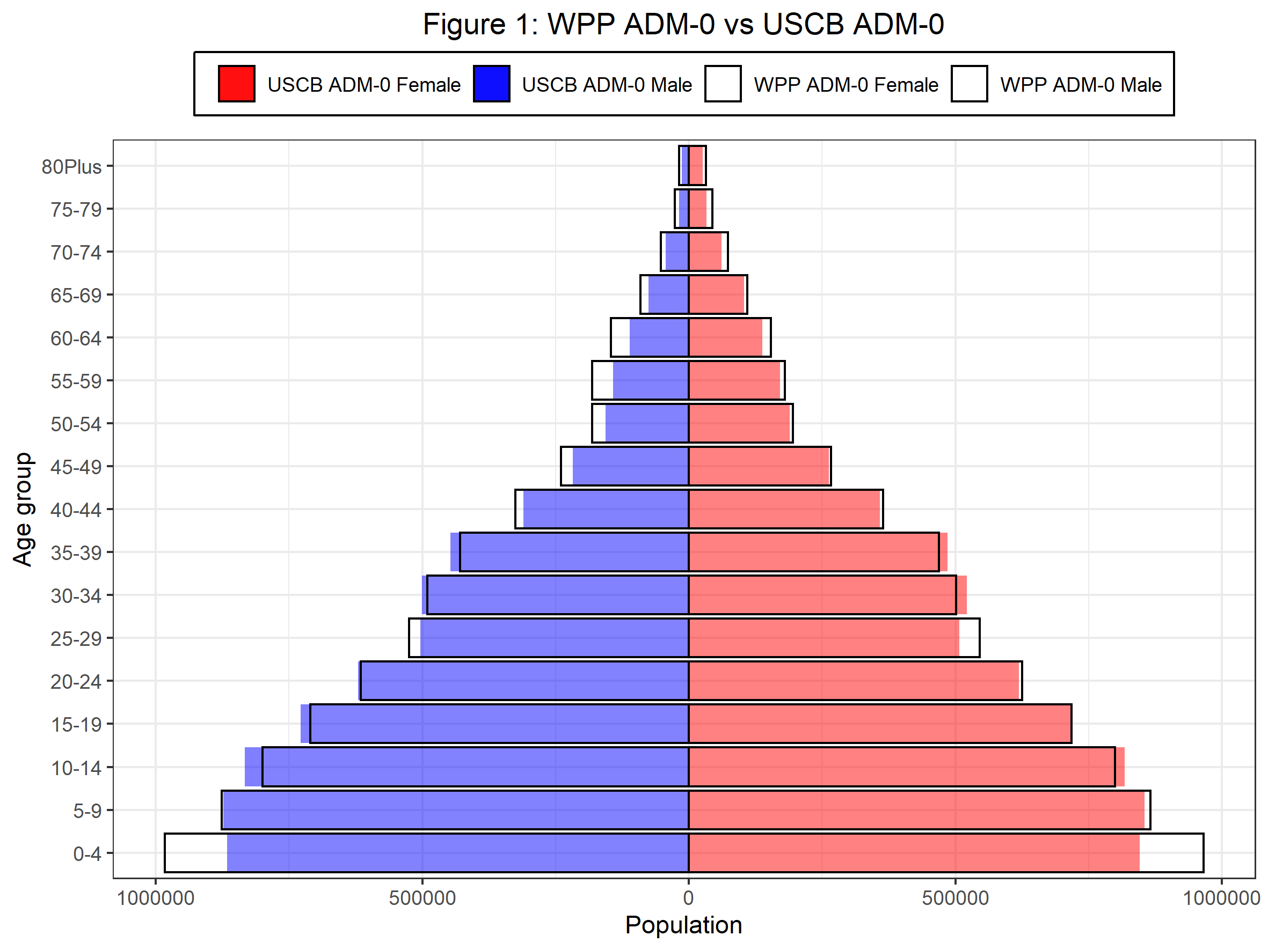
Age | F_NSO_minus_WPP_pct | M_NSO_minus_WPP_pct
0-4 | -12.39 | -11.86
5-9 | -1.26 | -0.27
10-14 | 2.30 | 4.13
15-19 | 0.20 | 2.52
20-24 | -1.02 | 0.73
25-29 | -7.06 | -4.05
30-34 | 4.14 | 2.08
35-39 | 3.55 | 4.18
40-44 | -1.58 | -4.79
45-49 | -1.33 | -9.46
50-54 | -3.17 | -13.95
55-59 | -5.22 | -21.63
60-64 | -10.11 | -23.64
65-69 | -5.29 | -16.93
70-74 | -17.34 | -18.47
75-79 | -25.44 | -31.42
80Plus | -18.35 | -28.10

Figure 2
