Test Report
 | TEST REPORT |  |  |  |  |  | Pass | Fail | NT | NA | Number of test cases
 |  |  |  |  |  |  | 18 | 19 | 1 | 1 | 39
Project Name |  |  | Creator | Phạm Hải Thanh |  |  | 46% | 49% | 3% | 3%
Project Code |  |  | Reviewer/Apporver
Document Code |  |  | Issue Date |  |  |  | Test coverage | NT | NA
Notes |  |  |  |  |  |  | 94.87% | 2.56% | 2.56%

 |  |  |  |  |  |  | Test success coverage | Fail Rate
No | Test Items | Pass | Fail | NT | NA | Number of test cases | 49% | 51%
1 | AB-SD Functionality Testing | 18 | 19 | 1 | 1 | 39
Test coverage
2 |  |  |  |  |  | 0
3 |  |  |  |  |  | 0
4 |  |  |  |  |  | 0
5 |  |  |  |  |  | 0 | QC Activity | Quantity | %
6 |  |  |  |  |  | 0 | Document Review | 0 | 0%
 |  |  |  |  |  | 0 | Code Review | 0 | 0%
 |  |  |  |  |  | 0 | Design Review | 0 | 0%
 |  |  |  |  |  | 0 | Unit Test | 0 | 0%
 |  |  |  |  |  | 0 | Integration Test | 17 | 94%
 |  |  |  |  |  | 0 | System Test | 1 | 6%
 |  |  |  |  |  | 0 | Acceptance Test | 0 | 0%
 |  |  |  |  |  | 0 | Audit | 0 | 0%
 |  |  |  |  |  | 0 | Inspection | 0 | 0%
Test success coverage
 |  |  |  |  |  | 0 | Total | 18
QC activities
 |  |  |  |  |  | 0
 |  |  |  |  |  | 0
 |  |  |  |  |  | 0
 |  |  |  |  |  | 0
 |  |  |  |  |  | 0
 |  |  |  |  |  | 0
 | Subtotal | 18 | 19 | 1 | 1 | 39

 | Test coverage |  | 95 | %
 | Test success coverage |  | 49 | %

Test Cases
 | TEST SCENARIOS

Item Test | AB-SD Functionality Testing
Test Requirement | Ensure that all features listed below work properly without any errors when using the below browsers. - Edge in latest version - Google Chrome in latest version
Tester | Phạm Hải Thanh
Pass | Fail | NT | N/A | Number of test cases
18 | 19 | 1 | 1 | 39
46% | 49% | 3% | 3%

Organisation
Services
Geography
Premises
the left of menu
ID | Test Case Description | Pre-Condition | Test Case Procedure | Expected Output | Result | Test date | Tester | Note | Column1 | Column2 | Column3 | Column4 | Column5 | Column6 | Column7 | Column8 | Column9 | Column10 | Column11 | Column12 | Column13 | Column14 | Column15 | Column16 | Column17 | Column18 | Column19 | Column20 | Column21 | Column22 | Column23 | Column24 | Column25 | Column26 | Column27 | Column28 | Column29 | Column30 | Column31 | Column32 | Column33 | Column34 | Column35 | Column36 | Column37 | Column38 | Column39 | Column40 | Column41 | Column42 | Column43 | Column44 | Column45 | Column46 | Column47 | Column48 | Column49 | Column50 | Column51 | Column52 | Column53 | Column54 | Column55 | Column56 | Column57 | Column58 | Column59 | Column60 | Column61 | Column62 | Column63 | Column64 | Column65 | Column66 | Column67 | Column68 | Column69 | Column70 | Column71 | Column72 | Column73 | Column74 | Column75 | Column76 | Column77 | Column78 | Column79 | Column80 | Column81 | Column82 | Column83 | Column84 | Column85 | Column86 | Column87 | Column88 | Column89 | Column90 | Column91 | Column92 | Column93 | Column94 | Column95 | Column96 | Column97 | Column98 | Column99 | Column100 | Column101 | Column102 | Column103 | Column104 | Column105 | Column106 | Column107 | Column108 | Column109 | Column110 | Column111 | Column112 | Column113 | Column114 | Column115 | Column116 | Column117 | Column118 | Column119 | Column120 | Column121 | Column1222 | Column123 | Column124 | Column125 | Column126 | Column127 | Column128 | Column129 | Column130 | Column131 | Column132 | Column133 | Column134 | Column135 | Column136 | Column137 | Column138 | Column139 | Column140 | Column141 | Column142 | Column143 | Column144 | Column145 | Column146 | Column147 | Column148 | Column149 | Column150 | Column151 | Column152 | Column153 | Column154 | Column155 | Column156 | Column157 | Column158 | Column159 | Column160 | Column161 | Column162 | Column163 | Column164 | Column165 | Column166 | Column167 | Column168 | Column169 | Column170 | Column171 | Column172 | Column173 | Column174 | Column175 | Column176 | Column177 | Column178 | Column179 | Column180 | Column181 | Column182 | Column183 | Column184 | Column185 | Column186 | Column187 | Column188 | Column189 | Column190 | Column191 | Column192 | Column193 | Column194 | Column195 | Column196 | Column197 | Column198 | Column199 | Column200 | Column201 | Column202 | Column203 | Column204 | Column205 | Column206 | Column207 | Column208 | Column209 | Column210 | Column211 | Column212 | Column213 | Column214 | Column215 | Column216 | Column217 | Column218 | Column219 | Column220 | Column221 | Column222 | Column223 | Column224 | Column225 | Column226 | Column227 | Column228 | Column229 | Column230 | Column231 | Column232 | Column233 | Column234 | Column235 | Column236 | Column237 | Column238 | Column239 | Column240 | Column241 | Column242 | Column243 | Column244 | Column245 | Column246 | Column247
 | 1. Logon & Logout Funtion |  |  |  | 3
AB-SD Functionality Testing 1 | Username&Password entered correctly, the user will be nevigated to Main menu | URL correct | Step 1: Open Web browser Step 2: Enter the URL Step 3: Enter the Username/Password | Step 3: Username/Password correct. The user can go to menu on the LEFT and the screen like this | Pass
AB-SD Functionality Testing 2 | Username&Password BLANK /entered NOT correctly, the user will NOT nevigated to main menu | URL correct | Step 1: Open Web browser Step 2: Enter the URL Step 3: Enter the Username/Password | Step 3: Username/Password BLANK /NOT correct. Warning messages appeared.The user canNOT go to menu | Pass
AB-SD Functionality Testing 3 | When click to "Forgot password?", User will be nevigated to a screen which allow them to input Username&Email. Correct input, password be sent to email. | URL correct | Step 1: Open Web browser Step 2: Enter the URL Step 3: Enter the Username/Password Step 4: Click to "Forgot the password?" link Sttep 5: Input Username & Email | Step 3: User forgot password. Step 4: The screen will be displayed allowing user to input Username and Email to retrieve password Step 5: Correct input, system will send password to the email input. | Fail |  |  | Not Display "Forgot password ?""link
 | 2. Menu display |  |  |  | 2
Organisation
Services
Geography
Premises
the left of menu
Programme Maintenance
Service Maintenance
AB-SD Functionality Testing 4 | Click to Services module, It display two functions correctly: Programme Maintenance & Service Maintenance | Login successful. Menu screen displayed | Step 1: Open Web browser Step 2: Enter the URL Step 3: Enter the Username/Password Step 4: Click to the Services modules on the menu | Step 4: When click to Services menu, it displayed two funtions correctly like the screen | Fail |  |  | check the name of 2 functions
Organisation
Services
Geography
Premises
the left of menu
Trust Regions
Trust Districts Maintenances
Government Office Region
List and View
AB-SD Functionality Testing 5 | Click to Geography module, It display fully four functions : Trust Regions/Trust Districts Maintenances/ Government Office Region / List and View | Login successful. Menu screen displayed | Step 1: Open Web browser Step 2: Enter the URL Step 3: Enter the Username/Password Step 4: Click to the Geography modules on the menu | Step 4: When click o Geography, it NOT display/displayd but NOT fully four funtions like the screen | Fail |  |  | check the name of 4 functions
 | 3. Organisations module display |  |  |  | 24
 | 3.1 List Organisations display |  |  |  | 8
AB-SD Functionality Testing 6 | "Organisation List" screen is displayed when click to Organisations module on the Menu. Screen shows all ative Organisations by default and a list of 15 records showed in one page | Login successful. Menu screen displayed | Step 1: Open Web browser Step 2: Enter the URL Step 3: Enter the Username/Password Step 4: Click on Organisations | 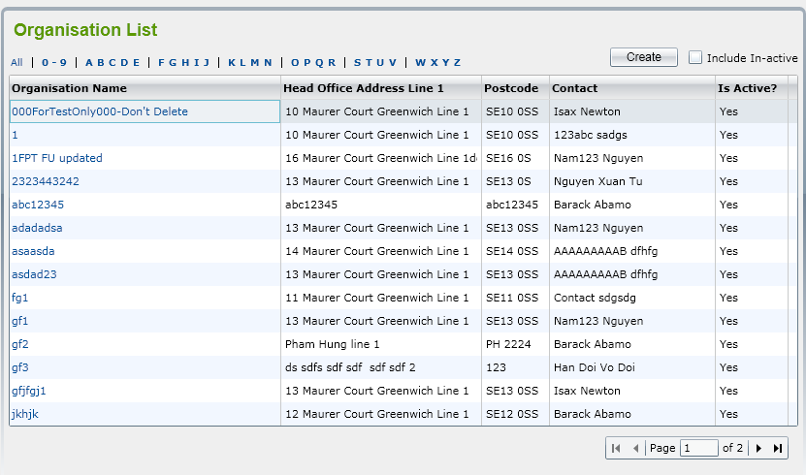 Step 4: When click on Organisation, "Organisation List" screen is displayed showing all active Organisations by default. The list is paging with 15 records showing in one page. | Pass
AB-SD Functionality Testing 7 | All of active and in-active Organisations will be displayed in the list when user click on "include In-active" checkbox | Organisations List displayed | Step 1: Open Web browser Step 2: Enter the URL Step 3: Enter the Username/Password Step 4: Click on Organisations Step 5: Click on " Include In-active checkbox" | Step 5: user click on ‘Include In-active’ checkbox, all of active and in-active Organisations will be displayed in the list. The list is paging with 15 records showing in one page. | Pass
AB-SD Functionality Testing 8 | Color of column name is the same with background color, invisible and just displayed when click to it. | Organisations List displayed | Step 1: Open Web browser Step 2: Enter the URL Step 3: Enter the Username/Password Step 4: Click on Organisations | Step 5: Each column name is in different color with background color | Fail |  |  | Column name is in blue color, disable and just displayed when click to it.
AB-SD Functionality Testing 9 | Select quick filter on the row above the list, NOT ALL Organisation that begin with selected letter will be shown | Organisations List displayed | Step 1: Open Web browser Step 2: Enter the URL Step 3: Enter the Username/Password Step 4: Click on Organisations Step 5: Select on quick filter: ‘All’ or ‘0-9’ or ‘ABCDE’ or ‘FGHIK’, etc. in a row above the list. | Step 5: when user select ‘All’ or ‘0-9’ or ‘ABCDE’ or ‘FGHIK’, etc. in a row above the list, All Organisations that begin with the selected letter will be shown. | Fail |  |  | some organisation begin with Letter N not be linked with "N" filter
AB-SD Functionality Testing 10 | Organisations NOT be sorted when user click on Column name | Organisations List displayed | Step 1: Open Web browser Step 2: Enter the URL Step 3: Enter the Username/Password Step 4: Click on Organisations Step 5: Click on Column name | Step 5: When user click on column name, User can sort Organisations | Fail |  |  | only Organisation name column can be sorted when be clicked, the other columns cannot be sorted by column name
AB-SD Functionality Testing 11 | Display message “Do you want to make this Organization active?” with 2 buttons: OK and Cancel when user select 1 inactive organisation to view | ‘Include In-active’ checkbox available | Step 1: Open Web browser Step 2: Enter the URL Step 3: Enter the Username/Password Step 4: Click on Organisations Step 5: Click on " Include In-active checkbox" Step 6: Select 1 inactive organisation to view | Step 6: When user select 1 inactive Organisation,the system will display message “Do you want to make this Organization active?” with 2 buttons: OK and Cancel | Pass
AB-SD Functionality Testing 12 | Organisation Details screen is opened and system will automatically change status of Organisation from Inactive to Active when choose Yes button of message | ‘Include In-active’ checkbox available | Step 1: Open Web browser Step 2: Enter the URL Step 3: Enter the Username/Password Step 4: Click on Organisations Step 5: Click on " Include In-active checkbox" Step 6: Select 1 inactive organisation to view Step 7: choose OK button of message | Step 6:When user select 1 inactive Organisation,the system will display message “Do you want to make this Organization active?” with 2 buttons: OK and Cancel Step 7: "Organisation Details"screen is opened and system will automatically change status of Organisation from Inactive to Active | Pass
AB-SD Functionality Testing 13 | ‘Organisation List’ screen showed and status of selected Organisation is still inactive when choose Cancel button of message | ‘Include In-active’ checkbox available | Step 1: Open Web browser Step 2: Enter the URL Step 3: Enter the Username/Password Step 4: Click on Organisations Step 5: Click on " Include In-active checkbox" Step 6: Select 1 inactive organisation to view Step 7: choose Cancel button of message | Step 6:When user select 1 inactive Organisation,the system will display message “Do you want to make this Organization active?” with 2 buttons: OK and Cancel Step 7: It keeps ‘Organisation List’ screen showing and status of selected Organisation is still inactive when choose Cancel button. | Pass
AB-SD Functionality Testing 14 | Page number is on the middle of page, page displayed in a scrolled list | Organisations List displayed | Step 1: Open Web browser Step 2: Enter the URL Step 3: Enter the Username/Password Step 4: Click on Organisations | Step 4: Page number is on the bottom, right hand side, the design as in SRS | Fail
 | 3.2 Add Organisation display |  |  |  | 15
 | 3.2.1 ‘Organisation Details’ Display |  |  |  | 1
AB-SD Functionality Testing 15 | ‘Organisation Details’ screen is displayed including two tabs: Details 1 and Details 2 when user click on Create button on Organsation List screen | ‘Organisation Details’ screen is displayed | Step 1: Open Web browser Step 2: Enter the URL Step 3: Enter the Username/Password Step 4: Click on Organisations Step 5: Click on Create | Step 5: When user clicks on ‘Create’ button on the ‘Organisation List’ screen, ‘Organisation Details’ screen is displayed including two tabs: Details 1 and Details 2 to allow user to enter Organisation fields for new one. | Fail |  |  | Detals 1,2 name design # name in SRS. Confirm the name of Details 1, details 2 again
AB-SD Functionality Testing 16 | After user clicks on Details 1/Details 2 button on the ‘Organisation List’ screen,Details name is not visible | ‘Organisation Details’ screen is displayed | Step 1: Open Web browser Step 2: Enter the URL Step 3: Enter the Username/Password Step 4: Click on Organisations Step 5: Click on Create Step 6: Click on tab: Details 1 or Details 2 | Step 6: after user clicks on Details 1/Details 2 button on the ‘Organisation List’ screen,Details name is displayed | Fail
 | 3.2.2 Display of Detail 1 tab |  |  |  | 11
AB-SD Functionality Testing 17 | Lookup buttons are not correct | ‘Organisation Details’ screen is displayed | Step 1: Open Web browser Step 2: Enter the URL Step 3: Enter the Username/Password Step 4: Click on Organisations Step 5: Click on Create Step 6: Click on tab: Details 1 | Step 6: Lookup should be displayed as design in SRS | Fail |  |  | check the design in SRS and confirm again with coder if "lookup" button design be affected due to scale of button
AB-SD Functionality Testing 18 | The Save/Back button is missing the top border | ‘Organisation Details’ screen is displayed | Step 1: Open Web browser Step 2: Enter the URL Step 3: Enter the Username/Password Step 4: Click on Organisations Step 5: Click on Create Step 6: Click on tab: Details 1 | Step 6: Button Save/Back is displayed correctly | Fail |  |  | edit buttons design
AB-SD Functionality Testing 19 | Fill in mandarory fields and save information. If Organisation name existed or blank input, error message(s) should be displayed and adding is aborted. | ‘Organisation Details’ screen is displayed | Step 1: Open Web browser Step 2: Enter the URL Step 3: Enter the Username/Password Step 4: Click on Organisations Step 5: Click on Create Step 6: Click on tab: Details 1 Step 7: Fill informatin in Mandatory fields Step 8: Click Save button | 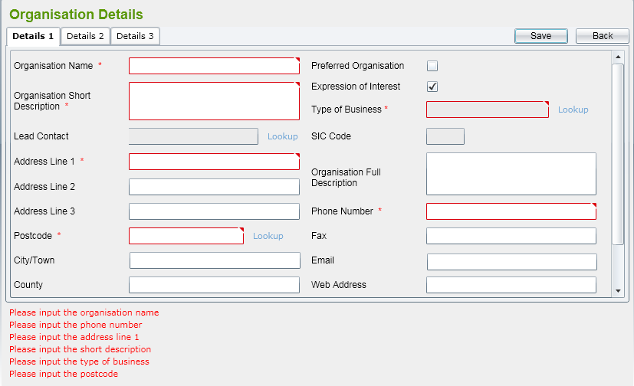 Step 7: Fill in mandatory fileds. Organisation Name is Unique field. Step 8: User click on ‘Save’ button on the screen. The system will validate mandatory fields are already input or not and check if Organisation Name is existed in the system | Pass
AB-SD Functionality Testing 20 | when click to Lookup at Lead contact row : a pop-up window will displayed and show all contacts in the system | ‘Organisation Details’ screen is displayed | Step 1: Open Web browser Step 2: Enter the URL Step 3: Enter the Username/Password Step 4: Click on Organisations Step 5: Click on Create Step 6: Click on tab: Details 1 Step 7: Click on Look up link at Lead Contact row | Step 7: Lead Contact lookup will display all contacts in the system in a pop-up window. | Pass
AB-SD Functionality Testing 21 | Lead contact is not a mandatory field and can be skipped | ‘Organisation Details’ screen is displayed | Step 1: Open Web browser Step 2: Enter the URL Step 3: Enter the Username/Password Step 4: Click on Organisations Step 5: Click on Create Step 6: Click on tab: Details 1 Step 7: Click on Look up link at Lead Contact row | Step 7: Lead Contact is not a mandatory fileds | Fail
AB-SD Functionality Testing 22 | when click to Lookup at Postcode row : a pop-up window will displayed and show all addresses retrieved from database | ‘Organisation Details’ screen is displayed | Step 1: Open Web browser Step 2: Enter the URL Step 3: Enter the Username/Password Step 4: Click on Organisations Step 5: Click on Create Step 6: Click on tab: Details 1 Step 7: Click on Look up link at Postcode row | Step 7: Postcode lookup will display all addresses retrieved from database in a pop-up window. | Pass
AB-SD Functionality Testing 23 | Enter a exist postcode value | ‘Organisation Details’ screen is displayed | Step 1: Open Web browser Step 2: Enter the URL Step 3: Enter the Username/Password Step 4: Click on Organisations Step 5: Click on Create Step 6: Click on tab: Details 1 Step 7: Enter a Postcode value in Postcode row | Step 7: Postcode exists in the database | Pass
AB-SD Functionality Testing 24 | Enter a NOT exist postcode value, prompt message NOT displayed with Y/N confirm question. user only could choose the list postcode | ‘Organisation Details’ screen is displayed | Step 1: Open Web browser Step 2: Enter the URL Step 3: Enter the Username/Password Step 4: Click on Organisations Step 5: Click on Create Step 6: Click on tab: Details 1 Step 7: Enter a Postcode value in Postcode row | Step 7: Enter a Postcode NOT exists in the database. A prompt message should be displayed as 'Address Details cannot be confirmed - Do you wish to enter Unconfirmed Address Data (Y/N?)'. | Fail |  |  | No prompt mesage be displayed
AB-SD Functionality Testing 25 | when click to Lookup at Types of Business row : display all SIC Code data that already listed in reference data. | ‘Organisation Details’ screen is displayed | Step 1: Open Web browser Step 2: Enter the URL Step 3: Enter the Username/Password Step 4: Click on Organisations Step 5: Click on Create Step 6: Click on tab: Details 1 Step 7: Click on Look up link at Types of Business row | Step 7: Type of Business lookup will display all SIC Code data that already listed in reference data. | Pass
AB-SD Functionality Testing 26 | When choose 1 Types of Business from popup window, related SIC Code will be populated to the text box under Type of Business automatically. | Popup window appeared when click to Lookup of type of Business | Step 1: Open Web browser Step 2: Enter the URL Step 3: Enter the Username/Password Step 4: Click on Organisations Step 5: Click on Create Step 6: Click on tab: Details 1 Step 7: Click on Look up link at Types of Business row Step 8: Select a Type of Business | Step 8: After selecting a Type of Business from pop-up window, related SIC Code will be populated to the text box under Type of Business automatically. | Pass
AB-SD Functionality Testing 27 | Some contries NOT belong to reference data. some Countries get from reference data not be displayed. | ‘Organisation Details’ screen is displayed | Step 1: Open Web browser Step 2: Enter the URL Step 3: Enter the Username/Password Step 4: Click on Organisations Step 5: Click on Create Step 6: Click on tab: Details 1 Step 7: Click on Nation/country list | Step 7: Click to Nation/Country, it will list all of country get from reference data | Fail
AB-SD Functionality Testing 28 | If user type ABC character, the message popup need to be displayed to. The length and format of number need correctly | ‘Organisation Details’ screen is displayed | Step 1: Open Web browser Step 2: Enter the URL Step 3: Enter the Username/Password Step 4: Click on Organisations Step 5: Click on Create Step 6: Click on tab: Details 1 Step 7: Enter phone number | Step 7: User need to fill only number, and the constrain for number format correctly | Fail |  |  | check constraints value of phone line
AB-SD Functionality Testing 29 | In-active button is not appeared. | ‘Organisation Details’ screen is displayed | Step 1: Open Web browser Step 2: Enter the URL Step 3: Enter the Username/Password Step 4: Click on Organisations Step 5: Click on Create Step 6: Click on tab: Details 1 Step 7: Enter all information | Step 7: the validation is successful, the Organization record will be saved and the Organization Details screen will continue to allow the user to add Directorates for this Organization. A message stating that the save was successful will also be displayed. | Fail |  |  | 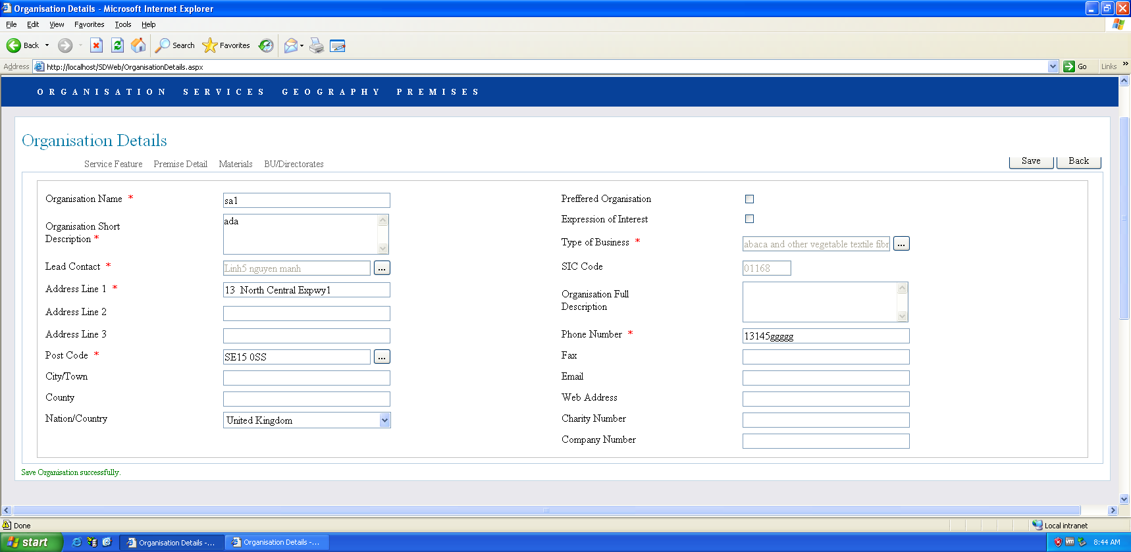
 | 3.2.3 Display of Detail 2 tab |  |  |  | 2
AB-SD Functionality Testing 30 | Check spelling errors | ‘Organisation Details’ screen is displayed | Step 1: Open Web browser Step 2: Enter the URL Step 3: Enter the Username/Password Step 4: Click on Organisations Step 5: Click on Create Step 6: Click on tab: Details 2 | 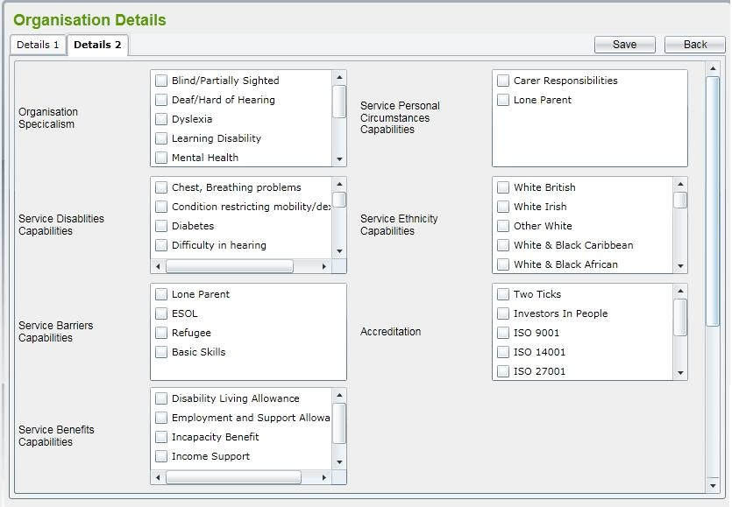 Step 6: Display Details 2 with boxes and checkbox as below | Fail |  |  | details not like SRS.
AB-SD Functionality Testing 31 | Display Details 2 tab : Content in some areas NOT be sorted by ABC alphabet | ‘Organisation Details’ screen is displayed | Step 1: Open Web browser Step 2: Enter the URL Step 3: Enter the Username/Password Step 4: Click on Organisations Step 5: Click on Create Step 6: Click on tab: Details 2 | Step 6: Content in Organisation Specialism ,Services Disabilities Capabilitiese,Services Personal Circumstances Capabilitiese ,Services Benefits Capabilitiese be sorted by ABC alphabet as in requirements | Fail |  |  | details not like SRS.
 | 3.2.4 Display and linked of Detail 3 |  |  |  | 2
AB-SD Functionality Testing 32 | Detail 3 tab is displayed and navigated automatically when click on ‘Expression of Interest’ checkbox in ‘Details 1’ tab | ‘Organisation Details’ screen is displayed | Step 1: Open Web browser Step 2: Enter the URL Step 3: Enter the Username/Password Step 4: Click on Organisations Step 5: Click on Create Step 6: Click on tab: Details 1 Step 7: Click on 'Expression of Interest' checkbox | Step 7: user clicks on ‘Expression of Interest’ checkbox in ‘Details 1’ tab, ‘Detail 3’ tab is displayed and navigated automatically. | Pass
AB-SD Functionality Testing 33 | Detail 3 tab is displayed and navigated automatically when click on ‘Expression of Interest’ checkbox in ‘Details 1’ tab, content is displayed correctly | ‘Organisation Details’ screen is displayed | Step 1: Open Web browser Step 2: Enter the URL Step 3: Enter the Username/Password Step 4: Click on Organisations Step 5: Click on Create Step 6: Click on tab: Details 1 Step 7: Click on 'Expression of Interest' checkbox | 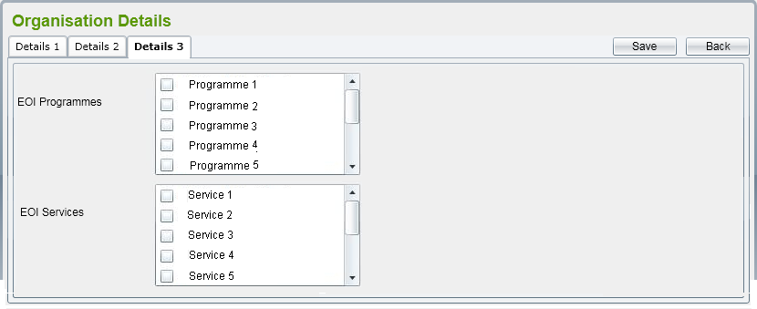 Step 7: user clicks on ‘Expression of Interest’ checkbox in ‘Details 1’ tab, ‘Detail 3’ tab is displayed and navigated automatically. Content of checkbox displayed as SRS | Fail |  |  | check detail contents
 | 4.Non-Functional Test |  |  |  | 6
 | 4.1 Performance Testing |  |  |  | 3
AB-SD Functionality Testing 34 | Performance test for add new functions | Server: CPU – Intel Pentium4 3.0GHz, RAM – 4GB, HDD-160GB, OS-Window Server 2003 SP1. Client: CPU – Intel Pentium4 2.4GHz, RAM – 1GB, HDD-40GB, OS-Window XP SP2 SD Software | Step 1: Open Web browser Step 2: Enter the URL Step 3: Enter the Username/Password Step 4: Click on Organisations Step 5: Fill fields | Step 5: For add new functions - The response time should be in a range of 3-5 seconds. - For the first time to query the page, It’s approximately about 10 seconds. - The following calls should be less than 5 seconds | Pass
AB-SD Functionality Testing 35 | Performance test for list/view functions | Server: CPU – Intel Pentium4 3.0GHz, RAM – 4GB, HDD-160GB, OS-Window Server 2003 SP1. Client: CPU – Intel Pentium4 2.4GHz, RAM – 1GB, HDD-40GB, OS-Window XP SP2 SD Software | Step 1: Open Web browser Step 2: Enter the URL Step 3: Enter the Username/Password Step 4: Click on Organisations Step 5: Fill fields | Step 5: For list/view functions -The response time should be in a range of 7-10 seconds. - The first call might take about 15 seconds. - The following calls should be less than 10 seconds | Pass
AB-SD Functionality Testing 36 | Performance test for all data logic | Server: CPU – Intel Pentium4 3.0GHz, RAM – 4GB, HDD-160GB, OS-Window Server 2003 SP1. Client: CPU – Intel Pentium4 2.4GHz, RAM – 1GB, HDD-40GB, OS-Window XP SP2 SD Software | Step 1: Open Web browser Step 2: Enter the URL Step 3: Enter the Username/Password Step 4: Click on Organisations Step 5: Fill fields | Step 5: For all validation data logic, the response time shouldn’t take than 2 seconds | Pass
 | 4.2 Load Testing |  |  |  | 1
AB-SD Functionality Testing 37 | Load testing for 20-50 concurrent users | Server: CPU – Intel Pentium4 3.0GHz, RAM – 4GB, HDD-160GB, OS-Window Server 2003 SP1. Client: CPU – Intel Pentium4 2.4GHz, RAM – 1GB, HDD-40GB, OS-Window XP SP2 SD Software | Step 1: Open Web browser Step 2: Enter the URL Step 3: Enter the Username/Password | Step 3: Service Directory system should cover the load of 20-50 concurrent users. | NT |  |  | not enough user account to check concurrent users
 | 4.3 Portability Testing |  |  |  | 1
AB-SD Functionality Testing 38 | Portability when using Internet Explorer version 6.0 or later and Firefox. | Server: CPU – Intel Pentium4 3.0GHz, RAM – 4GB, HDD-160GB, OS-Window Server 2003 SP1. Client: CPU – Intel Pentium4 2.4GHz, RAM – 1GB, HDD-40GB, OS-Window XP SP2 SD Software | Step 1: Open Web browser Step 2: Enter the URL Step 3: Enter the Username/Password | Step 3: SD system work well with Internet Explorer version 6.0 or later and Firefox. | Pass
 | 4.4 User Documentation & Help Screen Requirements Testing |  |  |  | 1
AB-SD Functionality Testing 39 | Check : Help Screen Requirements provided in the corner of each screen | Server: CPU – Intel Pentium4 3.0GHz, RAM – 4GB, HDD-160GB, OS-Window Server 2003 SP1. Client: CPU – Intel Pentium4 2.4GHz, RAM – 1GB, HDD-40GB, OS-Window XP SP2 SD Software | Step 1: Open Web browser Step 2: Enter the URL Step 3: Enter the Username/Password Step 4: Click on Organisations Step 5: Click on icon in the corner of the screen | Step 5: An icon will be provided in the corner of each screen that can be clicked to load a page of help for that screen. The help text will be maintained by Shawtrust. | N/A |  |  | Belong to Phrase 2, not developed yet

