01_Function Spec
说明：该页内容是必须的。
Module 模块 | Category 功能区 | Function 一级功能 | Sub-Function 二级功能 | 差异点 | Description 描述 | Requirements ID 需求ID | Source: Reference Chapter / Page / QA No. 溯源：参考文档 章节/页码/QA号 |  | Revision 修订版本 | Applicable Projects 适用项目 | Comments 备注
 |  |  |  |  |  |  | 24MM中国Lexus L1 | 24MM中国Lexus L2 |  | 24MM中国Lexus
 |  |  |  |  |  |  |  |  |  | All
Trusted Update Package(TUP) | Data Format Types | Common | Fixed size byte string | 新规 | This represents a byte string whose length is fixed and has more byte 实体方框代表固定长度的数据，包含一个或多个字节 |  |  |  | v0.8
 |  |  | Variable size byte string format | 新规 | This represents a byte string whose length is variable and has more byte 如下图中代表变长数据，数据长度不固定，可能包含0个或多个字节 |  |  |  | v0.8
 |  | Matadata format | Metadata id format | 新规 | The following figure shows ID format(2 byte)to identify types of metadata 如下图表示mate数据的类型数据结构，总共占用2byte N:name space 一个bit，R：reserved 三个bit， T：type 8bit（All types refer to Table 1） V：version 3bit X：Type-dependent bit (the usage is determined by the type) |  |  |  | v0.8
 |  |  | TLV format | 新规 | This is TLV format contains Type. Length and Value,the Type represent the type of the data, Length is the whole data size and Value is store data 如下图所示 TLV格式，包含三部分 Type，Length，Value，type代表当前TLV数据的类型，Length是整个TLV数据的长度，Value为变长数据，不固定长度，其中 Type 和 Length长度是固定的 |  |  |  | v0.8
 |  |  | TLV format(version1) | 新规 | 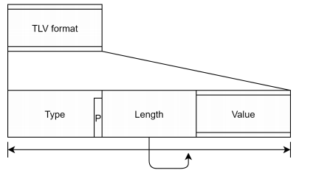 The following figure shows the TLV format of version 1 without the padding field Type： 2byte, refer to Metadata id format Type.P： X bit in the metadata ID format. No padding when it is 0, and padding when it is 1 Length： 6byte, length of the entire TLV Value： the length and location of the stored data 如下图为版本1的TLV格式，不带padding字段 Type： 参考Metadata id format 2byte Type.P： Metadata ID format中的X bit。为0时无pandding，为1时有pandding Length： 整个TLV的长度 6byte Value： 存储的数据 长度位置，视具体情况而定 |  |  |  | v0.8
 |  |  | TLV format(version2) | 新规 | 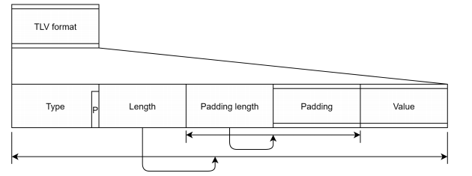 The following is the version 2 TLV format, including the Padding field. Compared with version 1, Padding light and padding are added. Padding Length：4Bytes, Byte size of the length of padding including itself Padding： Variable length, padding to adjust alignment of the value 如下为版本2的TLV格式，包含了Padding字段，相比较版本1 增加了Padiing lenght 和padding Padding Length：包含了Padding Length 和 Padding的总长度，4个字节 Padding：调整value数据的对齐值，长度不固定 |  |  |  | v0.8
 |  | Endain | / | 新规 | The Version in the FixedHeader represents whether the byte order of the TUP file is Big Endian or Little Endian. 表示当前TUP数据是 大端序还是小端序 |  |  |  | v0.8
 | TUP format overall | / | / | 新规 | The Tup consists of fout block,which are FixedHeader,VariableHeader,VariableFooter,FixedFooter TUP 数据包总共包含四部分：FixedHeader，VariableHeader，VariableFooter，FixedFooter |  |  |  | v0.8
 | FixedHeader(FH) | / | / | 新规 | The data structure of the FH is determined by the value of FH type,and the detial attention to Apendix_detail_table Table2 如下图，为TUP中FixeHeader的结构说明，具体内容解释说明参考Apendix_detail_table 表2 |  |  |  | v0.8
 | VariableHeader(VH) | Overall | / | 新规 | Data structure of VH is determined by the VH type in the FH. The VH type contains Fixed Order and TLV format. VH的数据结构有两种，Fixed order 和 TLV forma。当前包用的什么格式在FixedHeader的VH type中定义 |  |  |  | v0.8
 |  | VH：Fixed Order | / | 新规 | 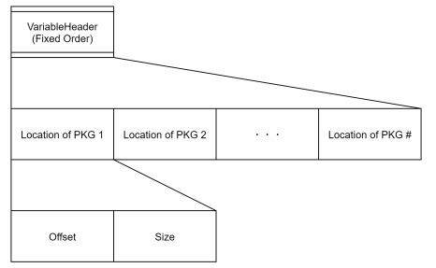 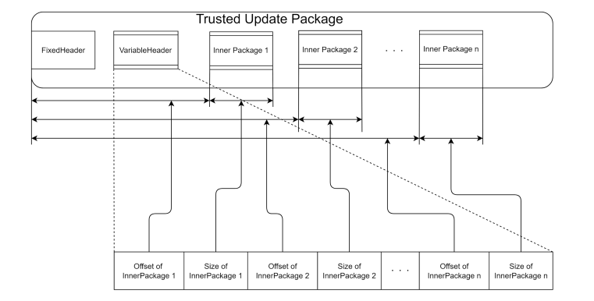 This format contains location information of each Inner Package ，contains offset and size Offset：8Bytes, Offset from the top of TUP to the Inner Package Size：8Bytes, Size of Inner Package 这个数据结构的VH主要包含了每个package的location信息，包括offset和Size Offset：从top头开始到Inner package的偏移, 共8bytes Size：Inner Package的总长度，共8bytes This following figure is the format location information 下图为这种格式的package信息位置的具体示例 |  |  |  | v0.8
 |  | VH：TLV fromat | TLV format Types | 新规 | The following figure is TLV Format (Version 1). This format contains zero or more data in TLV format within a range that dose not exceed the size of VH defined in FH. TLV format contains two types: · Index · Location information of Inner Package 下图为TLV format(version 1)的结构，他可以理解为一个树状结构，他可能0个或者多个TLVformat，并且他的大小 是不包含在VH的大小（FH中定义的VH的大小）中的. TLV format主要有以下两种 · Index · Inner pacakge的位置信息 TLV format information TLV format主要有以下两种 1 (Index)index 2 (Location of the Inner Package)Inner pacakge的位置信息 |  |  |  | v0.8
 |  |  | Type details: Index | 新规 | The following figure is Index TLV format. Each TLV format data's type and offset are stored in pairs. Whenever this type exists, it is stored at the beginning of data. Not all the TLV format indexes might be included and index itself is not included. The pair information is listed below: Type: 2 bytes, type of the TVL format Offset: 6 bytes, offset form the top of TUP to the TLV format 下图为索引TLV格式。每个TLV格式数据的类型和偏移量成对存储。只要存在此类型，它就会存储在数据的开头。并非所有TLV格式索引都可能包含在内，索引本身也不包含在内。配对信息如下： Type：2 bytes，TVL格式的类型 Offset：6 bytes，从TUP开始到TLV格式的偏移量 The below figure is the relationship between index type and other TLV formats. 下图是Index TLV与其他TLV格式之间的关系。
 |  |  | Type details: Location information of Inner Package | 新规 | This format contains every location information of inner package The offset and the size are contained as location information of Inner Package in pairs. The pair information is listed below: ·Offset: 8 bytes, offset from the top TUP to the inner Package ·Size: 8 bytes, size of the Inner Package 下图为Location infomation of Inner Package TLV。这类格式的TLV包含了每个inner package的位置信息 Type： Location Information of Inner Package Length：为整个TLV的长度 Value： 包含多个package的位置信息数据组，每个数据组包含两个数据，Offset of Inner Package和Size Of Inner Package，他可能有0个或者多个数据组，代表0个或多个数据包 offset：从TUP 开始位置到InnerPackage的offset 8byte Size：Inner Package的数据大小 8byte
 | VariableFooter(VF) 变长页脚 | Overall | / | 新规 | Data structure of VF is determined by its type defined in the FH. Currently, TLV format only can be used as the VH type VF的数据结构由FH中定义的类型决定。目前，TLV格式只能用作VH类型 |  |  |  | v0.8
 |  | VF type : TLV format ( Version 1） | / | 新规 | 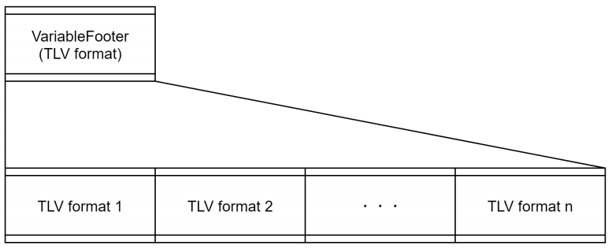 This format contains 0 or more TLV format data within the range of its size defined in the FH. Types of this TLV format are ·Index: Same as Index TLV format of VH type ·Inner Package information 此格式包含0个或多个TLV格式数据，其大小定义在FH(Fixed Header)中。 请参阅类型详细信息： •索引：与VH的Index TLV格式相同 •内包信息 |  |  |  | v0.8
 |  | Inner package information | format overall | 新规 | This type contains 0 or more TLV format data with the range of the Length. The order of inner Packages is the same as VH type : Fixed order（Version1） Types of this TLV format are: 该类型包含0或多个带长度范围的TLV格式数据，内包的顺序和VH type: Fixed Order(Version 1)相同， TLV 格式定义如下： - Index - Name - Domain - Compression(whole) - Compression(fixed size block) - Compression(variable size block) - Encryption method - ICV-TREE - ICV-RRAY - Process order(under consideration) - Update flow(under consideration) - DELTA-PATCH - ICV-AFTER-DATA - ICV-BLOCK |  |  |  | v0.8
 |  |  | Type details : Name | 新规 | 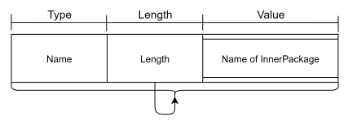 The following figure is the format of Name. 下图是名称的格式。 The name of the Inner Package(String) is stored. 内部包的名字（字符串类型）被存储在该类型中 |  |  |  | v0.8
 |  |  | Type Details : Version | 新规 | The following figure is the format of Version. 下图是版本的格式。 The version of the Inner Package is stored 内部包的版本被存储在该类型中 |  |  |  | v0.8
 |  |  | Type Details : Domain | 新规 | The following figure is the format of Domain. 下图是域的格式。 The domain of the inner Package is stored 内部包的domain被存储在该类型中 |  |  |  | v0.8
 |  |  | Type Details : Compression(whole) | 新规 | 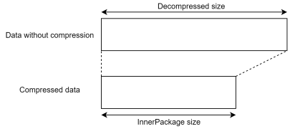 The following figure is the format of Compression(whole). 下图是压缩（完全）的格式。 This type exists when the entire Inner Package is compressed at once 当一次压缩整个内部包时，该类型存在 Table. Details of the Value 该值的详细信息如下 |  |  |  | v0.8
 |  |  | Type details : Compression(fixed size block) | 新规 | 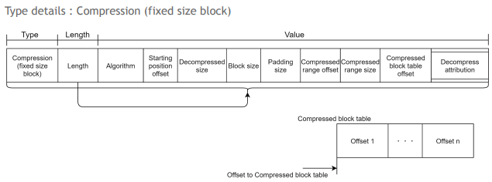 The following figure is the format of Compression(fixed size block). 下图是压缩（固定大小块）的格式。 This type exists when the target data is compressed with a fixed sized block. The compressed data can be obtained using compressed range offset and compressed range size. The starting position offset and decompressed size represents the data range after decompression Compressed block tables can be placed at any position in a TUP file and can be accessed using offset to compressed block tables , Random access is possible if there are multiple offsets . If a gap between consecutive offsets is the same as the block size , the block is not compressed. There can be multiple of this type of information for a target data. In this case decompressed ranges don't overlap each other and are stored in a TUP file by ascending order of offsets. See Table 3 and Figure 1 of "Apendix_detail_table" for compression type values. 当目标数据压缩成固定大小的块时，该类型存在。 压缩数据可以通过压缩偏移量和压缩值的大小获得，起始位置偏移和解压缩尺寸表示解压缩后的数据范围 压缩块表可以放置在TUP文件中的任何位置，可以通过偏移量访问压缩块表。如果存在多个偏移量，则可以随机访问，如果连续偏移量之间的间隙与块大小相同，则不压缩块。 在这种情况下，一个目标数据可以有多个这样的信息，显示重叠的压缩范围，并通过偏移量的升序存储在TUP文件中。 压缩类型的取值详细信息见 Apendix_detail_table 表3和图1。 |  |  |  | v0.8
 |  |  | Type details : Compression(veriable size block) | 新规 | The following figure is the format of Compression(variable size block). 下图是压缩（可变大小块）的格式。 This type exists when the target data is compressed with a variable sized block. The compressed data can be obtained using compressed range offset and compressed range size. The starting position offset and decompressed size represents the data range after decompression. Compressed block tables can be placed at any position in a TUP file and can be accessed using offset to compressed block tables , The number of offsets is the number of offsets in the table.Random access is possible if there are multiple offsets . If a gap between consecutive offsets is the same as the block size , the block is not compressed. There can be multiple of this type of information for a target data. In this case decompressed ranges don't overlap each other and are stored in a TUP file by ascending order of offsets. See Table 4 and Figure 2 of "Apendix_detail_table" for compression type values. 当使用可变大小的块压缩数据时，该类型存在。 压缩数据可以通过压缩范围偏移值和压缩范围大小进行获取，起始偏移位置和解压大小代表了解压之后的数据范围。 压缩块表可以放置在TUP文件中的任何位置，并且可以通过偏移量访问压缩块表，偏移量是整体表的偏移量，在多个偏移量中可以进行随机访问，如果连续偏移量之间的间隙与块大小相同，则不压缩块。 一个目标数据存在多个类型的信息，在这种场景下，解压缩范围不会相互重叠，按照升序方式排序。 压缩类型的取值详细信息见Apendix_detail_table 表4，图2。 |  |  |  | v0.8
 |  |  | Type details : Encryption method | 新规 | 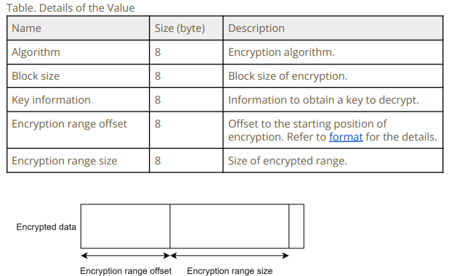 The following figure is the format of Encryption method. 下图是加密方法的格式。 This type exists when the target data is encrypted. Encrypted data can be found using encryption range offset and encryption range size . It isencrypted using a key which can be obtained from the key information. Detailed info of ICV generation flow refers to [02_Appendix_ICV Generation Flow] 该类型仅当对数据进行加密时存在。加密数据可以通过加密范围平移量和加密范围大小进行定位，加密使用的密钥可以从密钥信息中获取。ICV generation flow 详细信息见 03_Appendix_ICV Generation Flow 数据的详细取值信息和结构如下： |  |  |  | v0.8
 |  |  | Type details : ICV-TREE | 新规 | 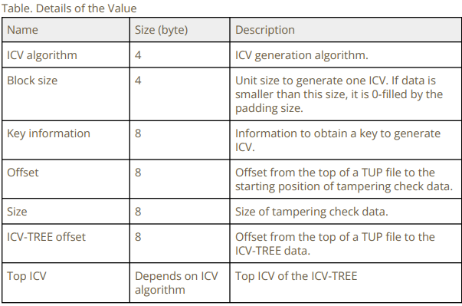 The following figure is the format of ICV-Tree. 下图是ICV-Tree的格式。 This type is for information on ICV tree structure to check tampering 此类型用于检查有关缓冲的ICV树结构信息 |  |  |  | v0.8
 |  |  | Type Details : ICV-ARRAY | 新规 | The following figure is the format of ICV-ARRAY. 下图是ICV-ARRAY的格式。 This type summarizes multiple tampering check data. The tampering check data includes ICV-ARRAY and ICV-TREE too The ICV can be calculated by the tampering check data using a key obtained from the ICV algorithm and key information 该类型概述了多个篡改检查数据。篡改检查数据包含ICV-ARRAY和ICV-TREE，从ICV算法和ICV信息中获取密钥，该密钥用于计算篡改检查数据 |  |  |  | v0.8
 |  |  | Type Details : Processing order (under consideration) | 新规 | The following figure is the format of Processing order (under consideration) 下图是处理顺序的格式。 This type contains a processing order when a default order, that is compress , encrypt andenerate ICV , is not applied. 当为使用压缩、加密和生成ICV的默认顺序时，此类型包含处理顺序 |  |  |  | v0.8
 |  |  | Type Details : Update flow(under consideration) | 新规 | 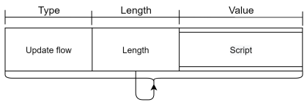 The following figure is the format of Update flow(under consideration) 下图是升级流程的格式。 This type contains a script and an update flow of inner packages are written in it 该类型包含一个脚本和一个升级流的内部包 |  |  |  | v0.8
 |  |  | Type Details : DELTA-PATCH | 新规 | 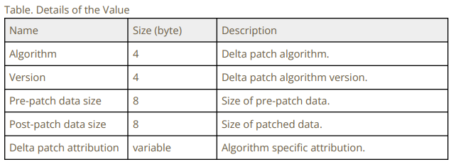 The following figure is the format of DELTA-PATCH 下图是DELTA-PATCH的格式。 This type exists when the target data is a delta patch 当目标数据是一个delta数据时该类型存在 |  |  |  | v0.8
 |  |  | Type Details : ICV-AFTER_DATA | 新规 | 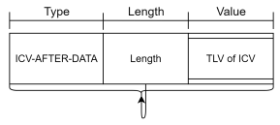 The following figure is the format of ICV-AFTER_DATA 下图是ICV-AFTER_DATA的格式。 This type is ICV information for patched data 该类型是补丁数据的ICV信息 |  |  |  | v0.8
 |  |  | Type Details : ICV-BLOCK | 新规 | 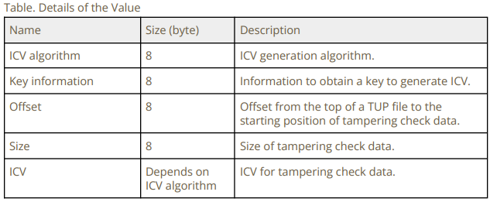 The following figure is the format of ICV-BLOCK 下图是ICV-BLOCK的格式。 This type is ICV block information to check for tampering 该类型是用于篡改检查的ICV块信息 |  |  |  | v0.8
 | FixedFooter（FF） | / | / | 新规 | The following figure shows the data structure of FixedFooter, which contains a lot of information. Please refer to Apendix_detail_table Table5 for detailed data structure define. Apendix_detail_table Figure 3 shows the ICV information acquisition and use process 如下图为FixedFooter的数据结构，包含了很多信息，数据结构定义参考Apendix_detail_table 表5。Apendix_detail_table 图3 表示ICV信息获取以及使用流程 This type has the Root ICV of each ICVs and the Root ICV is calculated by ICV-ARRAY with a key obtained from the ICV algorithm and key information 1. ICV-ARRAY offset, ICV-ARRAY size and ICV algorithm are included in the tampering check target of ICV-ARRAY. Signature of the Root ICV is calculated by the data of between the top of the FF and the SIGN with a key obtained from the SIGN algorithm and key information 3. Checksum to brief-check tampering data in the entire TUP file is calculated by the checksum algorithm. 该类型具有每个ICV的Root ICV，并且Root ICV由ICV-ARRAY使用从ICV算法获得的密钥和密钥信息1计算。ICV-ARRAY的篡改检查目标包括ICV-ARARY偏移、ICV-ARLAY大小和ICV算法。 Root ICV的签名由FF顶部和SIGN之间的数据以及从SIGN算法获得的密钥和密钥信息3计算。 通过校验和算法计算校验和，以简要检查整个TUP文件中的篡改数据。 |  |  |  | v0.8

02_Apendix_detail_table
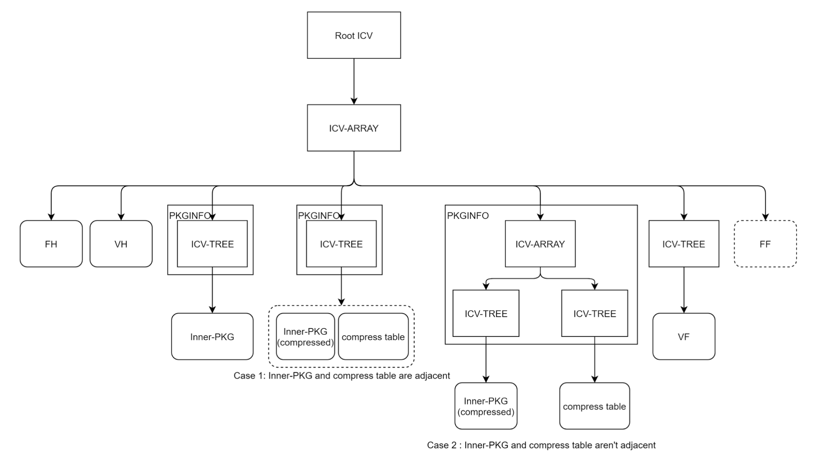
Table 1: Metadata ID Type
 | Type Value | Description
 | 0x00 | Invalid 不可用
 | 0x01 | Index Information 索引信息
 | 0x02 | Inner package location in TUP TUP内包位置
 | 0x03 | ICV-TREE information ICV-TREE信息
 | 0x04 | ICV-ARRAY information ICV-ARRAY信息
 | 0x05 | Inner Package Information 内部包信息
 | 0x06 | Inner Package name 内部包名称
 | 0x07 | Compression ( whole ) information （全）压缩信息
 | 0x08 | Compression (fixed length block) information （定长块）压缩信息
 | 0x09 | Compression (variable block) information （变长块）压缩信息
 | 0x0A | Encryption information 加密信息
 | 0x0B | Update flow 升级流
 | 0x0C | Inner Package version 内部包版本
 | 0x0D | Domain of Inner Package 内部包的域
 | 0x0E | Processing order of the target data ( compression , encryption and ICV ) 目标数据的处理顺序（压缩，加密，ICV）
 | 0x0F | Delta patch delta补丁
 | 0x10 | ICV of patched data ICV补丁数据
 | 0x11 | ICV-BLOCK information ICV-BLOCK信息
 | 0xFA | TLV format TLV 格式
 | 0xFB | VariableFooter(TLV format) 变长页脚（TLV格式）
 | 0xFC | VariableHeader(TLV format) 变长页头（TLV格式）
 | 0xFD | FixedFooter(Fixed order) 定长页脚 （固定顺序）
 | 0xFE | VariableHeader(Fixed order) 变长页头（固定顺序）
 | 0xFF | FixedHeader(Fixed order) 定长页头（固定顺序）

Table 2: FH Fixed Order(Version 1) data structure / 数据结构
 | Name | Size(byte) | Description
 | FH Type FH类型 | 8 | Represents data structure of FH. See the bottom of this table for the format 表示FH的数据结构。格式见本表底部
 | Version 版本 | 4 | TUPS identification information . It is also used to identify endianness , so byte swapping will not result in the same value TUP的标识信息。它还用于标识端序，因此字节交换不会产生相同的值
 | The number of Inner Package 内部包的数量 | 4 | The number of Inner Package in TUP 在TUP中内部包的数量
 | VH(VariableHeader) type VH(变长头)类型 | 8 | Represents data structure of VH . See the bottom of this table for the format 表示VH的数据结构。理论见本表底部
 | VH(VariableHeader) offset VH(变长头)偏移量 | 8 | offset from top of TUP to VH 从TUP顶部到VH的偏移量
 | VH(VariableHeader) size VH(变长头)大小 | 8 | VF block size VF块大小
 | FF(fixedFooter) type FF(定长页脚) 类型 | 8 | Represents data structure of FF. See the bottom of this table for the format 表示VH的数据结构。理论见本表底部
 | FF(fixedFooter) offset FF(定长页脚) 偏移量 | 8 | offset from top of TUP to FF 从TUP顶部到FF的偏移量
 | FF(fixedFooter) size FF(定长页脚) 大小 | 8 | FH block size FH块大小

Table 3: Type details: Compression(variable size block)
 | Name | Size(byte) | Description
 | Algorithm 算法 | 8 | Compression algorithm 压缩算法
 | Starting position offset 起始位置偏移量 | 8 | Offset to the starting position of compression The format is The top 16 bits are reservede The latter 48 bits are offset value and always positive value When MSB is 0, the offset is from the top of the TUP file When MSB is 1, the offset is from the top of the Inner Package 压缩起始位置的偏移量 格式为 保留前16位 后48位为偏移值，始终为正值 当MSB为0，偏移量从TUP的顶部开始 当MSB为1，偏移量从内部包的顶部开始
 | Decompressed size 解压大小 | 8 | Size after decompression 解压之后的大小
 | Block Size 块大小 | 4 | Unit size of compression, if data is smaller than this size, it is 0-filled by the padding size 压缩的单位大小，如果数据小于此大小，则填充大小为0
 | Padding Size 填充大小 | 4 | Padding size of terminal block 终点块的填充大小
 | Compressed range size | 8 | Size of compressed range 压缩范围大小
 | Compressed block table offset | 8 | Offset to a compressed block table,refer to format for the details 压缩块表的偏移量，有关详细信息，请参阅格式
 | Decompress attribution | variable | Algorithm specific attribution 特定属性的算法
 | Offset 偏移量 | 8 | Offset to each compressed block 每个压缩块的偏移量

Table 4: Type details: Compression(variable size block) / 压缩（可变大小块）的详细信息
 | Name | Size(byte) | Description
 | Algorithm 算法 | 8 | Compression algorithm 压缩算法
 | Starting position 起始位置 | 8 | Offset to the starting position of compression，refer to format for the details 压缩起始位置的偏移量,详细信息请参考format
 | Decompressed size 解压大小 | 8 | Size after decompression 解压之后的大小
 | Compressed range offset 压缩范围偏移量 | 8 | Offset to compressed range，refer to format for the details 压缩范围的偏移量,详细信息请参考format
 | Compressed range size | 8 | Size of compressed range 压缩范围大小
 | The number of offsets 偏移量的数量 | 8 | The number of offsets in the compressed block table 压缩块表的偏移量的数量
 | Compressed block table offset | 8 | Offset to a compressed block table,refer to format for the details 压缩块表的偏移量，有关详细信息，请参阅格式
 | Decompress attribution | variable | Algorithm specific attribution 特定属性的算法
 | Offset before compression 压缩前的偏移量 | 8 | Offset to each block before compression, refer to format for the details 每个压缩块压缩前的偏移量，详细信息请参考format
 | Offset after compression 压缩后的偏移量 | 8 | Offset to each block before compression, refer to format for the details 每个压缩块压缩后的偏移量，详细信息请参考format

Table 5：FH format info / FH的格式说明
 | Name | Size(byte) | Description
 | ICV-ARRAY offset ICV-ARRAY偏移量 | 8 | Offset from the top of a TUP file to ICV-ARRAY 从TUP顶部到ICV-ARRAY的偏移量 压缩算法
 | ICV-ARRAY size ICV-ARRAY大小 | 8 | Offset from the top of a TUP file to ICV-ARRAY 从TUP顶部到ICV-ARRAY的偏移量 压缩算法
 | ICV algorithm ICV算法 | 4 | Algorithm to generate the Root ICV 生成根ICV的算法
 | ICV block size ICV 块大小 | 4 | Unit size to generate one ICV . If data is smaller than this size , it is 0-filled by the padding size 生成一个ICV的单元大小。如果数据小于此大小，则填充大小为0
 | Key information 1 关键信息1 | 64 | formation to obtain a key to generate the Root ICV . The actual size depends on the ICV algorithm 以获得生成根ICV的密钥。实际大小取决于ICV算法
 | Root ICV 根ICV | 128 | Root ICV of each ICVS . Calculated by the CV-ARRAY . The actual size depends on the ICV algorithm and unused bytes are 0-filled 每个ICVS的根ICV。由CV-ARRAY计算。实际大小取决于ICV算法，未使用的字节为0填充
 | Encryption algorithm VH and VF VH和VF的加密算法 | 4 | Encryption algorithm used for encryption of VH and VF 用于VH和VF加密的加密算法
 | Encryption block size | 4 | Block size of encryption 加密的块大小
 | Key information 2 关键信息2 | 64 | Information to obtain a key used for decryption. The actual size depends on the encryption algorithm of VH and VF .( The unused bytes are 0-filled） 获取用于解密的密钥的信息。实际大小取决于VH和VF的加密算法。（未使用的字节为0填充）
 | SIGN algorithm SIGN算法 | 4 | Algorithm to generate SIGN 生成SIGN的算法
 | SIGN block size SIGN块大小 | 4 | Block size to generate SIGN 生成SIGN的块大小
 | Key information 3 关键信息3 | 64 | Information to obtain a key to generate SIGN . The actual size depends on the SIGN algorithm . ( The unused bytes are 0-filled) 获取密钥以生成SIGN的信息。实际大小取决于SIGN算法。（未使用的字节为0填充）
 | checksum algorithm 校验和算法 | 4 | Algorithm to generate checksum 生成检验和的算法
 | checksum 校验和 | 4 | Data to check tampering of the entire TUP 检查整个TUP篡改的数据

Figure 1: Schematic of compression algorithm for fixed size blocks / 固定Size块的压缩算法示意

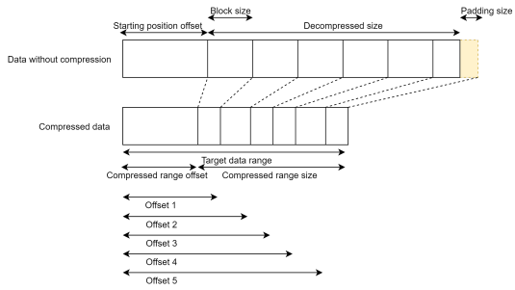

Figure 2: Schematic of compression algorithm for variable size blocks / 变长Size块的压缩算法示意
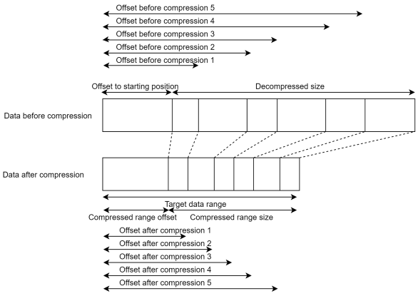

Figure 3: ICV Tree

02_Appendix_ICV Generation Flow
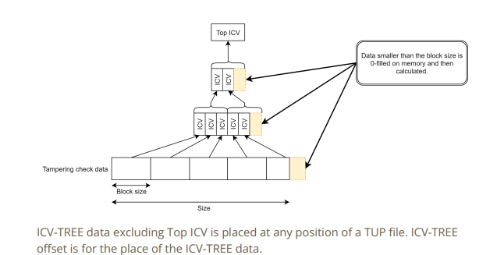
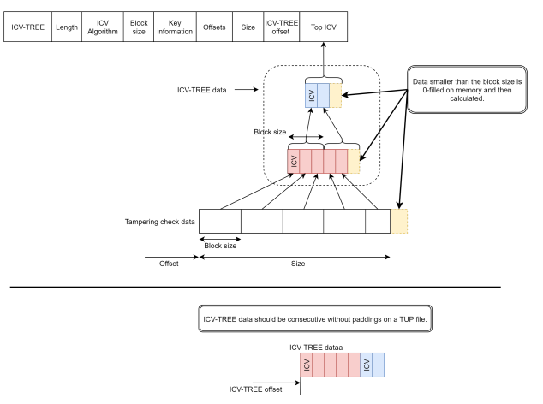
ICV generation flow

 | 1. Obtain tampering check data using the offset and the size, and then divide it by theblock size. Generate ICV of each divided data with a key obtained from the ICV algorithm and key information. Apply 0-fill padding to data that is smaller than the block size. Gather generated ICVS and connect them to ICV-TREE data

 | 1. 使用偏移量和大小获取篡改检查数据，然后将其除以块大小。使用从ICV算法获得的密钥和密钥信息生成每个分割数据的ICV。对小于块大小的数据应用0填充填充。收集生成的ICVS并将其连接到ICV-TREE数据

 | 2.Divide gathered ICVS by the block size and generate ICV with a key obtained from the ICV algorithm and key information

 | 2.将收集的ICVS除以块大小，并使用从ICV算法获得的密钥和密钥信息生成ICV

 | 3.Repeat this process until only one ICV will be generated . The last one ICV is the Top

 | 3.重复此过程，直到只生成一个ICV,最后一个ICV在最上面

