GİRİŞ
ED | VERİ BAŞLIKLARI | GEMİ BİLGİLERİ DOLDUR

PDF VE KAYIT
 | GEMİ ADI : | M/T ALSU
 | NRT (Net Tonaj) : | 1004
 | GRT (Gross Tonaj) : | 2298
 | YÜK MİKTARI : | 3001
 | BARINMA SÜRESİ : | 4
 | ÖN GÖRÜLEN DEMİRLEME SÜRESİ :
 | TEHLİKELİ YÜK : | EVET
 | GÜMRÜK SEÇ : | İTHALAT

 | DTO: | TÜRK / CHAMBER OF SHIPPING FEE
 | BARINMA / LİMAN : | YABANCI

 | FENER: | TÜRK

 | VTS: | TÜRK

 | REF NO : | 2026/1202

 | TO KISMI : | CHEMTANKERS SHIPPING SA
 | BAYRAK: | TURKIYE
 | GELİŞ NEDENİ: | Discharging
 | KARGO CİNSİ : | SFS OIL
 | LİMAN: | IZMIR
 | OTO SERVİS

TEKIRDAG CEYPORT
 | PROFORMA D/A – INVOICE (Ref: 2026/1202 - M/T ALSU Call at IZMIR)

TO: CHEMTANKERS SHIPPING SA
DATE: 24.02.2026

Vessel's Particulars |  |  | Port: | TEKIRDAG
Name Of Vsl: | M/T ALSU |  | Purpose Of Call: | Discharging
Flag : | TURKIYE |  | Kind Of Cargo: | SFS OIL
Nrt: | 1004 |  | Qnty Of Cargo: | 3001
Grt: | 2298 |  | Est. Berth Stay: | 4

$ 1 = | €1.1785 | CEYPORT port in Turkey in/out exp.(estimated)
$958 | €813 | Pilotage (%50 overtime will applicable on National/ Religions holidays & sundays)
$1,369 | €1,162 | Tugboats (%50 overtime will applicable on National/ Religions holidays & sundays)
$300 | €255 | Wharfage / Quay dues
$117 | €100 | Mooring boat (%50 overtime will applicable on National/ Religions holidays & sundays)
$165 | €140 | Garbage (compulsory charge)
$107 | €91 | Harbour Master dues
$496 | €421 | Sanitary dues
$224 | €190 | Light dues
$689 | €585 | Customs Overtime
$0 | €0 | Anchorage dues for ()
$47 | €40 | Chamber of shipping fee
$580 | €492 | Chamber of shipping share on freight
$24 | €20 | Contr. to Maritime Association fee
$500 | €424 | Motorboat exp.
$550 | €467 | Facilities & Other exp.
$500 | €424 | Transportation exp.
$250 | €212 | Fiscal & Notary exp.
$250 | €212 | Communication & Copy & Stamp exp.
$530 | €450 | Supervision fee (as per official tariff)
$1,768 | €1,500 | Agency fee (as per official tariff, please see below remark)
$9,425 | €7,997 | Total port expenses.

E. & O.E. - All items are subject to final verification against official tariffs.
"Please remit the total amount to our bank account prior to vessel's arrival."
* Turkish Freight Tax: - Nil- Not applicable for discharging cargoes...
* The above basic agency fee is charged for vsl stay in port and/or territorial waters up to 7(seven) days (incl.) irrespective of reason of stay.
When the vsl stay exceeds 7(seven) days, %20 (twenty) of basic fee will be added for each of 5(five) day.
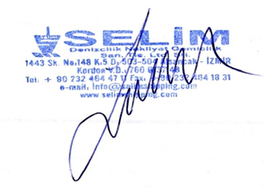
Our Bankers
YAPI KREDI BANKASI
SAIRESREF BRANCH – IZMIR/TURKEY
SWIFT CODE | : YAPITRISXXX
USD IBAN | : TR80 0006 7010 0000 0070 3050 34
EUR IBAN | : TR89 0006 7010 0000 0059 7528 24
TL IBAN | : TR47 0006 7010 0000 0070 2494 65
IN FAVOUR OF | : SELIM DENIZCILIK,NAKLIYAT,GEMICILIK SAN.TIC.LTD.STI.

Alsancak, Kıbrıs Sehitleri Cd. No: 148 K:5 D: 503, 35220 Konak/Izmir - TURKIYE | T. Office: KORDON - T. No:7600137148 TEL: +90 232 464 47 11 | www.selimshipping.com
HQ: IZMIR | BRANCHES: ALIAGA - TEKIRDAG - MERSIN

ISS PALM FORMAT
 | PROFORMA D/A – INVOICE (Ref: 2026/1202 - M/T ALSU Call at IZMIR)

TO: CHEMTANKERS SHIPPING SA
DATE: 24.02.2026

Vessel's Particulars |  |  | Port: | IZMIR
Name Of Vsl: | M/T ALSU |  | Purpose Of Call: | Discharging
Flag : | TURKIYE |  | Kind Of Cargo: | SFS OIL
Nrt: | 1004 |  | Qnty Of Cargo: | 3001
Grt: | 2298 |  | Est. Berth Stay: | 4

$ 1 = | €1.1785 | Alsancak TCDD port in Turkey in/out exp.(estimated)
$958 | €813 | Pilotage (%50 overtime will applicable on National/ Religions holidays & sundays)
$1,369 | €1,162 | Tugboats (%50 overtime will applicable on National/ Religions holidays & sundays)
$958 | €813 | Pelikan Bank Passage Pilot(Not Compulsary)
$300 | €255 | Wharfage / Quay dues
$117 | €100 | Mooring boat (%50 overtime will applicable on National/ Religions holidays & sundays)
$165 | €140 | Garbage (compulsory charge)
$107 | €91 | Harbour Master dues
$496 | €421 | Sanitary dues
$224 | €190 | Light dues
$46 | €39 | Vts Fee
$689 | €585 | Customs Overtime
$47 | €40 | Chamber of shipping fee
$580 | €492 | Chamber of shipping share on freight
$225 | €191 | Motorboat exp.
$2,400 | €2,036 | Agency fee (as per official tariff, please see below remark)
$8,683 | €7,368 | Total port expenses.

E. & O.E. - All items are subject to final verification against official tariffs.
"Please remit the total amount to our bank account prior to vessel's arrival."
* Turkish Freight Tax: - Nil- Not applicable for discharging cargoes...
* The above basic agency fee is charged for vsl stay in port and/or territorial waters up to 7(seven) days (incl.) irrespective of reason of stay.
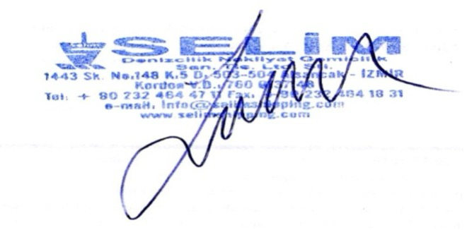
When the vsl stay exceeds 7(seven) days, %20 (twenty) of basic fee will be added for each of 5(five) day.

Our Bankers
YAPI KREDI BANKASI
SAIRESREF BRANCH – IZMIR/TURKEY
SWIFT CODE | : YAPITRISXXX
USD IBAN | : TR80 0006 7010 0000 0070 3050 34
EUR IBAN | : TR89 0006 7010 0000 0059 7528 24
TL IBAN | : TR47 0006 7010 0000 0070 2494 65
IN FAVOUR OF | : SELIM DENIZCILIK,NAKLIYAT,GEMICILIK SAN.TIC.LTD.STI.

Alsancak, Kıbrıs Sehitleri Cd. No: 148 K:5 D: 503, 35220 Konak/Izmir - TURKIYE | T. Office: KORDON - T. No:7600137148 TEL: +90 232 464 47 11 | www.selimshipping.com
HQ: IZMIR | BRANCHES: ALIAGA - TEKIRDAG - MERSIN

