Sheet1
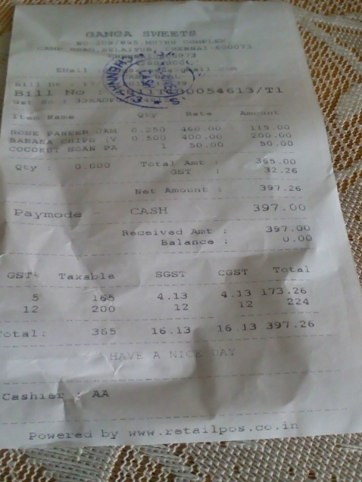
0 | 1 | 2 | 3
cocoN | 1 | 50.0C | 50.0O
0 | 0 | SANAN | 200.00
0 | 0 | GST | 32.26

