Sheet1
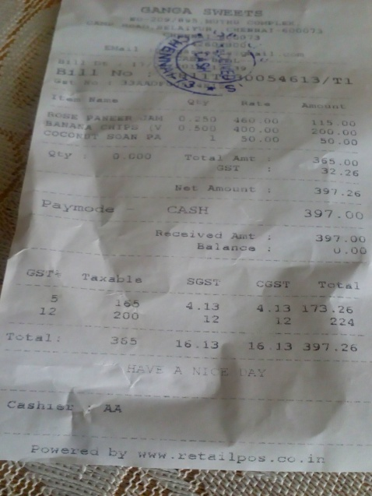
0 | 1 | 2
coco | 2 | 200.00
2ty | Tota Amt | 365.00

