Sheet1
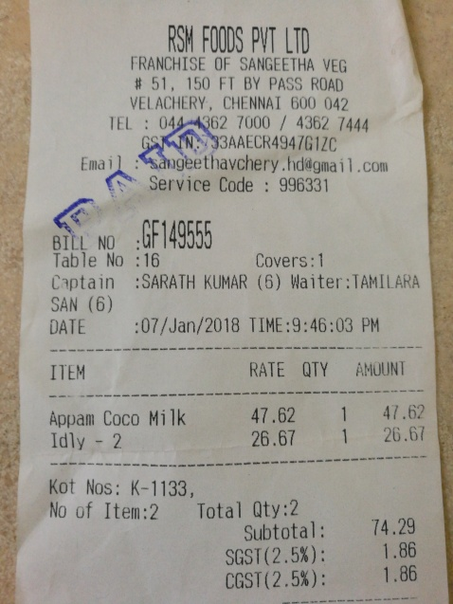
RATE | QTY | AMOUNT
ITEM 47.62 | 1 | 47.62
Appam Coco Milk |  | 26.67
26.67 Idly 2 | 1

