Sheet1
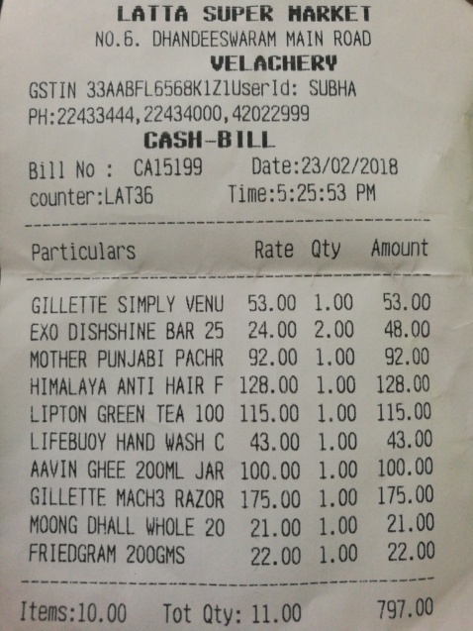
Particulars | Rate | Qty | Amount
GILLETTE SIMPLY VENU | 53.00 | 1.00 | 53.00
EXO DISHSHINE BAR 25 | 24.00 | 2.00 | 48.00
MOTHER PUNJABI PACHR | 92.00 | 1.00 | 92.00
HIMALAYA ANTI HAIR F | 128.00 | 1.00 | 128.00
LIPTON GREEN TEA 100 | 115.00 | 1.00 | 115.00
LIFEBUOY HAND WASH C | 43.00 | 1.00 | 43.00
AAVIN GHEE 200ML JAR | 100.00 | 1.00 | 100.00
GILLETTE MACH3 RAZOR | 175.00 | 1.00 | 175.00
MOONG DHALL WHOLE 20 | 21.00 | 1.00 | 21.00
FRIEDGRAM 200GMS | 22.00 | 1.00 | 22.00

