Sheet1
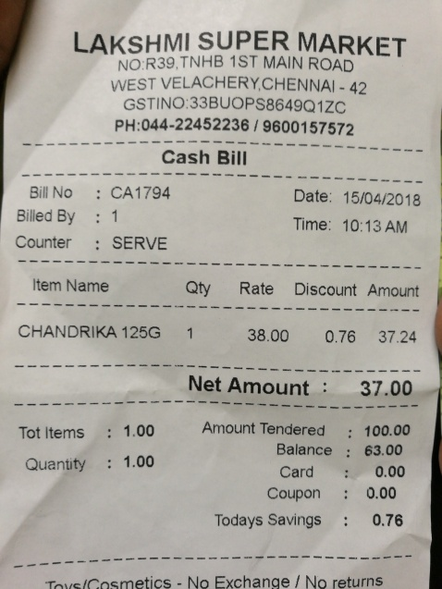
Item Name | Qty | Rate | Discount | Amount
CHANDRIKA 125G | 1 | 38.00 | 0.76 | 37.24

