Sheet1
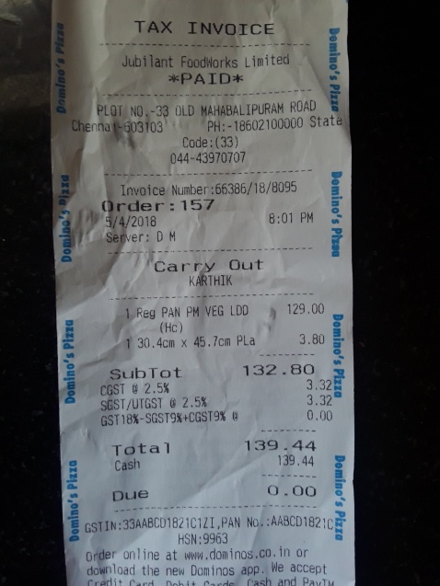
0 | 1
45.7cm PLa | 3.80
2.5 % | 3.32
0 | Reg PAN PM VEG LDD 1 129.00
0 | 30.4cm x
0 | 132.80
0 | 0.00

