Sheet1
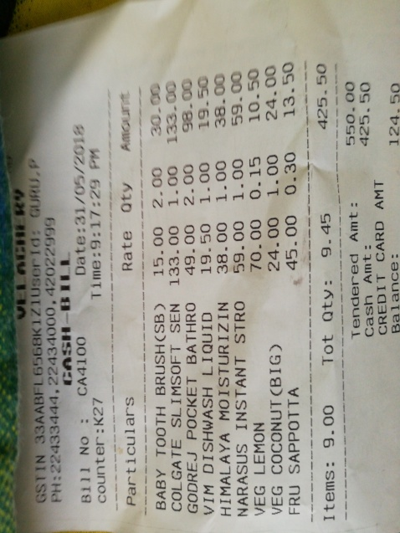
Amount | Oty | Rate | Particulars

