Sheet1
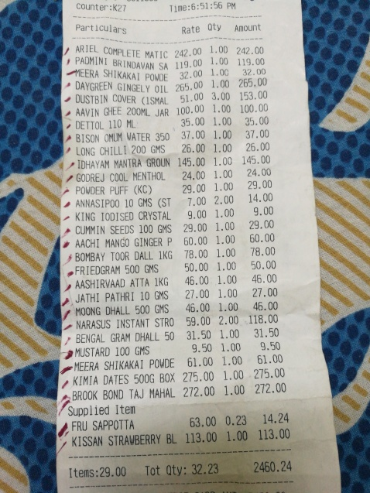
Particulars | Rate | oty | Amount
ARIEL COMPLETE MATIC 242.00 BR INDAVAN 119.00 | 1.00 1.00 | 242.00 | 119.00
SA 32.00 IKAKAI POWDE | 1.00 1.00 | 32.0 | 265.00
DAYGREEN GINGELY OIL 265.00 |  |  | 153.00
DUSTBIN COVER IMAL ( 100.00 | 51.00 3.00 1.00 |  | 100.00
AAVNGHE 200ML JAR | 1.00 |  | 35.00
DETTOL 110 M WATER 350 | 35.00 37.00 1.00 |  | 37.00
# 8ISON 26.00 | 1.00 |  | 26.00
LONG CHILLI 200 GMS GROUN 145.00 | 1.00 |  | 145.00
IDHAYAM MANTRA | 1.00 |  | 24.00
GODREJ COOL MENTHOL 24.00 29.00 | 1.00 |  | 29.00
POWDER PUFF (KC) |  |  | 14.00
10 GMS (ST ANNASIPOO | 7.00 2.00 1.00 |  | 9.00
KING IODISED CRYSTAL | 9.00 29.00 1.00 |  | 29.00
CUMMIN SEEDS 100 GMS |  |  | 60.00
MANGO GINGER P ' AACH | 60.00 1.00 78.00 1.00 |  | 78.00
BOMBAY TOOR DALL 1KG 500 GMS 50.00 | 1.00 |  | 50.00
FRIEDGRAM | 46.00 1.00 |  | 46.00
AASHIRVAAD ATTA 1KG |  |  | 27.00
PATHRI 10 GMS JATHI | 27.00 1.00 | 1.00 | 46.00
DHALL 500 GHS MOONG STRO | 46.00 59.00 | 2.00 | 118.00
NARASUS INSTANT |  | 1.00 | 31.50
BENGAL GRAM DHALL 50 GMS | 31.50 9.50 | 1.00 | 9.50
MUSTARD 100 | 61.00 | 1.00 | 61.00
MEERA SHIKAKAI POWDE |  |  | 275.00
500G BOX KIMIA DATES | 275.00 | 1.00 1.00 | 272.00
BROOK BOND TAJ MAHAL | 272.00

