Sheet1
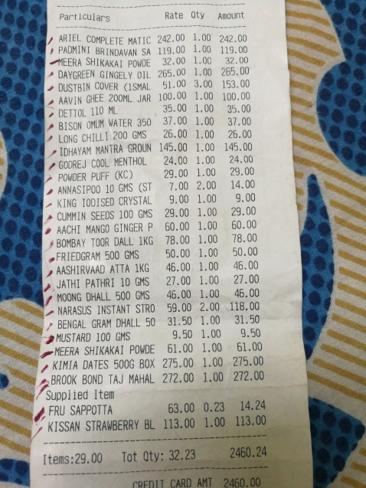
Particulars | Rate | oty | Amount
COMPLETE MATIC 242.00 ARIEL PADMINI BRINDAVAN SA 119.00 SHIKAKAI POWDE 32.00 MEERA 265.00 , DAYGREEN GINGELY OIL ISTBIN COVER ( SMAL @ JAR 100.00 | 1.00 1.00 1.00 1.00 3.00 51.00 1.00 | 242.00 119.00 32.00 265.00 153.00 | 100.00
AAVIN GHEE 200ML | 35.00 1.00 |  | 35.00
DETTOL 110 ML | 1.00 |  | 37.00
OMUM WATER 350 ^ BISON GMS 26.00 | 37.00 1.00 |  | 26.00
LONG CHILLT 200 |  |  | 145.00
MANTRA GROUN IDHAYAM | 145.00 1.00 24.00 1.00 |  | 24.00
GODREJ COOL MENTHOL | 1.00 |  | 29.00
nan (KC) POWDER PUFF | 29.00 7.00 2.00 |  | 14.00
ANNASIPOO 10 GMS (ST |  |  | 9.00
CRYSTAL KING 100 | SED | 9.00 1.00 29.00 1.00 |  | 29.00
SEEDS 100 GMS |  |  | 60.00
CUMMIN GINGER P AACHI MANGO | 60.00 1.00 1.00 |  | 78.00
T00R DALL 1KG nan BOMBAY | 78.00 50.00 1.00 |  | 50.00
FRIEDGRAM 500 GMS |  |  | 46.00
1KG nan AASHIRVAADATTA GMS | 46.00 1.00 27.00 1.00 |  | 27.00
JATHI PATHRI 10 |  |  | 46.00
500 GMS MOONG DHALL | 46.00 59.00 | 1.00 2.00 | 118.00
NARASUS INSTANT STRO |  |  | 31.50
nan DHALL 50 BENGAL GRAM | 31.50 9.50 | 1.00 1.00 | 9.5
MUSTARD 100 GMS |  | 1.00 | 61.00
POWDE MEERA SHIKAKAI | 61.00 275.00 | 1.00 | 275.00
KIMIA DATES 500G BOX | 272.00 | 1.00 | 272.00
BROOK BOND TAJ MAHAL

