Sheet1
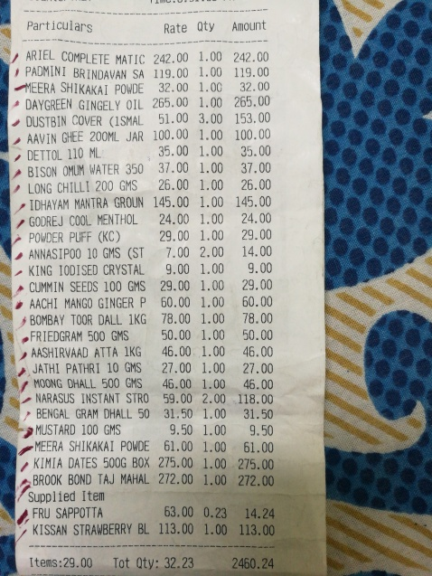
Particulars | Rate | Oty | Amount
ARIEL COMPLETE MATIC 242.00 BRINDAVAN SA 119.00 PAOMINI MEERA SHIKAKAPONDE GINGELY OIL 265.00 DAYGREEN DUSTBIN COVER ( SMAL 200ML JAR 100.00 AAVIN GHEE | 1.00 1.00 1.00 32.00 1.00 3.00 51.00 1.00 | 242.00 119.00 32.00 265.00 153.00 100.00 | 35.00
110 ML DETTOL 350 37.00 BISON OMUM WATER 200 GMS26.00 LONG CHILLI | 35.00 1.00 1.00 1.00 | 37.00 26.00 | 145.00
MANTRA GROUN IDHAYAM | 145.00 1.00 1.00 |  | 24.00
COOL MENTHOL GODREJ | 24.00 29.00 1.00 |  | 29.00
POWDER PUFF (KC) GMS (ST | 7.00 2.00 |  | 14.00
ANNASIPOO0 10 |  |  | 9.00
KING 100 | SED CRYSTAL 100 GMS | 9.00 1.00 29.00 1.00 |  | 29.00
CUMMIN SEEDS |  |  | 60.00
AACH MANGO GINGER P , | 60.00 78.00 | 1.00 1.00 | 78.00
BOMBAY TOOR DALL1KG 500 GMS 50.00 | 1.00 |  | 50.00
FRIEDGRAM | 1.00 |  | 46.0
AASHIRVAAD ATTA KG PATHRI 10 GMS | 46.00 27.00 1.00 |  | 27.00
JATHI |  | 1.00 | 46.00
MOONG DHALL 500 GMS NARASUS INSTANT STRO | 46.00 59.00 | 2.00 | 118.00
GRAM DHALL 50 | 31.50 | 1.00 | 31.50
BENGAL |  |  | 9.50
MUSTARD 100 GMS SHIKAKAI POWDE | 9.50 61.00 | 1.00 1.00 | 61.00
MEERA |  | 1.00 | 275.00
KIMIA DATES 500G BOX BROOK BOND TAJ MAHAL | 275.00 272.00 | 1.00 | 272.00

