Sheet1
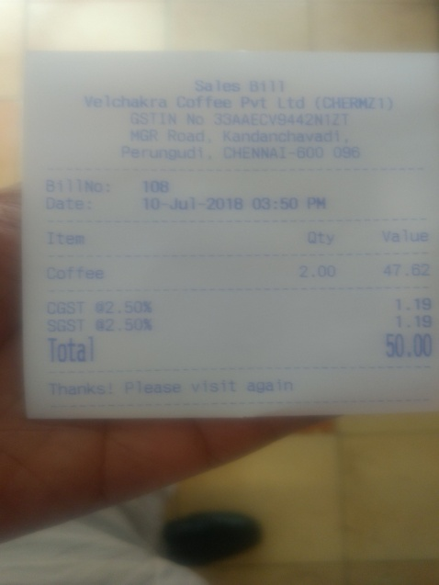
0 | 1 | 2 | 3
2.50 |  | % | 1.19
0 | 0 | Coffee | 2.00472

