Sheet1
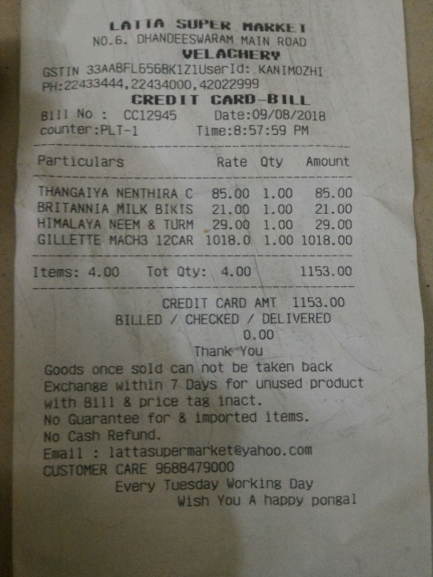
Particulars | Rate | Qty | Amount
THANGAIYA NENTHIRA c | 85.00 | 1.00 | 85.00
BRITANNIA MILK BIKS | 21.00 | 1.00 | 21.00
HIMALAYA NEEM & TURM | 29.00 | 1.00 | 29.00
GILLETTE MACH3 12CAR - 1018.0 |  | 1.00 | 1018.00

