Sheet1
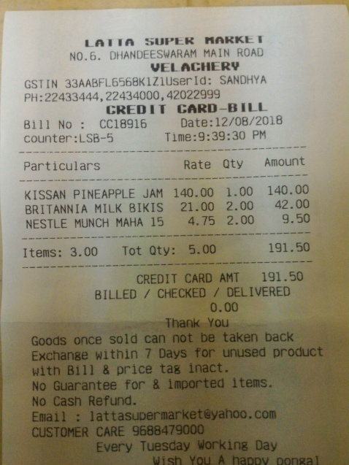
Particulars | Rate | Qty | Amount
KISSAN PINEAPPLE JAM | 140.00 | 1.00 | 140.00
BRITANNIA MILK BIKIS | 21.00 | 2.00 | 42.00
NESTLE MUNCH MAHA 15 | 4.75 | 2.00 | 9.50

