Sheet1
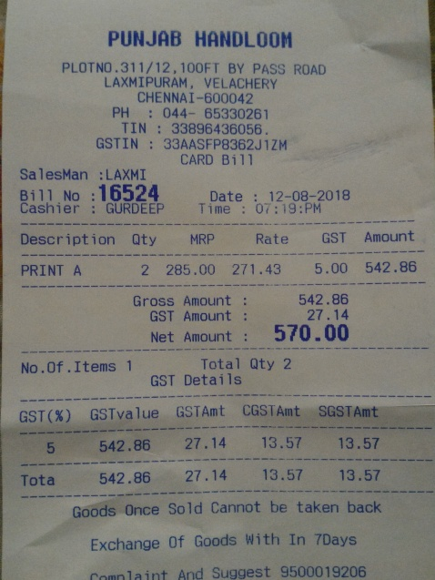
Description | Qty | MRP | Rate | GST | Amount
PRINT A | 2 285.00 |  | 271.43 5.00 |  | 542.86

