Sheet1
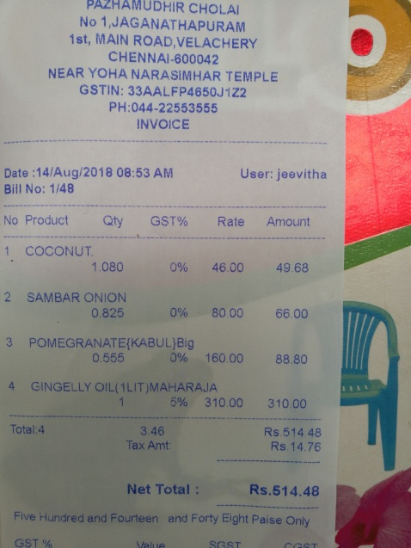
Qty | GST | % | Rate | Amount
No Product 1 COCONUT |  |  |  | 49.68
1.080 | 096 |  | 46.00

