Sheet1
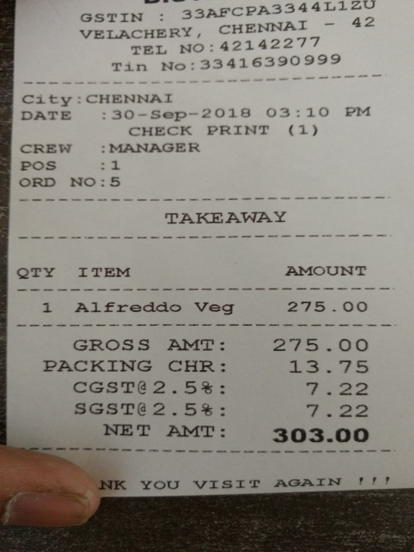
QTY | ITEM

