Sheet1
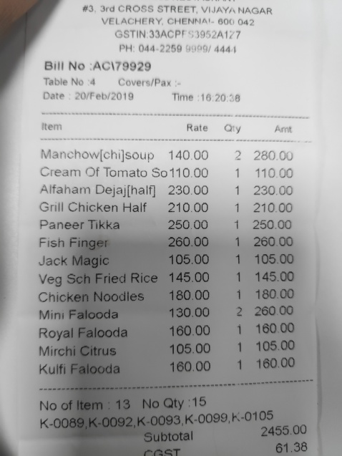
Item | Rate | Qty | Amt
Manchow[chijsoup 140.00 |  | 2 | 280.00
Cream Of Tomato So 110.00 |  | 1 | 110.00
Alfaham Dejaj[half 230.00 |  | 1 | 230.00
Grill Chicken Half 210.00 |  | 1 | 210.00
Paneer Tikka 250.00 |  | 1 | 250.00
Fish Finger 260.00 |  | 1 | 260.00
Jack Magic 105.00 |  | 1 | 105.00
Veg Sch Fried Rice 145.00 |  | 1 | 145.00
Chicken Noodles 180.00 |  | 1 | 180.00
Mini Falooda 130.00 |  | 2 | 260
 |  |  | 00
Royal Falooda 1 160.00 |  | 1 | 160.00
Mirchi Citrus 105.00 |  | 1 | 105.00

