Sheet1
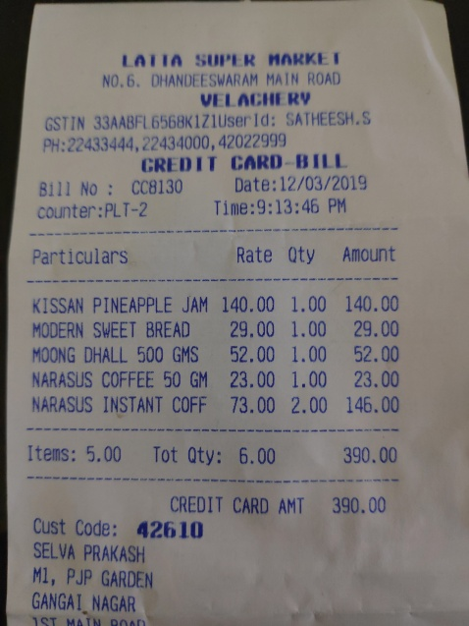
Particulars | Rate | Qty | Amount
KISSAN PINEAPPLE JAM | 140.00 | 1.00 | 140.00
MODERN SWEET BREAD | 29,00 | 1.00 | 29.00
MOONG DHALL 500 GMS | 52.00 | 1.00 | 52.00
NARASUS COFFEE 50 GM | 23.00 | 1.00 | 23.00
NARASUS INSTANT COFF | 73.00 | 2.00 | 146.00

