Sheet1
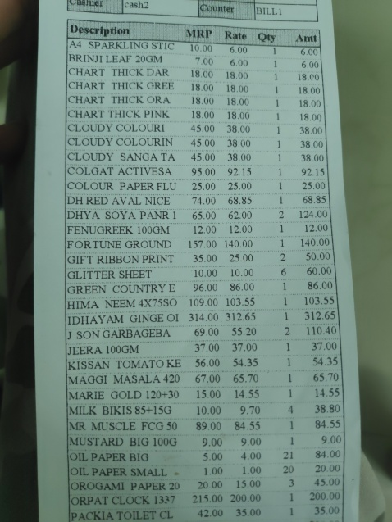
Description | MRP | Rate | Qty | Amt
A4 SPARKILING STIC | 10.00 6.00 |  |  | 6.00
BRINJI LEAF 20GM | 7.00 6.00 |  | 1 | 6.00
CHART THICK DAR | 18.00 18.00 |  |  | 18.00
CHART THICK GREE | 18.00 18.00 |  |  | 18.00
CHART THICK ORA | 18.00 18.00 |  | 1 | 18.00
CHART THICK PINK | 18.00 18.00 |  |  | 18.00
CLOUDY COLOURI | 45.00 38.00 |  |  | 38.00
CLOUDY COLOURIN | 45.00 38.00 |  |  | 38.00
CLOUDY SANGA TA | 45.00 38.00 |  |  | 38.00
COLGAT ACTIVESA | 95.00 92.15 |  |  | 92.15
COLOUR PAPER FLU | 25.00 25.00 |  |  | 25.00
DH RED AVAL NICE | 74.00 68.85 |  |  | 68.85
DHYA SOYA PANR | 65.00 62.00 |  |  | 124.00
FENUGREEK 100GM | 12.00 12.00 |  |  | 12.00
FORTUNE GROUND | 157.00 140.00 |  | 1 | 140.00
PRINT | 35.00 25.00 |  | 2 | 50.00
GIFT RIBBON |  |  |  | 60.00
GLITTER SHEET E | 10.00 10.00 96.00 86.00 |  | 6 1 | 86.00
GREEN COUNTRY |  |  |  | 103.55
HIMA NEEM 4X75SO GINGE OI | 109.00 103.55 314.00 312.65 |  | 1 | 312.65
IDHAYAM |  |  |  | 110.40
J SON GARBAGEBA | 69.00 37.00 | 55.20 37.00 | 1 | 37.00
JEERA 100GM |  |  |  | 54.35
KISSAN TOMATO KE MAGGI MASALA 420 | 56.00 67.00 | 54.35 65.70 |  | 65.70
MARIE GOLD 120+30 | 15.00 | 14.55 |  | 14.55
MILK BIKIS 85+15G | 10.00 | 9.70 |  | 4
 |  |  |  | 38
 |  |  |  | 80
MR MUSCLE FCG 50 | 89.00 | 84.55 |  | 84.55
MUSTARD BIG 100G | 9.00 | 9.00 |  | 1
 |  |  |  | 9.00
OIL | 5.00 | 4.00 | 21 | 84.00
PAPER BIG |  |  |  | 20.00
OIL PAPER SMALL 20 | 1.00 20 00 | 1.00 15.00 | 20 | 45.00
OROGAMI PAPER |  |  |  | 200.00
ORPAT CLOCK 1337 | 215.00 42.00 | 200.00 35.00 |  | 35.00
PACKIA TOILET CL

